ROC Curve
TP = True Positive FP = False Positive TN = True Negative FN = False Negative
TPR =TP/ P = True Positive Rate
FPR = FP/N = False Positive Rate
TPR (Sensitivity) = True Positives / (True Positives + False Negatives)
FPR (1 - Specificity) = False Positives / (False Positives + True Negatives)
Step 1: Order the set by Probobiltiy Desc
Step 2: At Each line count the number of p's and n's above the line those are the p = TP's and n = FP's
Step 3: Do step 2 for the items below the line. Those are n = TN's and p = FN
Step 4: FPR is the FP's at each row divide by the total FP's
Step 5: TPR are the TP's at each row divided by the total TP's
Step 1 order the set by probobility Decending
Tuple # | Class | Prob | TP | FN | FP | TN | TPR | FPR
1 | p | 0.95 | 0 | 0 | 0 | 0 | 0 | 0
2 | n | 0.85 | 0 | 0 | 0 | 0 | 0 | 0
3 | p | 0.78 | 0 | 0 | 0 | 0 | 0 | 0
4 | p | 0.66 | 0 | 0 | 0 | 0 | 0 | 0
5 | n | 0.6 | 0 | 0 | 0 | 0 | 0 | 0
6 | p | 0.55 | 0 | 0 | 0 | 0 | 0 | 0
7 | n | 0.53 | 0 | 0 | 0 | 0 | 0 | 0
8 | n | 0.52 | 0 | 0 | 0 | 0 | 0 | 0
9 | n | 0.51 | 0 | 0 | 0 | 0 | 0 | 0
10 | p | 0.4 | 0 | 0 | 0 | 0 | 0 | 0

 |  |  |  |  |  |  | X | Y |  | Y | X
Tuple # | Class | Prob | TP | FP | TN | FN | FPR | TPR | AUC | RG-Y | RG-X
1 | p | 0.95 | 1 | 0 | 4 | 5 | 0 | 0.2 | -0.04 | 0 | 0
2 | n | 0.85 | 1 | 1 | 4 | 4 | 0.2 | 0.2 | 0 | 1 | 1
3 | p | 0.78 | 2 | 1 | 3 | 4 | 0.2 | 0.4 | 0
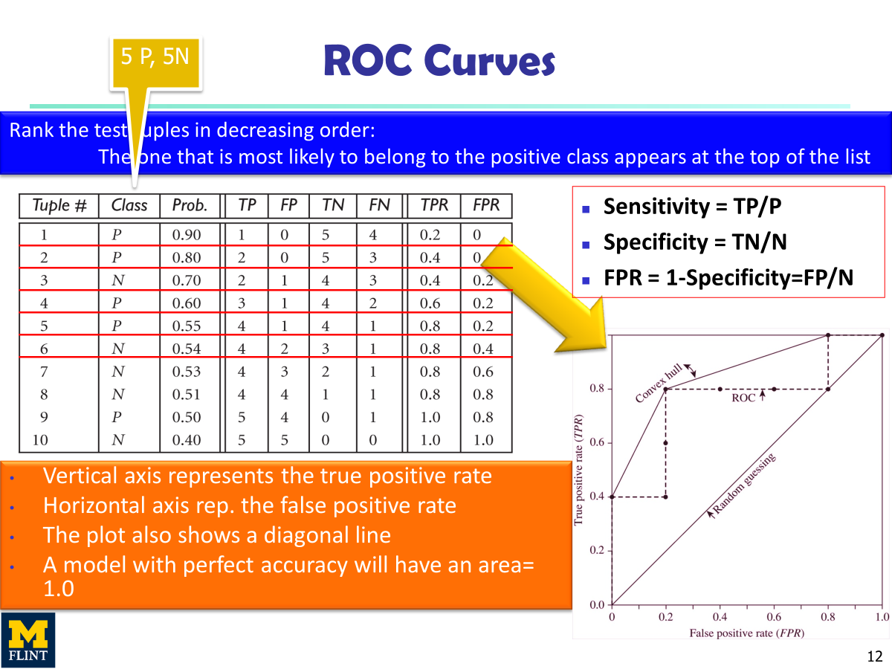
4 | p | 0.66 | 3 | 1 | 2 | 4 | 0.2 | 0.6 | -0.12
5 | n | 0.6 | 3 | 2 | 2 | 3 | 0.4 | 0.6 | 0
6 | p | 0.55 | 4 | 2 | 1 | 3 | 0.4 | 0.8 | -0.16
7 | n | 0.53 | 4 | 3 | 1 | 2 | 0.6 | 0.8 | -0.16
8 | n | 0.52 | 4 | 4 | 1 | 1 | 0.8 | 0.8 | -0.16
9 | n | 0.51 | 4 | 5 | 1 | 0 | 1 | 0.8 | 0
10 | p | 0.4 | 5 | 5 | 0 | 0 | 1 | 1 | 1

ROC Curve
 | ROC Curve |  | Random Guess |  | Convex Hull
0 | 0.2 | 0 | 0 | 0 | 0.2
0.2 | 0.2 | 1 | 1 | 0.2 | 0.6
0.2 | 0.4 |  |  | 0.4 | 0.8
0.2 | 0.6 |  |  | 1 | 1
0.4 | 0.6
0.4 | 0.8
0.6 | 0.8
0.8 | 0.8
1 | 0.8
1 | 1

