BaysTheorm
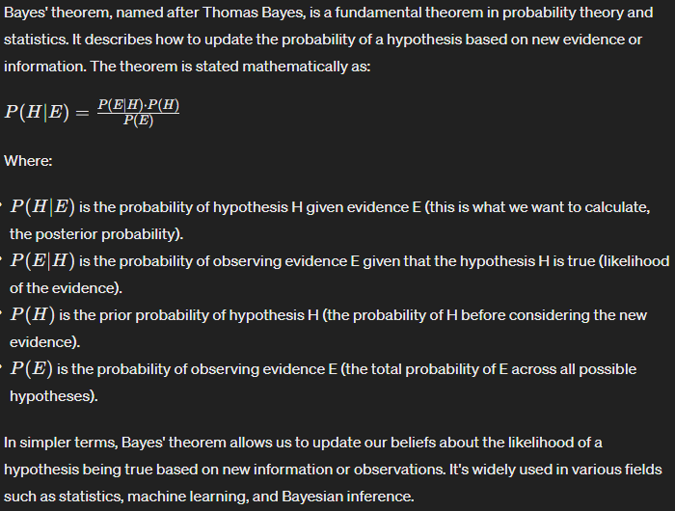
 |  |  |  |  | department | age | salary | status | count |  | Conditional Probobility | sum of occurnces | P(H) = Prior Probability (sum of occurences)/Total |  | P(Status = junior | X) | P(Status = senior | X)
 |  |  |  |  | sales | 31_35 | 46K_50K | senior | 30 | X1 | P(department = system) | 31 | 0.19 | X1 | 0.03 | 0.15
 |  |  |  |  | sales | 26_30 | 26K_30K | junior | 40 | X2 | P(age = 26_30) | 49 | 0.30 | X2 | 0.43 | 0.00
 |  |  |  |  | sales | 31_35 | 31K_35K | junior | 40 | X3 | P(salary = 46K_50K) | 63 | 0.38 | X3 | 0.20 | 0.77
 |  |  |  |  | systems | 21_25 | 46K_50K | junior | 20 | C1 | P(Status = junior) | 113 | 0.68 |  | 0.0016047387494 | 0.037296037296
 |  |  |  |  | systems | 31_35 | 66K_70K | senior | 5 | C2 | P(Status = senior) | 52 | 0.32 |  | 5.9850396247E-05
 |  |  |  |  | systems | 26_30 | 46K_50K | junior | 3
 |  |  |  |  | systems | 41_45 | 66K_70K | senior | 3
 |  |  |  |  | marketing | 36_40 | 46K_50K | senior | 10
 |  |  |  |  | marketing | 31_35 | 41K_45K | junior | 4
 |  |  |  |  | secretary | 46_50 | 36K_40K | senior | 4
 |  |  |  |  | secretary | 26_30 | 26K_30K | junior | 6
 |  |  |  |  |  |  |  | Total: | 165

Glasses Example from Class
 | glasses (G) | no glass (NG) | Total
Male (M) | 20 | 30 | 50
Female (F) | 25 | 25 | 50
Total | 45 | 55 | 100

P(M) | 0.5
P(F) | 0.5 |  |  | P(Status = junior | X)
P(G) | 0.45 |  |  | P(Status = senior | X)
P(NG) | 0.55
P(M ∩ G) | 0.2
P(F ∩ G) | 0.25
P(M ∩ NG) | 0.3
P(F ∩ NG) | 0.25

P(G | M) | 0.4
P(M | G) | 0.44444444444

P(A|B) = | P(A ∩ B)/P(B)= | P(B|A)*P(A)/P(B)
P(G | M) | 0.4 | 0.4

Cancer Example from Class
Observed Values
P(A) = | P(h = cancer) | 0.01
P(B) = | P(age = 65) | 0.002
P(B|A) = | P(age = 65 | cancer) | 0.005
P(A|B) = P(B|A)*P(A)/P(B)
P(A|B) = | P(cancer | age = 65) | 0.025

