ROC Curve (P1)
TP = True Positive FP = False Positive TN = True Negative FN = False Negative
TPR =TP/ P = True Positive Rate
FPR = FP/N = False Positive Rate
TPR (Sensitivity) = True Positives / (True Positives + False Negatives)
FPR (1 - Specificity) = False Positives / (False Positives + True Negatives)
Step 1: Order the set by Probobiltiy Desc
Step 2: At Each line count the number of p's and n's above the line those are the p = TP's and n = FP's
Step 3: Do step 2 for the items below the line. Those are n = TN's and p = FN
Step 4: FPR is the FP's at each row divide by the total FP's
Step 5: TPR are the TP's at each row divided by the total TP's
Step 1 order the set by probobility Decending
Tuple # | Class | Prob | TP | FN | FP | TN | TPR | FPR
1 | p | 0.95 | 0 | 0 | 0 | 0 | 0 | 0
2 | n | 0.85 | 0 | 0 | 0 | 0 | 0 | 0
3 | p | 0.78 | 0 | 0 | 0 | 0 | 0 | 0
4 | p | 0.66 | 0 | 0 | 0 | 0 | 0 | 0
5 | n | 0.6 | 0 | 0 | 0 | 0 | 0 | 0
6 | p | 0.55 | 0 | 0 | 0 | 0 | 0 | 0
7 | n | 0.53 | 0 | 0 | 0 | 0 | 0 | 0
8 | n | 0.52 | 0 | 0 | 0 | 0 | 0 | 0
9 | n | 0.51 | 0 | 0 | 0 | 0 | 0 | 0
10 | p | 0.4 | 0 | 0 | 0 | 0 | 0 | 0

 |  |  | above line |  | below line |  | X | Y |  | Y | X
Tuple # | Class | Prob | TP | FP | TN | FN | FPR | TPR | AUC | RG-Y | RG-X
1 | p | 0.95 | 1 | 0 | 5 | 4 | 0 | 0.2 | -0.04 | 0 | 0
2 | n | 0.85 | 1 | 1 | 4 | 4 | 0.2 | 0.2 | 0 | 1 | 1
3 | p | 0.78 | 2 | 1 | 4 | 3 | 0.2 | 0.4 | 0
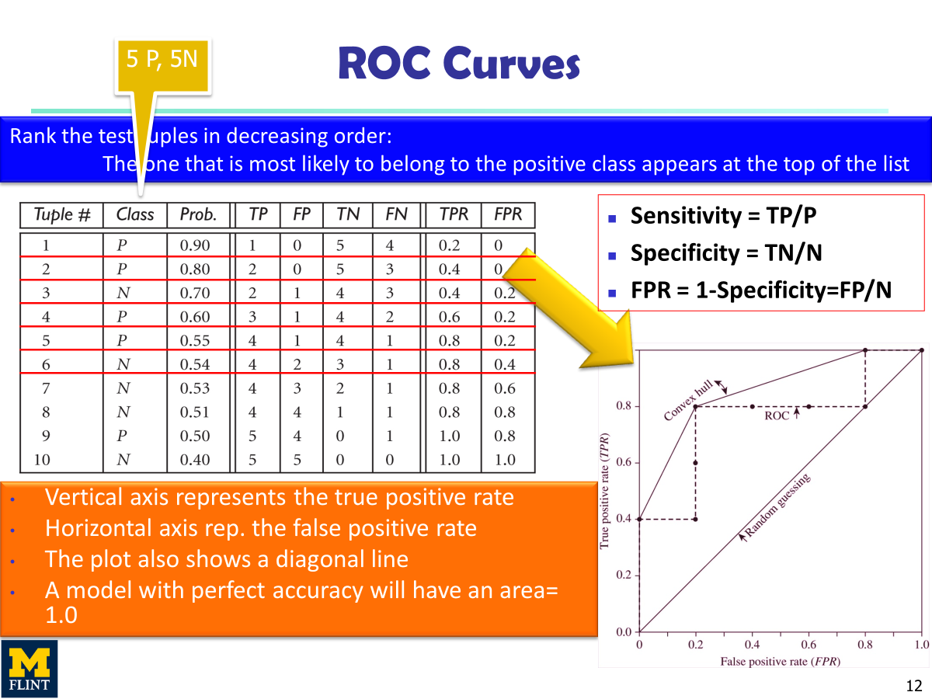
4 | p | 0.66 | 3 | 1 | 4 | 2 | 0.2 | 0.6 | -0.12
5 | n | 0.6 | 3 | 2 | 3 | 2 | 0.4 | 0.6 | 0
6 | p | 0.55 | 4 | 2 | 3 | 1 | 0.4 | 0.8 | -0.16
7 | n | 0.53 | 4 | 3 | 2 | 1 | 0.6 | 0.8 | -0.16
8 | n | 0.52 | 4 | 4 | 1 | 1 | 0.8 | 0.8 | -0.16
9 | n | 0.51 | 4 | 5 | 0 | 1 | 1 | 0.8 | 0
10 | p | 0.4 | 5 | 5 | 0 | 0 | 1 | 1 | 1

ROC Curve
 | ROC Curve |  | Random Guess |  | Convex Hull
0 | 0.2 | 0 | 0 | 0 | 0.2
0.2 | 0.2 | 1 | 1 | 0.2 | 0.6
0.2 | 0.4 |  |  | 0.4 | 0.8
0.2 | 0.6 |  |  | 1 | 1
0.4 | 0.6
0.4 | 0.8
0.6 | 0.8
0.8 | 0.8
1 | 0.8
1 | 1

Frequent Pattern (P2,3,4)
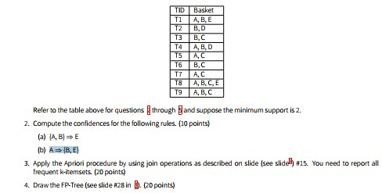
 |  | Problem 2(Confidences) |  |  | Problem 3 (Apriori Procedure) |  |  |  |  | Problem 3 (Apriori Procedure)
 |  | Confidence Formulas |  |  | Frequent K-itemset (1 item)(C1) |  |  |  |  | Frequent K-itemset (1 item)(L1)
 |  | Confidence({A, B} ⟹ E) = P(E | A, B) = S(A, B, E) / S(A, B) |  |  | Basket Items | Trasnactions | Support |  |  | Basket Items | Trasnactions | Support
 |  | Confidence(A ⟹ {B, E}) = P(B, E | A) = S(A, B, E) / S(A) |  |  | A | T1, T4, T5, T7, T8, T9 | 6 |  | 1st Scan | A | T1, T4, T5, T7, T8, T9 | 6
 |  |  |  |  | B | T1, T2, T3, T4, T6, T8, T9 | 7 |  |  | B | T1, T2, T3, T4, T6, T8, T9 | 7
 |  | Set Values Min Sup 2 |  |  | C | T3, T5, T6, T7, T8, T9 | 5 |  |  | C | T3, T5, T6, T7, T8, T9 | 5
 |  | Support(A) = | (T1, T4, T5, T7, T8, T9) | 6 | D | T2, T4 | 2 |  |  | D | T2, T4 | 2
 |  | Support({A, B}) = | (T1, T4, T8, T9) | 4 | E | T1, T8 | 2 |  | 2nd Scan | E | T1, T8 | 2
 |  | Support({A, B, E}) = | (T1, T8) | 2
 |  |  |  |  | Frequent K-itemset (2 item)(C2) |  |  |  |  | Frequent K-itemset (2 item)(L2)
 |  | Confidence Calculation |  |  | Basket Items | Trasnactions | Support | Confidence | Lift | Basket Items | Trasnactions | Support | Confidence | Lift
 |  | Support({A, B}) ⟹ E = | S(A, B, E) / S(A, B) = | 0.50 | A,B | T1, T4, T8, T9 | 4 | 0.67 | 0.10 | A,B | T1, T4, T8, T9 | 4 | 0.67 | 0.10
 |  | Support(A ⟹ {B, E}) = | S(A, B, E) / S(A) = | 0.33 | A,C | T5, T7, T8, T9 | 4 | 0.67 | 0.13 | A,C | T5, T7, T8, T9 | 4 | 0.67 | 0.13
 |  |  |  |  | A,D | T4, | 1 | 0.17 | 0.08 | A,E | T1, T8 | 2 | 0.33 | 0.17
 |  | Lift |  |  | A,E | T1, T8 | 2 | 0.33 | 0.17 | B,C | T3, T6, T8, T9 | 4 | 0.57 | 0.11
 |  | Conf(A ⟹ {B})/sup{B} = | 0.10 |  | B,C | T3, T6, T8, T9 | 4 | 0.57 | 0.11 | B,D | T2, T4, | 2 | 0.29 | 0.14
 |  |  |  |  | B,D | T2, T4, | 2 | 0.29 | 0.14
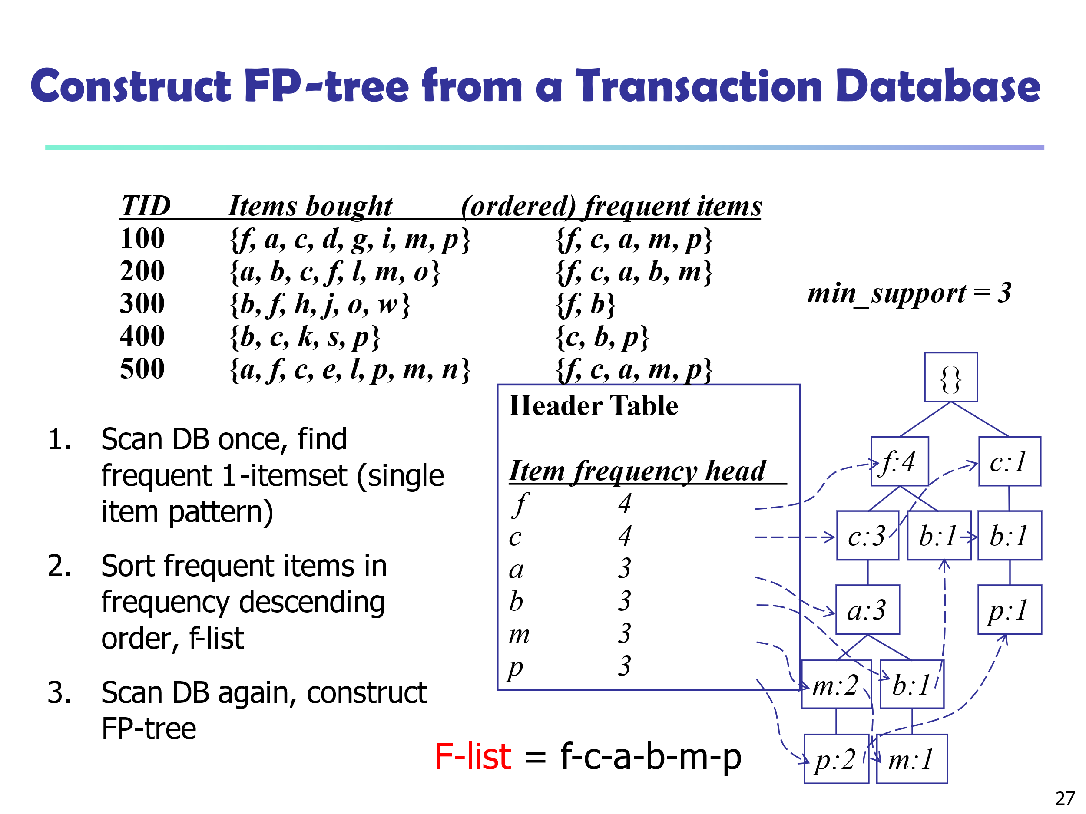
 |  |  |  |  | B,E | T8 | 1 | 0.14 | 0.07
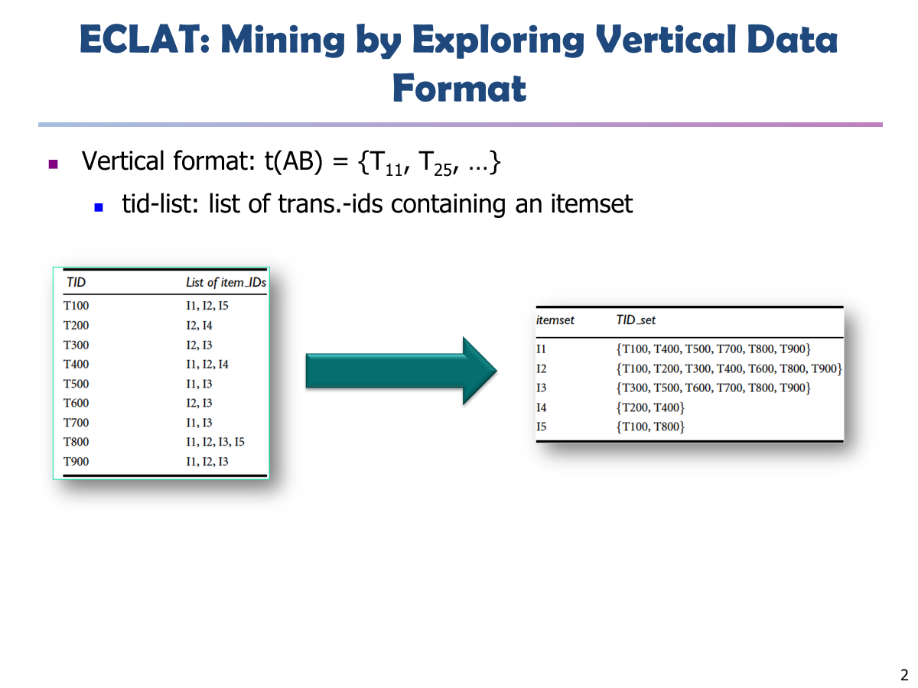
 |  |  |  |  | C,D |  | 0 | 0.00 | 0.00
 |  |  |  |  | C,E | T8 | 1 | 0.20 | 0.10
 |  |  |  |  | D,E |  | 0 | 0.00 | 0.00
 |  |  |  |  |  |  |  |  | 3rd Scan

 |  |  |  |  | Frequent K-itemset (3 item) (C3) |  |  |  |  | Frequent K-itemset (3 item)(L3)
 |  |  |  |  | Basket Items | Trasnactions | Support | Confidence | Lift | Basket Items | Trasnactions | Support | Confidence | Lift
 |  |  |  |  | A,B,C | T8, T9 | 2 | 0.5 | 0.13 | A,B,C | T8, T9 | 2 | 0.5 | 0.13
 |  |  |  |  | A,B,D | T4 | 1 | 0.25 | 0.13
 |  |  |  |  | A,B,E | T8 | 1 | 0.25 | 0.25
 |  |  |  |  | B,C,D |  | 0 | 0 | 0.00
 |  |  |  |  | B,C,E | T8 | 1 | 0.25 | 0.25
 |  |  |  |  | C,D,E |  | 0 | 0 | 0.00

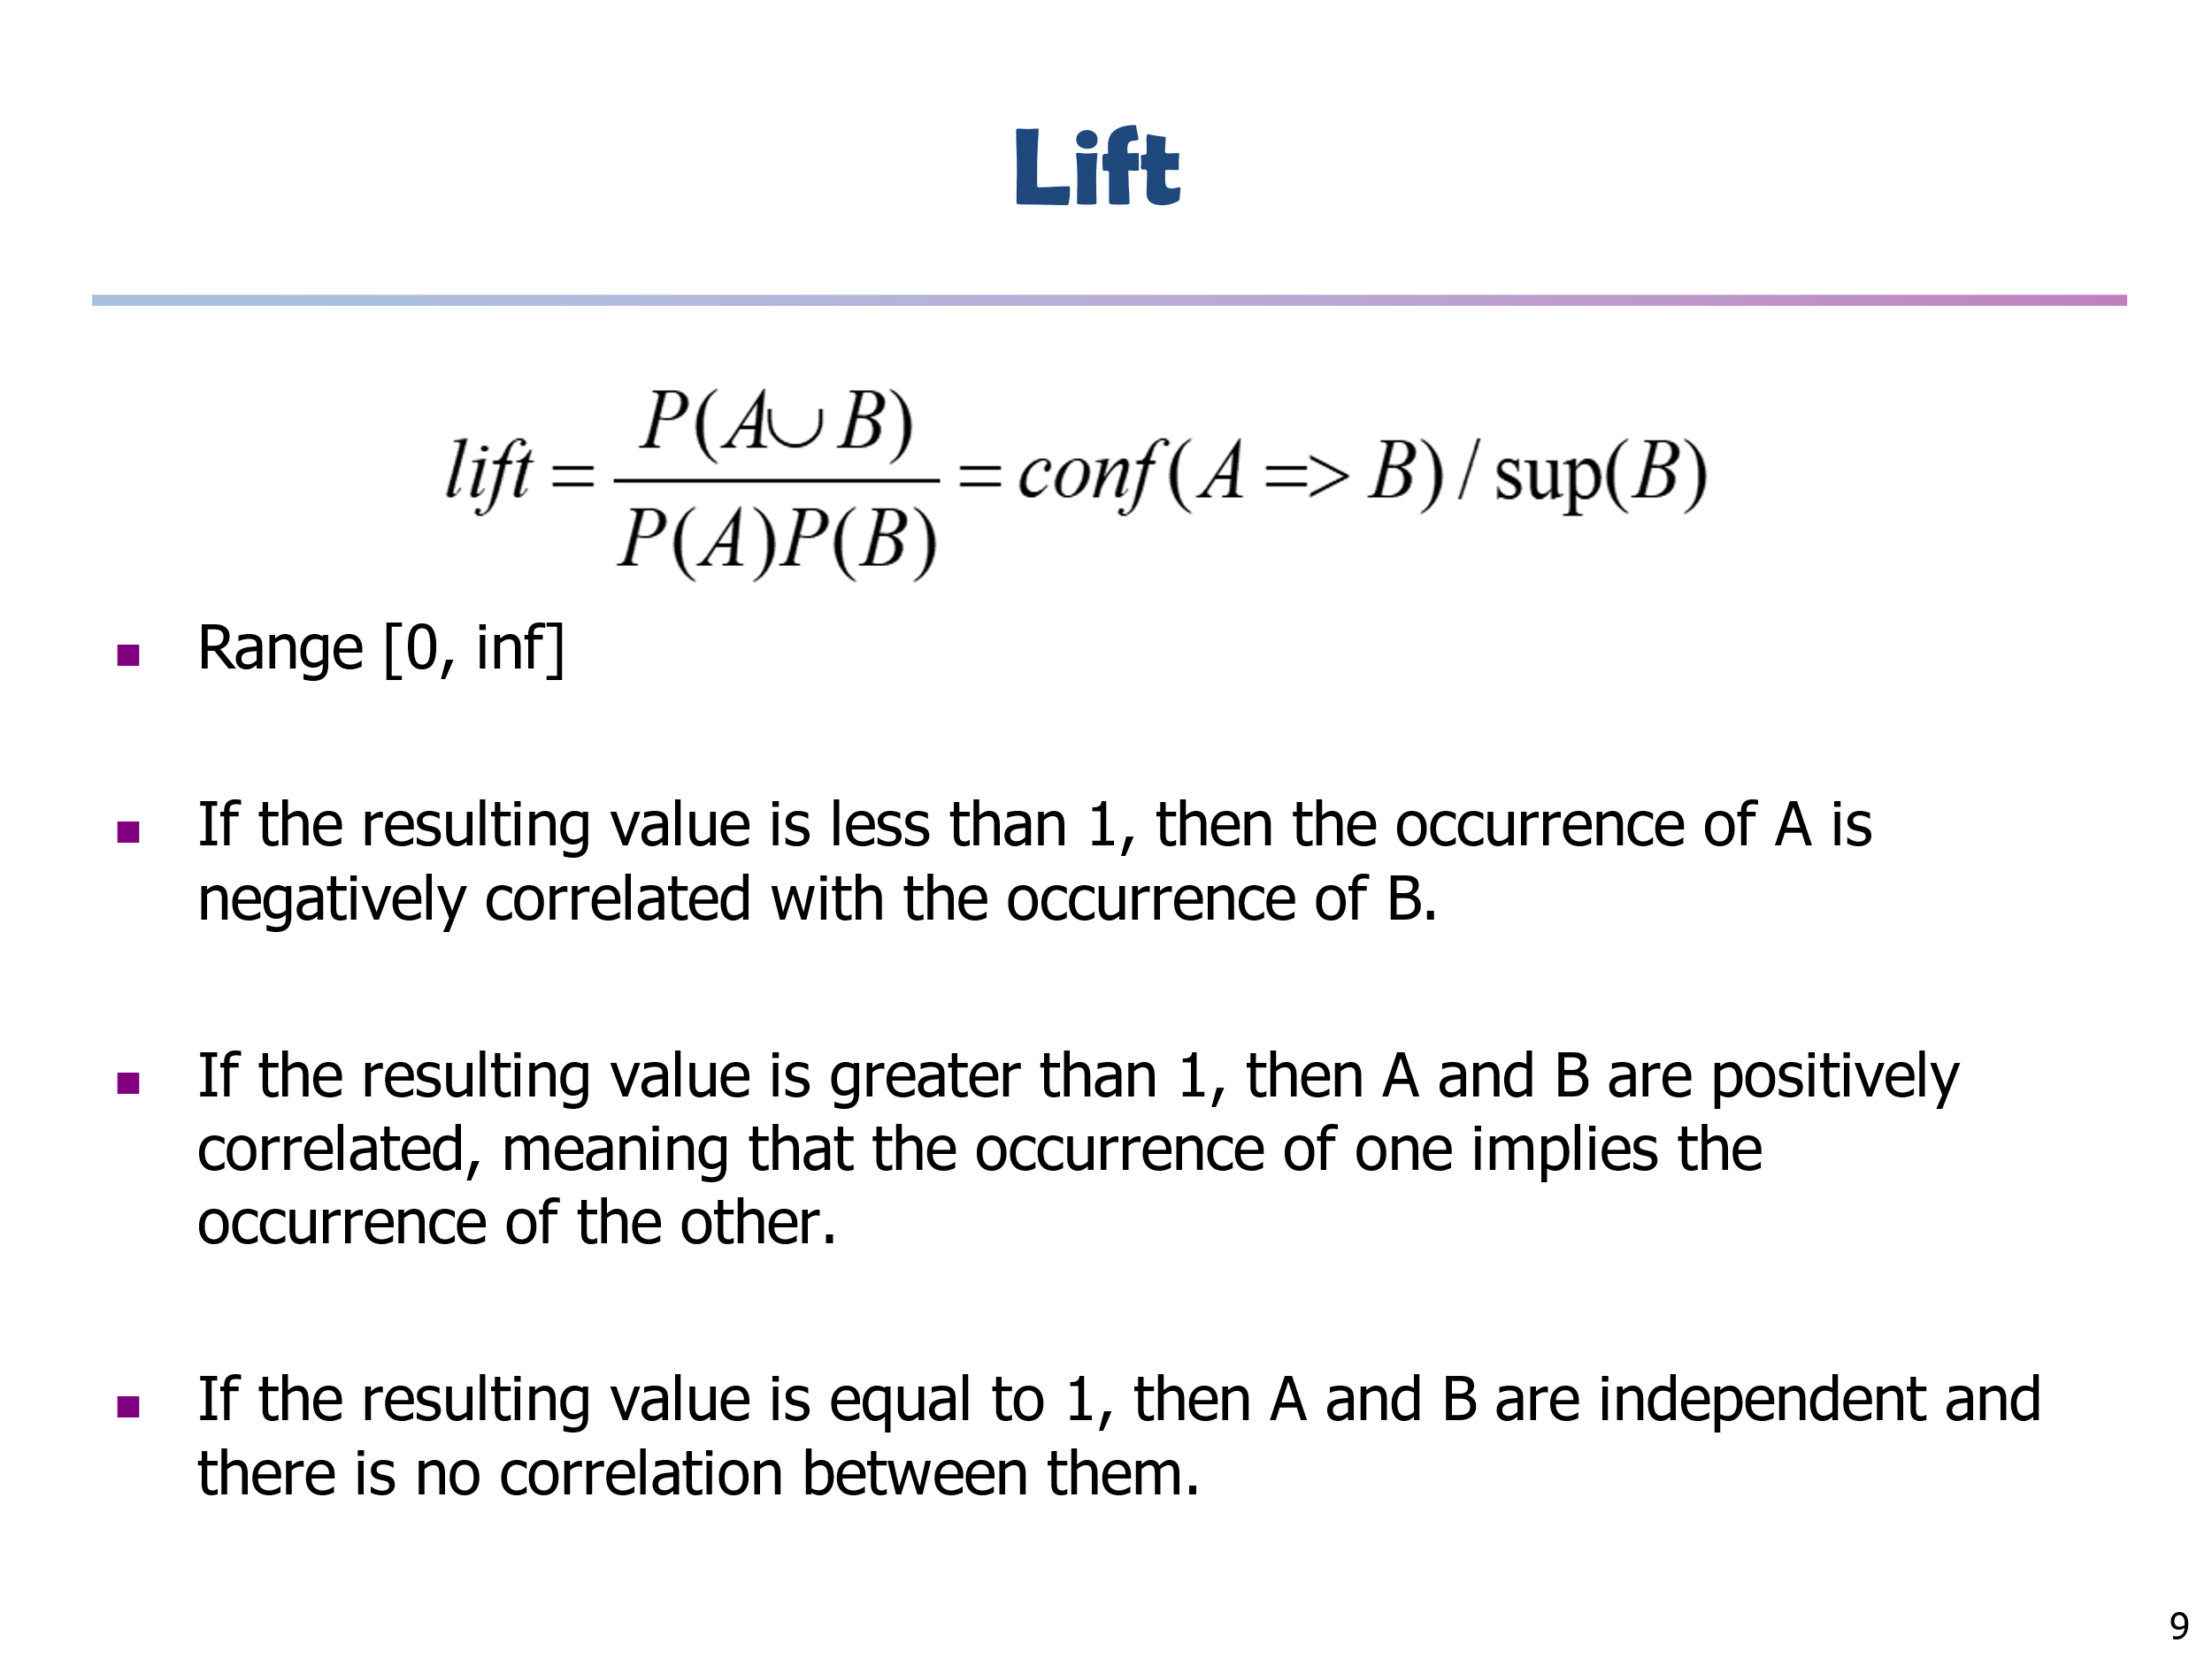

{root}
Problem 4: Draw FP-Tree
Step 1: Frequent K-itemset (1 item)
Basket Items | Trasnactions | Support | Min support = 2
B:7
A:2
A | T1, T4, T5, T7, T8, T9 | 6
B | T1, T2, T3, T4, T6, T8, T9 | 7
C | T3, T5, T6, T7, T8, T9 | 5
C:2
D:1
C:2
D | T2, T4 | 2
E | T1, T8 | 2
A:4
C:2
D:1
E:1
Step 2: Ordered Frequent K-itemset (1 item)
Basket Items | Trasnactions | Support
B | T1, T2, T3, T4, T6, T8, T9 | 7
A | T1, T4, T5, T7, T8, T9 | 6
C | T3, T5, T6, T7, T8, T9 | 5
E:1
D | T2, T4 | 2
E | T1, T8 | 2

Un-Ordered Transactions |  | Ordered Transactions
TiD | Basket | TiD | Basket
T1 | A, B, E | T8 | B, A, C, E
T2 | B, D | T9 | B,A, C
T3 | B, C | T4 | B,A, D
T4 | A, B, D | T1 | B, A, E
T5 | A, C | T3 | B, C
T6 | B, C | T6 | B, C
T7 | A, C | T2 | B, D
T8 | A, B, C, E | T5 | A, C
T9 | A, B, C | T7 | A, C

