rules
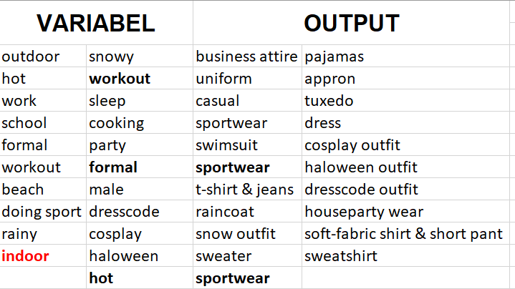
RULE | KONDISI | RESULT |  | NO | OUTPUT
 |  | yes | no | out1 | business attire
R1 | if outdoor=true | R2 | R11 | out2 | uniform
R2 | if hot=true and outdoor=true | R3 | R9 | out3 | casual
R3 | if work=true | out1 END | R4 | out4 | sportwear
R4 | if school=true | R5 | R6 | out5 | swimsuit
R5 | if school=true and formal=true | out2 END | out3 END | out6 | t-shirt & jeans
R6 | if workout=true and outdoor=true | out4 END | R7 | out7 | raincoat
R7 | if beach=true | out5 END | R8 | out8 | winter clothe
R8 | if doing_sport=true | out4 END | out6 END | out9 | sweater
R9 | if rainy=true | out7 END | R10 | out10 | pajamas
R10 | if snowy=true | out8 END | out9 END | out11 | appron
R11 | if workout=true and indoor=true | out4 END | R12 | out12 | tuxedo
R12 | if sleep=true | out10 END | R13 | out13 | dress
R13 | if cooking=true | out11 END | R14 | out14 | cosplay outfit
R14 | if party=true | R15 | R20 | out15 | haloween outfit
R15 | if party=true and formal=true | R16 | R17 | out16 | dresscode outfit
R16 | if male=true and party=true | out12 END | out13 END | out17 | houseparty wear
R17 | if party=true and dresscode=true | R18 | out17 END | out18 | soft-fabric shirt & short pant
R18 | if cosplay=true | out14 END | R19 | out19 | sweatshirt
R19 | if halloween=true | out15 END | out16 END
R20 | if hot=true and indoor=true | out18 END | out19 END

