ReturningAGift
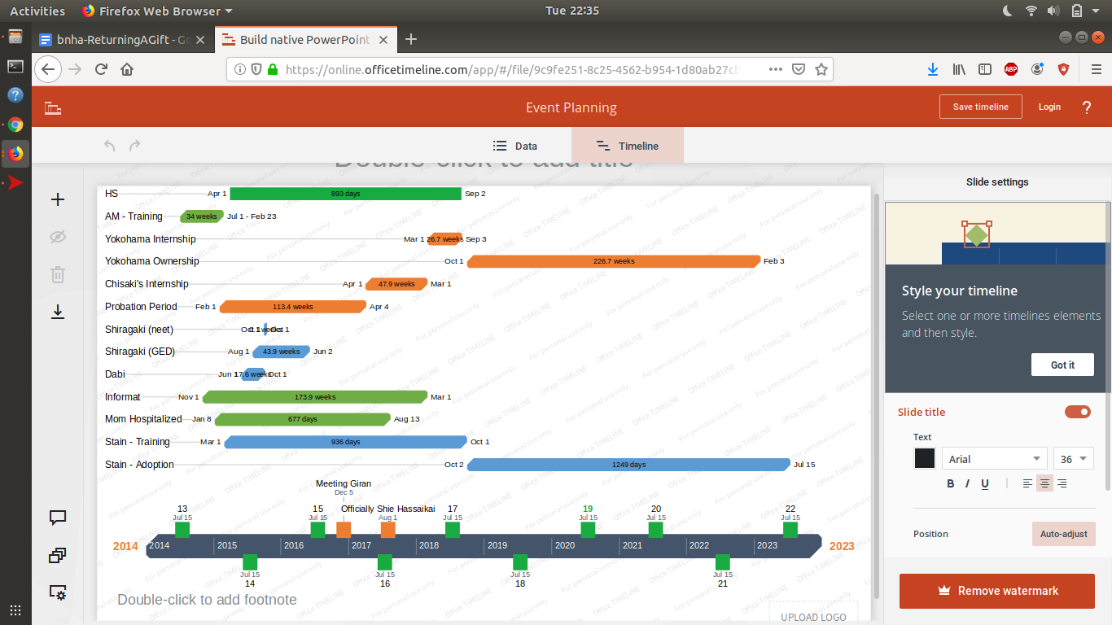
AM-Training | post-sludge | 2014-07-01 | 2015-02-01 | 10
13 | birthday | 7/15/2014 | 7/15/2014 | 0.1
Infomat | in that Hiruma way | 2014-11-01 | 2018-03-01
Mom Hospitalized |  | 2015-01-01 | 2017-08-01
Kurobane's Bitch | probition period | 2015-02-01 | 2017-04-01
Stain | training | 2015-03-01 | 2015-10-01
HS |  | 2015-04-01 | 2018-03-01 | 35
Shiragaki | neet2guard | 2015-04-01 | 2015-10-01 | 6
Dabi | stray cat Nabi | 2015-06-01 | 2015-12-01 | 6
14 | birthday | 7/15/2015 | 7/15/2015 | 0.1
Shiragaki | GED | 2015-08-01 | 2016-05-01 | 10
Catches Giran' | gets Twice | 2015-12-05
15 | birthday | 7/15/2016 | 7/15/2016 | 0.1
Chisaki's Intern | Chisaki's wallet | 2017-04-01 | 2018-03-01
16 | birthday | 7/15/2017 | 7/15/2017 | 0.1
disowned | officially yakuza | 2017-08-01 | -
Yokohama -Intern | port internship | 2018-03-01 | Sept 2018 | 6
17 | birthday | 7/15/2018 | 7/15/2018 | 0.1
Yoko - Ownership | Official Head | 2018-10-01 | -
Stain | Adoption | 2018-10-01 | -
18 | birthday | 7/15/2019 | 7/15/2019 | 0.1
19 | birthday | 7/15/2020 | 7/15/2020 | 0.1
20 | birthday | 7/15/2021 | 7/15/2021 | 0.1
21 | birthday | 7/15/2022 | 7/15/2022 | 0.1
22 | birthday | 7/15/2023 | 7/15/2023 | 0.1
Name | Desc | Start Date | End Date | Duration (months)

