Cover Page
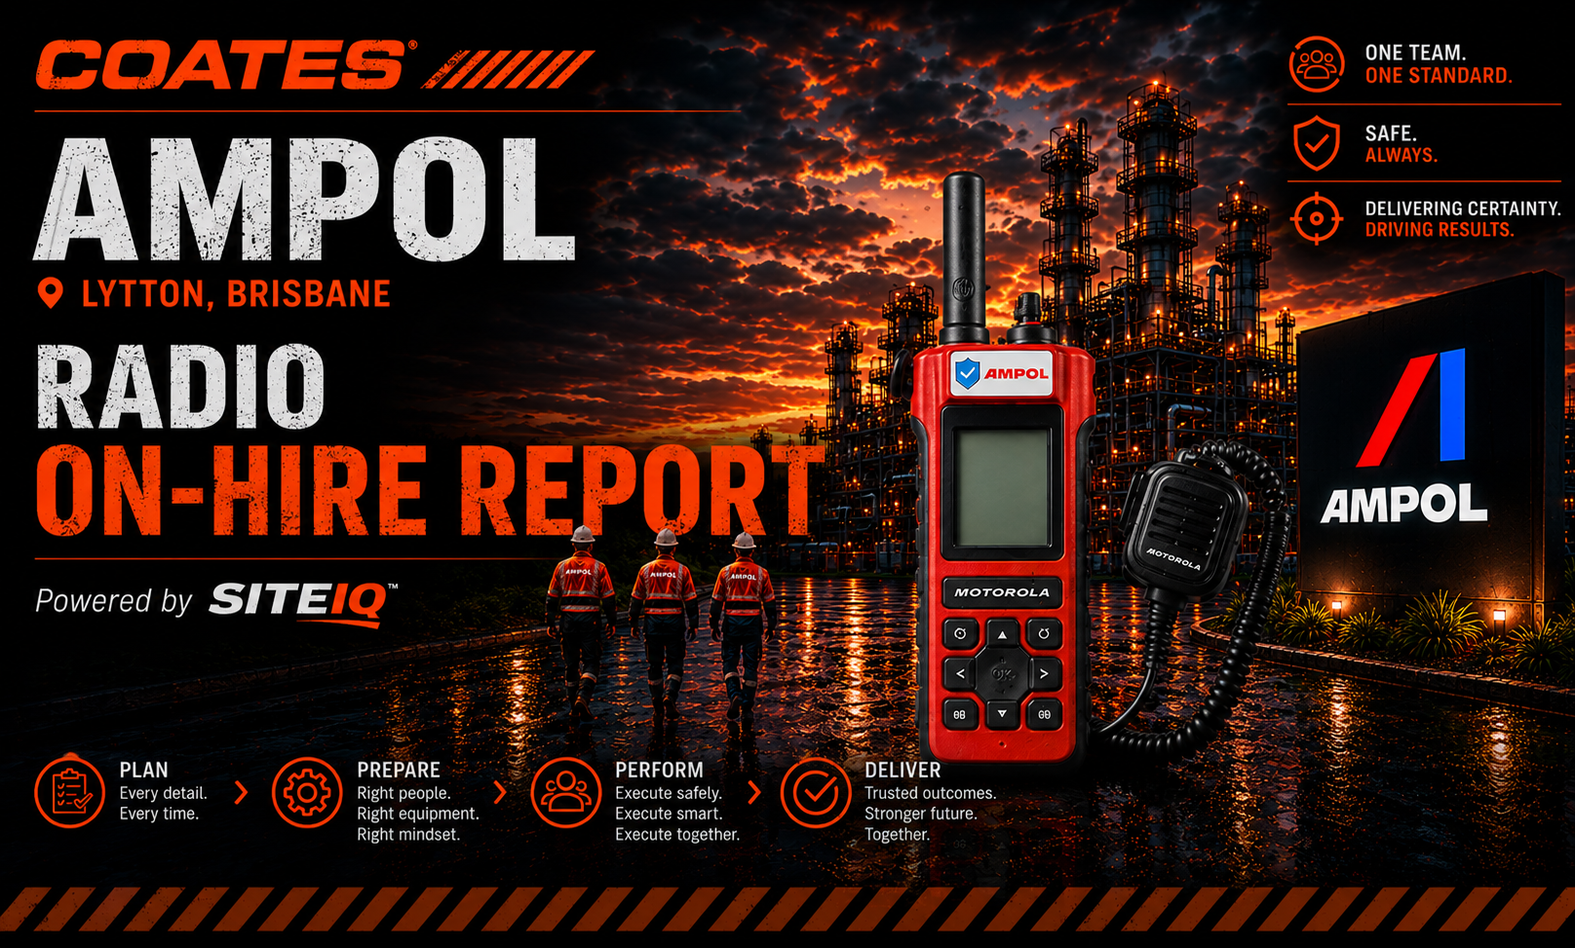

AMPOL SITE RADIOS | ON-HIRE & RECOVERY REPORT
Return it or rescan it: not in use - hand it back, scanned off the report in seconds. Still in use - thirty seconds at the Tool Store resets the record. Units never returned or verified are chargeable at replacement ($2,695/radio, $246/battery) - applied consistently, no charge finalised without review.

SITE RADIOS / SITE RADIO BATTERIES - fleet summaries by company and year.
CURRENT YEAR tabs - full detail, companies A-Z, oldest first (rolls over each January).
PRIOR YEARS tabs - the value story: issued in earlier years, still on hire.
AVAILABLE tabs - ready for issue now. | OUT OF SERVICE - tagged and quarantined.
Refresh: drop a fresh RENTAL_STOCK export in this folder - Data - Refresh All. The workbook finds its own folder.

Life Saving Rule 5 - Tools and Equipment (SEQ-GL-009) | Two scans. Two looks. One standard. | Radios are charge-checked on return - flat means on charge before ready. | POWERED BY SITEIQ | Author: Andrew Fisher

