Boxplot Example
First Quartile: | 86 | Car Speeds Two-lane road (km/h)
Median: | 91.5 | 82
Second Quartile: | 91.5 | 82
Third Quartile: | 94.25 | 82
Interquartile Range: | 8.25 | 82
 |  | 82
Q1 - (1.5*IQR) Boundary: | 73.625 | 83
Q3 + (1.5*IQR) Boundary: | 106.625 | 83
 |  | 83
 |  | 83
 |  | 83
 |  | 83
 |  | 83
 |  | 83
 |  | 83
 |  | 84
 |  | 84
 |  | 84
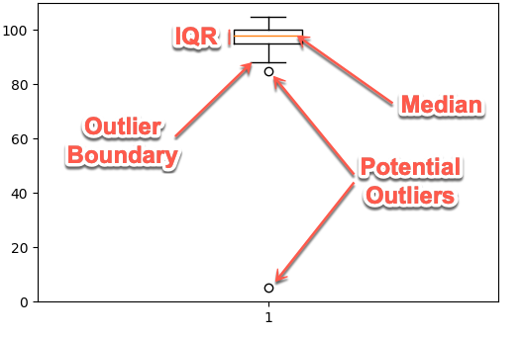
 |  | 84
 |  | 84
 |  | 84
 |  | 84
 |  | 85
 |  | 85
 |  | 85
 |  | 85
 |  | 85
 |  | 85
 |  | 85
 |  | 85
 |  | 85
 |  | 85
 |  | 86
 |  | 86
 |  | 86
 |  | 86
 |  | 86
 |  | 87
 |  | 87
 |  | 87
 |  | 87
 |  | 87
 |  | 87
 |  | 87
 |  | 87
 |  | 87
 |  | 87
 |  | 87
 |  | 88
 |  | 88
 |  | 89
 |  | 89
 |  | 89
 |  | 89
 |  | 89
 |  | 89
 |  | 90
 |  | 90
 |  | 90
 |  | 90
 |  | 91
 |  | 91
 |  | 91
 |  | 91
 |  | 91
 |  | 91
 |  | 91
 |  | 91
 |  | 91
 |  | 91
 |  | 92
 |  | 92
 |  | 92
 |  | 92
 |  | 92
 |  | 92
 |  | 92
 |  | 92
 |  | 92
 |  | 92
 |  | 92
 |  | 92
 |  | 92
 |  | 92
 |  | 92
 |  | 93
 |  | 93
 |  | 93
 |  | 93
 |  | 93
 |  | 93
 |  | 93
 |  | 93
 |  | 93
 |  | 93
 |  | 93
 |  | 93
 |  | 94
 |  | 94
 |  | 94
 |  | 94
 |  | 94
 |  | 94
 |  | 94
 |  | 94
 |  | 95
 |  | 95
 |  | 95
 |  | 95
 |  | 95
 |  | 95
 |  | 95
 |  | 95
 |  | 95
 |  | 95
 |  | 96
 |  | 96
 |  | 96
 |  | 96
 |  | 96
 |  | 97
 |  | 97
 |  | 97
 |  | 97
 |  | 97
 |  | 97
 |  | 97
 |  | 97
 |  | 97
 |  | 98
 |  | 98
 |  | 98
 |  | 98
 |  | 98
 |  | 99
 |  | 99
 |  | 99
 |  | 99
 |  | 99

