Sheet1
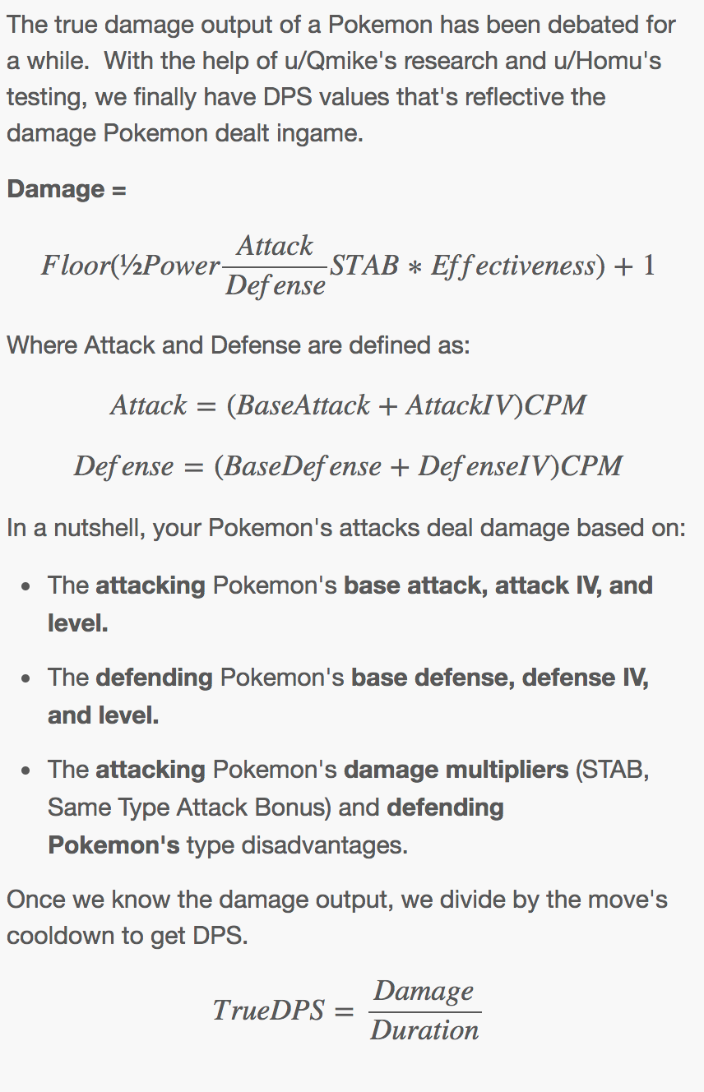
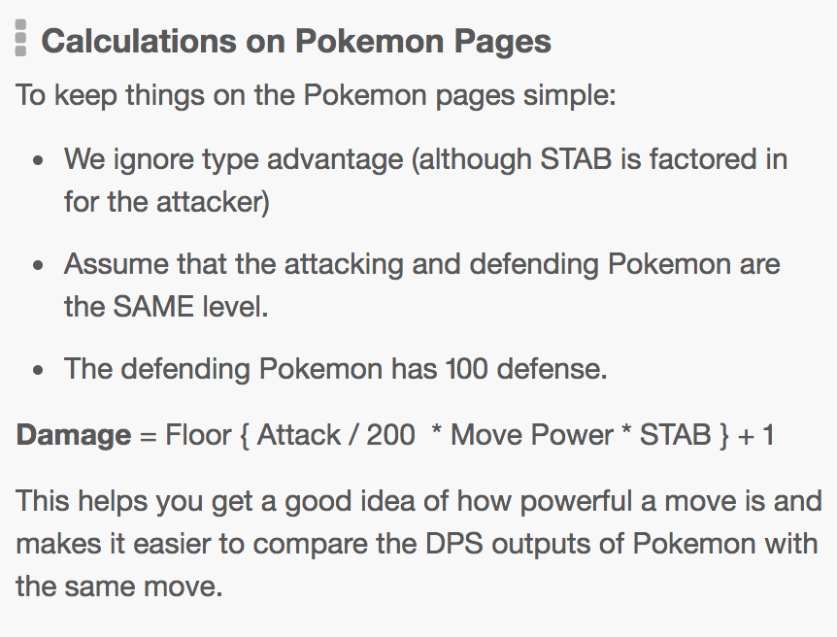
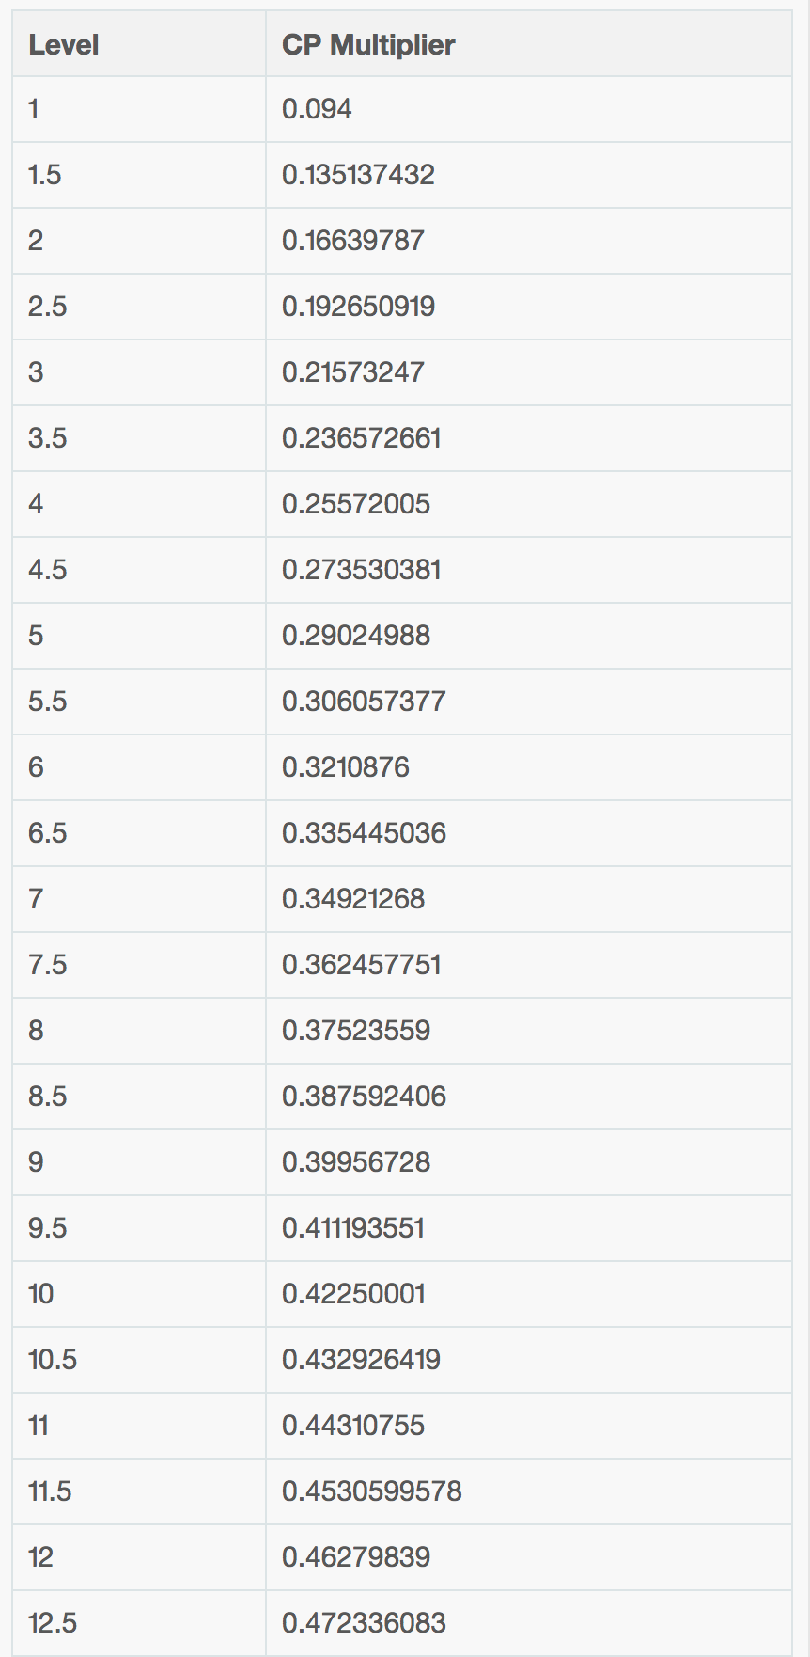
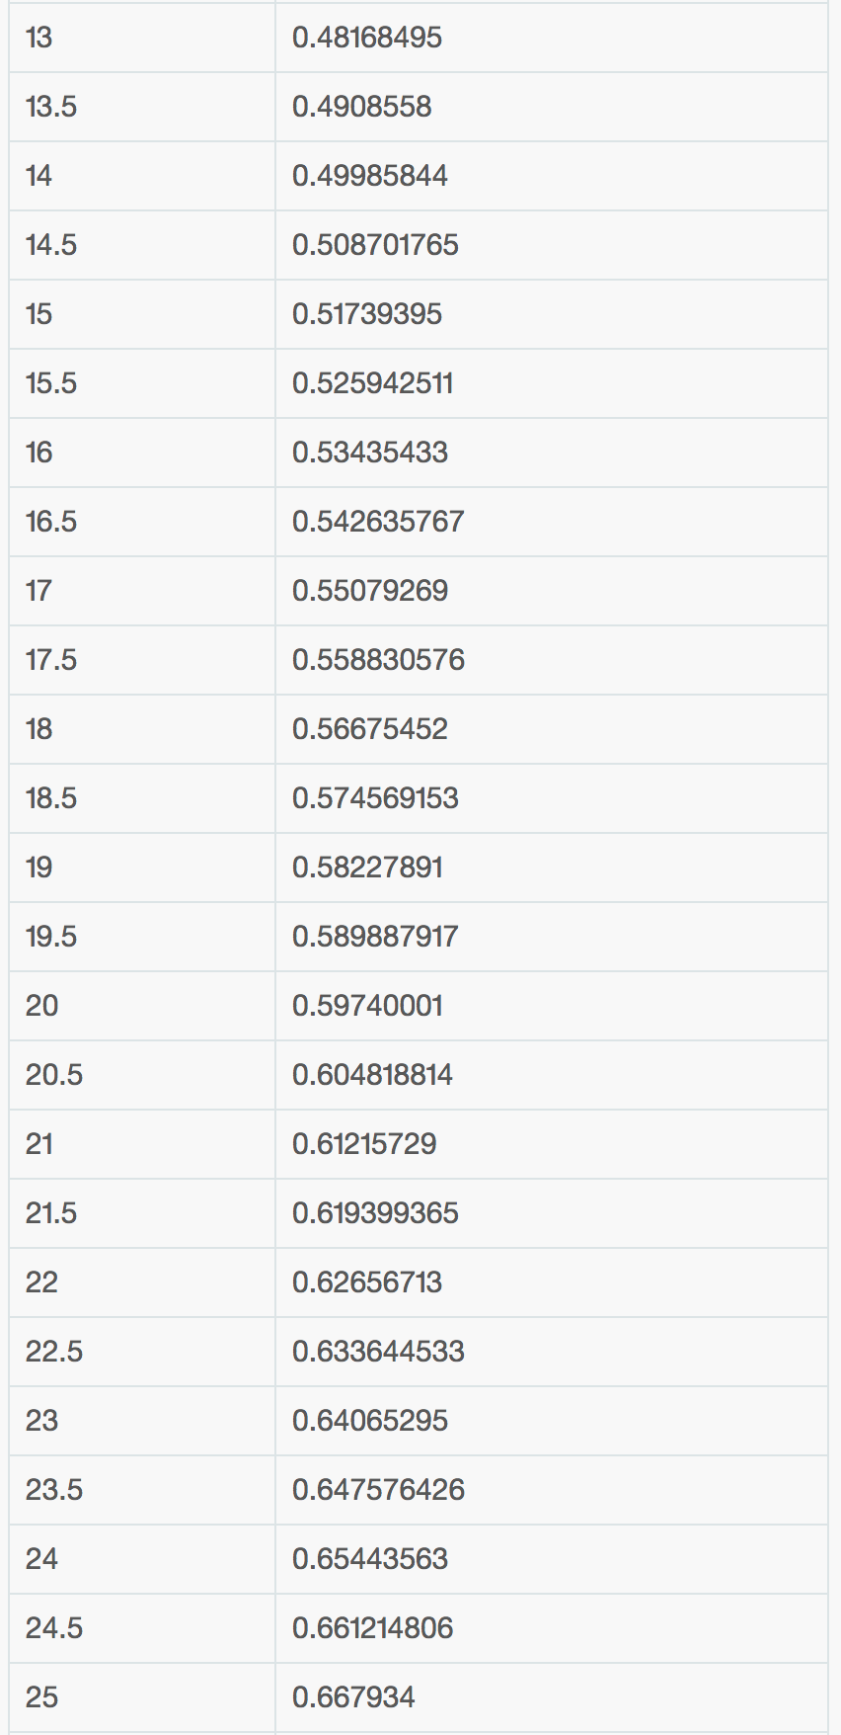
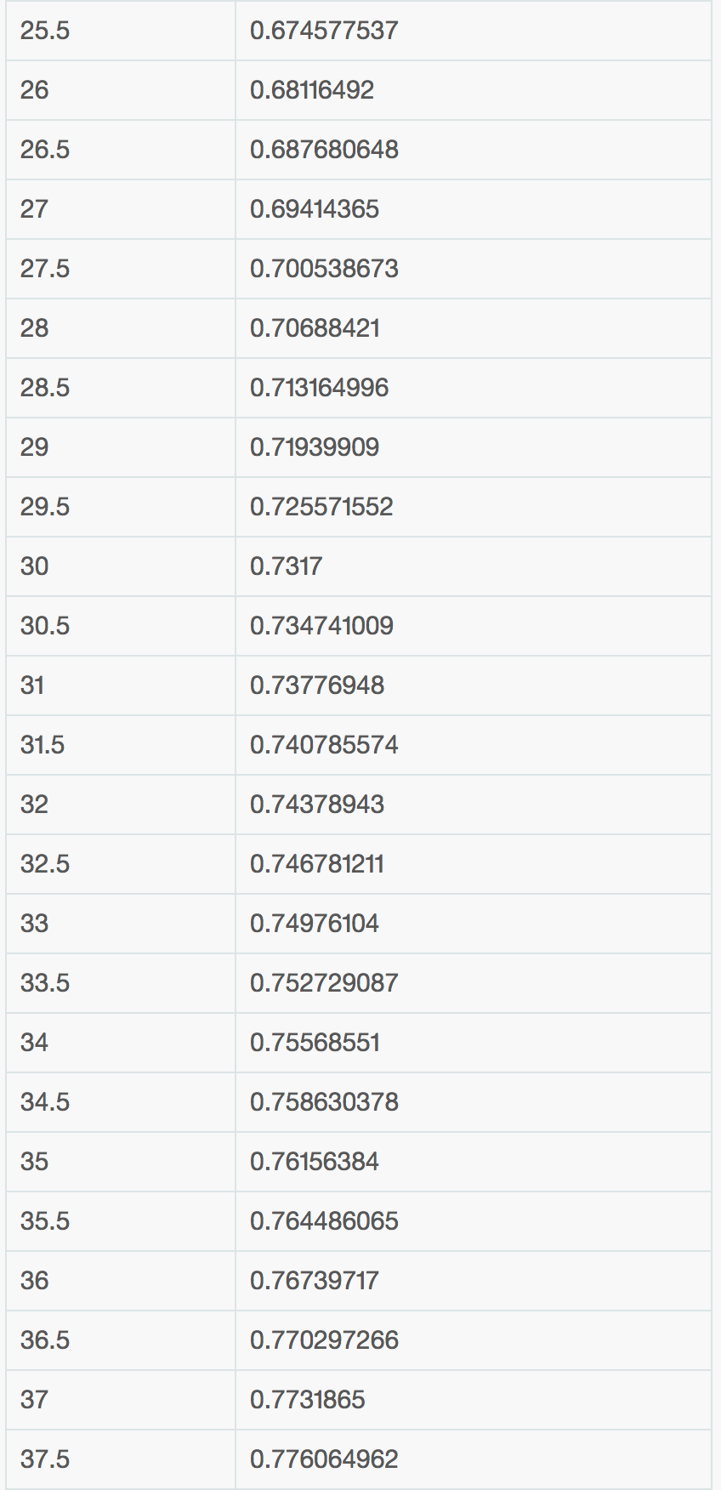
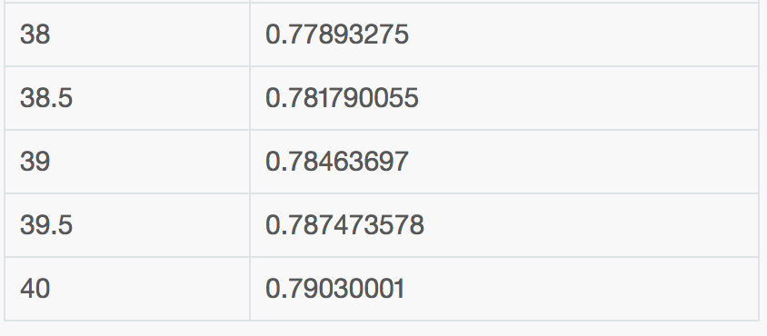
POKEMON | TTAR | TTAR | TTAR | TTAR | TTAR | MEWTWO | MEWTWO | MEWTWO | MEWTWO | MEWTWO | MEWTWO
BASE_ATK | 251 | 251 | 251 | 251 | 251 | 300 | 300 | 300 | 300 | 300 | 300
LEVEL | 39 | 39 | 39 | 39 | 39 | 39 | 39 | 39 | 39 | 39 | 39
IV_ATK | 15 | 15 | 15 | 15 | 15 | 15 | 15 | 15 | 15 | 15 | 15
TYPE 1 | rock | rock | rock | rock | rock | psychic | psychic | psychic | psychic | psychic | psychic
TYPE 2 | dark | dark | dark | dark | dark
CPM | 0.785 | 0.785 | 0.785 | 0.785 | 0.785 | 0.785 | 0.785 | 0.785 | 0.785 | 0.785 | 0.785
EFF_ATK | 208.713 | 208.713 | 208.713 | 208.713 | 208.713 | 247.161 | 247.161 | 247.161 | 247.161 | 247.161 | 247.161

MOVE | CRUNCH | FI_BLAST | ST_EDGE | BITE | IR_TAIL | HY_BEAM | PSYCHIC | SH_BALL | FO_BLAST | CONFUS | PS_CUT
PWR | 70 | 140 | 100 | 6 | 15 | 150 | 100 | 100 | 140 | 20 | 5
DUR | 3.2 | 4.2 | 2.3 | 0.5 | 1.1 | 3.8 | 2.8 | 3 | 3.5 | 1.6 | 0.6
TYPE | dark | fire | rock | dark | steel | normal | psychic | ghost | fighting | psychic | psychic
STAB | 1.2 | 1 | 1.2 | 1.2 | 1 | 1 | 1.2 | 1 | 1 | 1.2 | 1.2
DAM | 88 | 147 | 126 | 8 | 16 | 186 | 149 | 124 | 174 | 30 | 8
DPS | 21.88 | 33.33 | 43.48 | 12.00 | 13.64 | 39.47 | 35.71 | 33.33 | 40.00 | 12.50 | 8.33
TRUE_DPS | 27.50 | 35.00 | 54.78 | 16.00 | 14.55 | 48.95 | 53.21 | 41.33 | 49.71 | 18.75 | 13.33
TRUE_DPS | 35.00 | 44.52 | 69.57 | 20.00 | 18.18 | 62.37 | 67.86 | 52.67 | 63.14 | 23.75 | 16.67
TRUE_DPS | 33.13 | 41.90 | 65.65 | 20.00 | 17.27 | 59.47 | 64.64 | 50.33 | 60.29 | 23.13 | 16.67
SOURCE | https://pokemongo.gamepress.gg/pokemon/248 |  |  |  |  | SOURCE | https://pokemongo.gamepress.gg/pokemon/150

CALCULATION SOURCES:
EFF_ATK | https://pokemongo.gamepress.gg/pokemon-attack-explanation
TRUE_DPS | https://pokemongo.gamepress.gg/pokemon-attack-explanation
CPM | https://pokemongo.gamepress.gg/cp-multiplier

