Sheet1
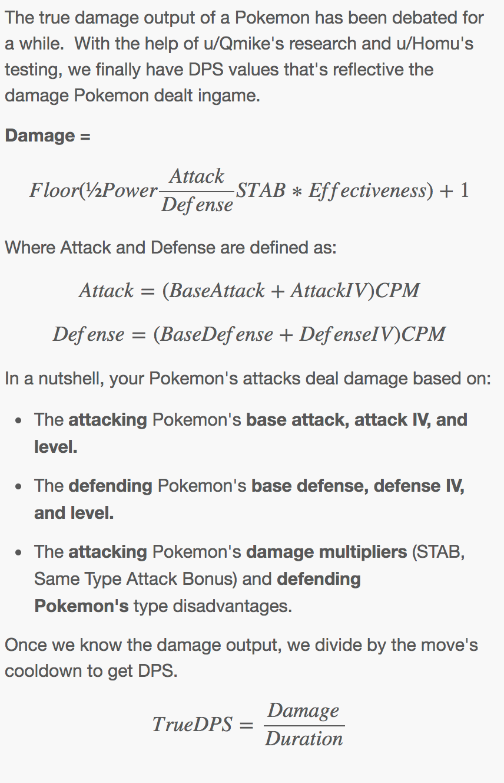
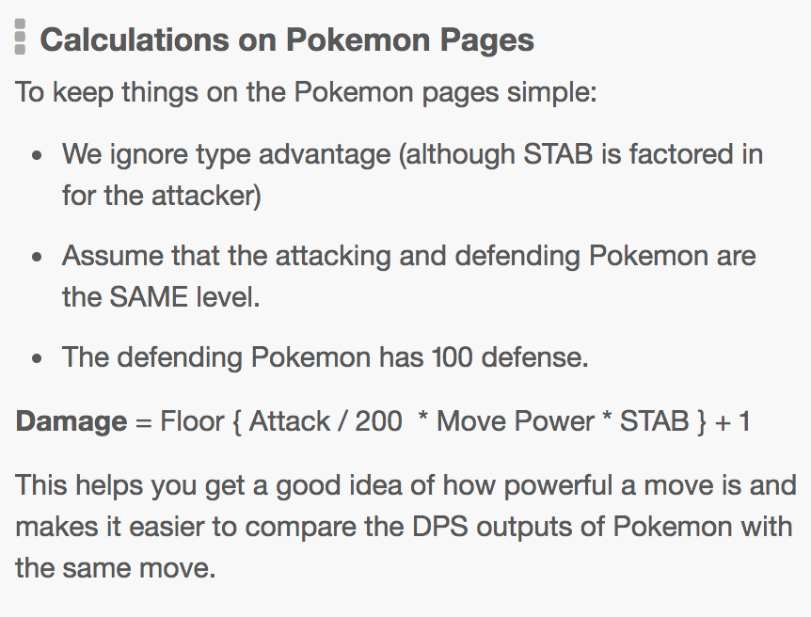
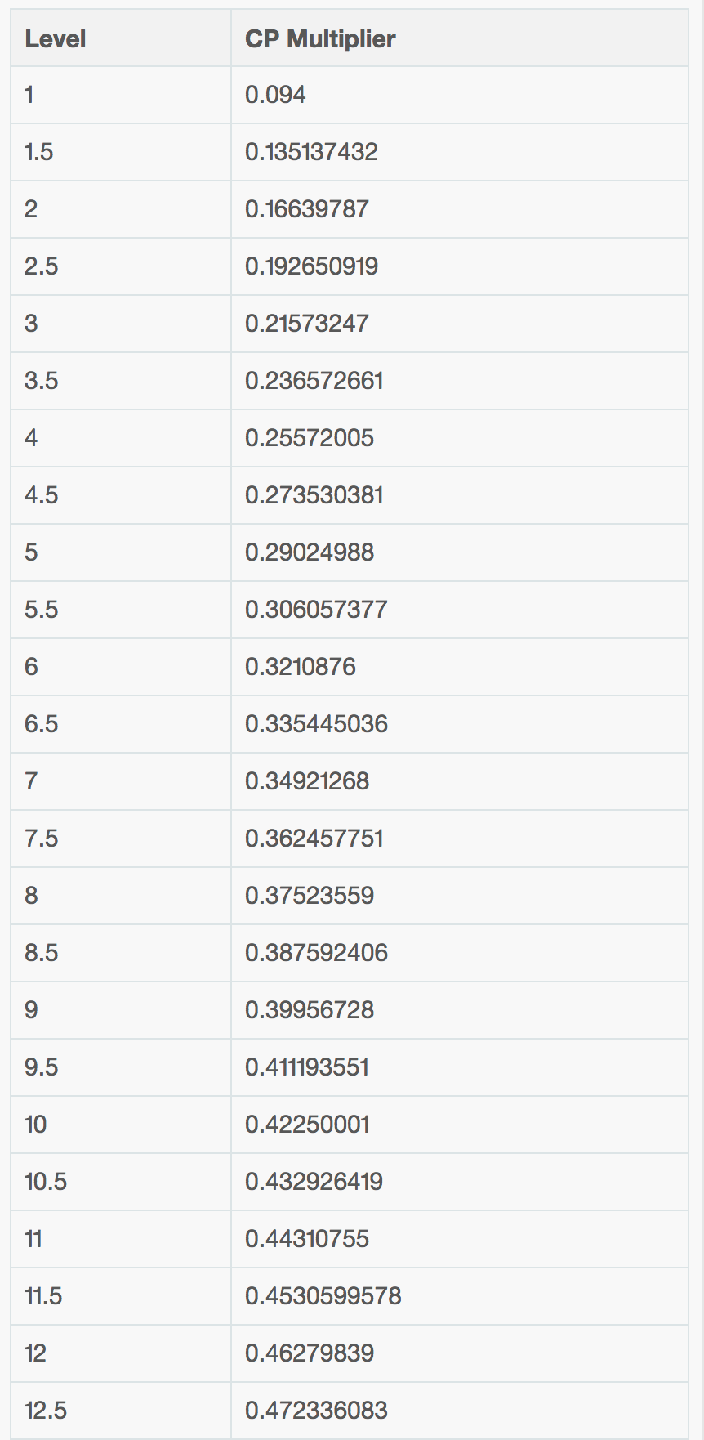
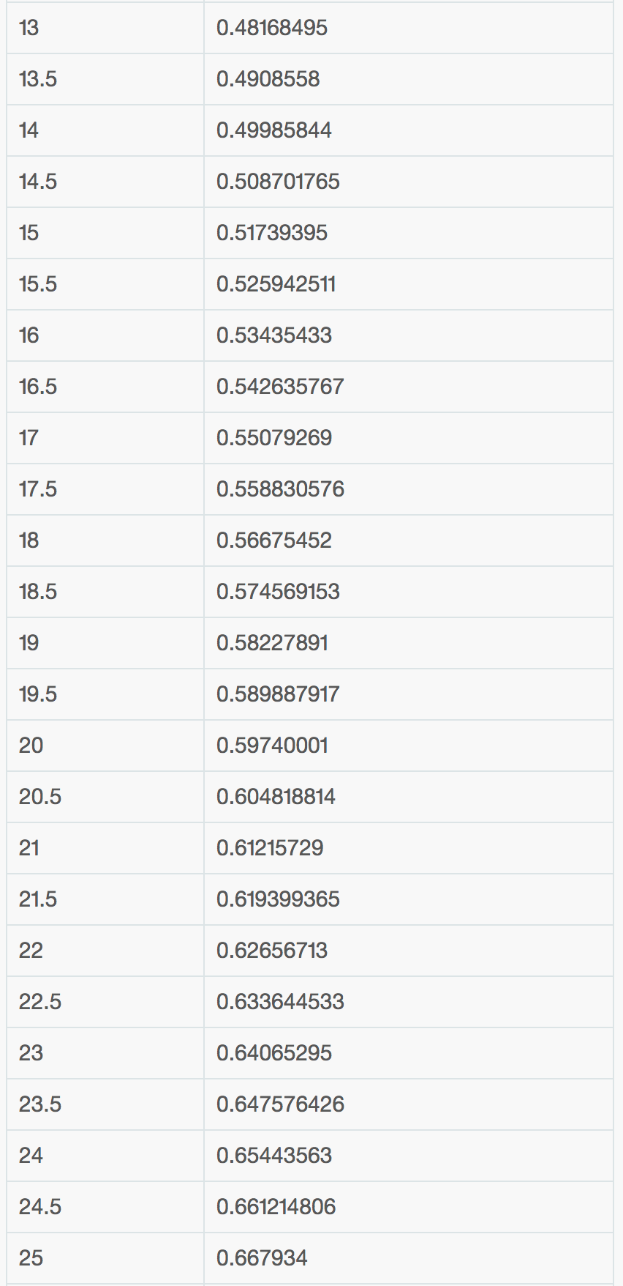
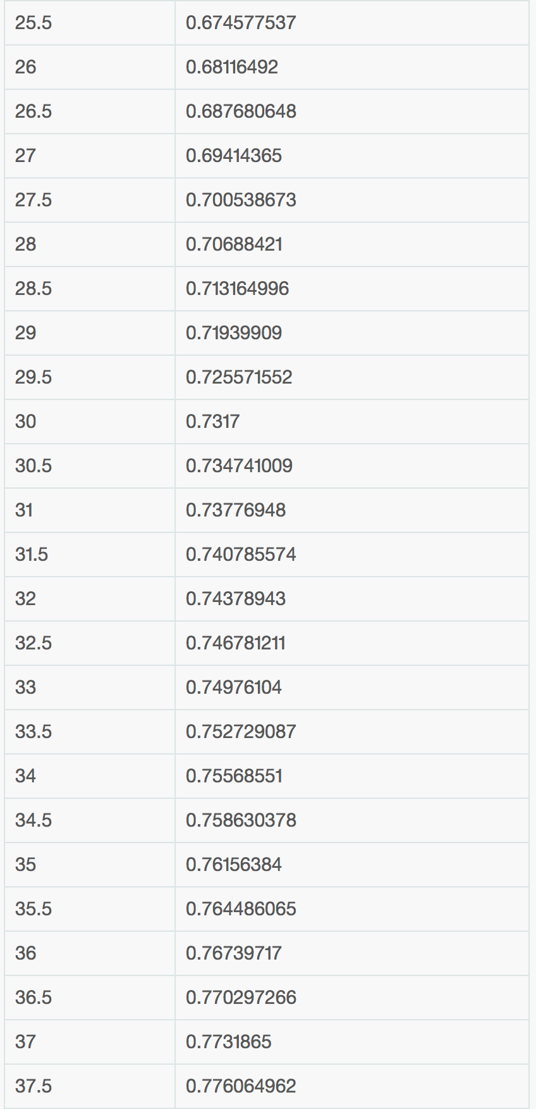
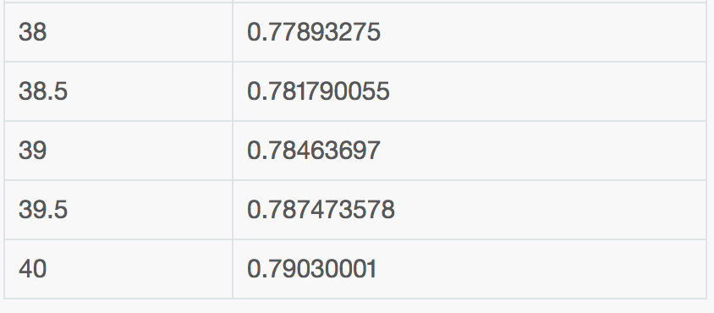
POKEMON | TTAR | TTAR | TTAR | TTAR | TTAR | MEWTWO | MEWTWO | MEWTWO | MEWTWO | MEWTWO | MEWTWO | MACHAMP | MACHAMP | MACHAMP
BASE_ATK | 251 | 251 | 251 | 251 | 251 | 300 | 300 | 300 | 300 | 300 | 300 | 234 | 234 | 234
BASE_DEF | 212 | 212 | 212 | 212 | 212 | 182 | 182 | 182 | 182 | 182 | 182 | 162 | 162 | 162
LEVEL | 39 | 39 | 39 | 39 | 39 | 39 | 39 | 39 | 39 | 39 | 39 | 39 | 39 | 39
IV_ATK | 15 | 15 | 15 | 15 | 15 | 15 | 15 | 15 | 15 | 15 | 15 | 15 | 15 | 15
IV_DEF | 15 | 15 | 15 | 15 | 15 | 15 | 15 | 15 | 15 | 15 | 15 | 15 | 15 | 15
TYPE 1 | rock | rock | rock | rock | rock | psychic | psychic | psychic | psychic | psychic | psychic | fighting | fighting | fighting
TYPE 2 | dark | dark | dark | dark | dark
CPM | 0.785 | 0.785 | 0.785 | 0.785 | 0.785 | 0.785 | 0.785 | 0.785 | 0.785 | 0.785 | 0.785 | 0.785 | 0.785 | 0.785
EFF_ATK | 208.71 | 208.71 | 208.71 | 208.71 | 208.71 | 247.16 | 247.16 | 247.16 | 247.16 | 247.16 | 247.16 | 195.37 | 195.37 | 195.37
EFF_DEF | 178.11 | 178.11 | 178.11 | 178.11 | 178.11 | 154.57 | 154.57 | 154.57 | 154.57 | 154.57 | 154.57 | 138.88 | 138.88 | 138.88

MOVE | CRUNCH | FI_BLAST | ST_EDGE | BITE | IR_TAIL | HY_BEAM | PSYCHIC | SH_BALL | FO_BLAST | CONFUS | PS_CUT | CL_COMB | DY_PUN | COUNTER
PWR | 70 | 140 | 100 | 6 | 15 | 150 | 100 | 100 | 140 | 20 | 5 | 100 | 90 | 12
DUR | 3.2 | 4.2 | 2.3 | 0.5 | 1.1 | 3.8 | 2.8 | 3 | 3.5 | 1.6 | 0.6 | 2.3 | 2.7 | 0.9
TYPE | dark | fire | rock | dark | steel | normal | psychic | ghost | fighting | psychic | psychic | fighting | fighting | fighting
NRG |  |  |  |  |  |  |  |  |  |  |  | 100 | 50 | 8
STAB | 1.2 | 1 | 1.2 | 1.2 | 1 | 1 | 1.2 | 1 | 1 | 1.2 | 1.2 | 1.2 | 1.2 | 1.2
DAM | 88 | 147 | 126 | 8 | 16 | 186 | 149 | 124 | 174 | 30 | 8 | 118 | 106 | 15
DPS | 21.88 | 33.33 | 43.48 | 12.00 | 13.64 | 39.47 | 35.71 | 33.33 | 40.00 | 12.50 | 8.33 | 43.48 | 33.33 | 13.33
TRUE_DPS | 27.50 | 35.00 | 54.78 | 16.00 | 14.55 | 48.95 | 53.21 | 41.33 | 49.71 | 18.75 | 13.33 | 51.30 | 39.26 | 16.67
TRUE_DPS | 35.00 | 44.52 | 69.57 | 20.00 | 18.18 | 62.37 | 67.86 | 52.67 | 63.14 | 23.75 | 16.67 | 65.22 | 50.00 | 20.00
TRUE_DPS | 33.13 | 41.90 | 65.65 | 20.00 | 17.27 | 59.47 | 64.64 | 50.33 | 60.29 | 23.13 | 16.67 | 59.47 | 64.64 | 18.89
SCORE | 32.06 | 40.71 | 63.72 | 87.93 | 83.26 | 55.88 | 60.67 | 47.19 | 56.63 | 106.18 | 70.79 | 56.29 | 43.15 | 17.26

SOURCE | https://pokemongo.gamepress.gg/pokemon/248 |  |  |  |  | SOURCE | https://pokemongo.gamepress.gg/pokemon/150 |  |  |  |  | SOURCE | https://pokemongo.gamepress.gg/pokemon/150

 | MOVE 1 | MOVE 2 | SCORE |  |  | MOVE 1 | MOVE 2 | SCORE |  |  |  | MOVE 1 | MOVE 2 | SCORE
 | BITE | ST_EDGE | 151.64 |  |  | CONFUS | HY_BEAM | 162.07 |  |  |  | COUNTER | CL_COMB | 18.45
 | BITE | CRUNCH | 119.98 |  |  | CONFUS | PSYCHIC | 166.86 |  |  |  | COUNTER | DY_PUN | 36.36
 | BITE | FI_BLAST | 128.63 |  |  | CONFUS | SH_BALL | 153.37
 | IR_TAIL | ST_EDGE | 146.98 |  |  | CONFUS | FO_BLAST | 162.81
 | IR_TAIL | CRUNCH | 115.32 |  |  | PS_CUT | HY_BEAM | 126.67
 | IR_TAIL | FI_BLAST | 123.97 |  |  | PS_CUT | PSYCHIC | 131.46
 |  |  |  |  |  | PS_CUT | SH_BALL | 117.98
CALCULATION SOURCES: |  |  |  |  |  | PS_CUT | FO_BLAST | 127.42
EFF_ATK | https://pokemongo.gamepress.gg/pokemon-attack-explanation
TRUE_DPS | https://pokemongo.gamepress.gg/pokemon-attack-explanation
CPM | https://pokemongo.gamepress.gg/cp-multiplier

