Boxplot Example
First Quartile: | 55 | Car Speeds Two-lane Road (mph)
Median: | 60.5 | 51
Second Quartile: | 60.5 | 51
Third Quartile: | 63.25 | 51
Interquartile Range: | 8.25 | 51
 |  | 51
Q1 - (1.5*IQR) Boundary: | 42.625 | 52
Q3 + (1.5*IQR) Boundary: | 75.625 | 52
 |  | 52
 |  | 52
 |  | 52
 |  | 52
 |  | 52
 |  | 52
 |  | 52
 |  | 53
 |  | 53
 |  | 53
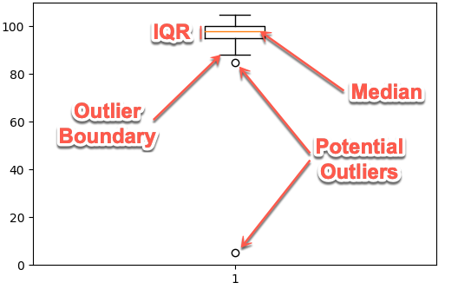
 |  | 53
 |  | 53
 |  | 53
 |  | 53
 |  | 54
 |  | 54
 |  | 54
 |  | 54
 |  | 54
 |  | 54
 |  | 54
 |  | 54
 |  | 54
 |  | 54
 |  | 55
 |  | 55
 |  | 55
 |  | 55
 |  | 55
 |  | 56
 |  | 56
 |  | 56
 |  | 56
 |  | 56
 |  | 56
 |  | 56
 |  | 56
 |  | 56
 |  | 56
 |  | 56
 |  | 57
 |  | 57
 |  | 58
 |  | 58
 |  | 58
 |  | 58
 |  | 58
 |  | 58
 |  | 59
 |  | 59
 |  | 59
 |  | 59
 |  | 60
 |  | 60
 |  | 60
 |  | 60
 |  | 60
 |  | 60
 |  | 60
 |  | 60
 |  | 60
 |  | 60
 |  | 61
 |  | 61
 |  | 61
 |  | 61
 |  | 61
 |  | 61
 |  | 61
 |  | 61
 |  | 61
 |  | 61
 |  | 61
 |  | 61
 |  | 61
 |  | 61
 |  | 61
 |  | 62
 |  | 62
 |  | 62
 |  | 62
 |  | 62
 |  | 62
 |  | 62
 |  | 62
 |  | 62
 |  | 62
 |  | 62
 |  | 62
 |  | 63
 |  | 63
 |  | 63
 |  | 63
 |  | 63
 |  | 63
 |  | 63
 |  | 63
 |  | 64
 |  | 64
 |  | 64
 |  | 64
 |  | 64
 |  | 64
 |  | 64
 |  | 64
 |  | 64
 |  | 64
 |  | 65
 |  | 65
 |  | 65
 |  | 65
 |  | 65
 |  | 66
 |  | 66
 |  | 66
 |  | 66
 |  | 66
 |  | 66
 |  | 66
 |  | 66
 |  | 66
 |  | 67
 |  | 67
 |  | 67
 |  | 67
 |  | 67
 |  | 68
 |  | 68
 |  | 68
 |  | 68
 |  | 68

