gen-input-methane
Reference for NG distribution (as NG can be distributed among clusters and there is network it is assumed that SMRs can be installed at any location with optimisation left to PyPSA):
https://mip-prd-web.azurewebsites.net/
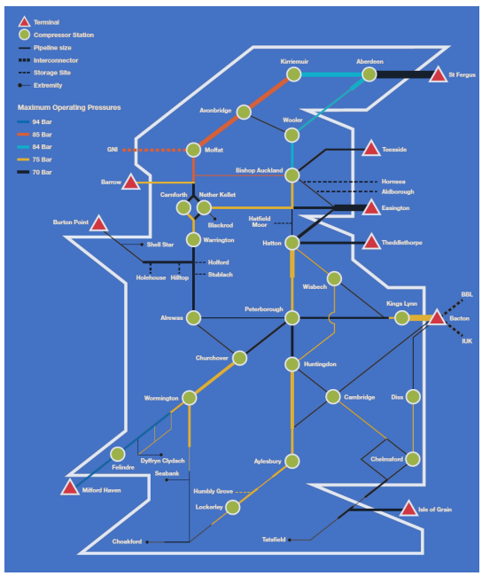
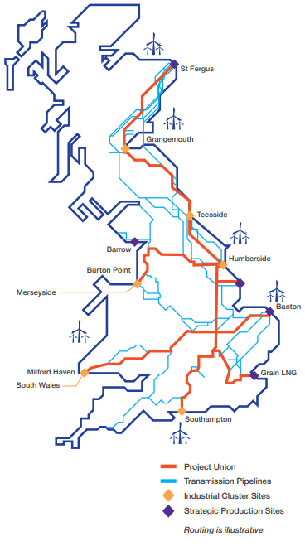
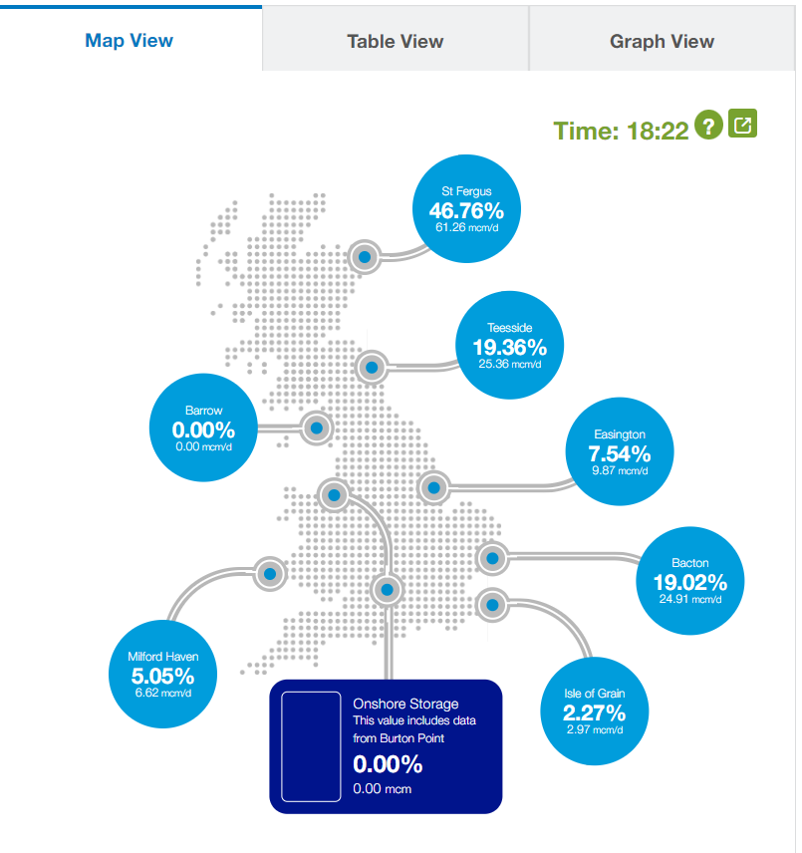

LDZ | Share per cluster | Cluster | % Capacity
SC1 | 1 | St Fergus | 14.3%
SC2 | 1 | Grangemouth | 14.3%
NO | 1 | Teesside | 14.3%
NE | 1 | Humberside | 14.3%
EM | 1 | Theddlethorpe | 14.3%
NW | 1 | Merseyside | 14.3%
WM |  | Barrow | 0.0%
EA | 1 | Bacton | 14.3%
NT |  | Grain LNG | 0.0%
SE
SO |  | Southampton | 0.0%
WN |  | South Wales | 0.0%
WS
SW

Total: | 7 |  | 100%

gen-input-biomass
Reference for Biomass gasification is taken from assumption of location in South of Englad (lowest renewable energy potential):
https://ukerc.rl.ac.uk/ETI/PUBLICATIONS/Targeting-new-and-cleaner-uses-for-wastes-and-biomass-using-gasification.pdf

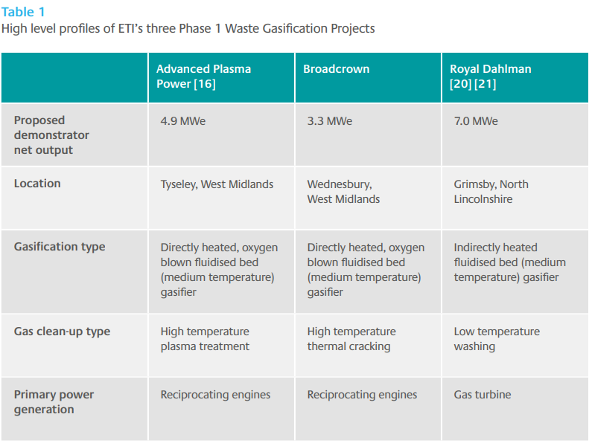

LDZ | Share per cluster | Cluster | % Capacity
SC1 |  | St Fergus | 0.0%
SC2 |  | Grangemouth | 0.0%
NO |  | Teesside | 0.0%
NE |  | Humberside | 0.0%
EM | 1 | Theddlethorpe | 20.0%
NW |  | Merseyside | 0.0%
WM |  | Barrow | 0.0%
EA | 1 | Bacton | 20.0%
NT | 1 | Grain LNG | 20.0%
SE
SO | 1 | Southampton | 20.0%
WN | 1 | South Wales | 20.0%
WS
SW

Total: | 5 |  | 100%
 |  |  |  | Note:

gen-input-nuclear
Reference for current and planned Nuclear Power Plants:
https://www.world-nuclear.org/information-library/country-profiles/countries-t-z/united-kingdom.aspx

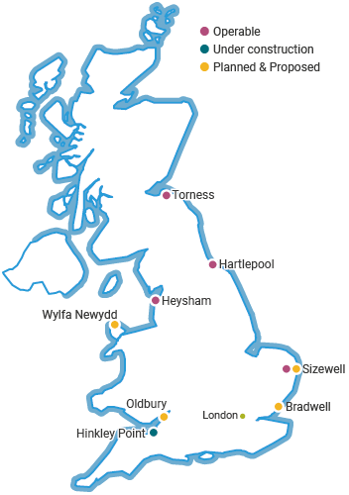

LDZ | Total per LDZ, % | Cluster | % Capacity
SC |  | St Fergus | 0%
 |  | Grangemouth | 0%
NO |  | Teesside | 0%
NE |  | Humberside | 0%
EM |  | Theddlethorpe | 0%
NW | 25% | Merseyside | 25%
WM |  | Barrow | 0%
EA | 25% | Bacton | 25%
NT | 25% | Grain LNG | 25%
SE
SO |  | Southampton | 0%
WN | 25% | South Wales | 25%
WS
SW

Total: | 100% |  | 100%
 |  |  |  |  | Note:

No. | Future Nuclear Plant | Electrol. (2050) | % | Cluster
1 | Wylfa Newydd | 1 | 25.00% | Merseyside
2 | Sizewell | 1 | 25.00% | Bacton
3 | Bradwell | 1 | 25.00% | Grain LNG
4 | Odlbury (Hinkley Point) | 1 | 25.00% | South Wales
5 |  |  | 0.00%
6 |  |  | 0.00%
7 |  |  | 0.00%
8 |  |  | 0.00%
9 |  |  | 0.00%
10 |  |  | 0.00%
11 |  |  | 0.00%
12 |  |  | 0.00%
13 |  |  | 0.00%
 | total: | 4 | 100%

gen-input-non-netw
Reference for NG distribution (as NG can be distributed among clusters and there is network it is assumed that SMRs can be installed at any location with optimisation left to PyPSA):
https://mip-prd-web.azurewebsites.net/

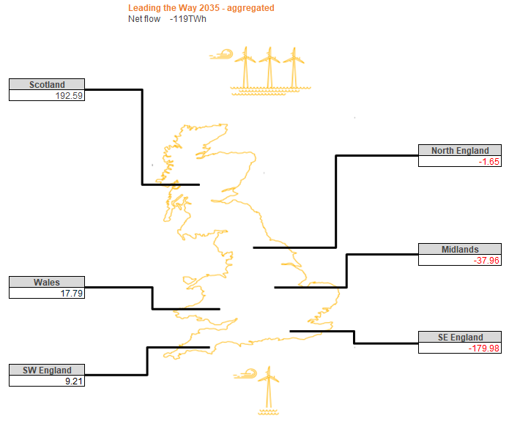

LDZ | Share per cluster | Cluster | % Capacity
SC1 | 1 | St Fergus | 33.3%
SC2 | 1 | Grangemouth | 33.3%
NO |  | Teesside | 0.0%
NE |  | Humberside | 0.0%
EM |  | Theddlethorpe | 0.0%
NW | 1 | Merseyside | 33.3%
WM |  | Barrow | 0.0%
EA |  | Bacton | 0.0%
NT |  | Grain LNG | 0.0%
SE
SO |  | Southampton | 0.0%
WN |  | South Wales | 0.0%
WS
SW

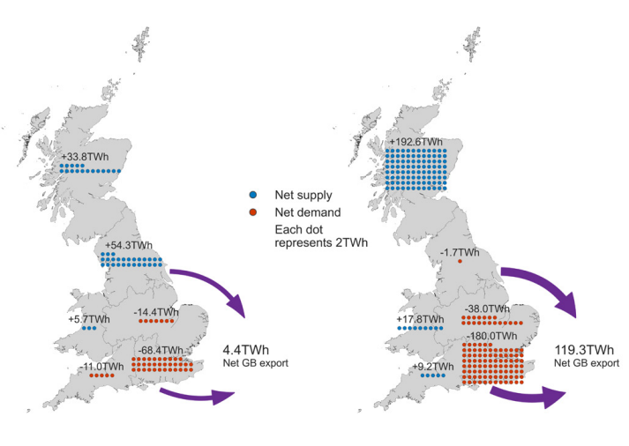
Locations of electricity generation output and demand in ‘Leading the Way’ in 2022 and 2035
Source: National Grid - FES 2023
Total: | 3 |  | 100%
 |  |  |  |  | Note:

No. | Future Nuclear Plant | Electrol. (2050) | % | Cluster
1 |  |  | #DIV/0!
2 |  |  | #DIV/0!
3 |  |  | #DIV/0!
4 |  |  | #DIV/0!
5 |  |  | #DIV/0!
6 |  |  | #DIV/0!
7 |  |  | #DIV/0!
8 |  |  | #DIV/0!
9 |  |  | #DIV/0!
10 |  |  | #DIV/0!
11 |  |  | #DIV/0!
12 |  |  | #DIV/0!
13 |  |  | #DIV/0!
 | total: | 0 | #DIV/0!

gen-input-imports
Reference for imports is taken from:
FES-2023, Project Union-2022

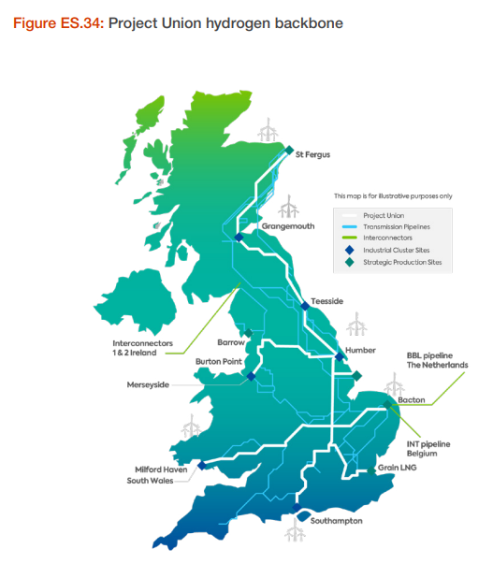
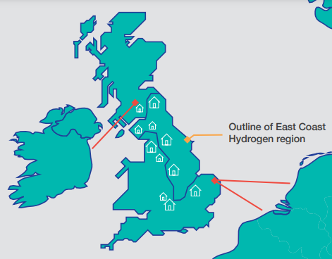

LDZ | Share per cluster | Cluster | % Capacity
SC1 |  | St Fergus | 0.0%
SC2 | 1 | Grangemouth | 50.0%
NO |  | Teesside | 0.0%
NE |  | Humberside | 0.0%
EM |  | Theddlethorpe | 0.0%
NW |  | Merseyside | 0.0%
WM |  | Barrow | 0.0%
EA | 1 | Bacton | 50.0%
NT |  | Grain LNG | 0.0%
SE
SO |  | Southampton | 0.0%
WN |  | South Wales | 0.0%
WS
SW

Total: | 2 |  | 100%
 |  |  |  | Note:

loads-input-industrial
Reference for Total Energy Consumption by Industries from NTS area in TWh/year:
https://mip-prd-web.azurewebsites.net/DataItemExplorer

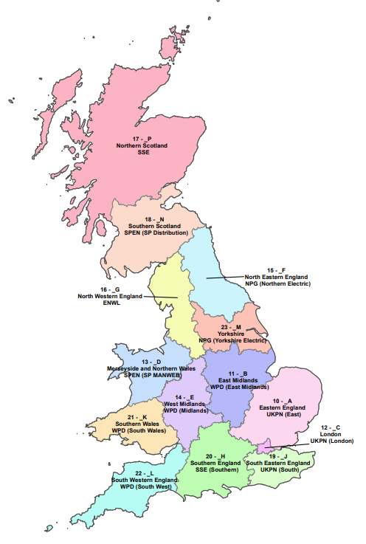

LDZ | Total per LDZ, % | Cluster | % Capacity
SC1 | 0.55% | St Fergus | 0.55%
SC2 | 17.49% | Grangemouth | 17.49%
NO | 10.04% | Teesside | 10.04%
NE | 61.86% | Humberside | 61.87%
EM |  | Theddlethorpe | 0.00%
NW | 9.77% | Merseyside | 10.01%
WM | 0.24% | Barrow | -
EA |  | Bacton | 0.00%
NT |  | Grain LNG | 0.00%
SE
SO |  | Southampton | 0.00%
WN | 0.04% | South Wales | 0.04%
WS
SW

Total: | 100% |  | 100%
 |  |  |  |  | Note: This approach has a limitation as NG Consumption by Industries prior entering NTS is not available. Subject for further study.

No. | Industrial Offtaker | Wh/year (2022) | % | LDZ
1 | ApachePSBlackstart | 5180 | 0.00%
2 | BarrowPSBlackstart | 52538986 | 0.24% | WM
3 | BASS | 0 | 0.00%
4 | BlackburnM | 84329161 | 0.39% | NW
5 | BOCTees | 747726807 | 3.43% | NO
6 | BPGrngmouth | 3811211962 | 17.49% | SC2
7 | BPSaltendHP | 1350936130 | 6.20% | NE
8 | BrdgewaterP | 4220587 | 0.02% | SW
9 | Brent PS Balckstart | 945185 | 0.00%
10 | Centrax | 4406731 | 0.02% | SW
11 | Fordoun | 120914431 | 0.55% | SC1
12 | GooleGlass | 363512458 | 1.67% | NE
13 | HaysChem | 0 | 0.00%
14 | ICIBillnghm | 1439809702 | 6.61% | NO
15 | ICIRuncorn | 107932944 | 0.50% | NW
16 | Immingham | 11765341161 | 54.00% | NE
17 | KeadbyB PS Blackstart | 126452 | 0.00%
18 | PhilipsTees | 0 | 0.00%
19 | Rough Backstart | 1114 | 0.00%
20 | ShellBackhaul | 0 | 0.00%
21 | ShellStar | 0 | 0.00%
22 | Winnington | 1935619825 | 8.88% | NW
 | total: | 21789578816 | 100%

 |  | check: | 100% | OK

loads-input-residential
Reference for Total Energy Consumption by LDZ area in TWh/year:
https://mip-prd-web.azurewebsites.net/DataItemExplorer

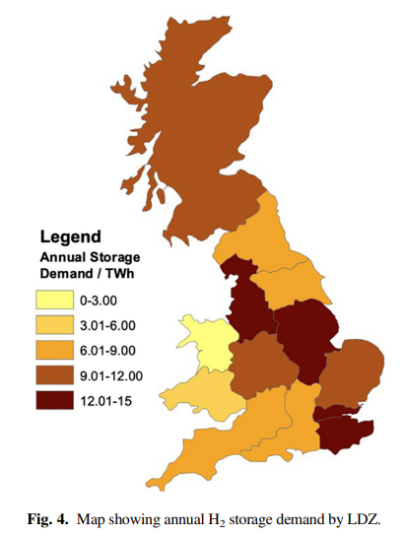
LDZ | Total per LDZ | Cluster | % Capacity |  | https://doi.org/10.6084/m9.figshare.c.6150395
SC | 7.82439 | St Fergus | 3% | 30%
 |  | Grangemouth | 7% | 70%
NO | 6.71552 | Teesside | 8%
NE | 6.92677 | Humberside | 9%
EM | 9.18737 | Theddlethorpe | 12%
NW | 12.63267 | Merseyside | 21%
WM | 4.24096 | Barrow | -
EA | 5.50966 | Bacton | 7%
NT | 2.14858 | Grain LNG | 14%
SE | 8.64830
SO | 5.90984 | Southampton | 7%
WN | 1.40162 | South Wales | 12%
WS | 5.20229
SW | 2.75379

Total: | 79.101749942 |  | 100%

 |  |  |  |  | Note: The % split makes sense as similar to above paper.

loads-input-shipping
Reference for Top 10 UK Major Ports: |  | https://www.gov.uk/government/statistical-data-sets/port-and-domestic-waterborne-freight-statistics-port
https://assets.publishing.service.gov.uk/government/uploads/system/uploads/attachment_data/file/816017/potential_demands_on_UK_energy_system_from_port_shipping_notification.pdf

 | devided equally between 5 x clusters: assumed potential location of synthetic fuel production
LDZ | LZD Included | Cluster | % Capacity
SC | 1 | St Fergus | 20.00%
 | 1 | Grangemouth | 20.00%
NO | 1 | Teesside | 20.00%
NE | 1 | Humberside | 20.00%
EM |  | Theddlethorpe | 0.00%
NW |  | Merseyside | 0.00%
WM |  | Barrow | -
EA | 1 | Bacton | 20.00%
NT |  | Grain LNG | 0.00%
SE
SO |  | Southampton | 0.00%
WN |  | South Wales | 0.00%
WS
SW

Total: | 5.00 |  | 100%
 |  |  |  |  | Note: As per BEIS and Ricardo Energy & Environment that it is not meaningful to allocate energy consumption locally or regionally for some consumers (including aviation and shipping)

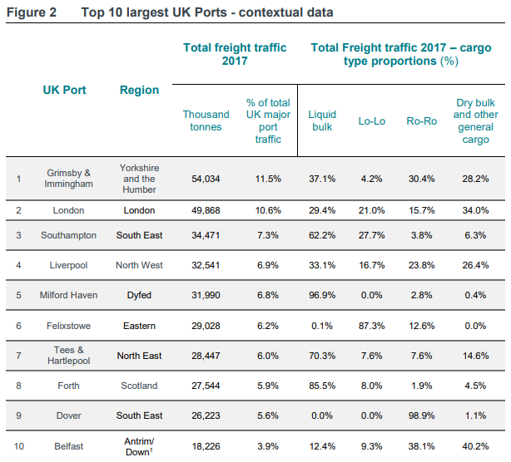
This assumption was ignored
No. | Top 10 UK Major Ports | % of total UK Traffic | % | LDZ |  | https://assets.publishing.service.gov.uk/government/uploads/system/uploads/attachment_data/file/816017/potential_demands_on_UK_energy_system_from_port_shipping_notification.pdf
1 | Yorkshire and the Humber | 11.5 | 17.22% | NE
2 | London | 10.6 | 15.87% | NT
3 | South East | 7.3 | 10.93% | SE
4 | North West | 6.9 | 10.33% | NW
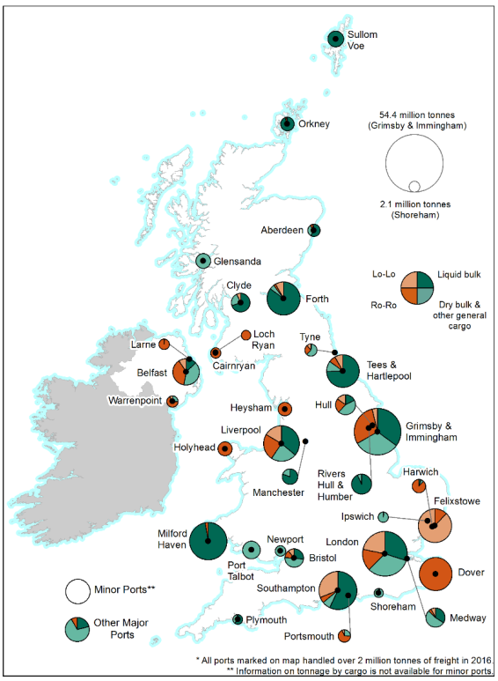
5 | Milford Haven | 6.8 | 10.18% | WS
6 | Eastern | 6.2 | 9.28% | EA
7 | North East (Tees) | 6.0 | 8.98% | NO
8 | Scotland | 5.9 | 8.83% | SC2
9 | South East | 5.6 | 8.38% | SE
10 | Northern Ireland |  | 0.00% |  | - Only GB is included, energy transport to Northern Ireland to be defined at later stage.
 | total: | 67 | 100%

loads-input-aviation
Reference for Top 10 UK Major Airports:
https://researchbriefings.files.parliament.uk/documents/SN00323/SN00323.pdf

 | devided equally between 5 x clusters: assumed potential location of synthetic fuel production
LDZ | LZD Included | Cluster | % Capacity
SC1 | 1 | St Fergus | 20.00%
SC2 | 1 | Grangemouth | 20.00%
NO | 1 | Teesside | 20.00%
NE | 1 | Humberside | 20.00%
EM |  | Theddlethorpe | 0.00%
NW |  | Merseyside | 0.00%
WM |  | Barrow | -
EA | 1 | Bacton | 20.00%
NT |  | Grain LNG | 0.00%
SE
SO |  | Southampton | 0.00%
WN |  | South Wales | 0.00%
WS
SW

Total: | 5.00 |  | 100%
 |  |  |  |  | Note: As per BEIS and Ricardo Energy & Environment that it is not meaningful to allocate energy consumption locally or regionally for some consumers (including aviation and shipping)
 |  |  |  |  |  | H2 consumption in aviation is the same for all 3 x Scenarios.
This assumption was ignored
No. | Top 10 UK Major Airports | % of total UK Traffic | % | LDZ |  | https://assets.publishing.service.gov.uk/government/uploads/system/uploads/attachment_data/file/816017/potential_demands_on_UK_energy_system_from_port_shipping_notification.pdf
1 | Heathrow | 80,222,807 | 32.75% | NT
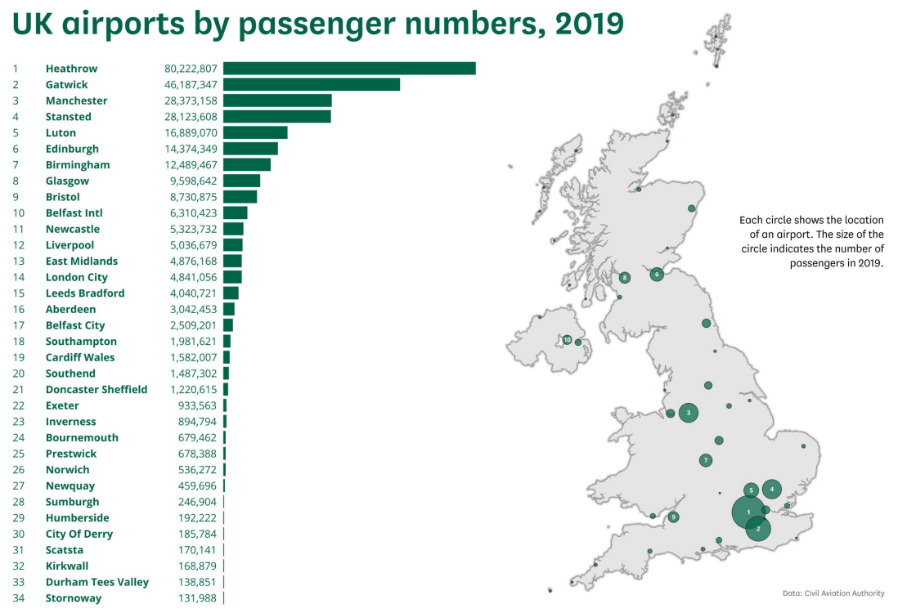
2 | Gatwick | 46,187,343 | 18.85% | NT
3 | Manchester | 28,373,158 | 11.58% | NW
4 | Stansted | 28,123,608 | 11.48% | EA
5 | Luton | 16,889,070 | 6.89% | EA
6 | Edinburgh | 14,374,349 | 5.87% | SC2
7 | Birmingham | 12,489,467 | 5.10% | WM
8 | Glasgow | 9,598,642 | 3.92% | SC2
9 | Bristol | 8,730,875 | 3.56% | SW
10 | Belfast Intl |  | 0.00% |  | - Only GB is included, energy transport to Northern Ireland to be defined at later stage.
 | total: | 244,989,319 | 100%

loads-input-exports
Reference for potential H2 pipeline export ports:
https://www.nationalgas.com/document/139641/download
 |  |  |  |  |  | Project Union
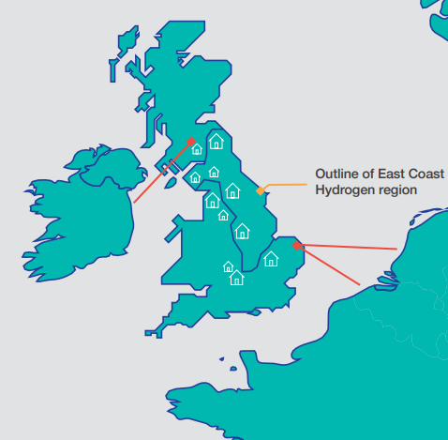

LDZ | LZD Included | Cluster | % Capacity
SC1 |  | St Fergus | 0.00%
SC2 | 1 | Grangemouth | 50.00%
NO |  | Teesside | 0.00%
NE |  | Humberside | 0.00%
EM |  | Theddlethorpe | 0.00%
NW |  | Merseyside | 0.00%
WM |  | Barrow | -
EA | 1 | Bacton | 50.00%
NT |  | Grain LNG | 0.00%
SE
SO |  | Southampton | 0.00%
WN |  | South Wales | 0.00%
WS
SW

Total: | 2.00 |  | 100%
 |  |  |  | Note: The potential points are identified by other project. This is still subject to confirmation.
 |  |  |  |  | At the moment the capacity was split equally between potential export points.

area-codes
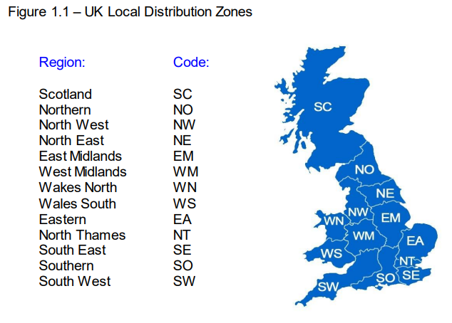
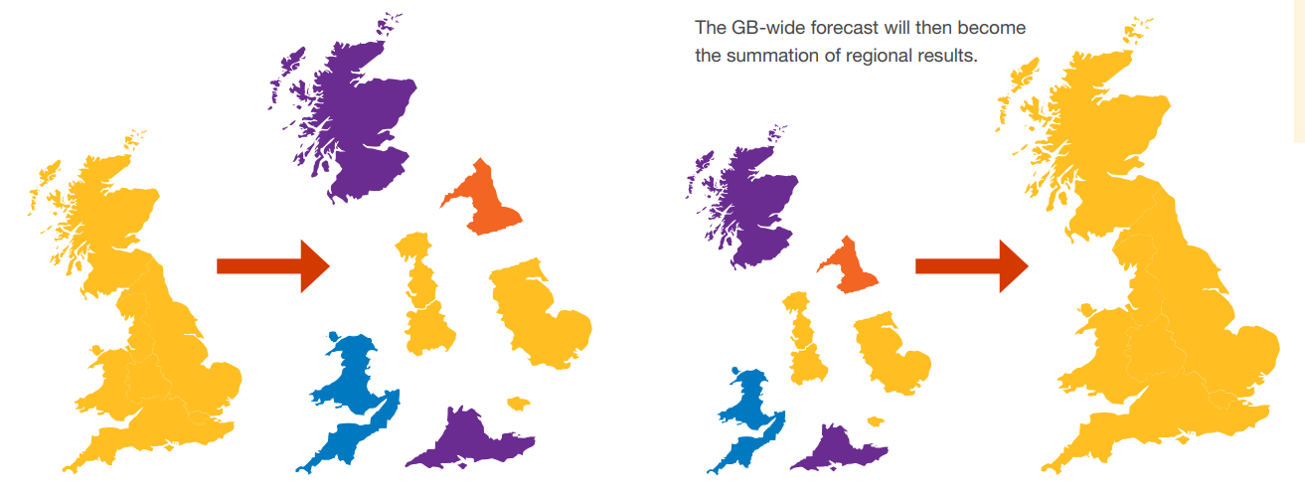
Reference for National Gas Local Distribution Zones (LDZ):
https://www.nationalgas.com/document/132516/download

Reference for Electricity Network Distribution Areas (Map):
https://www.ofgem.gov.uk/sites/default/files/docs/2012/03/electricity_distribution_annual_report_for_2010_11.pdf

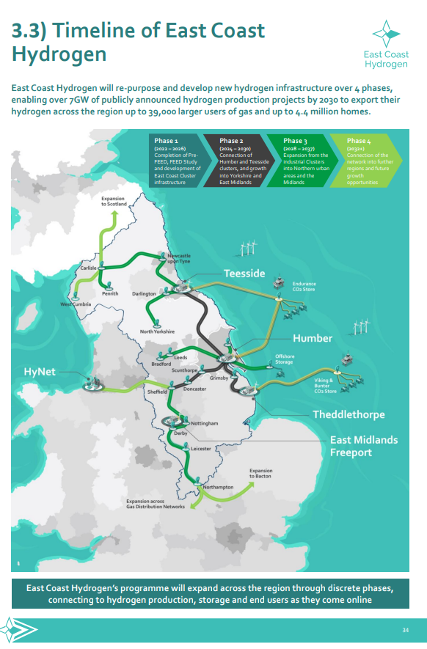
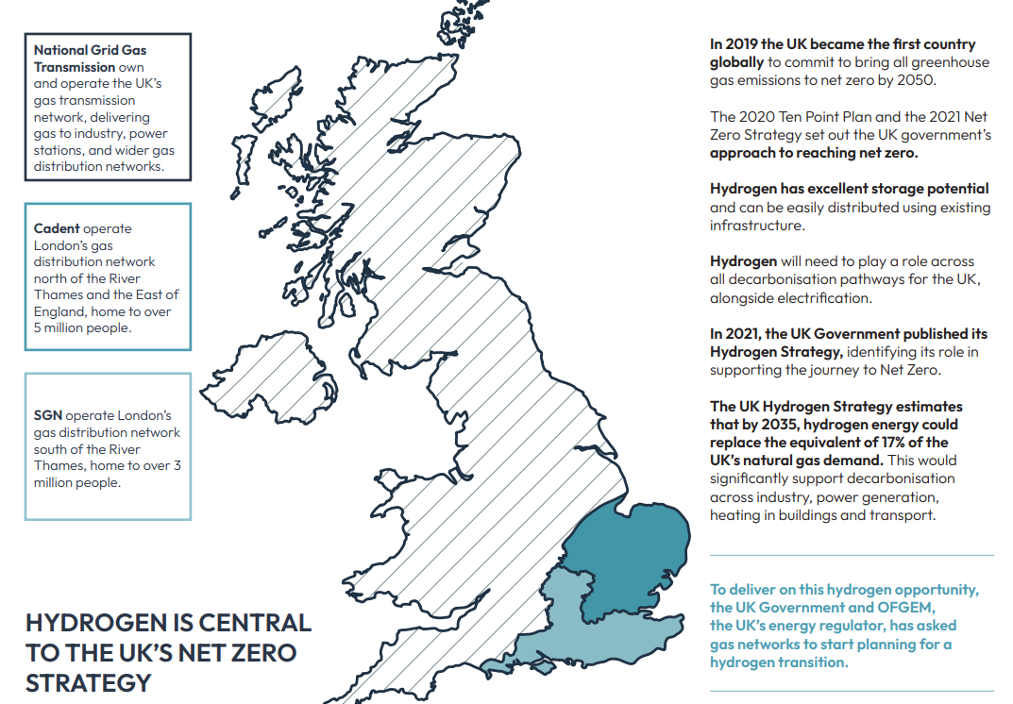
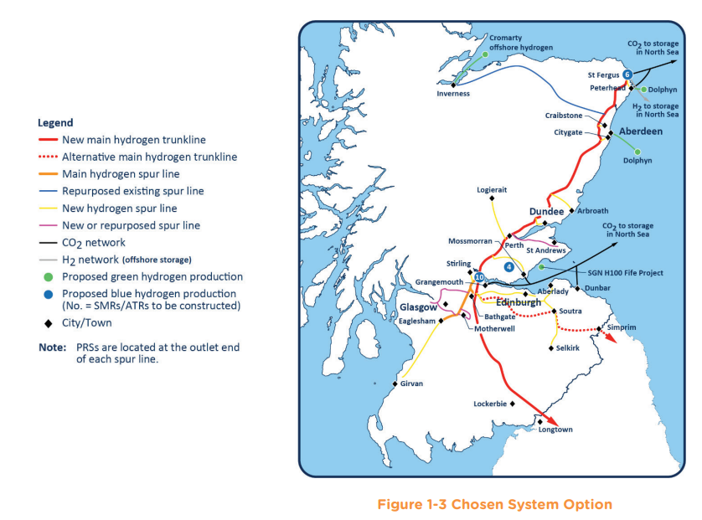

No. | Cluster | DNO | LDZ | Map | Project
1 | St Fergus | SHEPD | SC | 17 - P: Northern Scotland SSE | North-East: Scotland
2 | Grangemouth | SPD |  | 18 - N: Sothern Scotland SPEN (SP Distribution)
3 | Teesside | IDNO - Refer to Comment Field | NO | 15 - F: North Eastern England NPG (Northern Electric) | East-Coast Hydrogen
 |  | NPgN
4 | Humberside | NPgY | NE | 23 - M: Yorkshire NPG (Yorkshire Electricity)
5 | Theddlethorpe | East Midlands | EM | 11 - B: East Midlands WPD (East Midlands)
6 | Bacton | EPN | EA | 10 - A: Eastern England UKPN (East) | Capital Hydrogen
7 | Grain LNG | LPN | NT | 12 - C: London UKPN (London)
 |  | SPN | SE | 19 -J: South Eastern England UKPN (South)
8 | Southampton | SEPD | SO | 20 - H: Southern England SSE (Southern)
9 | Merseyside | SPM | NW | 13 - D: Merseyside and Northern Wales SPEN (SP MANWEB) | HyNet
10 | Barrow | West Midlands | WM | 14 - E: West Midlands WPD (Midlands)
11 | South Wales | ENW | WN | 16 - G: North Western England ENWL | South Wales
 |  | South Wales | WS | 21 - K: Southern Wales WPD (South Wales)
 |  | South Western | SW | 22 - L: South Western England WPD (South West)

GSP | Grid Supply Point
NGET | National Grid Electricity Transmission (Direct)
SHETL | Scottish Hydro Electric Transmission Limited (Direct)
SPTL | Scottish Power Transmission Limited (Direct)

