ANAPAK DISTRIBUTION
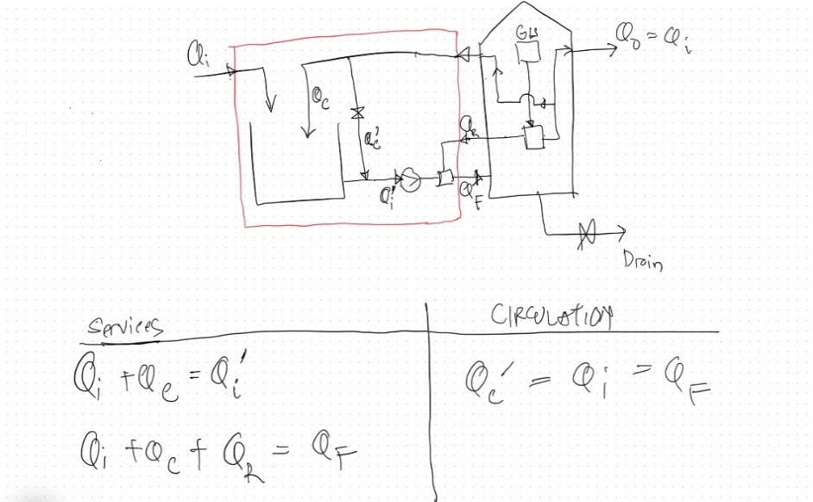

Project : | HMS
Parameter | Value | Unit | K | Remark
Diameter | 12.61 | m
Lateral Pipe - n | 16 |  |  | Lateral pipe quantity
Lateral Pipe Gap | 80
Lateral Pipe - Diameter | 100 | mm |  | Lateral pipe diameter
n (jumlah lubang) | 120 | orifice | 0% | Pengurangan orifice sebanyak K%
n-dia (orifice) | 18 | mm |  | 12 - 20 mm
DZE% | 15% |  |  | Death Zone Error Margin
Qi | 30.00 | CMh | 100% | input ke system - k% max Q
Qc | 90.00 | CMh | 300% | faktor K dari Qi
Qi' | 120.00 | CMh |  | For determining Qr to Ventury - See pump curve
Qr | 5.76 | cmh |  | return flow to ventury (see table vs Qi')
Qf | 125.76 | cmh |  | Q feed to ANAPAK
VL | 0.56 | m/s |  | Vmin : 0.6 Vmax : 1.0
Vno | 1.14 | m/s | 100% | K% of flow lateral flow to pairing pipe
Area Per Nozzle | 0.48 | m2 |  | 0. 5 - 1 at loads up to 2 kg COD/m3. d
 |  |  |  | 0. 5 - 2 at loads 2-4 kg COD/m3. d
 |  |  |  | >2 at loads > 4 kg COD/m3. d

Theta (sudut) | 180 | Deg |  | Dihitung dari jam 12 searah jarum jam
Tank Dia | 8 | m
Net Water Height | 10.5 | m
Volume Reactor | 527.52 | m3
Vup | 2.50 | m/h |  | Max : 3 m/h
n (modified) | 120 | orifice

Flow during Very First Ramp-up
%Ramp | 15%
Qi | 4.50
Qr | 5.76
Qf | 125.76
Qc | 115.50

