Jan
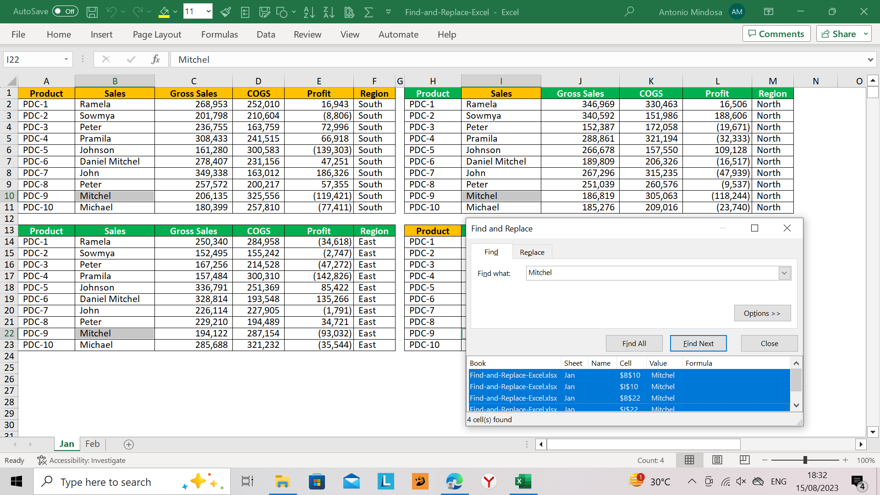
Product | Sales | Gross Sales | COGS | Profit | Region | Product | Sales | Gross Sales | COGS | Profit | Region
PDC-1 | Ramela | 268,953 | 252,010 | 16,943 | South | PDC-1 | Ramela | 346,969 | 330,463 | 16,506 | North
PDC-2 | Sowmya | 201,798 | 210,604 | (8,806) | South | PDC-2 | Sowmya | 340,592 | 151,986 | 188,606 | North
PDC-3 | Peter | 236,755 | 163,759 | 72,996 | South | PDC-3 | Peter | 152,387 | 172,058 | (19,671) | North
PDC-4 | Pramila | 308,433 | 241,515 | 66,918 | South | PDC-4 | Pramila | 288,861 | 321,194 | (32,333) | North
PDC-5 | Johnson | 161,280 | 300,583 | (139,303) | South | PDC-5 | Johnson | 266,678 | 157,550 | 109,128 | North
PDC-6 | Daniel Mitchel | 278,407 | 231,156 | 47,251 | South | PDC-6 | Daniel Mitchel | 189,809 | 206,326 | (16,517) | North
PDC-7 | John | 349,338 | 163,012 | 186,326 | South | PDC-7 | John | 267,296 | 315,235 | (47,939) | North
PDC-8 | Peter | 257,572 | 200,217 | 57,355 | South | PDC-8 | Peter | 251,039 | 260,576 | (9,537) | North
PDC-9 | Mitchel | 206,135 | 325,556 | (119,421) | South | PDC-9 | Mitchel | 186,819 | 305,063 | (118,244) | North
PDC-10 | Michael | 180,399 | 257,810 | (77,411) | South | PDC-10 | Michael | 185,276 | 209,016 | (23,740) | North

Product | Sales | Gross Sales | COGS | Profit | Region | Product | Sales | Gross Sales | COGS | Profit | Region
PDC-1 | Ramela | 250,340 | 284,958 | (34,618) | East | PDC-1 | Ramela | 222,816 | 163,518 | 59,298 | West
PDC-2 | Sowmya | 152,495 | 155,242 | (2,747) | East | PDC-2 | Sowmya | 291,940 | 167,351 | 124,589 | West
PDC-3 | Peter | 167,256 | 214,528 | (47,272) | East | PDC-3 | Peter | 196,535 | 292,442 | (95,907) | West
PDC-4 | Pramila | 157,484 | 300,310 | (142,826) | East | PDC-4 | Pramila | 295,470 | 290,395 | 5,075 | West
PDC-5 | Johnson | 336,791 | 251,369 | 85,422 | East | PDC-5 | Johnson | 273,281 | 163,309 | 109,972 | West
PDC-6 | Daniel Mitchel | 328,814 | 193,548 | 135,266 | East | PDC-6 | Daniel Mitchel | 192,222 | 261,736 | (69,514) | West
PDC-7 | John | 226,114 | 227,905 | (1,791) | East | PDC-7 | John | 156,670 | 150,067 | 6,603 | West
PDC-8 | Peter | 229,210 | 194,489 | 34,721 | East | PDC-8 | Peter | 331,601 | 331,818 | (217) | West
PDC-9 | Mitchel | 194,122 | 287,154 | (93,032) | East | PDC-9 | Mitchel | 309,720 | 198,456 | 111,264 | West
PDC-10 | Michael | 285,688 | 321,232 | (35,544) | East | PDC-10 | Michael | 247,037 | 223,908 | 23,129 | West

