Sheet1
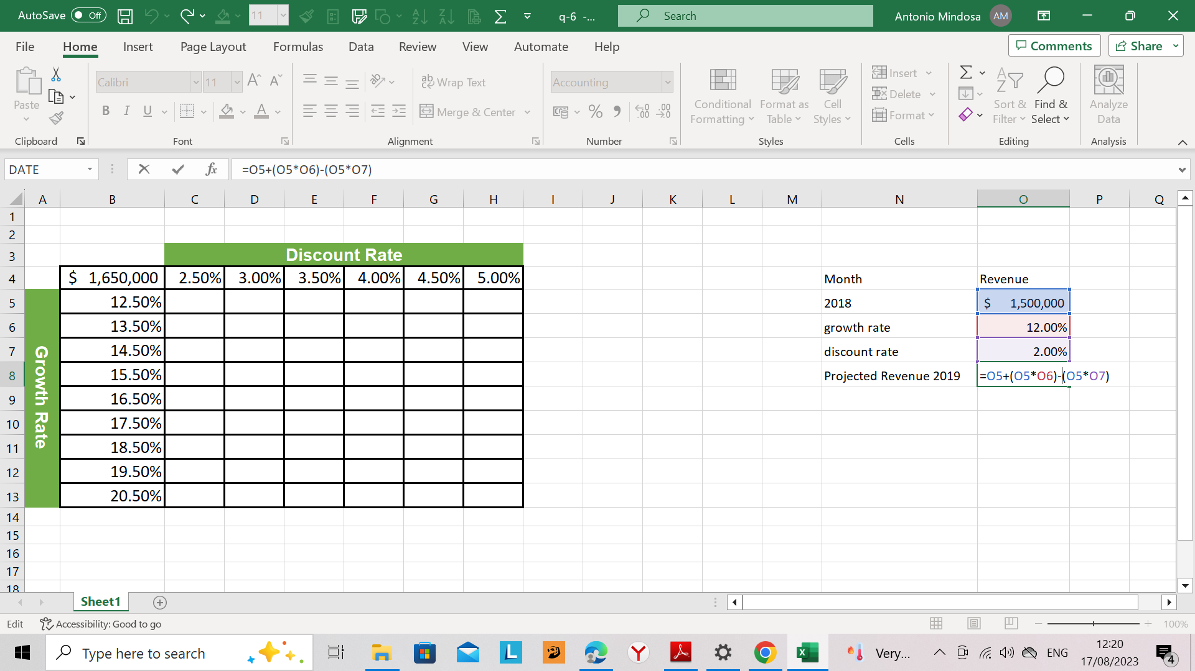
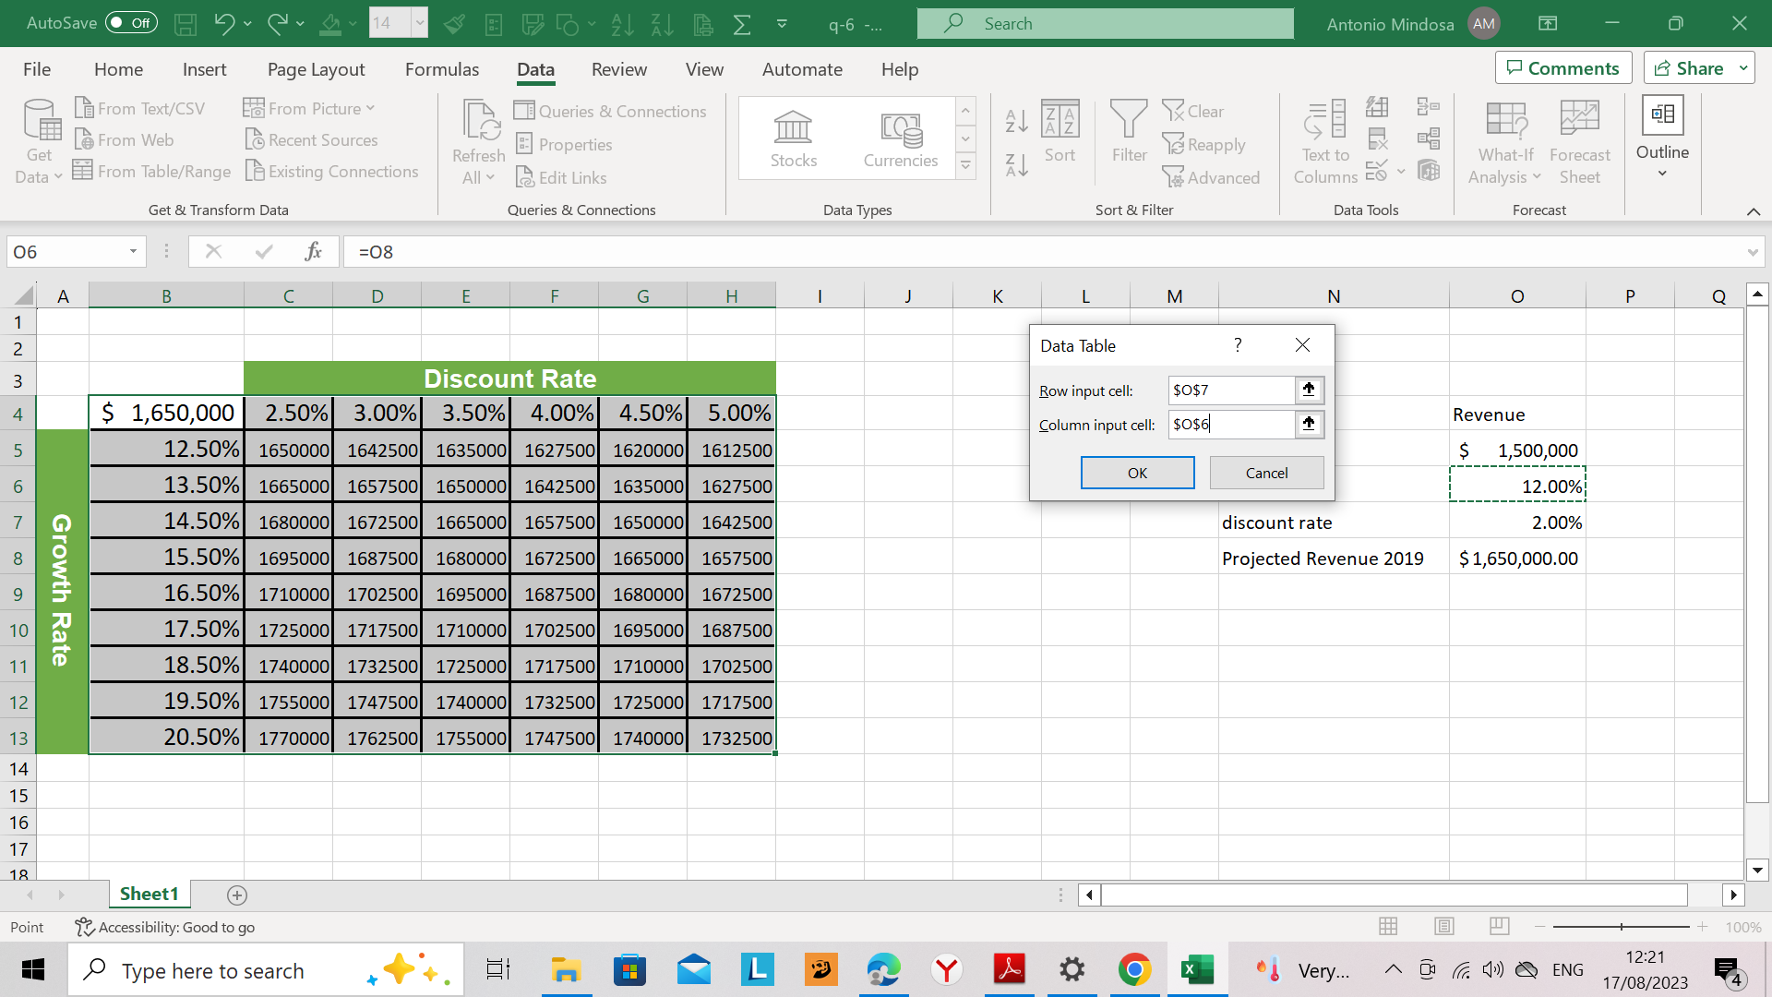
 |  | Discount Rate
 | $1,650,000 | 2.50% | 3.00% | 3.50% | 4.00% | 4.50% | 5.00% | Month | Revenue
Growth Rate | 12.50% | 1650000 | 1642500 | 1635000 | 1627500 | 1620000 | 1612500 | 2018 | $1,500,000
 | 13.50% | 1665000 | 1657500 | 1650000 | 1642500 | 1635000 | 1627500 | growth rate | 12.00%
 | 14.50% | 1680000 | 1672500 | 1665000 | 1657500 | 1650000 | 1642500 | discount rate | 2.00%
 | 15.50% | 1695000 | 1687500 | 1680000 | 1672500 | 1665000 | 1657500 | Projected Revenue 2019 | $1,650,000.00
 | 16.50% | 1710000 | 1702500 | 1695000 | 1687500 | 1680000 | 1672500
 | 17.50% | 1725000 | 1717500 | 1710000 | 1702500 | 1695000 | 1687500
 | 18.50% | 1740000 | 1732500 | 1725000 | 1717500 | 1710000 | 1702500
 | 19.50% | 1755000 | 1747500 | 1740000 | 1732500 | 1725000 | 1717500
 | 20.50% | 1770000 | 1762500 | 1755000 | 1747500 | 1740000 | 1732500

