Sheet1
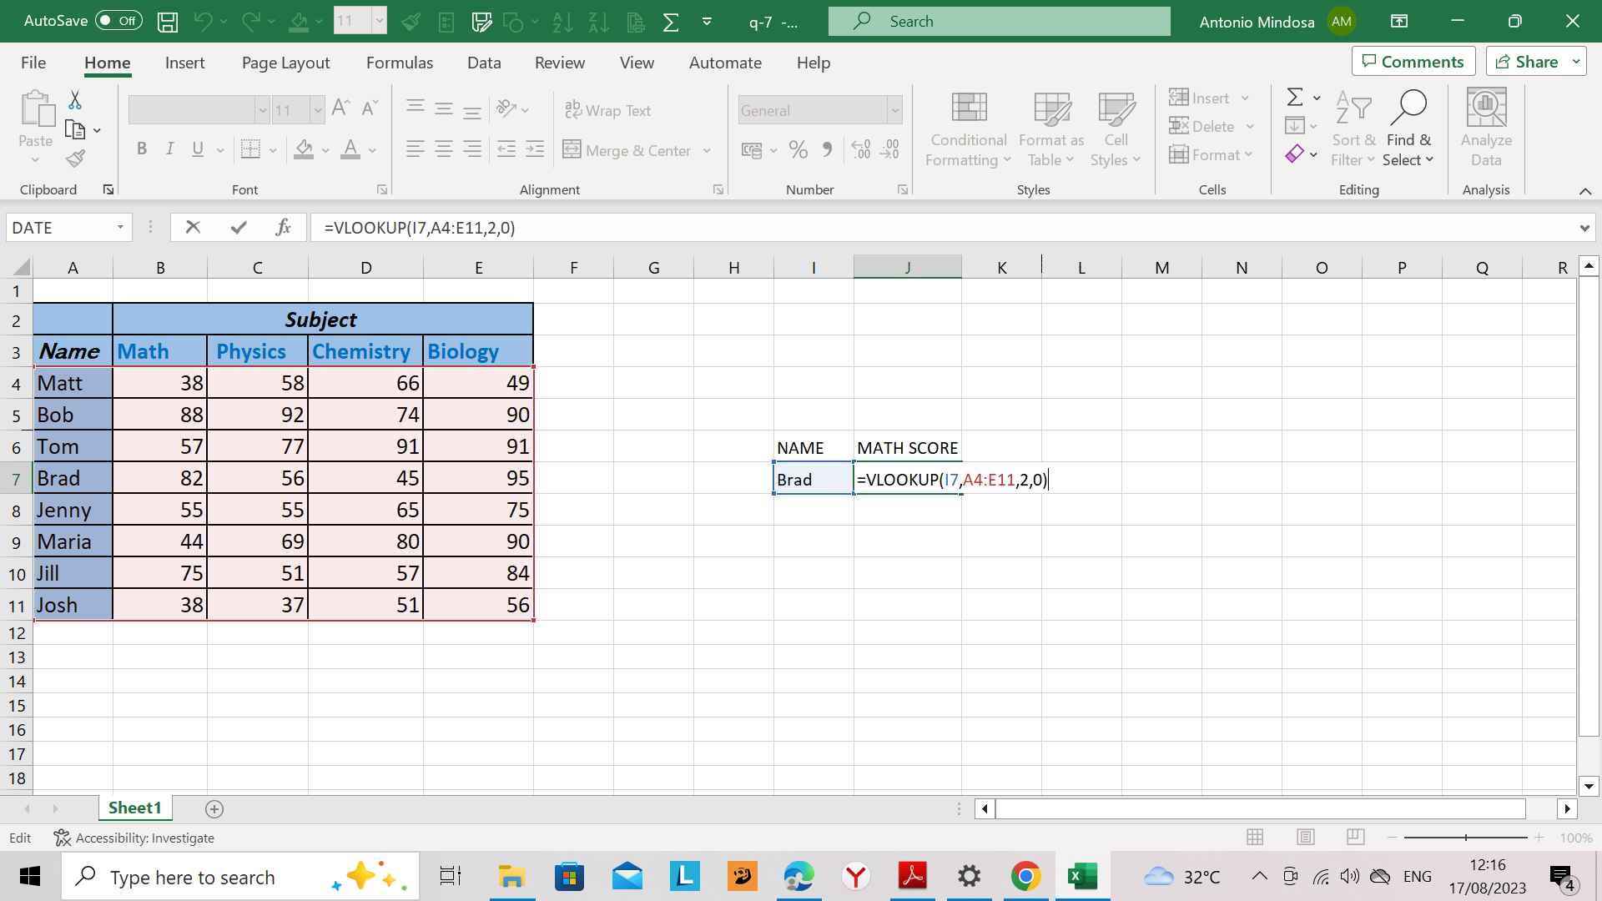
 | Subject
Name | Math | Physics | Chemistry | Biology
Matt | 38 | 58 | 66 | 49
Bob | 88 | 92 | 74 | 90
Tom | 57 | 77 | 91 | 91 | NAME | MATH SCORE
Brad | 82 | 56 | 45 | 95 | brad | 82
Jenny | 55 | 55 | 65 | 75
Maria | 44 | 69 | 80 | 90
Jill | 75 | 51 | 57 | 84
Josh | 38 | 37 | 51 | 56

