Sheet1
Year No | Year | Revenue (millions of USD) | Exponential: | ae^(bx) | Year No | Year | Exponential | Power | Revenue | Exp Error % | Power Error % |  | Year No | Revenue | Expoential | Power | Mape-EX | Mape-Power
1 | 2017 | $218.6 | a: | 103.59 | 1 | 2017 | 213.6 | 171.0 | 218.6 | 2% | 22% |  | 1 | 218.6 | 453.05871398 | 173.94 | 1.1 | 0.2
2 | 2018 | $435.0 | b: | 0.7259 | 2 | 2018 | 440.5 | 575.5 | 435 | 1% | 32% |  | 2 | 435 | 1511.5036695 | 573.37926723 | 2.5 | 0.3
3 | 2019 | $915.0 |  |  | 3 | 2019 | 908.2 | 1170.6 | 915 | 1% | 28% |  | 3 | 915 | 5042.7091949 | 1152.0661941 | 4.5 | 0.3
4 | 2020 | $1,825.9 | Power: | ax^b | 4 | 2020 | 1872.8 | 1937.3 | 1825.9 | 3% | 6% |  | 4 | 1825.9 | 16823.588681 | 1890.0987932 | 8.2 | 0.0
5 | 2021 | $4,021.8 | a: | 170.97 | 5 | 2021 | 3861.7 | 2863.4 | 4021.8 | 4% | 29% |  | 5 | 4021.8 | 56127.197733 | 2774.9613986 | 13.0 | 0.3
 |  |  | b: | 1.7511 |  |  |  |  | AVG | 2% | 23% |  | 6 | 3582.1 | 187252.69532 | 3797.6938608 | 51.3 | 0.1
 |  |  |  |  |  |  |  |  |  |  |  |  |  |  |  | AVG | 13.4 | 0.2
 |  |  |  |  |  |  |  |  | 170.97
 |  |  |  |  | Year No | 213.6 |  | Year No | #VALUE! |  | Year No | Revenue |  | Exponential: | ae^(bx)
 |  |  |  |  | 1 | 213.60442307 |  | 1 | 170.97 |  | 1 | 218.6 |  | a: | 135.8
 |  |  |  |  | 2 | 440.45612082 |  | 2 | 575.51087834 |  | 2 | 435 |  | b: | 0.6099
 |  |  |  |  | 3 | 908.22835772 |  | 3 | 1170.5957441 |  | 3 | 915
 |  |  |  |  | 4 | 1872.7830328 |  | 4 | 1937.2566596 |  | 4 | 1825.9 |  | Power | ax^b
 |  |  |  |  | 5 | 3861.7119342 |  | 5 | 2863.4281246 |  | 5 | 4021.8 |  | a: | 173.94
 |  |  |  |  | 6 | 7962.9187159 |  | 6 | 3940.4023213 |  | 6 | 3582.1 |  | b: | 1.7209
 |  |  |  |  | 7 | 16419.680068 |  | 7 | 5161.4424528 |  |  |  |  |  | 4

Microsoft_Sales
Yaer No | Year | Average of Seasonally Adjusted Sales |  |  |  | YEAR NO | YEAR | Average of Seasonally Adjusted Sales | % GROWTH
1 | 1992 | $150,781.17 |  |  |  | 1 | 1992 | 150781.16667
2 | 1993 | $161,696.25 |  |  |  | 2 | 1993 | 161696.25 | 7.2%
3 | 1994 | $175,688.83 |  |  |  | 3 | 1994 | 175688.83333 | 8.7%
4 | 1995 | $185,437.25 |  |  |  | 4 | 1995 | 185437.25 | 5.5%
5 | 1996 | $196,728.17 |  |  |  | 5 | 1996 | 196728.16667 | 6.1%
6 | 1997 | $206,334.08 |  |  |  | 6 | 1997 | 206334.08333 | 4.9%
7 | 1998 | $215,657.67 |  |  |  | 7 | 1998 | 215657.66667 | 4.5%
8 | 1999 | $233,872.00 |  |  |  | 8 | 1999 | 233872 | 8.4%
9 | 2000 | $248,748.25 |  |  |  | 9 | 2000 | 248748.25 | 6.4%
10 | 2001 | $255,663.75 |  |  |  | 10 | 2001 | 255663.75 | 2.8%
11 | 2002 | $261,272.42 |  |  |  | 11 | 2002 | 261272.41667 | 2.2%
12 | 2003 | $272,232.50 |  |  |  | 12 | 2003 | 272232.5 | 4.2%
13 | 2004 | $288,987.50 |  |  |  | 13 | 2004 | 288987.5 | 6.2%
14 | 2005 | $307,826.08 |  |  |  | 14 | 2005 | 307826.08333 | 6.5%
15 | 2006 | $323,823.08 |  |  |  | 15 | 2006 | 323823.08333 | 5.2%
16 | 2007 | $334,008.00 |  |  |  | 16 | 2007 | 334008 | 3.1%
17 | 2008 | $328,780.33 |  |  |  | 17 | 2008 | 328780.33333 | -1.6%
18 | 2009 | $303,288.92 |  |  |  | 18 | 2009 | 303288.91667 | -7.8%
19 | 2010 | $323,964.17 |  |  |  | 19 | 2010 | 323964.16667 | 6.8%
20 | 2011 | $349,717.75 |  |  |  | 20 | 2011 | 349717.75 | 7.9%
 |  |  |  |  |  |  |  | AVERAGE | 4.6%
EXPONENT: | AE^(BX)
A: | 158193
B: | 0.043
YEAR NO: | 59
YEAR: | 2050
FIND Y.N | 59
SALES EXP | 1984405.185

YEAR NO | YEAR | Average of Seasonally Adjusted Sales | % GROWTH | SALES EXP | APE
1 | 1992 | 150781.2 |  | 165122.00054 | 10%
2 | 1993 | 161696.3 | 7.2% | 172354.49774 | 7%
3 | 1994 | 175688.8 | 8.7% | 179903.78505 | 2%
4 | 1995 | 185437.3 | 5.5% | 187783.73816 | 1%
5 | 1996 | 196728.2 | 6.1% | 196008.84055 | 0%
6 | 1997 | 206334.1 | 4.9% | 204594.21008 | 1%
7 | 1998 | 215657.7 | 4.5% | 213555.62677 | 1%
8 | 1999 | 233872.0 | 8.4% | 222909.56185 | 5%
9 | 2000 | 248748.3 | 6.4% | 232673.20799 | 6%
10 | 2001 | 255663.8 | 2.8% | 242864.51091 | 5%
11 | 2002 | 261272.4 | 2.2% | 253502.20238 | 3%
12 | 2003 | 272232.5 | 4.2% | 264605.83462 | 3%
13 | 2004 | 288987.5 | 6.2% | 276195.81629 | 4%
14 | 2005 | 307826.1 | 6.5% | 288293.44994 | 6%
15 | 2006 | 323823.1 | 5.2% | 300920.97118 | 7%
16 | 2007 | 334008.0 | 3.1% | 314101.58961 | 6%
17 | 2008 | 328780.3 | -1.6% | 327859.53138 | 0%
18 | 2009 | 303288.9 | -7.8% | 342220.0838 | 13%
19 | 2010 | 323964.2 | 6.8% | 357209.64177 | 10%
20 | 2011 | 349717.8 | 7.9% | 372855.75632 | 7%
21 | 2012 | AVERAGE | 4.6% | 389187.18524 | 4.88%
22 | 2013 |  |  | 406233.94594
23 | 2014 |  |  | 424027.37061
24 | 2015 |  |  | 442600.16383
25 | 2016 |  |  | 461986.46267
26 | 2017 |  |  | 482221.89943
27 | 2018 |  |  | 503343.66714
28 | 2019 |  |  | 525390.58792
29 | 2020 |  |  | 548403.18434
30 | 2021 |  |  | 572423.75389
31 | 2022 |  |  | 597496.44672
32 | 2023 |  |  | 623667.34682
33 | 2024 |  |  | 650984.55669
34 | 2025 |  |  | 679498.28575
35 | 2026
36 | 2027
37 | 2028
38 | 2029
39 | 2030
40 | 2031
41 | 2032
42 | 2033
43 | 2034
44 | 2035
45 | 2036
46 | 2037
47 | 2038
48 | 2039
49 | 2040
50 | 2041
51 | 2042
52 | 2043
53 | 2044
54 | 2045
55 | 2046
56 | 2047
57 | 2048
58 | 2049
59 | 2050

Golf_Sales
 |  |  |  |  |  | Demand [Trend] |  |  | Mean Absolute % Error
 | PRICE | DEMAND |  | DEMAND | Price | Linear | Exponential | Power | Linear % | Exponential % | Power %
 | 290 | 125 |  | 125 | 290 | 108.5 | 109.4 | 117.6 | 13.2% | 12.5% | 5.9%
 | 300 | 103 |  | 103 | 300 | 104.9 | 104.1 | 110.2 | 1.9% | 1.1% | 7.0%
 | 340 | 87 |  | 87 | 340 | 90.7 | 85.2 | 86.8 | 4.3% | 2.0% | 0.2%
 | 360 | 86 |  | 86 | 360 | 83.7 | 77.1 | 77.9 | 2.7% | 10.3% | 9.5%
 | 370 | 68 |  | 68 | 370 | 80.1 | 73.4 | 73.9 | 17.8% | 7.9% | 8.7%
 | 390 | 68 |  | 68 | 390 | 73.0 | 66.4 | 66.8 | 7.4% | 2.4% | 1.7%
 | 430 | 58 |  | 58 | 430 | 58.8 | 54.3 | 55.5 | 1.4% | 6.3% | 4.4%
 | 440 | 49 |  | 49 | 440 | 55.3 | 51.7 | 53.1 | 12.8% | 5.5% | 8.3%
 | 450 | 45 |  | 45 | 450 | 51.7 | 49.2 | 50.9 | 15.0% | 9.3% | 13.0%
 | 450 | 52 |  | 52 | 450 | 51.7 | 49.2 | 50.9 | 0.5% | 5.4% | 2.2%
 | 490 | 44 |  | 44 | 490 | 37.6 | 40.3 | 43.2 | 14.6% | 8.5% | 1.7%
 | 500 | 45 |  | 45 | 500 | 34.0 | 38.3 | 41.6 | 24.4% | 14.9% | 7.6%
 |  |  |  |  |  |  | Average: |  | 9.7% | 7.2% | 5.9%
290 | 125
300 | 103
340 | 87
360 | 86
370 | 68
390 | 68
430 | 58
440 | 49
450 | 45
450 | 52
490 | 44
500 | 45

Linear Equation |  |  | Exponential: ae^(bx) |  |  | Power: y=ax^b
a | -0.3546 |  | constant: a | 466.51 |  | constant: a | 5871064
b | 211.31 |  | exponent: b | -0.005 |  | exponent: b | -1.908
 | Profit
 | 985104.42082
260 | 144859.72843
270 | 269590.60185
280 | 377277.1872
290 | 470458.61526
300 | 551238.40185
310 | 621369.53021
320 | 682320.93416
330 | 735329.86393
340 | 781443.44106
350 | 821551.86522
360 | 856415.12424
370 | 886684.61116
380 | 912920.72099
390 | 935607.25344
400 | 955163.26238
410 | 971952.85244
420 | 986293.31587
430 | 998461.92082
440 | 1008701.598
450 | 1017225.7234
460 | 1024222.1565
470 | 1029856.6614
480 | 1034275.8156
490 | 1037609.4911
500 | 1039972.978
510 | 1041468.8062
520 | 1042188.3139
530 | 1042213.0018
540 | 1041615.7036
550 | 1040461.6031
560 | 1038809.118
570 | 1036710.6698
580 | 1034213.3578
590 | 1031359.5479
600 | 1028187.39
610 | 1024731.2727
620 | 1021022.2237
630 | 1017088.2635
640 | 1012954.7173
650 | 1008644.4924
660 | 1004178.3235
670 | 999574.99044
680 | 994851.51295
690 | 990023.3233
700 | 985104.42082
710 | 980107.50996
720 | 975044.12387
730 | 969924.73508
740 | 964758.85495
...

Business Model |  | Fromula |  |  |  |  |  |  |  |  |  |  | BUSINESS MODEL
Unit Cost | 250 |  |  |  |  |  |  |  |  |  |  |  | UNIT COST | 250
Selling price | 700 |  |  |  |  |  |  |  |  |  |  |  | SELLING PRICE | 1000

Demand: | 22 | =H28*B38^H29 |  |  |  |  |  |  |  |  |  |  | DEMAND | 14 | =E28*2.71^(E29*B38)
Or Demand: | 2189 | =B40*100 |  |  |  |  |  |  |  |  |  |  | OR DEMAND | 1424 | =O40*100

Cost: | 547280.23379 | =B41*B37 |  |  |  |  |  |  |  |  |  |  | COST | 355965.94246 | =O41*O37
Revenue: | 1532384.6546 | =B41*B38 |  |  |  |  |  |  |  |  |  |  | REVENUE | 1423863.7698 | =O41*O38
profit: | 985104.42082 | =B44-B43 |  |  |  |  |  |  |  |  |  |  | PROFIT | 1067897.8274 | =O44-O43

 |  |  |  | Price | Profit
 |  |  |  |  | 985104
 |  |  |  | 260 | 144860
 |  |  |  | 270 | 269591
 |  |  |  | 280 | 377277
 |  |  |  | 290 | 470459
 |  |  |  | 300 | 551238
 |  |  |  | 310 | 621370 |  |  |  | DEMAND |  |  |  |  |  |  |  |  | DEMAND
 |  |  |  | 320 | 682321 |  |  | 985104.42082 | 250 | 300 | 350 | 400 | 450 | 500 | 550 |  |  | 1067897.8274
 |  |  |  | 330 | 735330 |  | PRICE | 260 | ₹ 144,860 | ₹ -579,439 | ₹ -1,303,738 | ₹ -2,028,036 | ₹ -2,752,335 | ₹ -3,476,633 | ₹ -4,200,932 | PRICE | 260 | 14238.637698
 |  |  |  | 340 | 781443 |  |  | 270 | ₹ 269,591 | ₹ -404,386 | ₹ -1,078,362 | ₹ -1,752,339 | ₹ -2,426,315 | ₹ -3,100,292 | ₹ -3,774,268 |  | 270 | 28477.275397
 |  |  |  | 350 | 821552 |  |  | 280 | ₹ 377,277 | ₹ -251,518 | ₹ -880,313 | ₹ -1,509,109 | ₹ -2,137,904 | ₹ -2,766,699 | ₹ -3,395,495 |  | 280 | 42715.913095
 |  |  |  | 360 | 856415 |  |  | 290 | ₹ 470,459 | ₹ -117,615 | ₹ -705,688 | ₹ -1,293,761 | ₹ -1,881,834 | ₹ -2,469,908 | ₹ -3,057,981 |  | 290 | 56954.550794
 |  |  |  | 370 | 886685 |  |  | 300 | ₹ 551,238 | ₹ - | ₹ -551,238 | ₹ -1,102,477 | ₹ -1,653,715 | ₹ -2,204,954 | ₹ -2,756,192 |  | 300 | 71193.188492
 |  |  |  | 380 | 912921 |  |  | 310 | ₹ 621,370 | ₹ 103,562 | ₹ -414,246 | ₹ -932,054 | ₹ -1,449,862 | ₹ -1,967,670 | ₹ -2,485,478 |  | 310 | 85431.826191
 |  |  |  | 390 | 935607 |  |  | 320 | ₹ 682,321 | ₹ 194,949 | ₹ -292,423 | ₹ -779,795 | ₹ -1,267,167 | ₹ -1,754,540 | ₹ -2,241,912 |  | 320 | 99670.463889
 |  |  |  | 400 | 955163 |  |  | 330 | ₹ 735,330 | ₹ 275,749 | ₹ -183,832 | ₹ -643,414 | ₹ -1,102,995 | ₹ -1,562,576 | ₹ -2,022,157 |  | 330 | 113909.10159
 |  |  |  | 410 | 971953 |  |  | 340 | ₹ 781,443 | ₹ 347,308 | ₹ -86,827 | ₹ -520,962 | ₹ -955,098 | ₹ -1,389,233 | ₹ -1,823,368 |  | 340 | 128147.73929
 |  |  |  | 420 | 986293 |  |  | 350 | ₹ 821,552 | ₹ 410,776 | ₹ - | ₹ -410,776 | ₹ -821,552 | ₹ -1,232,328 | ₹ -1,643,104 |  | 350 | 142386.37698
 |  |  |  | 430 | 998462 |  |  | 360 | ₹ 856,415 | ₹ 467,136 | ₹ 77,856 | ₹ -311,424 | ₹ -700,703 | ₹ -1,089,983 | ₹ -1,479,262 |  | 360 | 156625.01468
 |  |  |  | 440 | 1008702 |  |  | 370 | ₹ 886,685 | ₹ 517,233 | ₹ 147,781 | ₹ -221,671 | ₹ -591,123 | ₹ -960,575 | ₹ -1,330,027 |  | 370 | 170863.65238
 |  |  |  | 450 | 1017226 |  |  | 380 | ₹ 912,921 | ₹ 561,797 | ₹ 210,674 | ₹ -140,449 | ₹ -491,573 | ₹ -842,696 | ₹ -1,193,819 |  | 380 | 185102.29008
 |  |  |  | 460 | 1024222 |  |  | 390 | ₹ 935,607 | ₹ 601,462 | ₹ 267,316 | ₹ -66,829 | ₹ -400,975 | ₹ -735,120 | ₹ -1,069,265 |  | 390 | 199340.92778
 |  |  |  | 470 | 1029857 |  |  | 400 | ₹ 955,163 | ₹ 636,776 | ₹ 318,388 | ₹ - | ₹ -318,388 | ₹ -636,776 | ₹ -955,163 |  | 400 | 213579.56548
 |  |  |  | 480 | 1034276 |  |  | 410 | ₹ 971,953 | ₹ 668,218 | ₹ 364,482 | ₹ 60,747 | ₹ -242,988 | ₹ -546,723 | ₹ -850,459 |  | 410 | 227818.20318
 |  |  |  | 490 | 1037609 |  |  | 420 | ₹ 986,293 | ₹ 696,207 | ₹ 406,121 | ₹ 116,035 | ₹ -174,052 | ₹ -464,138 | ₹ -754,224 |  | 420 | 242056.84087
 |  |  |  | 500 | 1039973 |  |  | 430 | ₹ 998,462 | ₹ 721,111 | ₹ 443,761 | ₹ 166,410 | ₹ -110,940 | ₹ -388,291 | ₹ -665,641 |  | 430 | 256295.47857
 |  |  |  | 510 | 1041469 |  |  | 440 | ₹ 1,008,702 | ₹ 743,254 | ₹ 477,806 | ₹ 212,358 | ₹ -53,090 | ₹ -318,537 | ₹ -583,985 |  | 440 | 270534.11627
 |  |  |  | 520 | 1042188 |  |  | 450 | ₹ 1,017,226 | ₹ 762,919 | ₹ 508,613 | ₹ 254,306 | ₹ - | ₹ -254,306 | ₹ -508,613 |  | 450 | 284772.75397
 |  |  |  | 530 | 1042213 |  |  | 460 | ₹ 1,024,222 | ₹ 780,360 | ₹ 536,497 | ₹ 292,635 | ₹ 48,772 | ₹ -195,090 | ₹ -438,952 |  | 460 | 299011.39167
 |  |  |  | 540 | 1041616 |  |  | 470 | ₹ 1,029,857 | ₹ 795,798 | ₹ 561,740 | ₹ 327,682 | ₹ 93,623 | ₹ -140,435 | ₹ -374,493 |  | 470 | 313250.02937
 |  |  |  | 550 | 1040462 |  |  | 480 | ₹ 1,034,276 | ₹ 809,433 | ₹ 584,591 | ₹ 359,748 | ₹ 134,906 | ₹ -89,937 | ₹ -314,780 |  | 480 | 327488.66706
 |  |  |  | 560 | 1038809 |  |  | 490 | ₹ 1,037,609 | ₹ 821,441 | ₹ 605,272 | ₹ 389,104 | ₹ 172,935 | ₹ -43,234 | ₹ -259,402 |  | 490 | 341727.30476
 |  |  |  | 570 | 1036711 |  |  | 500 | ₹ 1,039,973 | ₹ 831,978 | ₹ 623,984 | ₹ 415,989 | ₹ 207,995 | ₹ - | ₹ -207,995 |  | 500 | 355965.94246
 |  |  |  | 580 | 1034213 |  |  | 510 | ₹ 1,041,469 | ₹ 841,186 | ₹ 640,904 | ₹ 440,621 | ₹ 240,339 | ₹ 40,056 | ₹ -160,226 |  | 510 | 370204.58016
 |  |  |  | 590 | 1031360 |  |  | 520 | ₹ 1,042,188 | ₹ 849,190 | ₹ 656,193 | ₹ 463,195 | ₹ 270,197 | ₹ 77,199 | ₹ -115,799 |  | 520 | 384443.21786
 |  |  |  | 600 | 1028187 |  |  | 530 | ₹ 1,042,213 | ₹ 856,104 | ₹ 669,994 | ₹ 483,885 | ₹ 297,775 | ₹ 111,666 | ₹ -74,444 |  | 530 | 398681.85556
 |  |  |  | 610 | 1024731 |  |  | 540 | ₹ 1,041,616 | ₹ 862,027 | ₹ 682,438 | ₹ 502,849 | ₹ 323,260 | ₹ 143,671 | ₹ -35,918 |  | 540 | 412920.49326
 |  |  |  | 620 | 1021022 |  |  | 550 | ₹ 1,040,462 | ₹ 867,051 | ₹ 693,641 | ₹ 520,231 | ₹ 346,821 | ₹ 173,410 | ₹ - |  | 550 | 427159.13095
 |  |  |  | 630 | 1017088 |  |  | 560 | ₹ 1,038,809 | ₹ 871,259 | ₹ 703,709 | ₹ 536,160 | ₹ 368,610 | ₹ 201,060 | ₹ 33,510 |  | 560 | 441397.76865
 |  |  |  | 640 | 1012955 |  |  | 570 | ₹ 1,036,711 | ₹ 874,725 | ₹ 712,739 | ₹ 550,753 | ₹ 388,767 | ₹ 226,780 | ₹ 64,794 |  | 570 | 455636.40635
 |  |  |  | 650 | 1008644 |  |  | 580 | ₹ 1,034,213 | ₹ 877,514 | ₹ 720,815 | ₹ 564,116 | ₹ 407,417 | ₹ 250,718 | ₹ 94,019 |  | 580 | 469875.04405
 |  |  |  | 660 | 1004178 |  |  | 590 | ₹ 1,031,360 | ₹ 879,689 | ₹ 728,019 | ₹ 576,348 | ₹ 424,677 | ₹ 273,007 | ₹ 121,336 |  | 590 | 484113.68175
 |  |  |  | 670 | 999575 |  |  | 600 | ₹ 1,028,187 | ₹ 881,303 | ₹ 734,420 | ₹ 587,536 | ₹ 440,652 | ₹ 293,768 | ₹ 146,884 |  | 600 | 498352.31945
 |  |  |  | 680 | 994852 |  |  | 610 | ₹ 1,024,731 | ₹ 882,407 | ₹ 740,084 | ₹ 597,760 | ₹ 455,436 | ₹ 313,112 | ₹ 170,789 |  | 610 | 512590.95714
 |  |  |  | 690 | 990023 |  |  | 620 | ₹ 1,021,022 | ₹ 883,046 | ₹ 745,070 | ₹ 607,094 | ₹ 469,118 | ₹ 331,142 | ₹ 193,166 |  | 620 | 526829.59484
 |  |  |  | 700 | 985104 |  |  | 630 | ₹ 1,017,088 | ₹ 883,261 | ₹ 749,433 | ₹ 615,606 | ₹ 481,779 | ₹ 347,951 | ₹ 214,124 |  | 630 | 541068.23254
 |  |  |  | 710 | 980108 |  |  | 640 | ₹ 1,012,955 | ₹ 883,089 | ₹ 753,223 | ₹ 623,357 | ₹ 493,491 | ₹ 363,625 | ₹ 233,759 |  | 640 | 555306.87024
 |  |  |  | 720 | 975044 |  |  | 650 | ₹ 1,008,644 | ₹ 882,564 | ₹ 756,483 | ₹ 630,403 | ₹ 504,322 | ₹ 378,242 | ₹ 252,161 |  | 650 | 569545.50794
 |  |  |  | 730 | 969925 |  |  | 660 | ₹ 1,004,178 | ₹ 881,718 | ₹ 759,257 | ₹ 636,796 | ₹ 514,335 | ₹ 391,874 | ₹ 269,414 |  | 660 | 583784.14564
 |  |  |  | 740 | 964759 |  |  | 670 | ₹ 999,575 | ₹ 880,578 | ₹ 761,581 | ₹ 642,584 | ₹ 523,587 | ₹ 404,590 | ₹ 285,593 |  | 670 | 598022.78334
 |  |  |  | 750 | 959555 |  |  | 680 | ₹ 994,852 | ₹ 879,171 | ₹ 763,491 | ₹ 647,810 | ₹ 532,130 | ₹ 416,449 | ₹ 300,769 |  | 680 | 612261.42103
 |  |  |  | 760 | 954321 |  |  | 690 | ₹ 990,023 | ₹ 877,521 | ₹ 765,018 | ₹ 652,515 | ₹ 540,013 | ₹ 427,510 | ₹ 315,007 |  | 690 | 626500.05873
 |  |  |  | 770 | 949065 |  |  | 700 | ₹ 985,104 | ₹ 875,648 | ₹ 766,192 | ₹ 656,736 | ₹ 547,280 | ₹ 437,824 | ₹ 328,368 |  | 700 | 640738.69643
 |  |  |  | 780 | 943792 |  |  | 710 | ₹ 980,108 | ₹ 873,574 | ₹ 767,041 | ₹ 660,507 | ₹ 553,974 | ₹ 447,440 | ₹ 340,907 |  | 710 | 654977.33413
 |  |  |  | 790 | 938508 |  |  | 720 | ₹ 975,044 | ₹ 871,316 | ₹ 767,588 | ₹ 663,860 | ₹ 560,132 | ₹ 456,404 | ₹ 352,676 |  | 720 | 669215.97183
 |  |  |  | 800 | 933220 |  |  | 730 | ₹ 969,925 | ₹ 868,891 | ₹ 767,857 | ₹ 666,823 | ₹ 565,789 | ₹ 464,756 | ₹ 363,722 |  | 730 | 683454.60953
 |  |  |  | 810 | 927930 |  |  | 740 | ₹ 964,759 | ₹ 866,314 | ₹ 767,869 | ₹ 669,425 | ₹ 570,980 | ₹ 472,535 | ₹ 374,090 |  | 740 | 697693.24722
 |  |  |  | 820 | 922645 |  |  | 750 | ₹ 959,555 | ₹ 863,600 | ₹ 767,644 | ₹ 671,689 | ₹ 575,733 | ₹ 479,778 | ₹ 383,822 |  | 750 | 711931.88492
 |  |  |  | 830 | 917368 |  |  | 760 | ₹ 954,321 | ₹ 860,760 | ₹ 767,200 | ₹ 673,639 | ₹ 580,078 | ₹ 486,517 | ₹ 392,956 |  | 760 | 726170.52262
 |  |  |  | 840 | 912103 |  |  | 770 | ₹ 949,065 | ₹ 857,809 | ₹ 766,552 | ₹ 675,296 | ₹ 584,040 | ₹ 492,784 | ₹ 401,527 |  | 770 | 740409.16032
 |  |  |  | 850 | 906853 |  |  | 780 | ₹ 943,792 | ₹ 854,755 | ₹ 765,718 | ₹ 676,681 | ₹ 587,644 | ₹ 498,607 | ₹ 409,570 |  | 780 | 754647.79802
 |  |  |  | 860 | 901620 |  |  | 790 | ₹ 938,508 | ₹ 851,609 | ₹ 764,710 | ₹ 677,811 | ₹ 590,913 | ₹ 504,014 | ₹ 417,115 |  | 790 | 768886.43572
 |  |  |  | 870 | 896408 |  |  | 800 | ₹ 933,220 | ₹ 848,381 | ₹ 763,543 | ₹ 678,705 | ₹ 593,867 | ₹ 509,029 | ₹ 424,191 |  | 800 | 783125.07342
 |  |  |  | 880 | 891219 |  |  | 810 | ₹ 927,930 | ₹ 845,080 | ₹ 762,229 | ₹ 679,378 | ₹ 596,527 | ₹ 513,676 | ₹ 430,825 |  | 810 | 797363.71111
 |  |  |  | 890 | 886055 |  |  | 820 | ₹ 922,645 | ₹ 841,712 | ₹ 760,778 | ₹ 679,844 | ₹ 598,910 | ₹ 517,976 | ₹ 437,043 |  | 820 | 811602.34881
 |  |  |  | 900 | 880918 |  |  | 830 | ₹ 917,368 | ₹ 838,285 | ₹ 759,201 | ₹ 680,118 | ₹ 601,035 | ₹ 521,951 | ₹ 442,868 |  | 830 | 825840.98651
 |  |  |  | 910 | 875810 |  |  | 840 | ₹ 912,103 | ₹ 834,806 | ₹ 757,509 | ₹ 680,213 | ₹ 602,916 | ₹ 525,619 | ₹ 448,322 |  | 840 | 840079.62421
 |  |  |  | 920 | 870732 |  |  | 850 | ₹ 906,853 | ₹ 831,282 | ₹ 755,711 | ₹ 680,140 | ₹ 604,568 | ₹ 528,997 | ₹ 453,426 |  | 850 | 854318.26191
 |  |  |  | 930 | 865686 |  |  | 860 | ₹ 901,620 | ₹ 827,717 | ₹ 753,814 | ₹ 679,910 | ₹ 606,007 | ₹ 532,104 | ₹ 458,200 |  | 860 | 868556.89961
 |  |  |  | 940 | 860673 |  |  | 870 | ₹ 896,408 | ₹ 824,117 | ₹ 751,826 | ₹ 679,535 | ₹ 607,244 | ₹ 534,953 | ₹ 462,662 |  | 870 | 882795.5373
 |  |  |  | 950 | 855693 |  |  | 880 | ₹ 891,219 | ₹ 820,487 | ₹ 749,756 | ₹ 679,024 | ₹ 608,292 | ₹ 537,561 | ₹ 466,829 |  | 880 | 897034.175
 |  |  |  | 960 | 850749 |  |  | 890 | ₹ 886,055 | ₹ 816,832 | ₹ 747,609 | ₹ 678,386 | ₹ 609,163 | ₹ 539,940 | ₹ 470,717 |  | 890 | 911272.8127
 |  |  |  | 970 | 845841 |  |  | 900 | ₹ 880,918 | ₹ 813,155 | ₹ 745,392 | ₹ 677,629 | ₹ 609,866 | ₹ 542,103 | ₹ 474,340 |  | 900 | 925511.4504
 |  |  |  | 980 | 840970 |  |  | 910 | ₹ 875,810 | ₹ 809,461 | ₹ 743,111 | ₹ 676,762 | ₹ 610,413 | ₹ 544,064 | ₹ 477,714 |  | 910 | 939750.0881
 |  |  |  | 990 | 836135 |  |  | 920 | ₹ 870,732 | ₹ 805,752 | ₹ 740,772 | ₹ 675,792 | ₹ 610,812 | ₹ 545,832 | ₹ 480,852 |  | 920 | 953988.7258
 |  |  |  | 1000 | 831339 |  |  | 930 | ₹ 865,686 | ₹ 802,032 | ₹ 738,379 | ₹ 674,726 | ₹ 611,072 | ₹ 547,419 | ₹ 483,766 |  | 930 | 968227.3635
 |  |  |  |  |  |  |  | 940 | ₹ 860,673 | ₹ 798,305 | ₹ 735,937 | ₹ 673,570 | ₹ 611,202 | ₹ 548,835 | ₹ 486,467 |  | 940 | 982466.00119
 |  |  |  |  |  |  |  | 950 | ₹ 855,693 | ₹ 794,573 | ₹ 733,452 | ₹ 672,331 | ₹ 611,210 | ₹ 550,089 | ₹ 488,968 |  | 950 | 996704.63889
 |  |  |  |  |  |  |  | 960 | ₹ 850,749 | ₹ 790,837 | ₹ 730,926 | ₹ 671,014 | ₹ 611,102 | ₹ 551,190 | ₹ 491,278 |  | 960 | 1010943.2766
 |  |  |  |  |  |  |  | 970 | ₹ 845,841 | ₹ 787,102 | ₹ 728,363 | ₹ 669,624 | ₹ 610,885 | ₹ 552,146 | ₹ 493,407 |  | 970 | 1025181.9143
 |  |  |  |  |  |  |  | 980 | ₹ 840,970 | ₹ 783,369 | ₹ 725,768 | ₹ 668,168 | ₹ 610,567 | ₹ 552,966 | ₹ 495,366 |  | 980 | 1039420.552
 |  |  |  |  |  |  |  | 990 | ₹ 836,135 | ₹ 779,640 | ₹ 723,144 | ₹ 666,648 | ₹ 610,153 | ₹ 553,657 | ₹ 497,162 |  | 990 | 1053659.1897
 |  |  |  |  |  |  |  | 1000 | ₹ 831,339 | ₹ 775,916 | ₹ 720,494 | ₹ 665,071 | ₹ 609,648 | ₹ 554,226 | ₹ 498,803 |  | 1000 | 1067897.8274
 |  |  |  |  |  |  |  | MAXIMUM | ₹ 1,042,213

TOY_SHOP
YEAR | Profit
1 | 200,000
2 | 240,000 |  |  |  |  |  |  | 1 | 40 | 200,000 | SUCCESS -> I DEVISED MY OWN FORMULA | =(VLOOKUP(I3,$D$23:$E$43,2,FALSE)*$B$11)-((VLOOKUP(I3,$D$23:$E$43,2,FALSE)*$B$11)/2 +VLOOKUP(I3,$A$23:$B$43,2,FALSE)*VLOOKUP(I3,$D$23:$E$43,2,FALSE)*$B$11)
3 | 280,000 |  |  |  |  |  |  | 2 | 38 | 357,233 |  | =(VLOOKUP(I4,$D$23:$E$43,2,FALSE)*$B$11)-((VLOOKUP(I4,$D$23:$E$43,2,FALSE)*$B$11)/2 +VLOOKUP(I4,$A$23:$B$43,2,FALSE)*VLOOKUP(I4,$D$23:$E$43,2,FALSE)*$B$11)
4 | 320,000 |  |  |  |  |  |  | 3 | 36 | 620,354 |  | =(VLOOKUP(I5,$D$23:$E$43,2,FALSE)*$B$11)-((VLOOKUP(I5,$D$23:$E$43,2,FALSE)*$B$11)/2 +VLOOKUP(I5,$A$23:$B$43,2,FALSE)*VLOOKUP(I5,$D$23:$E$43,2,FALSE)*$B$11)
5 | 360,000 |  |  |  |  |  |  | 4 | 34 | 1,055,292 |  | =(VLOOKUP(I6,$D$23:$E$43,2,FALSE)*$B$11)-((VLOOKUP(I6,$D$23:$E$43,2,FALSE)*$B$11)/2 +VLOOKUP(I6,$A$23:$B$43,2,FALSE)*VLOOKUP(I6,$D$23:$E$43,2,FALSE)*$B$11)
 | 1,400,000 |  |  |  |  |  |  | 5 | 32 | 1,767,120 |  | =(VLOOKUP(I7,$D$23:$E$43,2,FALSE)*$B$11)-((VLOOKUP(I7,$D$23:$E$43,2,FALSE)*$B$11)/2 +VLOOKUP(I7,$A$23:$B$43,2,FALSE)*VLOOKUP(I7,$D$23:$E$43,2,FALSE)*$B$11)
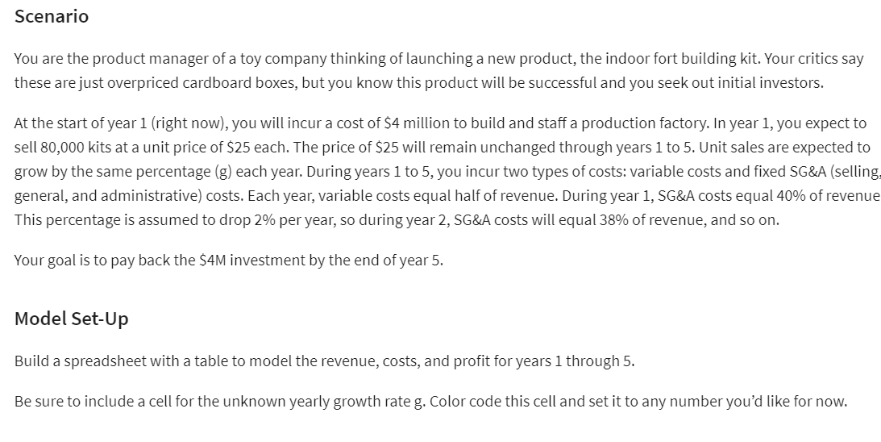
 |  |  |  |  |  |  |  |  | PROFIT : | 4,000,000 |  | =SUM(K3:K7)
 |  |  |  |  |  |  |  |  | TOTOAL PROFIT : | -0 |  | =K8-4000000
 |  |  | Sales GR % : | 48.8%
SELLING PRICE: | 25
UNITS SOLD: | 177,244 |  |  | 21.9 | 48.8 | 73.4 | 82.6
GROWTH RATE %: |  |  | 1 | 200,000 | 200,000 | 200,000 | 200,000
VARIABLE COST: | 2,215,551 | =B17/2 | 2 | 292,560 | 357120 | 416160
FIXED COST: | 1,595,197 | =B20*B17 | 3 | 416,069 | 619960 | 841892
TOTAL COST: | 3,810,748 | =B14+B15 | 4 | 579,644 | 1054287 | 1668389
REVENUE: | 4,431,102 | =B11*B12 | 5 | 794,909 | 1764876
PROFIT: | 620,354 | =B17-B16 | TOTAL | 2,283,182 | 3,996,243
YEAR: | 3
FIXED RATE -%: | 36% | =VLOOKUP($B$19,A23:B43,2,FALSE)

1 | 40% |  | 1 | 80,000
2 | 38% |  | 2 | 119,078
3 | 36% |  | 3 | 177,244
4 | 34% |  | 4 | 263,823 |  |  |  |  |  |  | YEAR
5 | 32% |  | 5 | 392,693 |  |  | 620,354 | 1 | 2 | 3 | 4 | 5 | TOTAL PROFIT
6 | 30% |  | 6 | 584,513 |  |  | 2 | 200,000 | 720,000 | 2,520,000 | 8,640,000 | 29,160,000
7 | 28% |  | 7 | 870,032 |  |  | 4 | 200,000 | 1,200,000 | 7,000,000 | 40,000,000 | 225,000,000
8 | 26% |  | 8 | 1,295,019 |  |  | 6 | 200,000 | 1,680,000 | 13,720,000 | 109,760,000 | 864,360,000
9 | 24% |  | 9 | 1,927,601 |  |  | 8 | 200,000 | 2,160,000 | 22,680,000 | 233,280,000 | 2,361,960,000
10 | 22% |  | 10 | 2,869,182 |  |  | 10 | 200,000 | 2,640,000 | 33,880,000 | 425,920,000 | 5,270,760,000
11 | 20% |  | 11 | 4,270,699 |  |  | 12 | 200,000 | 3,120,000 | 47,320,000 | 703,040,000 | 10,281,960,000
12 | 18% |  | 12 | 6,356,819 |  |  | 14 | 200,000 | 3,600,000 | 63,000,000 | 1,080,000,000 | 18,225,000,000
13 | 16% |  | 13 | 9,461,952 |  |  | 16 | 200,000 | 4,080,000 | 80,920,000 | 1,572,160,000 | 30,067,560,000
14 | 14% |  | 14 | 14,083,857 |  |  | 18 | 200,000 | 4,560,000 | 101,080,000 | 2,194,880,000 | 46,915,560,000
15 | 12% |  | 15 | 20,963,438 |  |  | 20 | 200,000 | 5,040,000 | 123,480,000 | 2,963,520,000 | 70,013,160,000
16 | 10% |  | 16 | 31,203,507 |  |  | 22 | 200,000 | 5,520,000 | 148,120,000 | 3,893,440,000 | 100,742,760,000
17 | 8% |  | 17 | 46,445,571 |  |  | 24 | 200,000 | 6,000,000 | 175,000,000 | 5,000,000,000 | 140,625,000,000
18 | 6% |  | 18 | 69,132,968 |  |  | 26 | 200,000 | 6,480,000 | 204,120,000 | 6,298,560,000 | 191,318,760,000
19 | 4% |  | 19 | 102,902,541 |  |  | 28 | 200,000 | 6,960,000 | 235,480,000 | 7,804,480,000 | 254,621,160,000
20 | 2% |  | 20 | 153,167,630 |  |  | 30 | 200,000 | 7,440,000 | 269,080,000 | 9,533,120,000 | 332,467,560,000
21 | 0% |  | 21 | 227,985,847 |  |  | 32 | 200,000 | 7,920,000 | 304,920,000 | 11,499,840,000 | 426,931,560,000
 |  |  |  |  |  |  | 34 | 200,000 | 8,400,000 | 343,000,000 | 13,720,000,000 | 540,225,000,000
 |  |  |  |  |  |  | 36 | 200,000 | 8,880,000 | 383,320,000 | 16,208,960,000 | 674,697,960,000
 |  |  |  |  |  |  | 38 | 200,000 | 9,360,000 | 425,880,000 | 18,982,080,000 | 832,838,760,000
 |  |  |  |  |  |  | 40 | 200,000 | 9,840,000 | 470,680,000 | 22,054,720,000 | 1,017,273,960,000
 |  |  |  |  |  |  | 42 | 200,000 | 10,320,000 | 517,720,000 | 25,442,240,000 | 1,230,768,360,000
 |  |  |  |  |  |  | 44 | 200,000 | 10,800,000 | 567,000,000 | 29,160,000,000 | 1,476,225,000,000
 |  |  |  |  |  |  | 46 | 200,000 | 11,280,000 | 618,520,000 | 33,223,360,000 | 1,756,685,160,000
 |  |  |  |  |  |  | 48 | 200,000 | 11,760,000 | 672,280,000 | 37,647,680,000 | 2,075,328,360,000
 |  |  |  |  |  |  | 50 | 200,000 | 12,240,000 | 728,280,000 | 42,448,320,000 | 2,435,472,360,000
 |  |  |  |  |  |  | 52 | 200,000 | 12,720,000 | 786,520,000 | 47,640,640,000 | 2,840,573,160,000
 |  |  |  |  |  |  | 54 | 200,000 | 13,200,000 | 847,000,000 | 53,240,000,000 | 3,294,225,000,000
 |  |  |  |  |  |  | 56 | 200,000 | 13,680,000 | 909,720,000 | 59,261,760,000 | 3,800,160,360,000
 |  |  |  |  |  |  | 58 | 200,000 | 14,160,000 | 974,680,000 | 65,721,280,000 | 4,362,249,960,000
 |  |  |  |  |  |  | 60 | 200,000 | 14,640,000 | 1,041,880,000 | 72,633,920,000 | 4,984,502,760,000
 |  |  |  |  |  |  | 62 | 200,000 | 15,120,000 | 1,111,320,000 | 80,015,040,000 | 5,671,065,960,000
 |  |  |  |  |  |  | 64 | 200,000 | 15,600,000 | 1,183,000,000 | 87,880,000,000 | 6,426,225,000,000
 |  |  |  |  |  |  | 66 | 200,000 | 16,080,000 | 1,256,920,000 | 96,244,160,000 | 7,254,403,560,000
 |  |  |  |  |  |  | 68 | 200,000 | 16,560,000 | 1,333,080,000 | 105,122,880,000 | 8,160,163,560,000
 |  |  |  |  |  |  | 70 | 200,000 | 17,040,000 | 1,411,480,000 | 114,531,520,000 | 9,148,205,160,000
 |  |  |  |  |  |  | 72 | 200,000 | 17,520,000 | 1,492,120,000 | 124,485,440,000 | 10,223,366,760,000
 |  |  |  |  |  |  | 74 | 200,000 | 18,000,000 | 1,575,000,000 | 135,000,000,000 | 11,390,625,000,000
 |  |  |  |  |  |  | 76 | 200,000 | 18,480,000 | 1,660,120,000 | 146,090,560,000 | 12,655,094,760,000
 |  |  |  |  |  |  | 78 | 200,000 | 18,960,000 | 1,747,480,000 | 157,772,480,000 | 14,022,029,160,000
 |  |  |  |  |  |  | 80 | 200,000 | 19,440,000 | 1,837,080,000 | 170,061,120,000 | 15,496,819,560,000
 |  |  |  |  |  |  | 82 | 200,000 | 19,920,000 | 1,928,920,000 | 182,971,840,000 | 17,084,995,560,000
 |  |  |  |  |  |  | 84 | 200,000 | 20,400,000 | 2,023,000,000 | 196,520,000,000 | 18,792,225,000,000
 |  |  |  |  |  |  | 86 | 200,000 | 20,880,000 | 2,119,320,000 | 210,720,960,000 | 20,624,313,960,000
 |  |  |  |  |  |  | 88 | 200,000 | 21,360,000 | 2,217,880,000 | 225,590,080,000 | 22,587,206,760,000

LP_2
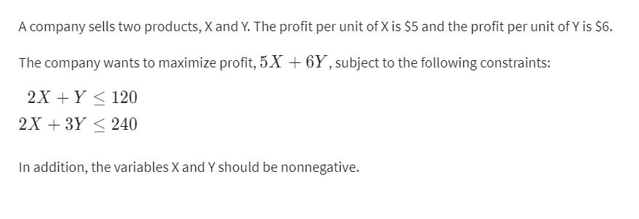
 | X | Y
VARIBLES | 30.000000782 | 59.999998435

PROFIT: | 7 | 6
OBJECTIVE [MAX] | 569.99999609

CONSTRAINTS |  |  | LHS | SIGN | RHS
F_1 | 2 | 1 | 120 | <= | 120
F_2 | 2 | 3 | 239.99999687 | <= | 240

LP_3
 | X | Y |  |  | X : | BASIC | COST: | COMPONENT PARTS [C.P] | ASEMBLING [A.S] HOURS | TESTING [T.S] HOURS |  | ASSEMBLY | TESTING
VARIABLES | 560 | 1200 | <-- DUMMY |  | Y: | XP |  |  |  |  | MAX | 10000 | 3000 | <-- HOURS
X + Y : | 1760 |  |  |  |  |  | BASIC : | 150 | 5 | 1 | COST/HOUR | 11 | 15 | <-- COST
PRIZE: | 300 | 450 |  |  |  |  | XP : | 225 | 6 | 2 | BASIC : | 2800 | 560 | <-- TOTAL HRS
REVENUE : | 708000 |  | =SUMPRODUCT(B2:C2,B4:C4) |  |  |  | COST : | 354000 | 110000 | 44400 | XP : | 7200 | 2400 | <-- TOTAL HRS
TOTAL COST : | 508400 |  | =SUM(J5:L5) |  |  |  |  |  |  |  | TOTAL HRS : | 10000 | 2960
MAXIMIZE [NET PROFIT] | 199600 |  | =B5-B6

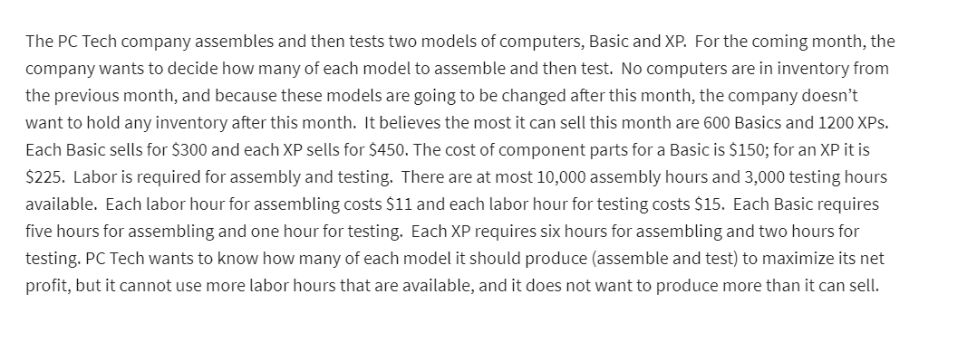
CONSTRAINTS : |  |  | LHS | SIGN | RHS
AT MOST<- X=600 | X |  | 560 | <= | 600
ASSEMBLY AT MOST <- 10000 | 5 | 6 | 10000 | <= | 10000
TESTING AT MOST <- 3000 | 1 | 2 | 2960 | <= | 3000
AT MOST Y = 1200 |  | Y | 1200 | <= | 1200
SUMMARY : | AT X = 560 & AT Y = 1200 NET PROFIT IS MAX

QUIZ_FURNITURE

 | BENCHES | TABLES
VARIABLES | X | Y
QUANTITY | 260 | 35

PROFIT PER OBJECT | 12 | 20
LABOR HRS REQ | 4 | 6
TEAK REQ | 9 | 36
TOTAL PROFIT : | 3820 |  | <-- MAX

CONSTRAINTS : |  |  | LHS | SIGN | RHS
LAB HRS AVAILABLE | 4 | 6 | 1250 | <= | 1250
TEAK AVAILABLE | 9 | 36 | 3600 | <= | 3600

HORSE
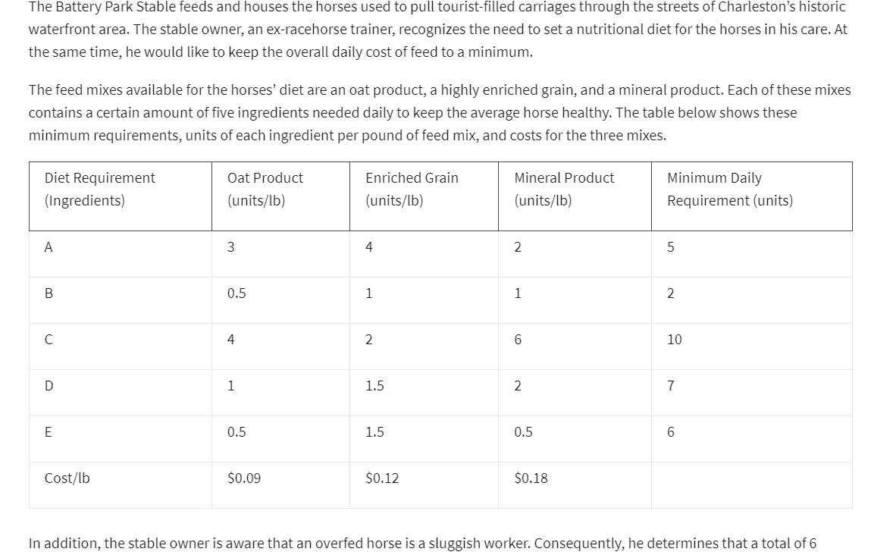
 | OATS | ERICHED GRAIN | MINERAL PRODUCT | MIN REQ
VARIABLES | X | Y | Z
QUANTITY | 0.25 | 4.5 | 0
A | 3 | 4 | 2 | 5
B | 0.5 | 1 | 1 | 2
C | 4 | 2 | 6 | 10
D | 1 | 1.5 | 2 | 7
E | 0.5 | 1.5 | 0.5 | 6
COST/LB | 0.09 | 0.12 | 0.18

TOTAL COST : | 0.5625 | <-- MIN

CONSTRAINTS : |  |  |  | LHS | SIGN | RHS
A | 3 | 4 | 2 | 18.75 | >= | 5
B | 0.5 | 1 | 1 | 4.625 | >= | 2
C | 4 | 2 | 6 | 10 | >= | 10
D | 1 | 1.5 | 2 | 7 | >= | 7
E | 0.5 | 1.5 | 0.5 | 6.875 | >= | 6
QTY | 0.09 | 0.12 | 0.18 | 0.5625 | <= | 0.78

CONCRETE_SALES
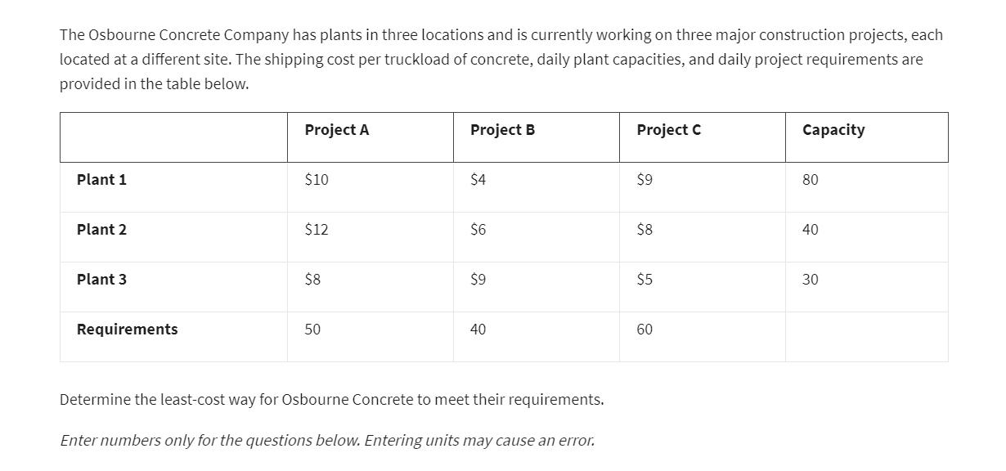
 | PROJECT 1 | PROJECT 2 | PROJECT 3 | CAPACITY
PLANT 1 | 10 | 4 | 9 | 80
PLANT 2 | 12 | 6 | 8 | 40
PLANT 3 | 8 | 9 | 5 | 30
DAILY REQ | 50 | 40 | 60

 | PROJECT 1 | PROJECT 2 | PROJECT 3 | CAPACITY
PLANT 1 | 40 | 40 | 0 | 80
PLANT 2 | 0 | 0 | 40 | 40
PLANT 3 | 10 | 0 | 20 | 30
DAILY REQ | 50 | 40 | 60

TOTAL COST : | 1060 | <-- MIN

TEACHER_SUBJECT

 | STATISTICS | MANAGEMENT | FINANCE | ECONOMICS
BAIN | 80 | 85 | 95 | 40
CAREY | 85 | 30 | 75 | 65
DIO | 90 | 55 | 80 | 70
POWELL | 55 | 80 | 65 | 50

 | STATISTICS | MANAGEMENT | FINANCE | ECONOMICS | LHS | SIGN | RHS
BAIN | 0 | 0 | 1 | 0 | 1 | = | 1
CAREY | 1 | 0 | 0 | 0 | 1 | = | 2
DIO | 0 | 0 | 0 | 1 | 1 | = | 3
POWELL | 0 | 1 | 0 | 0 | 1 | = | 4
LHS | 1 | 1 | 1 | 1
SIGN | = | = | = | =
RHS | 1 | 1 | 1 | 1

GRADE : | 330 | <-- MAX

BB_JERSEY
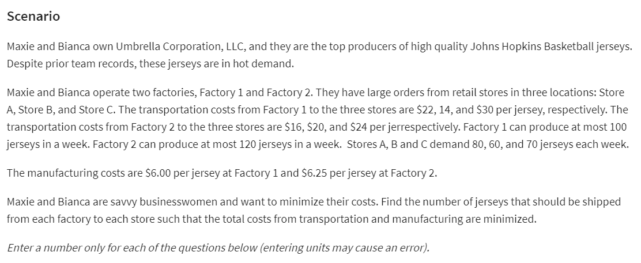
 | STORE_1 | STORE_2 | STORE_3 | CAPACITY
FACTORY_1 | 22 | 14 | 30 | 100
FACTORY_2 | 16 | 20 | 24 | 120
DEMAND | 80 | 60 | 70

 | STORE_1 | STORE_2 | STORE_3 | CAPACITY
FACTORY_1 | 30 | 60 | 0 | 90
FACTORY_2 | 50 | 0 | 70 | 120
DEMAND | 80 | 60 | 70

COST : | 5270

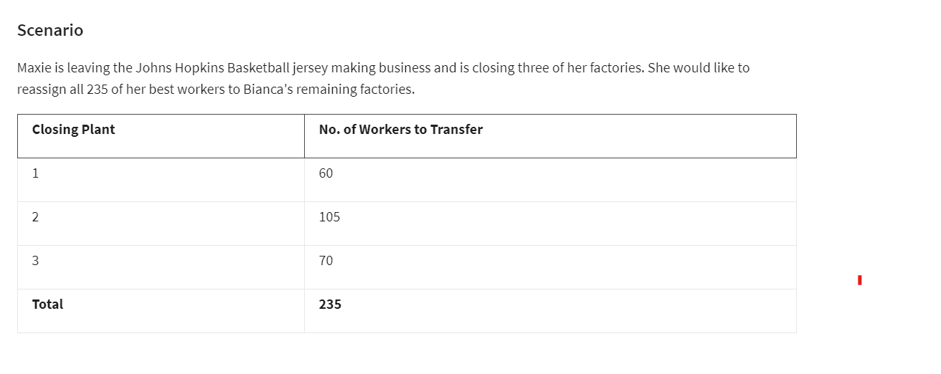

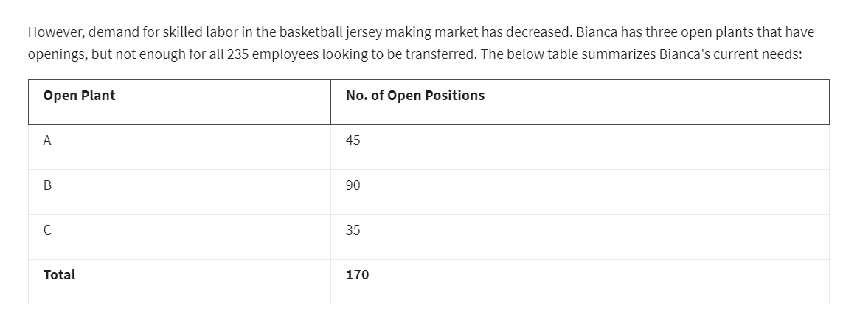

PRODUCTIVITY

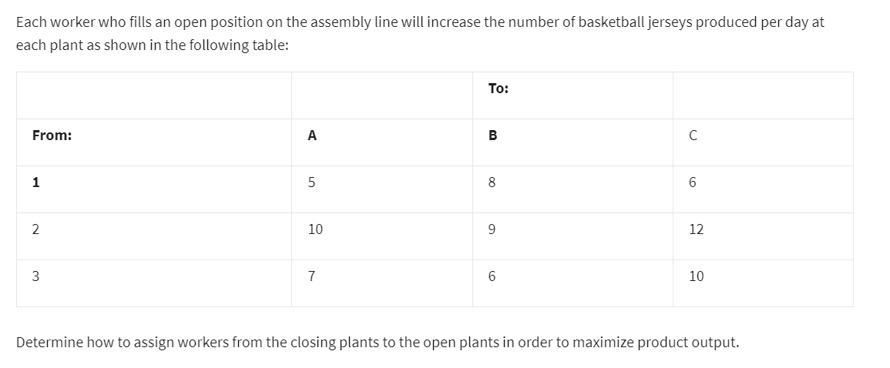
 | TO
FROM | A | B | C
1 | 5 | 8 | 6
2 | 10 | 9 | 12
3 | 7 | 6 | 10

NO OF EMPLOYEE
 | TO
FROM | A | B | C | LHS | SIGN | RHS
1 | 0 | 60 | 0 | 60 | <= | 60
2 | 45 | 30 | 30 | 105 | <= | 105
3 | 0 | 0 | 5 | 5 | <= | 70
LHS | 45 | 90 | 35
SIGN | = | = | =
RHS | 45 | 90 | 35

TOTAL PRODUCTIVITY : | 1610

PHONETOWER
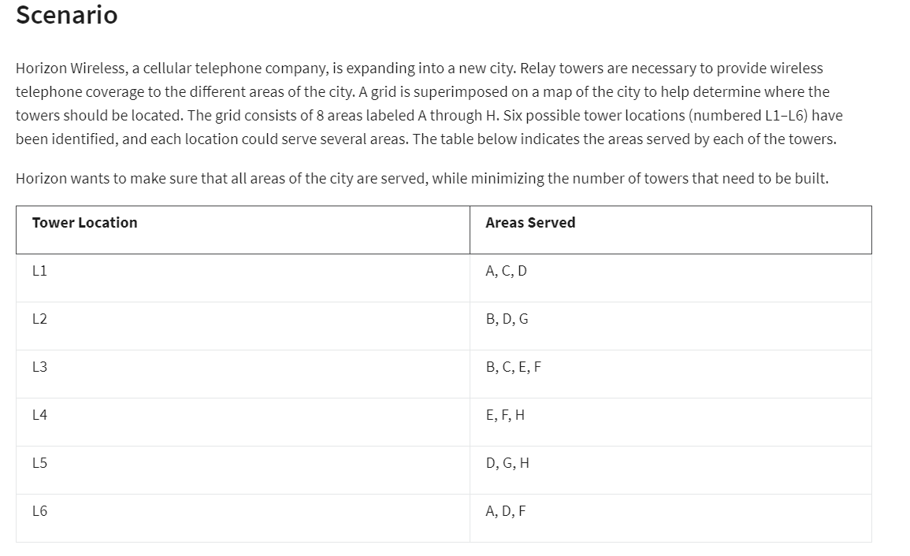
 |  |  |  |  |  |  |  |  |  |  | A | B | C | D | E | F | G | H
 |  |  |  |  |  |  |  |  |  | L1 | 1 | 0 | 1 | 1 | 0 | 0 | 0 | 0
 | L1 | L2 | L3 | L4 | L5 | L6 |  |  |  | L2 |  | 1 |  | 1 |  |  | 1
 | 1 | 1 | 0 | 1 | 0 | 0 |  |  |  | L3 |  | 1 | 1 |  | 1 | 1
 |  |  |  |  |  |  |  |  |  | L4 |  |  |  |  | 1 | 1 |  | 1
A | 1 |  |  |  |  | 1 | 1 | >= | 1 | L5 |  |  |  | 1 |  |  | 1 | 1
B |  | 1 | 1 |  |  |  | 1 | >= | 1 | L6 | 1 |  |  | 1 |  | 1
C | 1 |  | 1 |  |  |  | 1 | >= | 1
D | 1 | 1 |  |  | 1 | 1 | 2 | >= | 1
E |  |  | 1 | 1 |  |  | 1 | >= | 1
F |  |  | 1 | 1 |  | 1 | 1 | >= | 1 |  |  |  |  |  |  |  |  |  | 1 | 1
G |  | 1 |  |  | 1 |  | 1 | >= | 1 |  |  |  |  |  |  |  |  |  | 1 | 1
H |  |  |  | 1 | 1 |  | 1 | >= | 1 |  |  |  |  |  |  |  |  |  | 1 | 1
 |  |  |  |  |  |  |  |  |  |  |  |  |  |  |  |  |  |  | 1 | 1

 | 9

HOTDOG
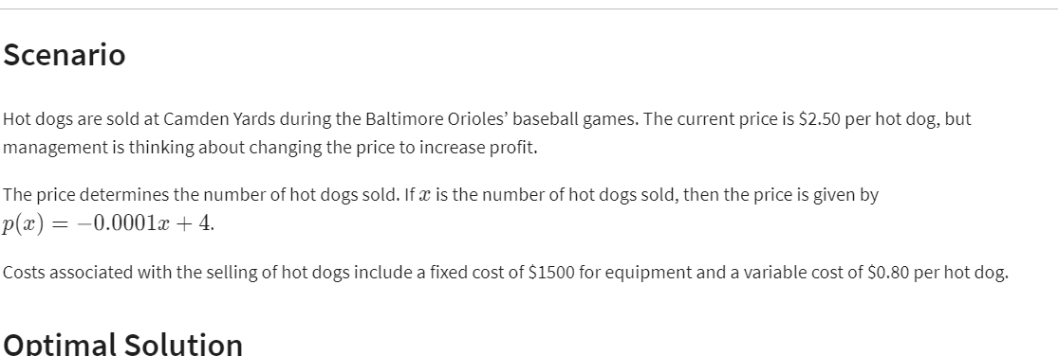
 | X
NO OF HOT DOGS : | 16000
PRICE : | 2.4

COST : | 14300
REVENUE : | 38400
PROFIT : | 24100

2.25 | 2387
2.4 | 24100
1.6 | 17700
2.5 | 24000

