Precedence
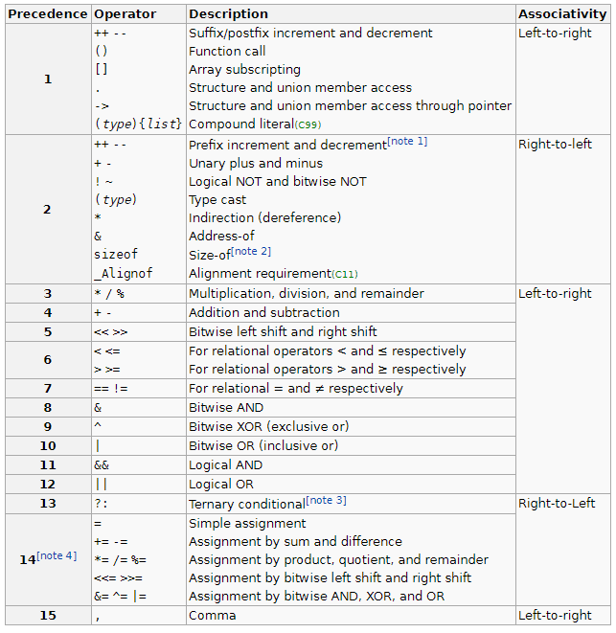
Operator | Priority | Type | Associtivity | GroupPair | Precedence
UADD | 14 | Operator | R-L | 0 | 1
FUNC | 15 | Operand | L-R | 0 | 0
USUB | 14 | Operator | R-L | 0 | 1
EXP | 13 | Operator | R-L | 0 | 2
DIV | 12 | Operator | L-R | 0 | 3
MULT | 12 | Operator | N/A | 0 | 3
ADD | 11 | Operator | L-R | 0 | 4
SUB | 11 | Operator | L-R | 0 | 4
LSHIFT | 10 | Operator | L-R | 0 | 5
RSHIFT | 10 | Operator | L-R | 0 | 5
EQUAL | 9 | Operator | L-R | 0 | 6
GREATER | 9 | Operator | L-R | 0 | 6
GREATEREQ | 9 | Operator | L-R | 0 | 6
LESS | 9 | Operator | L-R | 0 | 6
LESSEQ | 9 | Operator | L-R | 0 | 6
BITAND | 7 | Operator | L-R | 0 | 8
BITOR | 5 | Operator | L-R | 0 | 10
LOGAND | 4 | Operator | L-R | 0 | 11
LOGOR | 3 | Operator | L-R | 0 | 12
COMMA | 0 | Comma | N/A | 0 | 15
Dnumeric | 0 | Operand | L-R | 0 | 15
Identifier | 0 | Operand | N/A | 0 | 15
Ignore | 0 | N/A | N/A | 0 | 15
INumeric | 0 | Operand | N/A | 0 | 15
LPAR | 0 | GroupL | N/A | 1 | 15
N/A | 0 | Operand | N/A | 0 | 15
RPAR | 0 | GroupR | N/A | 1 | 15

