report
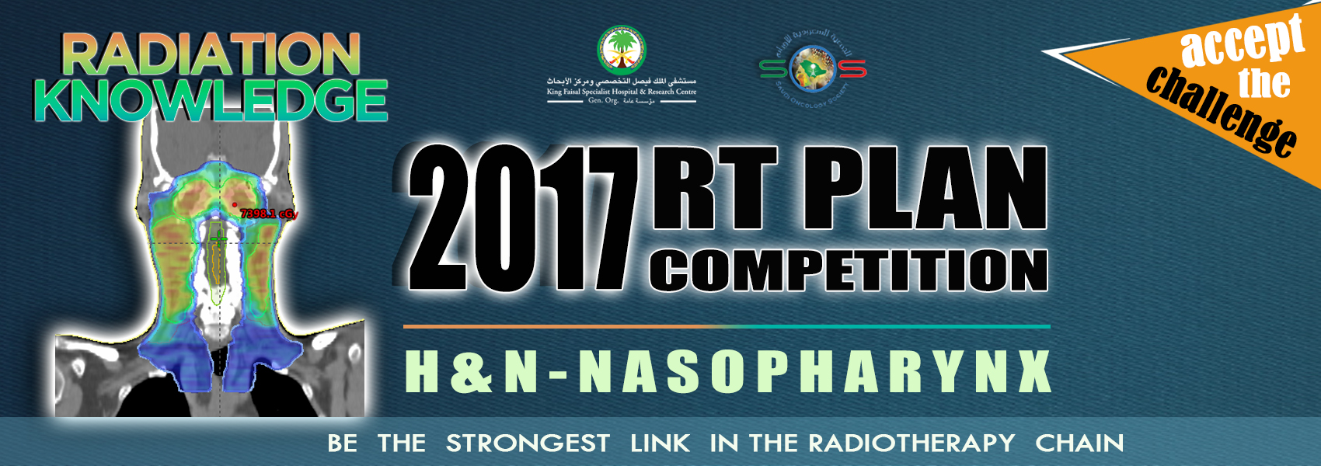

Test_DVH_calculation_report
 | constrain | constrain_value | constrains_type | value_low | value_high | Max Score | Result | Raw Score | Performance
PTV70 | D95 | 95 | lower | 6400.00 | 6650.00 | 5.00 | 6615.35 | 4.31 | 86.1%
PTV63 | D98 | 98 | lower | 5670.00 | 5980.00 | 5.00 | 5908.33 | 3.84 | 76.9%
PTV56 | CI | 5320 | lower | 0.65 | 0.87 | 3.00 | 0.85 | 2.67 | 89.1%
PTV56 | D99 | 99 | lower | 5100.00 | 5320.00 | 5.00 | 5343.91 | 5.00 | 100.0%
OPTIC CHIASM | max | max | upper | 5200.00 | 5500.00 | 4.00 | 4793.00 | 4.00 | 100.0%
OPTIC CHIASM PRV | max | max | upper | 5500.00 | 5800.00 | 3.00 | 5490.00 | 3.00 | 100.0%
OPTIC N. RT | max | max | upper | 5000.00 | 5400.00 | 4.00 | 5106.00 | 2.94 | 73.5%
OPTIC N. RT PRV | max | max | upper | 5500.00 | 5800.00 | 3.00 | 5558.00 | 2.42 | 80.7%
OPTIC N. LT | max | max | upper | 5000.00 | 5400.00 | 4.00 | 5223.00 | 1.77 | 44.3%
OPTIC N. LT PRV | max | max | upper | 5600.00 | 5800.00 | 3.00 | 5545.00 | 3.00 | 100.0%
EYE RT | max | max | upper | 5300.00 | 5600.00 | 2.00 | 5561.00 | 0.26 | 13.0%
EYE LT | max | max | upper | 4800.00 | 5200.00 | 2.00 | 5220.00 | 0.00 | 0.0%
LENS RT | max | max | upper | 1000.00 | 1200.00 | 3.00 | 869.00 | 3.00 | 100.0%
LENS LT | max | max | upper | 1000.00 | 1200.00 | 3.00 | 880.00 | 3.00 | 100.0%
BRAINSTEM | max | max | upper | 5000.00 | 5400.00 | 4.00 | 5114.00 | 2.86 | 71.5%
BRAINSTEM PRV | max | max | upper | 5500.00 | 6000.00 | 2.00 | 6013.00 | 0.00 | 0.0%
SPINAL CORD | max | max | upper | 4000.00 | 4200.00 | 3.00 | 3749.00 | 3.00 | 100.0%
SPINAL CORD PRV | max | max | upper | 4000.00 | 4500.00 | 2.00 | 4489.00 | 0.04 | 2.2%
PAROTID LT | D50 | 50 | upper | 3000.00 | 4000.00 | 2.00 | 5364.61 | 0.00 | 0.0%
LIPS | Dcc | 0.1 | upper | 3000.00 | 3500.00 | 3.00 | 2741.72 | 3.00 | 100.0%
POST NECK | Dcc | 0.1 | upper | 3500.00 | 4000.00 | 3.00 | 3426.59 | 3.00 | 100.0%
ORAL CAVITY | mean_value | mean | upper | 4000.00 | 4500.00 | 3.00 | 3775.87 | 3.00 | 100.0%
LARYNX | mean_value | mean | upper | 4500.00 | 5000.00 | 3.00 | 4199.32 | 3.00 | 100.0%
BRACHIAL PLEXUS | Dcc | 0.1 | upper | 6300.00 | 6600.00 | 5.00 | 6200.07 | 5.00 | 100.0%
ESOPHAGUS | mean_value | mean | upper | 4500.00 | 5000.00 | 3.00 | 2541.60 | 3.00 | 100.0%
PTV70-BR.PLX 4MM | CI | 6650 | lower | 0.65 | 0.90 | 4.00 | 0.92 | 4.00 | 100.0%
PTV70-BR.PLX 4MM | HI | 7000 | upper | 0.08 | 0.13 | 2.00 | 0.10 | 1.03 | 51.5%
PTV63-BR.PLX 1MM | CI | 5980 | lower | 0.65 | 0.88 | 3.00 | 0.89 | 3.00 | 100.0%
PTV63-70 3MM | HI | 6300 | upper | 0.08 | 0.14 | 3.00 | 0.09 | 2.36 | 78.5%
PTV56-63 3MM | HI | 5600 | upper | 0.08 | 0.14 | 3.00 | 0.09 | 2.62 | 87.4%
BODY | Dcc | 0.1 | upper | 7500.00 | 7700.00 | 3.00 | 7258.37 | 3.00 | 100.0%
 |  |  |  |  | Max Score: | 100.00 | Total Score: | 81.13 | 81.1%

