report
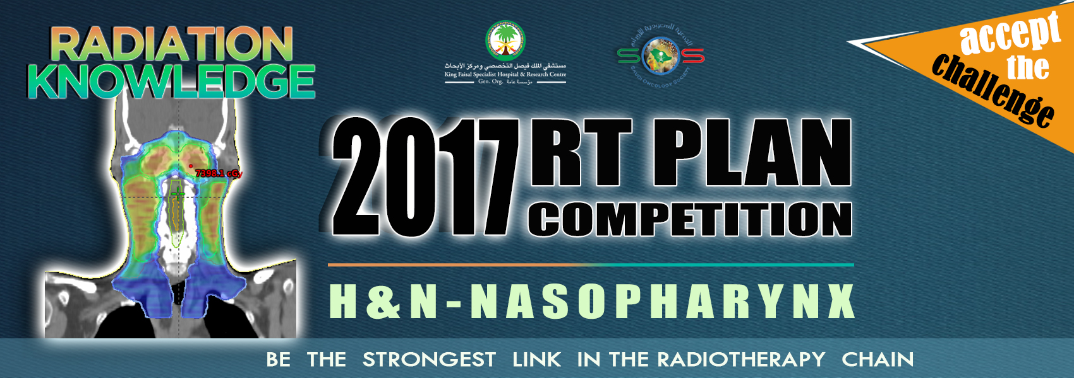

Victor Alves - Clinical Plan - VMAT - Varian-Eclipse
 | constrain | constrain_value | constrains_type | value_low | value_high | Max Score | Result | Raw Score | Performance
PTV70 | D95 | 95 | lower | 6400.00 | 6650.00 | 5.00 | 66.97 | 5.00 | 100.0%
PTV63 | D98 | 98 | lower | 5670.00 | 5980.00 | 5.00 | 60.69 | 5.00 | 100.0%
PTV56 | D99 | 99 | lower | 5100.00 | 5320.00 | 5.00 | 52.39 | 3.17 | 63.3%
OPTIC CHIASM | max | max | upper | 5200.00 | 5500.00 | 4.00 | 49.87 | 4.00 | 100.0%
OPTIC CHIASM PRV | max | max | upper | 5500.00 | 5800.00 | 3.00 | 55.54 | 2.46 | 82.0%
OPTIC N. RT | max | max | upper | 5000.00 | 5400.00 | 4.00 | 50.04 | 3.96 | 99.0%
OPTIC N. RT PRV | max | max | upper | 5500.00 | 5800.00 | 3.00 | 55.07 | 2.93 | 97.7%
OPTIC N. LT | max | max | upper | 5000.00 | 5400.00 | 4.00 | 50.85 | 3.15 | 78.8%
OPTIC N. LT PRV | max | max | upper | 5600.00 | 5800.00 | 3.00 | 55.95 | 3.00 | 100.0%
EYE RT | max | max | upper | 5300.00 | 5600.00 | 2.00 | 49.62 | 2.00 | 100.0%
EYE LT | max | max | upper | 4800.00 | 5200.00 | 2.00 | 46.63 | 2.00 | 100.0%
LENS RT | max | max | upper | 1000.00 | 1200.00 | 3.00 | 10.52 | 2.22 | 74.0%
LENS LT | max | max | upper | 1000.00 | 1200.00 | 3.00 | 10.87 | 1.70 | 56.5%
BRAINSTEM | max | max | upper | 5000.00 | 5400.00 | 4.00 | 52.15 | 1.85 | 46.3%
BRAINSTEM PRV | max | max | upper | 5500.00 | 6000.00 | 2.00 | 59.30 | 0.28 | 14.0%
SPINAL CORD | max | max | upper | 4000.00 | 4200.00 | 3.00 | 38.71 | 3.00 | 100.0%
SPINAL CORD PRV | max | max | upper | 4000.00 | 4500.00 | 2.00 | 44.94 | 0.02 | 1.2%
PAROTID LT | D50 | 50 | upper | 3000.00 | 4000.00 | 2.00 | 36.22 | 0.76 | 37.8%
LIPS | Dcc | 0.1 | upper | 3000.00 | 3500.00 | 3.00 | 33.05 | 1.17 | 39.0%
POST NECK | Dcc | 0.1 | upper | 3500.00 | 4000.00 | 3.00 | 29.46 | 3.00 | 100.0%
ORAL CAVITY | mean_value | mean | upper | 4000.00 | 4500.00 | 3.00 | 40.87 | 2.48 | 82.5%
LARYNX | mean_value | mean | upper | 4500.00 | 5000.00 | 3.00 | 45.03 | 2.98 | 99.4%
BRACHIAL PLEXUS | Dcc | 0.1 | upper | 6300.00 | 6600.00 | 5.00 | 67.25 | 0.00 | 0.0%
ESOPHAGUS | mean_value | mean | upper | 4500.00 | 5000.00 | 3.00 | 28.21 | 3.00 | 100.0%
PTV70-BR.PLX 4MM | CI | 6650 | lower | 0.65 | 0.90 | 4.00 | 0.68 | 0.55 | 13.7%
PTV70-BR.PLX 4MM | HI | 7000 | upper | 0.08 | 0.13 | 2.00 | 0.14 | 0.00 | 0.0%
PTV63-BR.PLX 1MM | CI | 5980 | lower | 0.65 | 0.88 | 3.00 | 0.75 | 1.30 | 43.3%
PTV63-70 3MM | HI | 6300 | upper | 0.08 | 0.14 | 3.00 | 0.18 | 0.00 | 0.0%
PTV56 | CI | 5320 | lower | 0.65 | 0.87 | 3.00 | 0.72 | 0.99 | 33.1%
PTV56-63 3MM | HI | 5600 | upper | 0.08 | 0.14 | 3.00 | 0.30 | 0.00 | 0.0%
BODY | Dcc | 0.1 | upper | 7500.00 | 7700.00 | 3.00 | 74.52 | 3.00 | 100.0%
 |  |  |  |  | Max Score: | 100.00 | Total Score: | 64.96 | 65.0%

