Sheet1
285188 | AIL | ZZ0014140 | 12 | 2015 | 15503 | 6560 | 2016-06-03 15:16:28 | 2015-2016 | 8.8 | 0
363236 | AIL | ZZ0014140 | 12 | 2016 | 142239 | 84260 | 2017-05-11 16:16:15 | 2016-2017 | 8.65 | 0
398387 | AIL | ZZ0014140 | 12 | 2017 | 262777 | 161691 | 2018-06-26 12:28:00 | 2017-2018 | 9.5 | 0
535725 | AIL | ZZ0014140 | 12 | 2018 | 285507 | 175677 | 2019-11-11 15:02:04 | 2018-2019 | 8.65 | 0
609179 | AIL | ZZ0014140 | 12 | 2019 | 310203 | 190873 | 2020-04-03 11:58:46 | 2019-2020 | 8.65 | 0
662126 | AIL | ZZ0014140 | 12 | 2020 | 312413 | 192233 | 2020-04-22 18:45:24 | 2020-2021 | 8.65 | 0

 | 401865 | BECTON | 10821 | 12 | 2017 | 322563 | 267980 | 2019-11-12 14:45:48 | 2017-2018 | 8.55 | 0
 | 539466 | BECTON | 10821 | 12 | 2018 | 322563 | 267980 | 2019-11-12 15:14:40 | 2018-2019 | 8.65 | 0
 | 613584 | BECTON | 10821 | 12 | 2019 | 322563 | 267980 | 2020-04-28 15:46:08 | 2019-2020 | 8.65 | 0
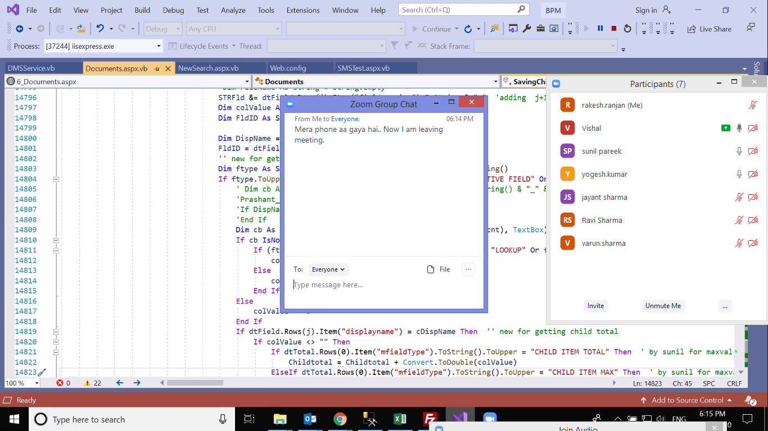
 | 666128 | BECTON | 10821 | 12 | 2020 | 322563 | 267980 | 2020-04-28 15:49:55 | 2020-2021 | 8.65 | 0

