Usage Instructions
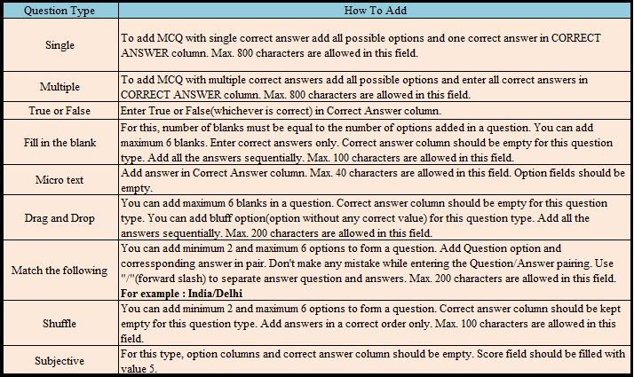
Q type | Level | Skill | Sub-skill | Topic | Score | Question text | Option 1/ Answer 1 | Option 2/ Answer 2 | Option 3/ Answer 3 | Option 4/ Answer 4 | Option 5/ Answer 5 | Option 6/ Answer 6 | Correct Answer
Single | Mandatory fields for all types of question |  |  |  |  | Add question (Max 5000 characters are allowed) | Option 1 | Option 2 | Option 3 | Option 4 | Option 5 | Option 6 | Add corect answer in this column.
Multiple |  |  |  |  |  | Add question (Max 5000 characters are allowed) | Option 1 | Option 2 | Option 3 | Option 4 | Option 5 | Option 6 | Here,you can add multiple correct answers if applicable.
True/ False |  |  |  |  |  | Add question (Max 5000 characters are allowed) |  |  |  |  |  |  | Add answer as a True or False/ T or F. Mention only which is applicable.
Fill in the Blank |  |  |  |  |  | Add question,(Max 5000 characters are allowed). To insert a blank add XXXX in a question. | Answer for 1st blank | Answer for 2nd blank | Answer for 3rd blank | Answer for 4th blank | Answer for 5th blank | Answer for 6th blank
Micro Text |  |  |  |  |  | Add question (Max 5000 characters are allowed) |  |  |  |  |  |  | Add answer for micro text.(Max 40 characters are allowed.)
Shuffle |  |  |  |  |  | Add question (Max 5000 characters are allowed) | Enter Answer 1 | Enter Answer 2 | Enter Answer 3 | Enter Answer 4 | Enter Answer 5 | Enter Answer 6
Drag and Drop |  |  |  |  |  | Add question (Max 5000 characters are allowed). To insert a blank add XXXX in a question. | Answer for 1st blank | Answer for 2nd blank | Answer for 3rd blank | Answer for 4th blank | Answer for 5th blank | Answer for 6th blank
Match the Following |  |  |  |  |  | Add question text (Max 5000 characters are allowed) | Question option/ Answer | Question option/ Answer | Question option/ Answer | Question option/ Answer | Question option/ Answer | Question option/ Answer
Subjective |  |  |  |  |  | Add question text (Max 5000 characters are allowed)

Read below instructions carefully before start creating the questions

