charts
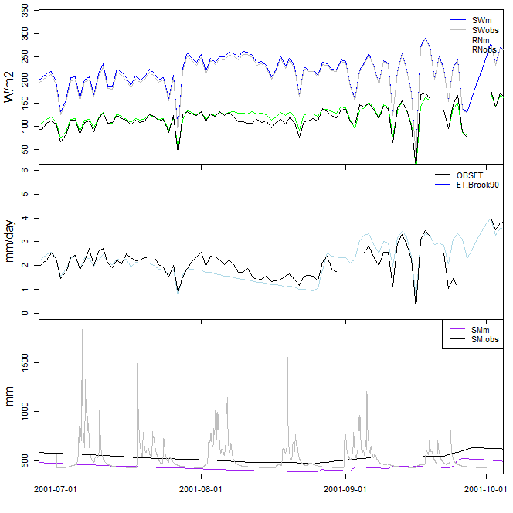
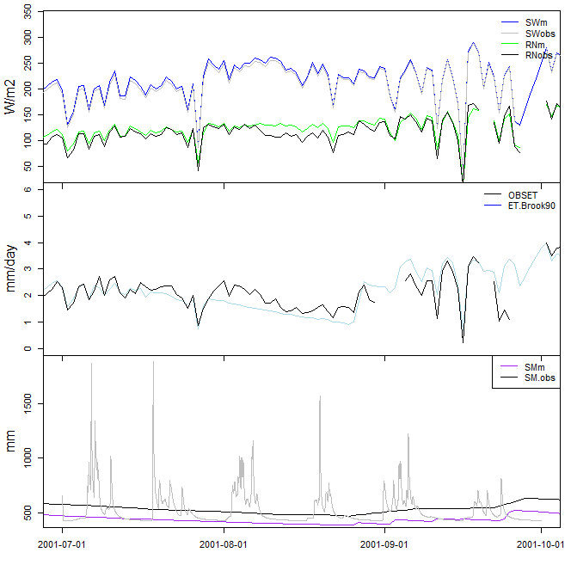
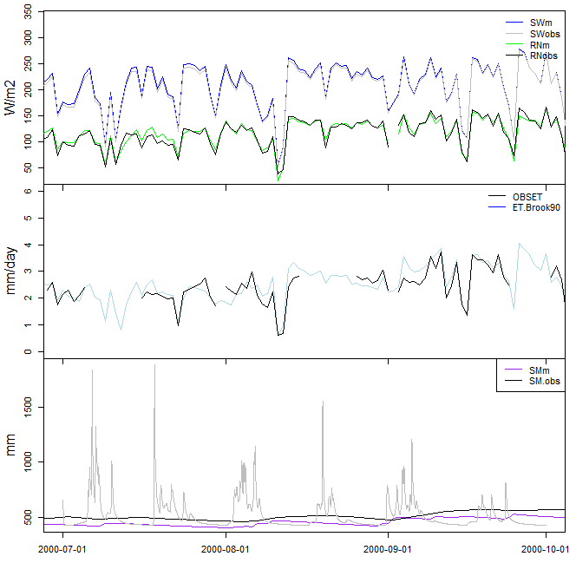
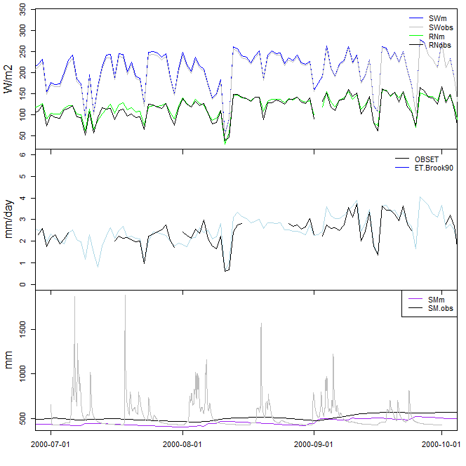
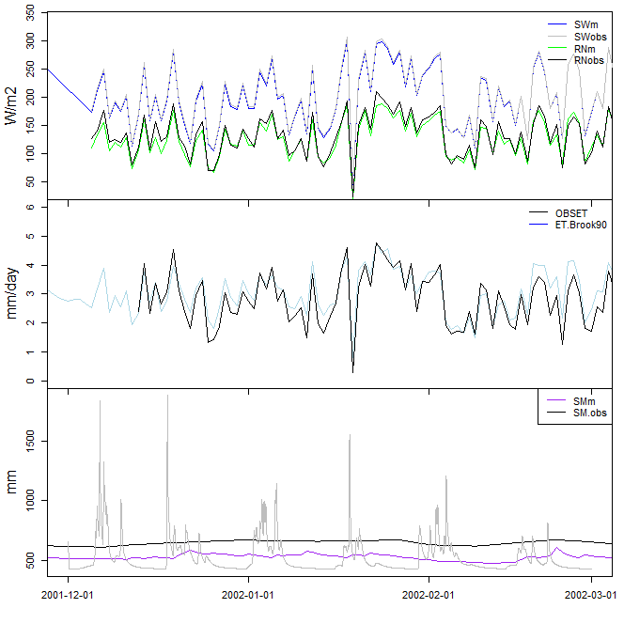
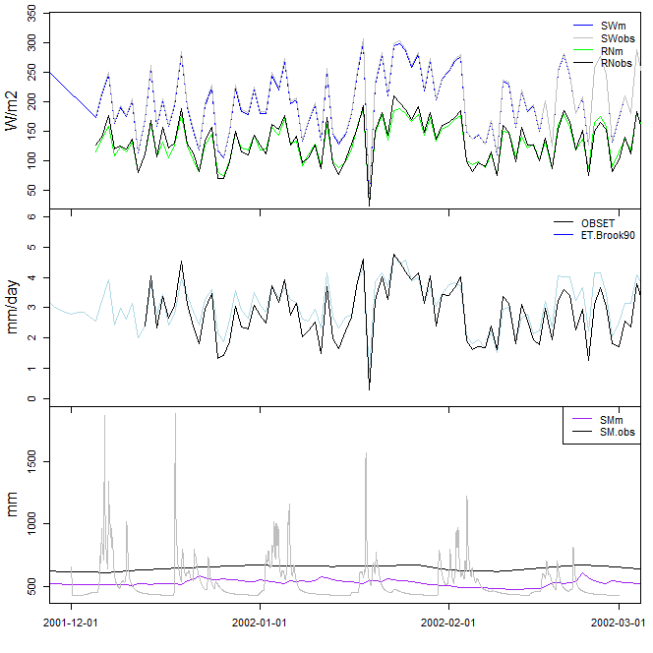
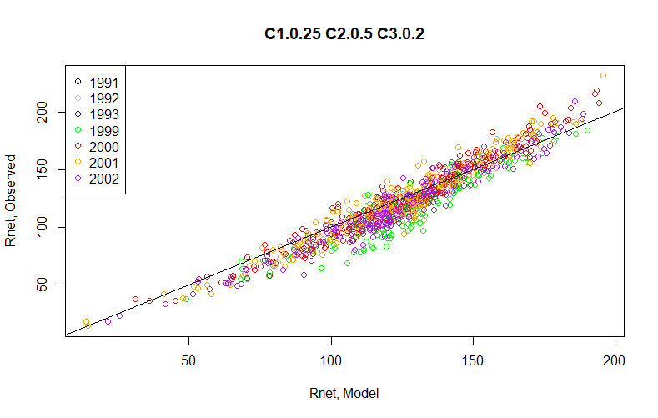

C1.0.25.C2.0.5.C3.0.3 | C1.0.25.C2.0.5.C3.0.2

withABRACOS
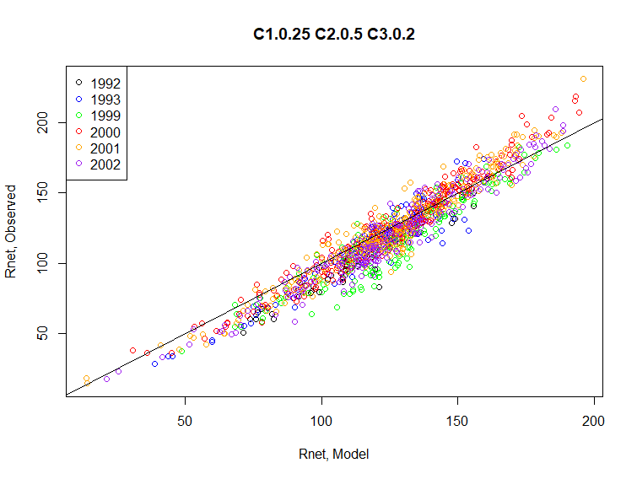
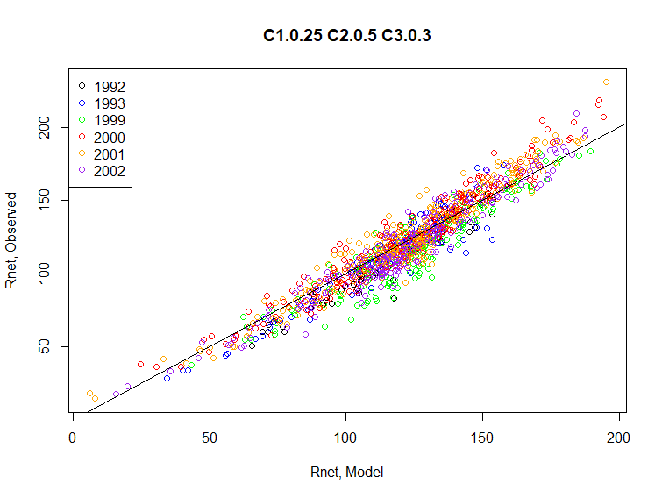
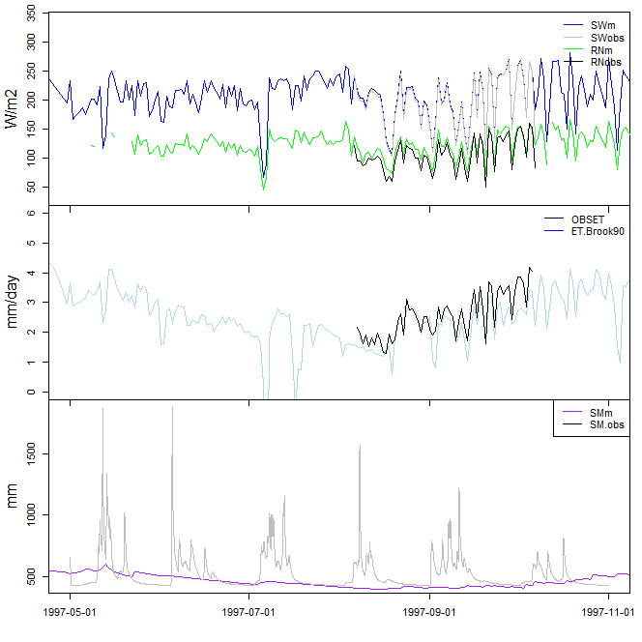
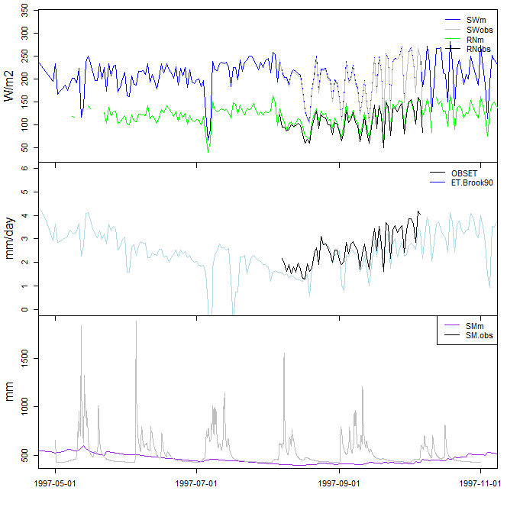
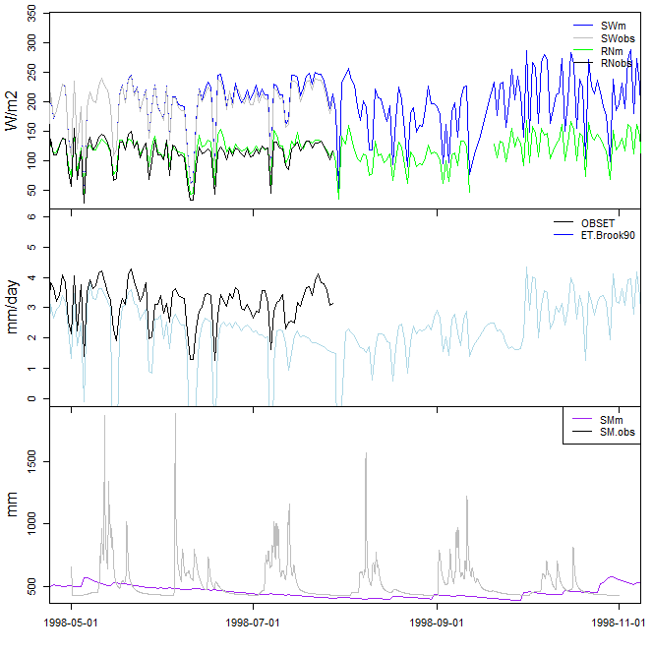

 | C1.0.25.C2.0.5.C3.0.2 | C1.0.25.C2.0.5.C3.0.3 | C1.0.25.C2.0.5.C3.0.26 | Federer Eq B2 for CLDCOR | change, C3 0.3 to C3 0.2 | Mean RN | nRMSE | C1.0.25.C2.0.5.C3.0.2 | C1.0.25.C2.0.5.C3.0.3 | C1.0.25.C2.0.5.C3.0.26
1 | 10.34 | 12.19 | 11.35 | 10.56 | 1.85 | 132.7264616 |  | 7.8 | 9.2 | 8.6
2 | 8.73 | 8.96 | 8.69 | 8.76 | 0.23 | 125.70239373 |  | 6.9 | 7.1 | 6.9
3 | 9.28 | 7.78 | 8.25 | 9.63 | -1.5 | 126.97757552 |  | 7.3 | 6.1 | 6.5
4 | 7.86 | 7.33 | 7.4 | 7.86 | -0.53 | 128.5972419 |  | 6.1 | 5.7 | 5.8
5 | 9.99 | 8.49 | 9.01 | 10.24 | -1.5 | 110.16525615 |  | 9.1 | 7.7 | 8.2
6 | 11.99 | 10.55 | 11.08 | 12.16 | -1.44 | 102.37796692 |  | 11.7 | 10.3 | 10.8
7 | 10.75 | 9.22 | 9.78 | 10.76 | -1.53 | 106.91963849 |  | 10.1 | 8.6 | 9.1
8 | 16.4 | 14.41 | 15.17 | 16.4 | -1.99 | 107.16538134 |  | 15.3 | 13.4 | 14.2
9 | 10.33 | 8.85 | 9.32 | 10.46 | -1.48 | 121.53527235 |  | 8.5 | 7.3 | 7.7
10 | 8.73 | 8.76 | 8.62 | 8.73 | 0.03 | 138.71779575 |  | 6.3 | 6.3 | 6.2
11 | 9.61 | 11.64 | 10.73 | 9.62 | 2.03 | 143.14619478 |  | 6.7 | 8.1 | 7.5
12 | 11.51 | 13.39 | 12.54 | 11.61 | 1.88 | 131.80052039 |  | 8.7 | 10.2 | 9.5
Ann | 10.98 | 10.19 | 10.41 | 11.08 | -0.79 | 122.98597491 |  | 8.9 | 8.3 | 8.5

Mean dry season | 12.3675 | 10.7575 | 11.3375 |  |  | 109.49956477 |  | 11.4 | 9.9 | 10.45
Mean wet season | 9.544 | 9.93 | 9.646 |  |  | 129.16083863 |  | 7.36 | 7.66 | 7.46
 | C3=0.26 follows Jacobs 1978 (assuming n/N = 1-cloud cover)

