Sheet1
 | Discretized Data |  |  |  |  |  |  | Split-Occupation | PL | PR | Level | P(j|tL) | P(j|tR) | 2PL PR | Q(s|t) | Φ(s|t) | Candidate Splits
 | Occupation | Gender | Age | Age Level | Salary | Salary Level |  | 1(Service) | 0.273 | 0.727 | L1 | 0.333 | 0.125 | 0.397 | 0.583 | 0.231 | 1-Occupation | Service | Management | Sales | Staff
1 | Service | F | 45 | <=50 | 48000 | L3 |  |  |  |  | L2 | 0.333 | 0.250 |  |  |  | 2-Gender | Male | Female
2 |  | M | 25 | <=30 | 25000 | L1 |  |  |  |  | L3 | 0.333 | 0.375 |  |  |  | 3-Age | <=30 | <=40 | <=50
3 |  | M | 33 | <=40 | 35000 | L2 |  |  |  |  | L4 | 0 | 0.250
4 | Management | M | 25 | <=30 | 45000 | L3 |  | 2(Management) | 0.364 | 0.636 | L1 | 0 | 0.286 | 0.463 | 1.429 | 0.661 | H(T)= | 1.9362600275
5 |  | F | 35 | <=40 | 65000 | L4 |  |  |  |  | L2 | 0 | 0.429
6 |  | M | 26 | <=30 | 45000 | L3 |  |  |  |  | L3 | 0.5 | 0.286 |  |  |  | 1-Occupation | L1 | L2 | L3 | L4 | Row Total | Percent | Pct*Row Total
7 |  | F | 45 | <=50 | 70000 | L4 |  |  |  |  | L4 | 0.5 | 0.00 |  |  |  | H(Service) | 0.33333333333 | 0.33333333333 | 0.33333333333 | 0 | 1.5849625007 | 0.27272727273 | 0.4322625002
8 | Sales | F | 40 | <=40 | 50000 | L3 |  | 3(Sales) | 0.182 | 0.818 | L1 | 0 | 0.222 | 0.298 | 0.889 | 0.264 | H(Management) | 0 | 0 | 0.5 | 0.5 | 1 | 0.36363636364 | 0.36363636364
9 |  | M | 30 | <=30 | 40000 | L2 |  |  |  |  | L2 | 0.5 | 0.222 |  |  |  | H(Sales) | 0 | 0.5 | 0.5 | 0 | 1 | 0.18181818182 | 0.18181818182
10 | Staff | F | 50 | <=50 | 40000 | L2 |  |  |  |  | L3 | 0.5 | 0.333 |  |  |  | H(Staff) | 0.5 | 0.5 | 0 | 0 | 1 | 0.18181818182 | 0.18181818182
11 |  | M | 25 | <=30 | 25000 | L1 |  |  |  |  | L4 | 0 | 0.222 |  |  |  |  |  |  |  |  |  | Total | 1.1595352275 | Net Gain | 0.77672480006
 |  |  |  |  |  |  |  | 4(Staff) | 0.182 | 0.818 | L1 | 0.5 | 0.111 | 0.298 | 1.333 | 0.397 | 2-Gender | L1 | L2 | L3 | L4 | Row Total | Percent | Pct*Row Total
 |  |  |  |  |  |  |  |  |  |  | L2 | 0.5 | 0.222 |  |  |  | H(Male) | 0.33333333333 | 0.33 | 0.33 | 0 | 1.5849625007 | 0.54545454545 | 0.86452500039
 |  |  |  |  |  |  |  |  |  |  | L3 | 0 | 0.444 |  |  |  | H(Female) | 0 | 0.20 | 0.4 | 0.40 | 1.5219280949 | 0.45454545455 | 0.69178549768
 |  |  |  |  |  |  |  |  |  |  | L4 | 0 | 0.222 |  |  |  |  |  |  |  |  |  | Total | 1.5563104981 | Net Gain | 0.37994952946
 |  |  |  |  |  |  |  |  |  |  |  |  |  |  |  |  | 3-Age | L1 | L2 | L3 | L4 | Row Total | Percent | Pct*Row Total
 |  |  |  |  |  |  |  | Split-Gender | PL | PR | Level | P(j|tL) | P(j|tR) | 2PL PR | Q(s|t) | Φ(s|t) | H(<=30) | 0.4 | 0.2 | 0.4 | 0 | 1.5219280949 | 0.45454545455 | 0.69178549768
 |  |  |  |  |  |  |  | 1(Male) | 0.545 | 0.455 | L1 | 0.333 | 0 | 0.496 | 0.933 | 0.463 | H(<=40) | 0 | 0.33333333333 | 0.33333333333 | 0.33333333333 | 1.5849625007 | 0.27272727273 | 0.4322625002
 |  |  |  |  |  |  |  |  |  |  | L2 | 0.333 | 0.200 |  |  |  | H(<=50) | 0 | 0.33333333333 | 0.33333333333 | 0.33333333333 | 1.5849625007 | 0.27272727273 | 0.4322625002
 |  |  |  |  |  |  |  |  |  |  | L3 | 0.333 | 0.4 |  |  |  |  |  |  |  |  |  | Total | 1.5563104981 | Net Gain | 0.37994952946
 |  |  |  |  |  |  |  |  |  |  | L4 | 0 | 0.400
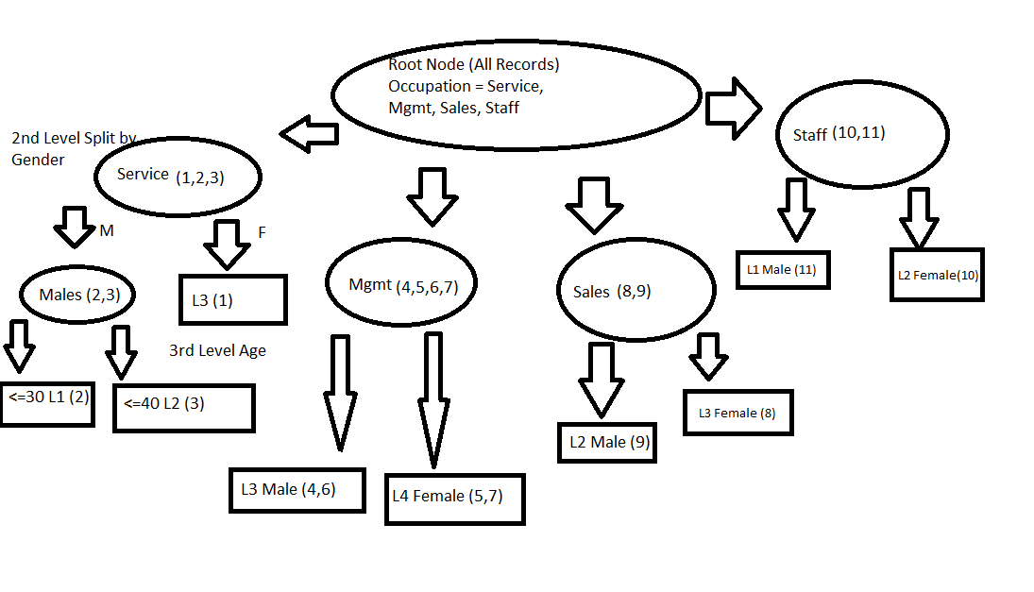
 |  |  |  |  |  |  |  | 2(Female) | 0.455 | 0.545 | L1 | 0 | 0.333 | 0.496 | 0.933 | 0.463
 |  |  |  |  |  |  |  |  |  |  | L2 | 0.200 | 0.333
 |  |  |  |  |  |  |  |  |  |  | L3 | 0.400 | 0.333
 |  |  |  |  |  |  |  |  |  |  | L4 | 0.400 | 0.00

 |  |  |  |  |  |  | WIP | Split-Age | PL | PR | Level | P(j|tL) | P(j|tR) | 2PL PR | Q(s|t) | Φ(s|t)
 |  |  |  |  |  |  |  | 1(<=30) | 0.455 | 0.545 | L1 | 0.400 | 0 | 0.496 | 0.933 | 0.463
 |  |  |  |  |  |  |  |  |  |  | L2 | 0.200 | 0.333
 |  |  |  |  |  |  |  |  |  |  | L3 | 0.400 | 0.333
 |  |  |  |  |  |  |  |  |  |  | L4 | 0 | 0.333
 |  |  |  |  |  |  |  | 2(<=40) | 0.273 | 0.727 | L1 | 0 | 0.250 | 0.397 | 0.583 | 0.231
 |  |  |  |  |  |  |  |  |  |  | L2 | 0.333 | 0.250
 |  |  |  |  |  |  |  |  |  |  | L3 | 0.333 | 0.375
 |  |  |  |  |  |  |  |  |  |  | L4 | 0.333 | 0.125
 |  |  |  |  |  |  |  | 3(<=50) | 0.273 | 0.727 | L1 | 0 | 0.250 | 0.397 | 0.583 | 0.231
 |  |  |  |  |  |  |  |  |  |  | L2 | 0.33333333333 | 0.250
 |  |  |  |  |  |  |  |  |  |  | L3 | 0.33333333333 | 0.375
 |  |  |  |  |  |  |  |  |  |  | L4 | 0.33333333333 | 0.125

 |  |  |  |  |  |  |  |  |  |  |  |  |  |  |  |  |  |  |  |  |  |  |  |  |  |  | Occupation has the highest information gain so I start by splitting the node there. Then I split by gender and then by age. Age and gender have the same information gain, so I split by gender first because it has only 2 splits versus 3 splits if I did age.

