FlowChart
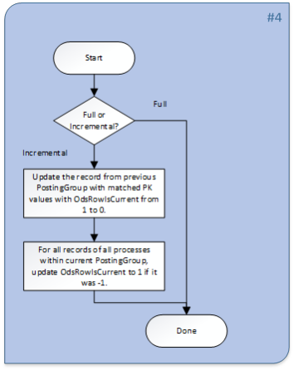
Main Flow Chart:
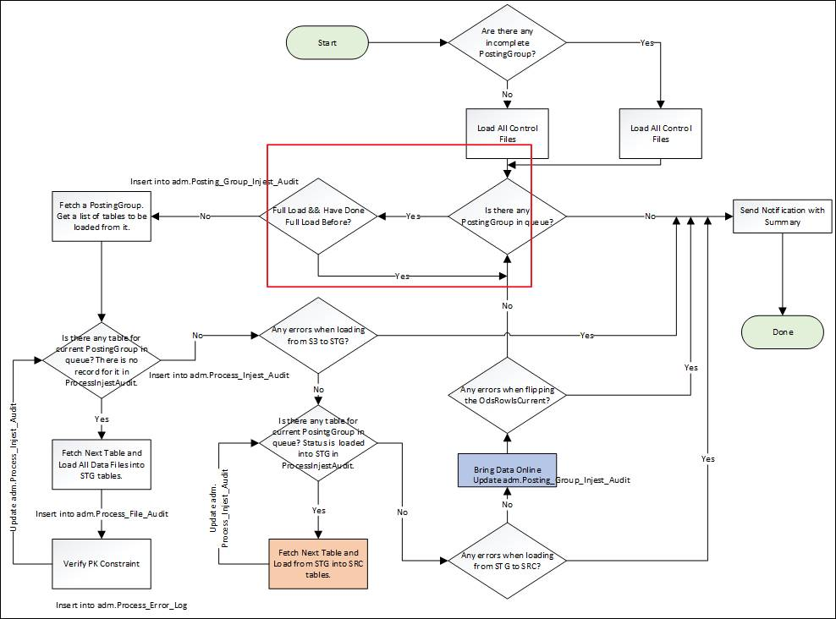

SP Flowchart
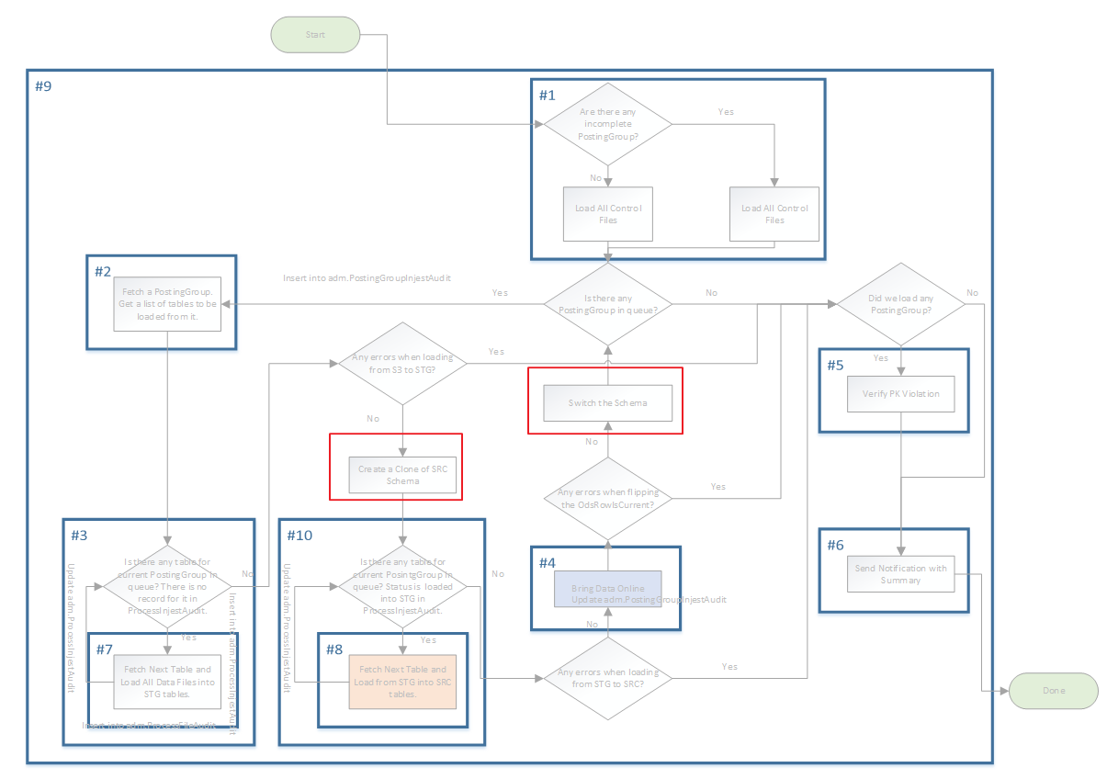

Fetch Next Table

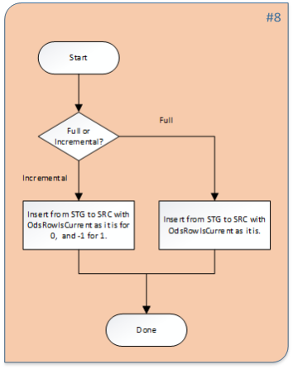

Bring Data Online:

AcsOdsSFInstallationguide
1. ACS ODS in snowflake versions

As of 8/28/2020, we are going to release the following version of the ODS in snowflake:

Release | CM # | CM Date | Build Label | Path to Drop Location
1.0.0.0 |  | 2020-08-27 | SCM_CSG_ODS_DP_SF_1.0RC\20200827.1 | \\cm1nt\Rel\CSG\SCM_CSG_ODS_DP_SF_1.0RC\20200827.1

2. Admin Database Deployment in MS SQL Server
2.1 SSIS Package
1. On Deployment server (Listener) Navigate to Integration Services Catalog
->SSISDB
2. Right click SSISDB Create Folder in SSISDB: Named SnowFlakeReplication or Pick a Different Name
3. Run install.bat from :$/CSG/Enterprise/Database/OperationalDataStore/Snowflake/DecisionPoint/CI/SSIS
a. Install.bat <serverName> NT NT SnowFlakeReplication or name picked in step 2.

2.2 SQL Server Database Objects
To support the generation of data extracts from ODS database, we created objects in a separate database.

The production builds for this are located here:

\\cm1nt\Rel\CSG\SCM_CSG_ODS_DP_SF_<Version>RC\<Build>\drop\OdsDatabaseObjects

Database deployments are done via the batch file Install.bat. The user deploying this code must have sysadmin rights on the SQL server.

TFS path:
$/CSG/Enterprise/Database/OperationalDataStore/Snowflake/DecisionPoint/CI/OdsDatabaseObjects/

Install.bat <InstanceName> nt nt <DatabaseName>
eg. install.bat qsql104ntv nt nt snowflake_admin

2.3 SQL Server Agent Jobs
2.3.1 Full extraction Job
Job Name: "SnowFlake Replication: Full Load"

Update SourceDatabase and OutputPath parameters in configuration

1) SourceDatabase name:
2) Output Path where flat files will generate along with control file. Please make sure output path ends with backslash.

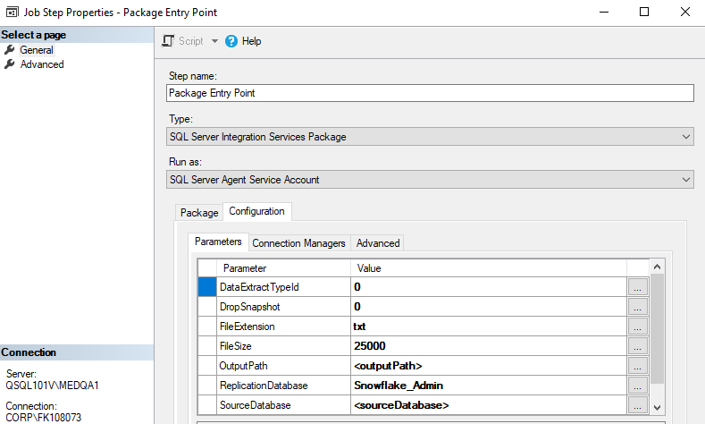
2.3.2 Incremental extraction Job
Job Name: "SnowFlake Replication: Incremental Load"

Update SourceDatabase and Output Path parameters in configuration

1) SourceDatabase name:
2) Output Path where flat files will generate along with control file. Please make sure output path ends with backslash.

Additional Parameter Details:

DataExtractTypeId: Determine if extraction is full or incremental, for full load this need to set as 0.
DropSnapshot: Flag to control dropping of snapshot database.
 | Note: For now, as per discussion we decided to drop snapshots manually after data is loaded successfully to snowflake. Therefore, this parameter is set to 0 in job
Once we have enough confidence then we can set this parameter to 1. Therefore, that it will automatically drop snapshot on successful completion of extraction.
FileExtension: File Extension of flat data files
FileSize: File size threshold for splitting data
 | File size need to provide in MB

(For full load, we have threshold of 25GB so we have set this value to 25000)
(For incremental load, we have threshold of 400MB so we have set this value to 400)

ReplicationDatabase: Database name created on step 2.2, defaulted to Snowflake_Admin

SourceServer: server (Listener) name.

3. ODS Deployment in Snowflake
3.1 Database Objects

The snowflake ODS database stores all of the data replicated from the MS SQL ODS database.

The production builds are located here:

\\cm1nt\Rel\CSG\SCM_CSG_ODS_DP_SF_<Version>RC\<Build>\drop\SnowFlakeDatabase

Database deployments are done via the batch file Install.bat.
1. Please make sure the default browser is not IE, instead you can setup Chrome as the default.
2. Please use SSO to login and deploy.
3. Please copy all the contents within the build directory above to a folder to which you have write permission.
4. Open a command prompt.
5. Change directory to that folder and run the install.bat as below.

In the production environment*:
Install.bat <AccountName>.privatelink <MitchellEmail> <DatabaseName> <DatawarehouseSize>

* If it hangs during the authentication, you can press Ctrl + C to abort and try using the command for the non-production environment as below.

In the non-production environment (e.g. QA and Dev):
Install.bat <AccountName> <MitchellEmail> <DatabaseName> <DatawarehouseSize>

3.2 Snowflake Tasks

3.2.1 Task: ETL_Snowflake_Ods_Load
In order to kick off the master stored procedure, we have scheduled a task:

· ETL_Snowflake_Ods_Load

The task currently runs every night at 6 PM Pacific Time.

3.2.2 Task: TASK_ETL_LOG_ERRORS
In order to log the status of the ETL task, we have scheduled a task:

· TASK_ETL_LOG_ERRORS

The task currently runs every 10 minutes between 6 PM and 10 PM every night Pacific Time.

