Acceptance Cretria
PBI: http://tfs:8080/tfs/MitchellProjects/CSG/_workitems/edit/1588111

QA S3 bucket is created.
Jenkins process is working in QA:
. Data file did move to S3 bucket
. Verify Email notification is working for missing one of data file
. Data files move to archive folder when all of files plus control files moved to S3

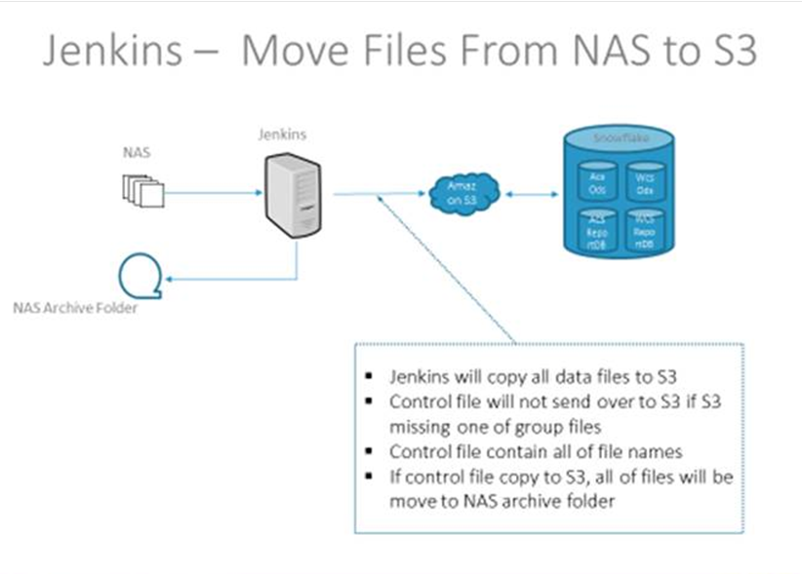

The following the latest update for NAS locations:
· ACS
o QA/Dev: \\qa14nas\CSG-Analytics\OdsFileExtracts\DecisionPoint\ODS_Snowflake
o QA/Dev Archive: \\qa14nas\CSG-Analytics\OdsFileExtracts\DecisionPoint\ODS_Archive\ODS_Snowflake
o Prod: \\Prod44NAS\odsfileextracts\ODS_Snowflake
o Prod Archive: \\Prod44NAS\odsfileextracts\ODS_Archive\ODS_Snowflake
· WCS
o QA/Dev: \\qa14nas\CSG-Analytics\OdsFileExtracts\SmartAdvisor\ODS_Snowflake
o QA/Dev Archive: \\qa14nas\CSG-Analytics\OdsFileExtracts\SmartAdvisor\ODS_Archive\ODS_Snowflake
o Prod: \\psanas25\wcsfileextracts\ODS_Snowflake
o Prod Archive: \\psanas25\wcsfileextracts\ODS_Archive\ODS_Snowflake

Notes: Are the files are encrypted , if so, do we have any Private key or any key to decode it ?

WorkFlow
