ll97_property_limits
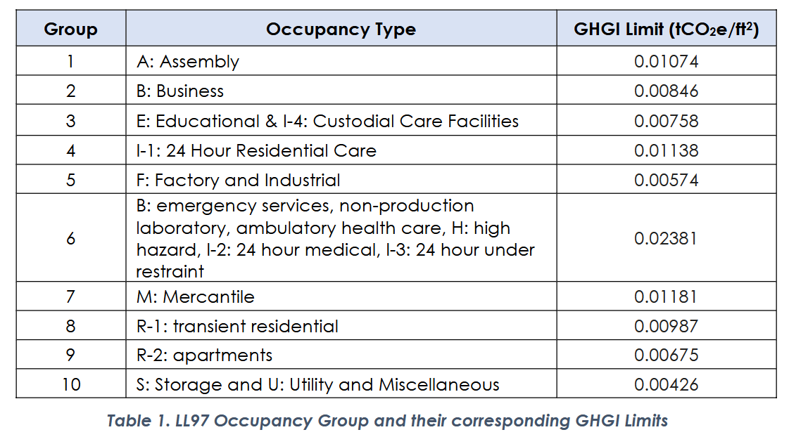
Property Type | 2024-2029 (tCO2e/sf) | 2030-2034 (tCO2e/sf) | 2035-2039 (tCO2e/sf)
Office | 0.00846 | 0.0037 | 0.0025
Multifamily | 0.00675 | 0.00407 | 0.0028
Hotel | 0.00987 | 0.00385 | 0.0026
Hospital | 0.02381 | 0.00734 | 0.005
Data Center | 0.02381 | 0.01479 | 0.01

 | kgCO2/sf | kgCO2/sf | kgCO2/sf
Office | 7.67 | 3.36 | 2.27
Multifamily | 6.12 | 3.69 | 2.54
Hotel | 8.95 | 3.49 | 2.36
Hospital | 21.60 | 6.66 | 4.54
Data Center | 21.60 | 13.42 | 9.07

https://www.nyc.gov/assets/buildings/pdf/methodology.pdf
Assembly | 0.01074 | 9.74
Business | 0.00846 | 7.67
Education & custodial care | 0.00758 | 6.88
Residential care (24 hr) | 0.01138 | 10.32
Factory and Industrial | 0.00574 | 5.21
Emergency services, health care, medial | 0.02381 | 21.60
Mercantile | 0.01181 | 10.71
Transient residential | 0.00987 | 8.95
Apartments | 0.00675 | 6.12
Storage and utility | 0.00426 | 3.86

