Sheet1
FT | Product |  | Qty | English | Spanish | Picture
100570 | APÓSITO A BASE DE COLÁGENO Y ALGINATO, SE SOLICITA TAMAÑO 10.2cm x 11.1cm (4” x 4 3/8”). | Collagen–Alginate Wound Dressing, size requested: 10.2 cm × 11.1 cm (4” × 4⅜”). | 115,200 | Sterile collagen and alginate-based wound dressing, non-adherent, soft and conformable, designed to maintain the wound free of loose fibers and to allow ease of application and removal. The dressing must have absorbent and gelling properties, maintaining a moist wound environment while effectively controlling exudate. It must provide structural support to promote cellular growth and tissue regeneration. The product must be manufactured under an ISO 13485–certified quality management system, hold FDA clearance or approval where applicable, and be supported by a valid Free Sale Certificate (FSC). | A base de colágeno y alginato, estéril, no adherente, blando, amoldable, mantiene la herida libre de fibras y de fácil uso. Propiedad absorbente y gelificante, mantiene un ambiente húmedo mientras controla el exudado. Debe brindar apoyo estructural para el crecimiento celular.
105295 | SISTEMA DE MEMBRANA Y GEL DE HEMICELULOSA DE NANOESTRUCTURA, SE SOLICITA MEMBRANA DE 8 CM X 8 CM. | Nano-structured hemicellulose membrane and gel system, with a requested membrane size of 8 cm × 8 cm, designed for advanced wound management applications. | 3,600 | Composed of plant-derived stem cells. Incorporated into a biological hemicellulose membrane with a thickness of less than 2 nanometers. Designed to create a cellular signaling system and to mimic the structure of the extracellular matrix. Includes an activating gel for the biological membrane. Positively charged at physiological pH, generating electrostatic forces that physically remove bacteria and non-viable tissue. Manufactured using nanotechnology. 100% natural and bio-sustainable. Sterile. Biodegradable. Antibiotic effect without a silver-based formulation. Provides the wound bed with natural acids, enzymes, and vitamins. Reduces perilesional edema. 13.2. Gel: 90 ml 15 ml | 1. Compuesta de células madre de plantas. 2. En una membrana biológica de hemicelulosa, menor de 2 nanómetros de espesor. 3. Diseñado para crear un sistema de señalización celular y mimetizar la estructura de la matriz extracelular. 4. Incluye gel activador de la membrana biológica. 5. Con carga positiva en el pH fisiológico, crea fuerza electrostática, remueve físicamente bacterias y tejido no viable. 6. Fabricado con nanotecnología. 7. 100% natural, Bio-Sostenible. 8. Estéril. 9. Biodegradable. 10. Antibiótico sin base de Plata. 11. Provee al lecho de la herida ácidos naturales, enzimas y vitaminas. 12. Disminuye el edema perilesional. 13. Tamaños: 13.1. Membrana: • 3cm x 3cm. • 5cm x 5cm. • 8cm x 8cm. • 10cm x 10cm. • 10cm x 20cm. 13.2. GEL: • 90ml. • 15ml. | 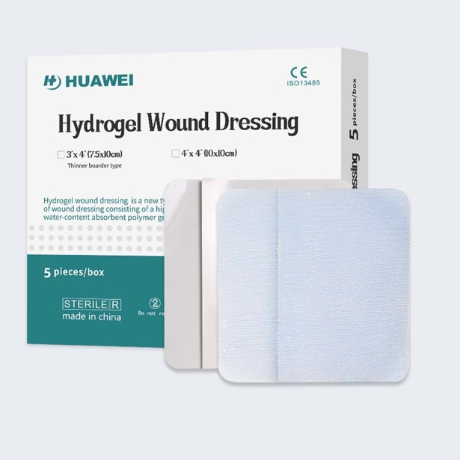
105295 | SISTEMA DE MEMBRANA Y GEL DE HEMICELULOSA DE NANOESTRUCTURA, SE SOLICITA GEL 90ML. | Nano-structured hemicellulose membrane and gel system, with a requested membrane gel 90ML | 3,600
105362 | MATRIZ TRIDIMENSIONAL DE COLAGENO LIOFILIZADA DE POROS ABIERTOS, SE SOLICITA TAMAÑO:102 x 102 x 3mm. | Lyophilized three-dimensional open-pore collagen matrix, requested size: 102 × 102 × 3 mm. | 10,800 | Sterile. Composed of 100% bovine collagen types I, III, and V. Conforms to the wound bed. Moldable. Provides local hemostatic effect. Biodegradable. Absorbs up to 20 times its own weight. Latex-free. | 1. Estéril. 2. Compuesta de 100% colágeno bovino I, III y V. 3. Adaptabilidad al lecho de la herida 4. Moldeable. 5. Hemostático local. 6. Biodegradable. 7. Absorbe 20 veces su peso. 8. Libre de látex. 9. Tamaños: a. 102 x 102 x 3mm. b. 51 x 51x 3mm. | 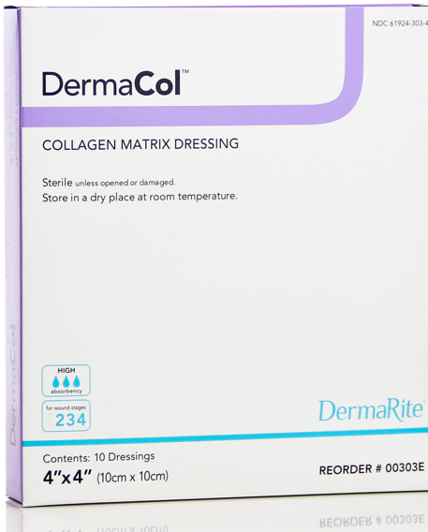
107365 | HIDROGEL CON PLATA IONICA Y CARBOXIMETILCELULOSA, SE SOLICITA TUBO DE 8 ONZ. | Hydrogel with ionic silver and carboxymethylcellulose; requested presentation: 8 oz tube. | 14,400 | 1. Hydrogel 1.1. Composition: 1.1.1. Ionic silver at 0.024% 1.1.2. 2.5% carboxymethylcellulose | 1. Hidrogel: 1.1. Compuesto: 1.1.1. Plata iónica al 0.024 % y 1.1.2. 2.5 % de carboximetilcelulosa. 2. Presentaciones en tubo de: 1.2.1. 0.25 onza. 1.2.2. 1.5 onza. 1.2.3. 3.0 onza. 1.2.4. 8.0 onza. | 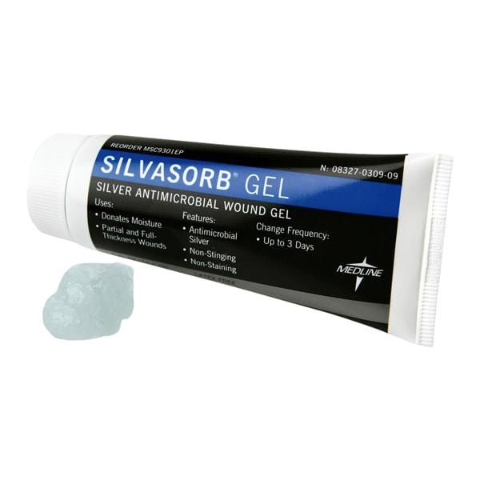
108611 | APÓSITO COMBINADO A BASE DE ESPUMA HIDROCELULAR CON ADHESIVO DE SILICONA, SE SOLICITA FORMA CUADRILOBULAR TAMAÑO 21.6 CM X 23 CM . | Combined dressing based on hydrocellular foam with silicone adhesive, requested in quadrilobed shape, size 21.6 cm × 23 cm. | 34,200 | Combined dressing. A certificate of analysis of the active component must be provided, issued by the Specialized Institute of Analysis (IEA). 1.1. Hydrocellular foam–based. 1.2. Silicone adhesive. Absorbent, padded central core. Visual indicator for dressing change. Repositionable. Quadrilobed shape. Sizes (in centimeters or equivalent in inches): 6.1. 10.3 cm × 10.3 cm 6.2. 12.9 cm × 12.9 cm 6.3. 15.4 cm × 15.4 cm 6.4. 17.2 cm × 17.2 cm 6.5. 17.2 cm × 17.5 cm 6.6. 21 cm × 21 cm 6.7. 21.6 cm × 23 cm 6.8. 23.5 cm × 25 cm 6.9. 25.5 cm × 25.2 cm 6.10. 25 cm × 25.2 cm | 1. Apósito combinado. Presentar certificación de análisis del principio activo, emitido por el Instituto Especializado de Análisis (IEA). 1.1. A base de espuma hidrocelular. 1.2. Adhesivo de silicona. 2. Estructura central almohadillada absorbente. 3. Indicador visual de cambio de apósito. 4. Reposicionable. 5. Forma cuadrilobular. 6. Tamaños en cm o en su equivalencia en pulgadas 6.1. 10.3 cm x 10.3 cm. 6.2. 12.9 cm x 12.9 cm. 6.3. 15.4 cm x 15.4 cm. 6.4. 17.2 cm x 17.2 cm. 6.5. 17.2 cm x 17.5 cm. 6.6. 21 cm x 21 cm. 6.7. 21.6 cm x 23 cm. 6.8. 23.5cm x 25 cm 6.9 25.5 cm x 25.2 cm. 6.10. 25 cm x 25.2 cm 6.11 25 cm x 25.5 cm 6.12. 25.5 cm x 25.5 cm. 7. Estéril. 8. De un solo uso | 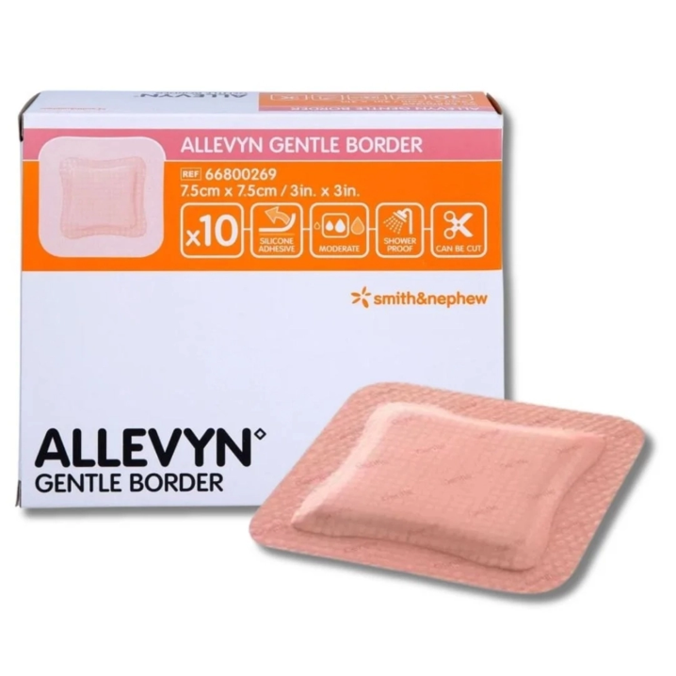
108611 | APÓSITO COMBINADO A BASE DE ESPUMA HIDROCELULAR CON ADHESIVO DE SILICONA, SE SOLICITA FORMA CUADRILOBULAR TAMAÑO 15.4 CM X15.4 CM. | Combined dressing based on hydrocellular foam with silicone adhesive, requested in quadrilobed shape, size 15.4 cm × 15.4 cm. | 34,200
108611 | APÓSITO COMBINADO A BASE DE ESPUMA HIDROCELULAR CON ADHESIVO DE SILICONA, SE SOLICITA FORMA CUADRILOBULAR TAMAÑO 25.5 CM X 25.2 CM. | Combined dressing based on hydrocellular foam with silicone adhesive, requested in quadrilobed shape, size 25.5 CM X 25.2 CM. | 28,800
109014 | MATRIZ ACELULAR CON ACIDOS GRASOS Y OMEGA 3, SE SOLICITA FRAGMENTADO DE 4cm2 (cuadrado). |  | 18,000 | Acellular intact fish skin matrix (Gadus morhua), available in fragmented, laminated disc, fenestrated, and mesh formats, designed to support tissue regeneration and promote rapid wound healing by providing a scaffold for efficient dermal cell and capillary growth. COMPOSITION Composed of: 1.1. Protein composition similar to human skin. 1.2. Fatty acids. 1.3. Omega-3. 1.4. Collagen. CHARACTERISTICS Three-dimensional structure. Elastic properties. Bioburden values below 950 CFU prior to lyophilization and sterilization. AVAILABLE SIZES AND FORMATS 5.1. Fragmented: 5.1.1. 4 cm² 5.1.2. 8 cm² 5.1.3. 19 cm² 5.1.4. 38 cm² 5.2. Laminated: 5.2.1. 16 mm disc 5.2.2. 1.75 cm × 1.75 cm 5.2.3. 3 cm × 3.5 cm 5.2.4. 3 cm × 7 cm 5.2.5. 5 cm × 7 cm 5.2.6. 7 cm × 10 cm 5.2.7. 250 cm² 5.2.8. 300 cm² 5.2.9. 7 cm × 20 cm 5.2.10. 3 cm × 12 cm 5.3. Fenestrated: 5.3.1. 3 cm × 3.5 cm 5.3.2. 3 cm × 7 cm 5.3.3. 7 cm × 7 cm 5.3.4. 7 cm × 10 cm 5.3.5. 3 cm × 12 cm 5.3.6. 10 cm × 20 cm 5.3.7. 250 cm² 5.4. Mesh: 5.4.1. 7 cm × 8 cm 5.4.2. 8 cm × 10 cm 5.4.3. 7 cm × 10 cm 5.4.4. 7 cm × 20 cm 5.4.5. 250 cm² 5.4.6. 300 cm² 5.4.7. 7 cm × 8 cm, 2:1 expansion ratio 5.4.8. 8 cm × 10 cm, 2:1 expansion ratio 5.4.9. 7 cm × 10 cm, 2:1 expansion ratio 5.4.10. 7 cm × 20 cm, 2:1 expansion ratio 5.4.11. 250 cm², 2:1 expansion ratio 5.4.12. 300 cm², 2:1 expansion ratio ADDITIONAL REQUIREMENTS Sterile. Single-use.
109011 | APÓSITO HIDROCOLOIDE CON EFECTO REGULADOR. SE SOLICITA 15 CM X 15 CM. | Hydrocolloid dressing with regulating effect; requested size: 15 cm × 15 cm. | 25,200 | Single-layer dressing that allows the combination of its powdered components to absorb and regulate fluids within the wound, while permitting moisture vapor transmission through its outer layer. COMPOSITION Composed of: 1.1. Semi-permeable polyurethane outer layer. 1.2. Wound contact layer made of hydrocolloid (carboxymethylcellulose (CMC), pectin, and cellulose powder). CHARACTERISTICS Absorbent. Breathable. |  | 