Program Instructions
General Electric Combustible Dust Program
Revised September 2015
Primary Author:
Vincent Giordano
Vincent.giordano@ge.com
please contact me with comments, suggestions or training needs
Objectives:
The objectives of GE’s combustible dust program are to establish:
1. a uniform program for the identification of combustible dusts and powders which are present or generated at GE owned or operated site locations; and
2. a minimum set of uniform expectations for managing combustible dust hazards.
The expectations in the GE combustible dust program are in addition to any relevant locally applicable regulations. If the locally applicable regulation is more stringent than the GE approach, you must conform to the regulation. If the GE expectation is more stringent than the locally applicable regulation, you must ensure compliance with the regulation and meet the GE expectation.
SPECIAL NOTE: GE water blending facilities are expected to follow the GE Water standard for combustible dust management. In the event the facility is not applying the GE water standard they are expected to follow the GE combustible dust program.
Hazard Mitigation Expectations
The expectations are tiered depending on the test results and whether the dust or powder is combined with a flammable liquid. For example, dust or powders, which are considered by FM Global to be “hard to ignite” have fewer mitigation expectations than dust or powders with a minimum ignition energy (MIE) of <25 mj. Further, dust or powders that are combined with a flammable liquid have more mitigation expectations than dust or powders which may are mixed with a non-flammable liquid.
The expectations apply to the areas, equipment and processes in which the dust or powder is present.
Combustibility Testing:
This program requires the testing of CERTAIN dusts and powders that may be present or generated in a GE owned or operated site. Combustible testing is required only in three (3) circumstances: the dust or powder is managed via dust collectors and dust conveyance systems; the dust or powder is stored in storage silos; or the dust or poweder is added to vessel which is greater than 55 gallons. A site has the flexibility and authority to test any dust or powder it feels should be tested, and can do so with consultation with FM Global. As the program matures, GE may expand the conditions under which testing is required.
Applicability Steps
Begin by using the Combustible Dust Flow Diagram to build your site inventory of combusible dusts. The Diagram will take you through a series of steps and questions. New items are noted in red text.
Once you have your site inventory of combustible dusts, the testing results or conditions of use, will determine the management expectations which apply to the areas in which that dust is generated or used.
Expectations:
The GE combustible dust expectations are provided in the tab titled "Combustible Dust Expectations."
References and Links:
For additional detailed information on combustible dusts see items below. You will need to copy the url into your browser.

FM managing combustible dust: http://www.fmglobal.com/assets/pdf/dust.pdf
FM Global Datasheet 7-76: http://www.fmglobal.com/fmglobalregistration/Vshared/FMDS0776.pdf
Youtube FM Global tests http://www.youtube.com/watch?v=RZLRbVw3RnM
Chemical Safety Board video on combustible dust: http://www.csb.gov/videos/combustible-dust-an-insidious-hazard/
Chemical Safety Board investigations on combustible duse: http://www.csb.gov/combustible-dust-hazard-investigation/
German institute testing results: http://staubex.ifa.dguv.de/explosuche.aspx?lang=e or maybe this link works better: http://staubex.ifa.dguv.de/

Combustible Dust Flow Diagram
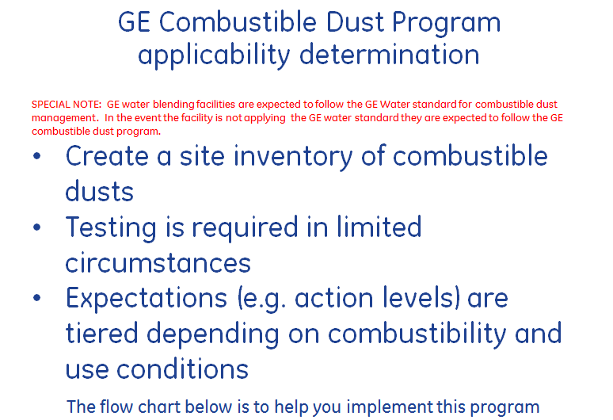

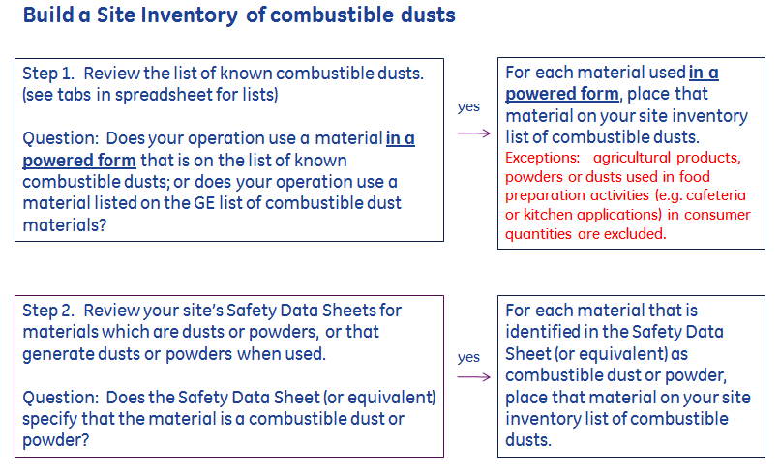

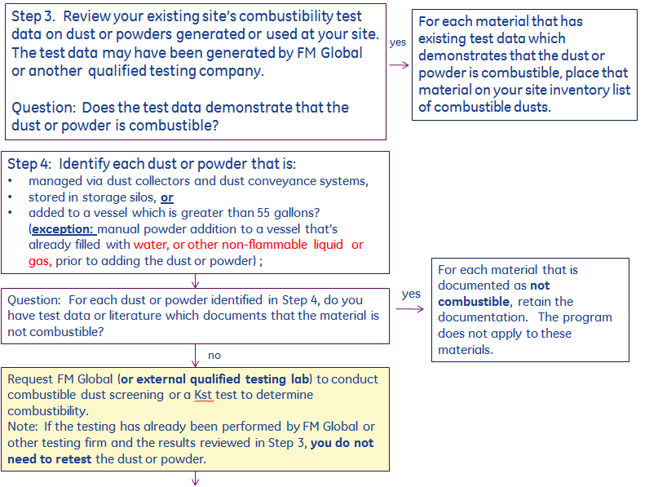

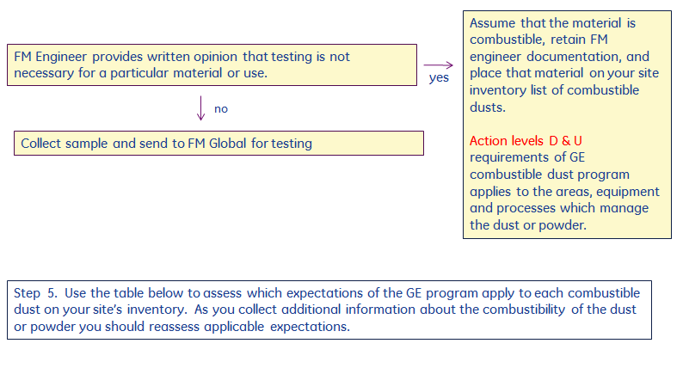

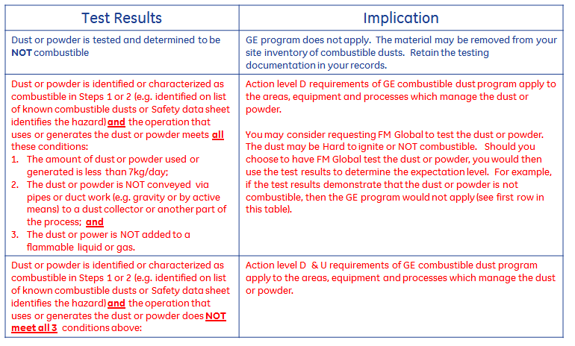

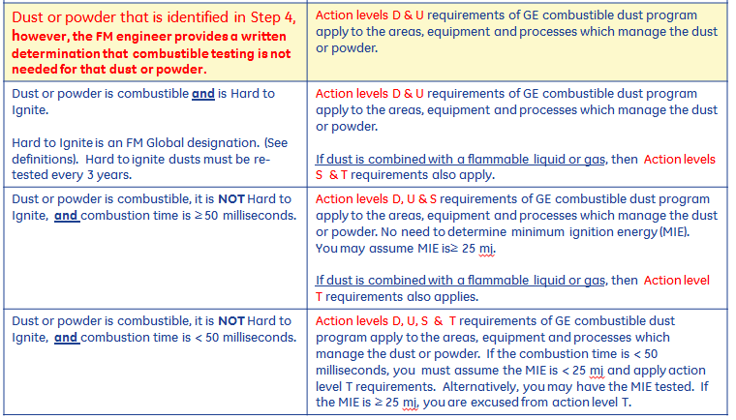

Glossary
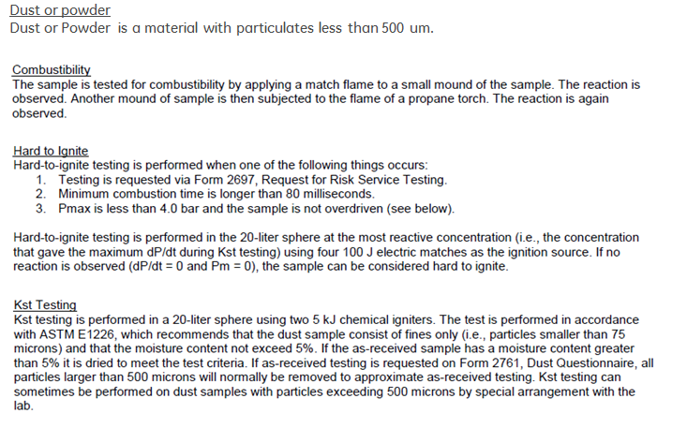

list of known combustible dusts
