CYP2C19 Implementation workflow
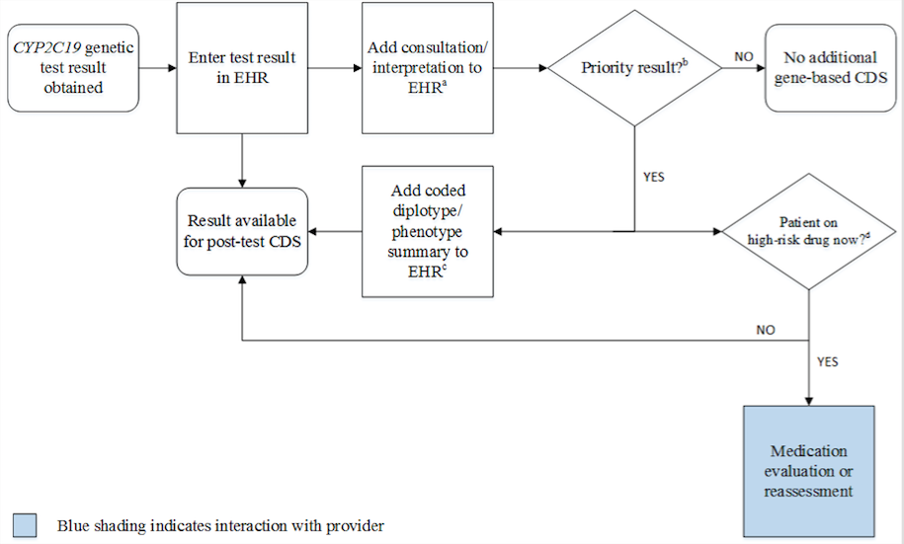

aSee '2C19Interpretation consult note' tab for diplotype/phenotype specific examples
bPriority result is defined as a genetic test result that necessitates a change in drug, drug dose, or drug monitoring now or potentially in the future.
cDocumentation in the EHR is institution specific. Optimally, the phenotype and/or genotype are available in the EHR to permanently inform prescribing decisions. See '2C19Interpretation consult note' tab for genotype/phenotype-specific summaries.
dHigh-risk drug is defined as a medication influenced by genetic variation in CYP2C19 resulting in a change in therapy (e.g., alternative therapy or dose)

