keeper
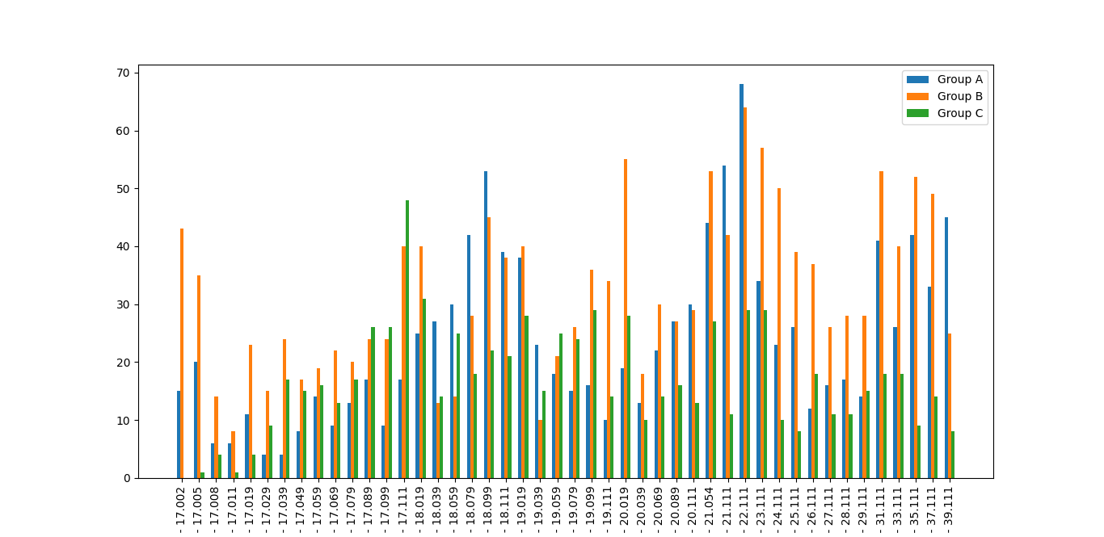
age_range | section_1 | section_2 | section_3
17.000-17.002 | 6&6 | 7&7 | 8&8
17.003-17.005 | 6&6 | 7&7 | 8&8
17.006-17.008 | 6&6 | 7&7 | 8&8
17.009-17.011 | 6&6 | 7&7 | 8&9
17.012-17.019 | 6&6 | 7&7 | 8&9
17.020-17.029 | 6&6 | 7&7 | 8&9
17.030-17.039 | 6&6 | 7&7 | 8&9
17.040-17.049 | 6&6 | 7&7 | 8&10
17.050-17.059 | 6&6 | 7&7 | 8&10
17.060-17.069 | 6&6 | 7&7 | 8&10
17.070-17.079 | 6&6 | 7&7 | 8&11
17.080-17.089 | 6&6 | 7&7 | 8&11
17.090-17.099 | 6&6 | 7&7 | 8&11
17.100-17.111 | 6&6 | 7&7 | 8&11
18.000-18.019 | 6&6 | 7&8 | 9&12
18.020-18.039 | 6&7 | 8&9 | 10&13
18.040-18.059 | 6&7 | 8&9 | 10&13
18.060-18.079 | 6&7 | 8&10 | 11&14
18.080-18.099 | 6&7 | 8&10 | 11&14
18.100-18.111 | 6&7 | 8&10 | 11&14
19.000-19.019 | 7&8 | 9&11 | 12&15
19.020-19.039 | 7&8 | 9&11 | 12&15
19.040-19.059 | 7&8 | 9&11 | 12&15
19.060-19.079 | 7&8 | 9&11 | 12&15
19.080-19.099 | 7&8 | 9&11 | 12&15
19.100-19.111 | 7&8 | 9&12 | 13&16
20.000-20.019 | 7&8 | 9&12 | 13&16
20.020-20.039 | 7&9 | 10&13 | 14&17
20.040-20.069 | 7&9 | 10&13 | 14&17
20.070-20.089 | 7&10 | 11&14 | 15&18
20.090-20.111 | 7&10 | 11&14 | 15&18
21.000-21.054 | 7&10 | 11&14 | 15&18
21.055-21.111 | 8&11 | 12&15 | 16&19
22.000-22.111 | 8&11 | 12&15 | 16&19
23.000-23.111 | 8&11 | 12&15 | 16&19
24.000-24.111 | 9&12 | 13&16 | 17&20
25.000-25.111 | 9&12 | 13&16 | 17&20
26.000-26.111 | 9&12 | 13&16 | 17&20
27.000-27.111 | 9&12 | 13&16 | 17&20
28.000-28.111 | 9&12 | 13&16 | 17&20
29.000-29.111 | 9&12 | 13&16 | 17&20
30.000-31.111 | 9&12 | 13&16 | 17&20
32.000-33.111 | 9&12 | 13&16 | 17&20
34.000-35.111 | 9&12 | 13&16 | 17&20
36.000-37.111 | 9&12 | 13&16 | 17&20
38.000-39.111 | 9&12 | 13&16 | 17&20

winger
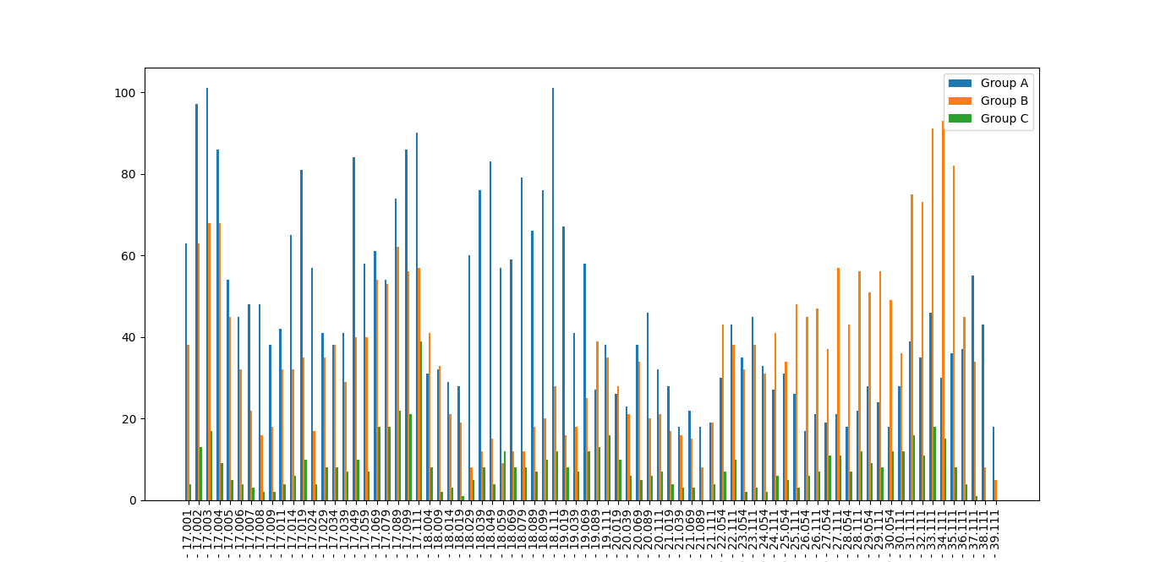
age_range | section_1 | section_2 | section_3
17.000-17.001 | 6&6 | 7&7 | 8&8
17.002-17.002 | 6&6 | 7&7 | 8&8
17.003-17.003 | 6&6 | 7&7 | 8&8
17.004-17.004 | 6&6 | 7&7 | 8&8
17.005-17.005 | 6&6 | 7&7 | 8&8
17.006-17.006 | 6&6 | 7&7 | 8&8
17.007-17.007 | 6&6 | 7&7 | 8&8
17.008-17.008 | 6&6 | 7&7 | 8&8
17.009-17.009 | 6&6 | 7&7 | 8&8
17.010-17.011 | 6&6 | 7&7 | 8&9
17.012-17.014 | 6&6 | 7&7 | 8&9
17.015-17.019 | 6&6 | 7&7 | 8&9
17.020-17.024 | 6&6 | 7&7 | 8&9
17.025-17.029 | 6&6 | 7&7 | 8&9
17.030-17.034 | 6&6 | 7&7 | 8&9
17.035-17.039 | 6&6 | 7&7 | 8&9
17.040-17.049 | 6&6 | 7&7 | 8&10
17.050-17.059 | 6&6 | 7&7 | 8&10
17.060-17.069 | 6&6 | 7&7 | 8&10
17.070-17.079 | 6&6 | 7&7 | 8&11
17.080-17.089 | 6&6 | 7&7 | 8&11
17.090-17.099 | 6&6 | 7&7 | 8&11
17.100-17.111 | 6&6 | 7&7 | 8&11
18.000-18.004 | 6&6 | 7&8 | 9&12
18.005-18.009 | 6&6 | 7&8 | 9&12
18.010-18.014 | 6&6 | 7&8 | 9&12
18.015-18.019 | 6&6 | 7&8 | 9&12
18.020-18.029 | 6&7 | 8&9 | 10&13
18.030-18.039 | 6&7 | 8&9 | 10&13
18.040-18.049 | 6&7 | 8&9 | 10&13
18.050-18.059 | 6&7 | 8&9 | 10&13
18.060-18.069 | 6&7 | 8&9 | 10&13
18.070-18.079 | 6&7 | 8&10 | 11&14
18.080-18.089 | 6&7 | 8&10 | 11&14
18.090-18.099 | 6&7 | 8&10 | 11&14
18.100-18.111 | 6&7 | 8&10 | 11&14
19.000-19.019 | 7&8 | 9&11 | 12&15
19.020-19.039 | 7&8 | 9&11 | 12&15
19.040-19.069 | 7&8 | 9&11 | 12&15
19.070-19.089 | 7&8 | 9&12 | 13&16
19.090-19.111 | 7&8 | 9&12 | 13&16
20.000-20.019 | 7&8 | 9&12 | 13&16
20.020-20.039 | 7&9 | 10&13 | 14&17
20.040-20.069 | 7&9 | 10&13 | 14&17
20.070-20.089 | 7&10 | 11&14 | 15&18
20.090-20.111 | 7&10 | 11&14 | 15&18
21.000-21.019 | 7&10 | 11&14 | 15&18
21.020-21.039 | 7&10 | 11&14 | 15&18
21.040-21.069 | 8&11 | 12&15 | 16&19
21.070-21.089 | 8&11 | 12&15 | 16&19
21.090-21.111 | 8&11 | 12&15 | 16&19
22.000-22.054 | 8&11 | 12&15 | 16&19
22.055-22.111 | 8&11 | 12&15 | 16&19
23.000-23.054 | 9&12 | 13&16 | 17&20
23.055-23.111 | 9&12 | 13&16 | 17&20
24.000-24.054 | 9&12 | 13&16 | 17&20
24.055-24.111 | 9&12 | 13&16 | 17&20
25.000-25.054 | 9&12 | 13&16 | 17&20
25.055-25.111 | 9&12 | 13&16 | 17&20
26.000-26.054 | 9&12 | 13&16 | 17&20
26.055-26.111 | 9&12 | 13&16 | 17&20
27.000-27.054 | 9&12 | 13&16 | 17&20
27.055-27.111 | 9&12 | 13&16 | 17&20
28.000-28.054 | 9&12 | 13&16 | 17&20
28.055-28.111 | 9&12 | 13&16 | 17&20
29.000-29.054 | 9&12 | 13&16 | 17&20
29.055-29.111 | 9&12 | 13&16 | 17&20
30.000-30.054 | 9&12 | 13&16 | 17&20
30.055-30.111 | 9&12 | 13&16 | 17&20
31.000-31.111 | 9&12 | 13&16 | 17&20
32.000-32.111 | 9&12 | 13&16 | 17&20
33.000-33.111 | 9&12 | 13&16 | 17&20
34.000-34.111 | 9&12 | 13&16 | 17&20
35.000-35.111 | 9&12 | 13&16 | 17&20
36.000-36.111 | 9&12 | 13&16 | 17&20
37.000-37.111 | 9&12 | 13&16 | 17&20
38.000-38.111 | 9&12 | 13&16 | 17&20
39.000-39.111 | 9&12 | 13&16 | 17&20

scoring
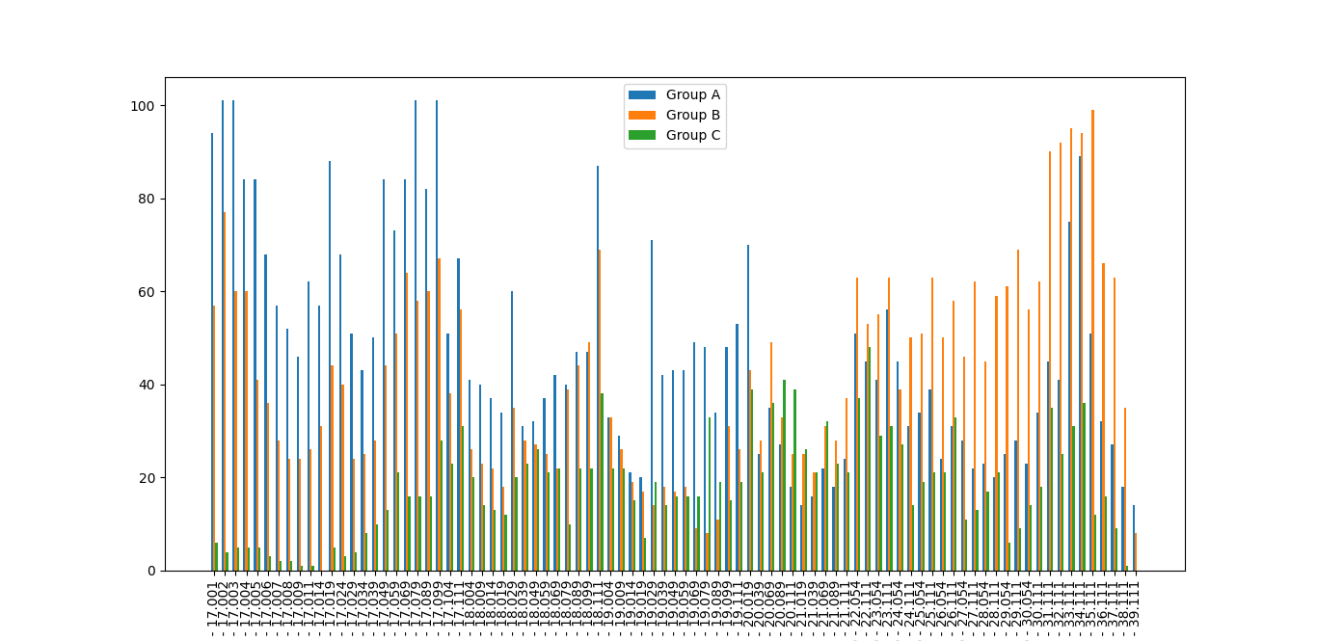
age_range | section_1 | section_2 | section_3
17.000-17.001 | 6&6 | 7&7 | 8&8
17.002-17.002 | 6&6 | 7&7 | 8&8
17.003-17.003 | 6&6 | 7&7 | 8&8
17.004-17.004 | 6&6 | 7&7 | 8&8
17.005-17.005 | 6&6 | 7&7 | 8&8
17.006-17.006 | 6&6 | 7&7 | 8&8
17.007-17.007 | 6&6 | 7&7 | 8&8
17.008-17.008 | 6&6 | 7&7 | 8&8
17.009-17.009 | 6&6 | 7&7 | 8&8
17.010-17.011 | 6&6 | 7&7 | 8&8
17.012-17.014 | 6&6 | 7&7 | 8&8
17.015-17.019 | 6&6 | 7&7 | 8&8
17.020-17.024 | 6&6 | 7&7 | 8&8
17.025-17.029 | 6&6 | 7&7 | 8&8
17.030-17.034 | 6&6 | 7&7 | 8&8
17.035-17.039 | 6&6 | 7&7 | 8&8
17.040-17.049 | 6&6 | 7&7 | 8&8
17.050-17.059 | 6&6 | 7&7 | 8&9
17.060-17.069 | 6&6 | 7&7 | 8&9
17.070-17.079 | 6&6 | 7&7 | 8&9
17.080-17.089 | 6&6 | 7&7 | 8&9
17.090-17.099 | 6&6 | 7&7 | 8&10
17.100-17.104 | 6&6 | 7&7 | 8&10
17.105-17.111 | 6&6 | 7&7 | 8&10
18.000-18.004 | 6&6 | 7&7 | 8&10
18.005-18.009 | 6&6 | 7&7 | 8&10
18.010-18.014 | 6&6 | 7&7 | 8&10
18.015-18.019 | 6&6 | 7&7 | 8&10
18.020-18.029 | 6&6 | 7&7 | 8&11
18.030-18.039 | 6&6 | 7&7 | 8&11
18.040-18.049 | 6&6 | 7&7 | 8&11
18.050-18.059 | 6&6 | 7&7 | 8&11
18.060-18.069 | 6&6 | 7&7 | 8&11
18.070-18.079 | 6&6 | 7&8 | 9&12
18.080-18.089 | 6&6 | 7&8 | 9&12
18.090-18.099 | 6&6 | 7&8 | 9&12
18.100-18.111 | 6&6 | 7&8 | 9&12
19.000-19.004 | 6&6 | 7&8 | 9&12
19.005-19.009 | 6&6 | 7&8 | 9&12
19.010-19.014 | 6&6 | 7&8 | 9&12
19.015-19.019 | 6&6 | 7&8 | 9&12
19.020-19.029 | 6&7 | 8&9 | 10&13
19.030-19.039 | 6&7 | 8&9 | 10&13
19.040-19.049 | 6&7 | 8&9 | 10&13
19.050-19.059 | 6&7 | 8&9 | 10&13
19.060-19.069 | 6&7 | 8&9 | 10&13
19.070-19.079 | 6&7 | 8&9 | 10&13
19.080-19.089 | 6&7 | 8&9 | 10&13
19.090-19.099 | 6&7 | 8&10 | 11&14
19.100-19.111 | 6&7 | 8&10 | 11&14
20.000-20.019 | 6&7 | 8&10 | 11&14
20.020-20.039 | 7&8 | 9&11 | 12&15
20.040-20.069 | 7&8 | 9&11 | 12&15
20.070-20.089 | 7&8 | 9&11 | 12&15
20.090-20.111 | 7&8 | 9&11 | 12&15
21.000-21.019 | 7&8 | 9&12 | 13&16
21.020-21.039 | 7&8 | 9&12 | 13&16
21.040-21.069 | 7&8 | 9&12 | 13&16
21.070-21.089 | 7&8 | 9&12 | 13&16
21.090-21.111 | 7&9 | 10&13 | 14&17
22.000-22.054 | 7&9 | 10&13 | 14&17
22.055-22.111 | 7&9 | 10&13 | 14&17
23.000-23.054 | 7&10 | 11&14 | 15&18
23.055-23.111 | 7&10 | 11&14 | 15&18
24.000-24.054 | 7&10 | 11&14 | 15&18
24.055-24.111 | 8&11 | 12&15 | 16&19
25.000-25.054 | 8&11 | 12&15 | 16&19
25.055-25.111 | 8&11 | 12&15 | 16&19
26.000-26.054 | 8&11 | 12&15 | 16&19
26.055-26.111 | 8&11 | 12&15 | 16&19
27.000-27.054 | 9&12 | 13&16 | 17&20
27.055-27.111 | 9&12 | 13&16 | 17&20
28.000-28.054 | 9&12 | 13&16 | 17&20
28.055-28.111 | 9&12 | 13&16 | 17&20
29.000-29.054 | 9&12 | 13&16 | 17&20
29.055-29.111 | 9&12 | 13&16 | 17&20
30.000-30.054 | 9&12 | 13&16 | 17&20
30.055-30.111 | 8&11 | 12&15 | 16&19
31.000-31.111 | 8&11 | 12&15 | 16&19
32.000-32.111 | 8&11 | 12&15 | 16&19
33.000-33.111 | 8&11 | 12&15 | 16&19
34.000-34.111 | 7&10 | 11&14 | 15&18
35.000-35.111 | 7&10 | 11&14 | 15&18
36.000-36.111 | 7&9 | 10&13 | 14&17
37.000-37.111 | 7&9 | 10&13 | 14&17
38.000-38.111 | 7&8 | 9&12 | 13&16
39.000-39.111 | 7&8 | 9&12 | 13&16

defending
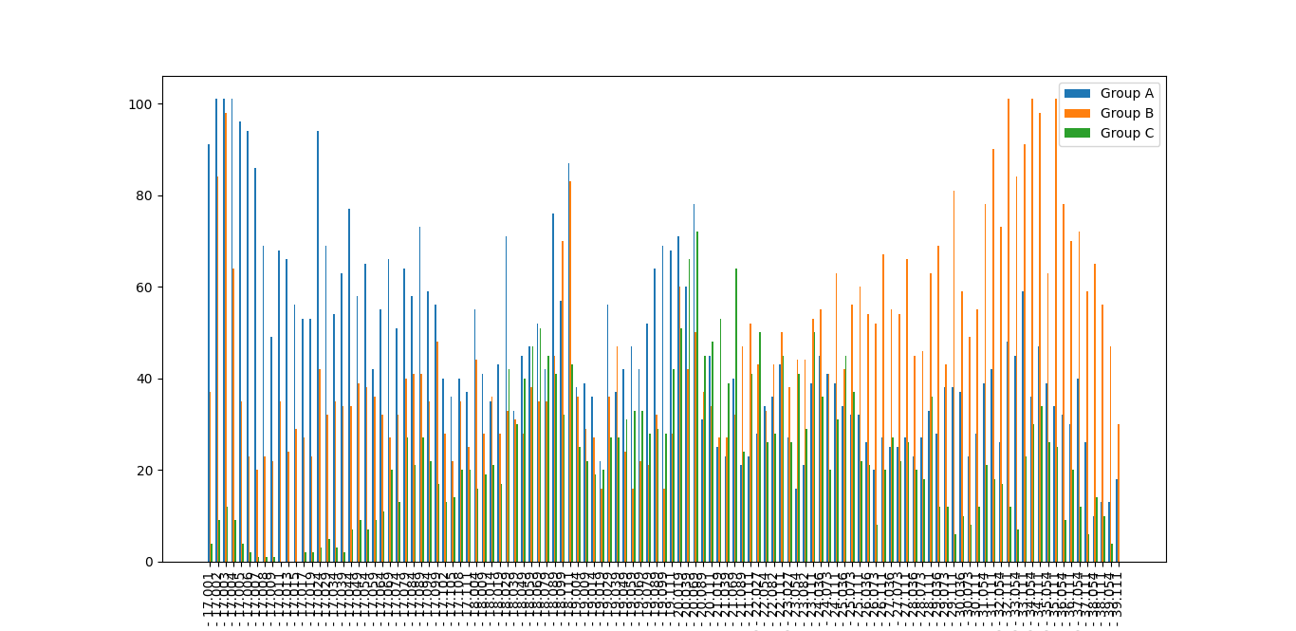
age_range | section_1 | section_2 | section_3
17.000-17.001 | 6&6 | 7&7 | 8&8
17.002-17.002 | 6&6 | 7&7 | 8&8
17.003-17.003 | 6&6 | 7&7 | 8&8
17.004-17.004 | 6&6 | 7&7 | 8&8
17.005-17.005 | 6&6 | 7&7 | 8&8
17.006-17.006 | 6&6 | 7&7 | 8&8
17.007-17.007 | 6&6 | 7&7 | 8&8
17.008-17.008 | 6&6 | 7&7 | 8&8
17.009-17.009 | 6&6 | 7&7 | 8&8
17.010-17.011 | 6&6 | 7&7 | 8&8
17.012-17.013 | 6&6 | 7&7 | 8&8
17.014-17.015 | 6&6 | 7&7 | 8&8
17.016-17.017 | 6&6 | 7&7 | 8&8
17.018-17.019 | 6&6 | 7&7 | 8&8
17.020-17.024 | 6&6 | 7&7 | 8&8
17.025-17.029 | 6&6 | 7&7 | 8&8
17.030-17.034 | 6&6 | 7&7 | 8&8
17.035-17.039 | 6&6 | 7&7 | 8&8
17.040-17.044 | 6&6 | 7&7 | 8&8
17.045-17.049 | 6&6 | 7&7 | 8&8
17.050-17.054 | 6&6 | 7&7 | 8&9
17.055-17.059 | 6&6 | 7&7 | 8&9
17.060-17.064 | 6&6 | 7&7 | 8&9
17.065-17.069 | 6&6 | 7&7 | 8&9
17.070-17.074 | 6&6 | 7&7 | 8&9
17.075-17.079 | 6&6 | 7&7 | 8&9
17.080-17.084 | 6&6 | 7&7 | 8&9
17.085-17.089 | 6&6 | 7&7 | 8&9
17.090-17.094 | 6&6 | 7&7 | 8&9
17.095-17.099 | 6&6 | 7&7 | 8&9
17.100-17.102 | 6&6 | 7&7 | 8&10
17.103-17.105 | 6&6 | 7&7 | 8&10
17.106-17.108 | 6&6 | 7&7 | 8&10
17.109-17.111 | 6&6 | 7&7 | 8&10
18.000-18.004 | 6&6 | 7&7 | 8&10
18.005-18.009 | 6&6 | 7&7 | 8&10
18.010-18.014 | 6&6 | 7&7 | 8&10
18.015-18.019 | 6&6 | 7&7 | 8&10
18.020-18.029 | 6&6 | 7&7 | 8&10
18.030-18.039 | 6&6 | 7&7 | 8&11
18.040-18.049 | 6&6 | 7&7 | 8&11
18.050-18.059 | 6&6 | 7&7 | 8&11
18.060-18.069 | 6&6 | 7&7 | 8&11
18.070-18.079 | 6&6 | 7&7 | 8&11
18.080-18.089 | 6&6 | 7&7 | 8&11
18.090-18.099 | 6&6 | 7&8 | 9&12
18.100-18.111 | 6&6 | 7&8 | 9&12
19.000-19.004 | 6&6 | 7&8 | 9&12
19.005-19.009 | 6&6 | 7&8 | 9&12
19.010-19.014 | 6&6 | 7&8 | 9&12
19.015-19.019 | 6&6 | 7&8 | 9&12
19.020-19.029 | 6&6 | 7&8 | 9&12
19.030-19.039 | 6&6 | 7&8 | 9&12
19.040-19.049 | 6&7 | 8&9 | 10&13
19.050-19.059 | 6&7 | 8&9 | 10&13
19.060-19.069 | 6&7 | 8&9 | 10&13
19.070-19.079 | 6&7 | 8&9 | 10&13
19.080-19.089 | 6&7 | 8&9 | 10&13
19.090-19.099 | 6&7 | 8&9 | 10&13
19.100-19.111 | 6&7 | 8&9 | 10&13
20.000-20.019 | 6&7 | 8&10 | 11&14
20.020-20.039 | 6&7 | 8&10 | 11&14
20.040-20.069 | 6&7 | 8&10 | 11&14
20.070-20.089 | 7&8 | 9&11 | 12&15
20.090-20.111 | 7&8 | 9&11 | 12&15
21.000-21.019 | 7&8 | 9&11 | 12&15
21.020-21.039 | 7&8 | 9&11 | 12&15
21.040-21.069 | 7&8 | 9&11 | 12&15
21.070-21.089 | 7&8 | 9&12 | 13&16
21.090-21.111 | 7&8 | 9&12 | 13&16
22.000-22.027 | 7&8 | 9&12 | 13&16
22.028-22.054 | 7&9 | 10&13 | 14&17
22.055-22.082 | 7&9 | 10&13 | 14&17
22.083-22.111 | 7&9 | 10&13 | 14&17
23.000-23.027 | 7&9 | 10&13 | 14&17
23.028-23.054 | 7&9 | 10&13 | 14&17
23.055-23.082 | 7&9 | 10&13 | 14&17
23.083-23.111 | 7&9 | 10&13 | 14&17
24.000-24.036 | 7&10 | 11&14 | 15&18
24.037-24.073 | 7&10 | 11&14 | 15&18
24.074-24.111 | 7&10 | 11&14 | 15&18
25.000-25.036 | 7&10 | 11&14 | 15&18
25.037-25.073 | 7&10 | 11&14 | 15&18
25.074-25.111 | 8&11 | 12&15 | 16&19
26.000-26.036 | 8&11 | 12&15 | 16&19
26.037-26.073 | 8&11 | 12&15 | 16&19
26.074-26.111 | 8&11 | 12&15 | 16&19
27.000-27.036 | 8&11 | 12&15 | 16&19
27.037-27.073 | 8&11 | 12&15 | 16&19
27.074-27.111 | 8&11 | 12&15 | 16&19
28.000-28.036 | 8&11 | 12&15 | 16&19
28.037-28.073 | 8&11 | 12&15 | 16&19
28.074-28.111 | 8&11 | 12&15 | 16&19
29.000-29.036 | 9&12 | 13&16 | 17&20
29.037-29.073 | 9&12 | 13&16 | 17&20
29.074-29.111 | 9&12 | 13&16 | 17&20
30.000-30.036 | 9&12 | 13&16 | 17&20
30.037-30.073 | 9&12 | 13&16 | 17&20
30.074-30.111 | 9&12 | 13&16 | 17&20
31.000-31.054 | 9&12 | 13&16 | 17&20
31.055-31.111 | 9&12 | 13&16 | 17&20
32.000-32.054 | 9&12 | 13&16 | 17&20
32.055-32.111 | 9&12 | 13&16 | 17&20
33.000-33.054 | 9&12 | 13&16 | 17&20
33.055-33.111 | 9&12 | 13&16 | 17&20
34.000-34.054 | 8&11 | 12&15 | 16&19
34.055-34.111 | 8&11 | 12&15 | 16&19
35.000-35.054 | 8&11 | 12&15 | 16&19
35.055-35.111 | 8&11 | 12&15 | 16&19
36.000-36.054 | 8&11 | 12&15 | 16&19
36.055-36.111 | 7&10 | 11&14 | 15&18
37.000-37.054 | 7&10 | 11&14 | 15&18
37.055-37.111 | 7&10 | 11&14 | 15&18
38.000-38.054 | 7&9 | 10&13 | 14&17
38.055-38.111 | 7&9 | 10&13 | 14&17
39.000-39.054 | 7&9 | 10&13 | 14&17
39.055-39.111 | 7&9 | 10&13 | 14&17

playmaking
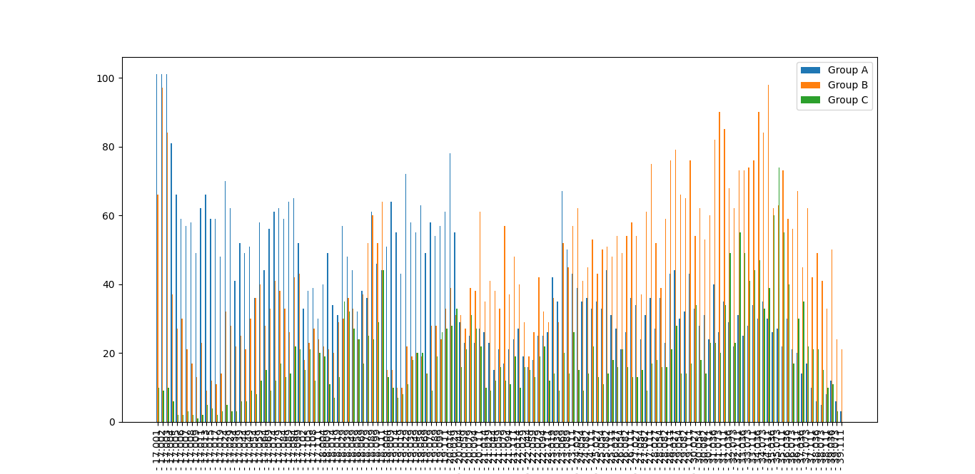
age_range | section_1 | section_2 | section_3
17.000-17.001 | 6&6 | 7&7 | 8&8
17.002-17.002 | 6&6 | 7&7 | 8&8
17.003-17.003 | 6&6 | 7&7 | 8&8
17.004-17.004 | 6&6 | 7&7 | 8&8
17.005-17.005 | 6&6 | 7&7 | 8&8
17.006-17.006 | 6&6 | 7&7 | 8&8
17.007-17.007 | 6&6 | 7&7 | 8&8
17.008-17.008 | 6&6 | 7&7 | 8&8
17.009-17.009 | 6&6 | 7&7 | 8&8
17.010-17.011 | 6&6 | 7&7 | 8&8
17.012-17.013 | 6&6 | 7&7 | 8&8
17.014-17.015 | 6&6 | 7&7 | 8&8
17.016-17.017 | 6&6 | 7&7 | 8&8
17.018-17.019 | 6&6 | 7&7 | 8&8
17.020-17.024 | 6&6 | 7&7 | 8&8
17.025-17.029 | 6&6 | 7&7 | 8&8
17.030-17.034 | 6&6 | 7&7 | 8&8
17.035-17.039 | 6&6 | 7&7 | 8&8
17.040-17.044 | 6&6 | 7&7 | 8&8
17.045-17.049 | 6&6 | 7&7 | 8&8
17.050-17.054 | 6&6 | 7&7 | 8&9
17.055-17.059 | 6&6 | 7&7 | 8&9
17.060-17.064 | 6&6 | 7&7 | 8&9
17.065-17.069 | 6&6 | 7&7 | 8&9
17.070-17.074 | 6&6 | 7&7 | 8&9
17.075-17.079 | 6&6 | 7&7 | 8&9
17.080-17.084 | 6&6 | 7&7 | 8&9
17.085-17.089 | 6&6 | 7&7 | 8&9
17.090-17.094 | 6&6 | 7&7 | 8&10
17.095-17.099 | 6&6 | 7&7 | 8&10
17.100-17.102 | 6&6 | 7&7 | 8&10
17.103-17.105 | 6&6 | 7&7 | 8&10
17.106-17.108 | 6&6 | 7&7 | 8&10
17.109-17.111 | 6&6 | 7&7 | 8&10
18.000-18.004 | 6&6 | 7&7 | 8&10
18.005-18.009 | 6&6 | 7&7 | 8&10
18.010-18.014 | 6&6 | 7&7 | 8&11
18.015-18.019 | 6&6 | 7&7 | 8&11
18.020-18.029 | 6&6 | 7&7 | 8&11
18.030-18.039 | 6&6 | 7&7 | 8&11
18.040-18.049 | 6&6 | 7&7 | 8&11
18.050-18.059 | 6&6 | 7&7 | 8&11
18.060-18.069 | 6&6 | 7&8 | 9&12
18.070-18.079 | 6&6 | 7&8 | 9&12
18.080-18.089 | 6&6 | 7&8 | 9&12
18.090-18.099 | 6&6 | 7&8 | 9&12
18.100-18.111 | 6&6 | 7&8 | 9&12
19.000-19.004 | 6&7 | 8&9 | 10&13
19.005-19.009 | 6&7 | 8&9 | 10&13
19.010-19.014 | 6&7 | 8&9 | 10&13
19.015-19.019 | 6&7 | 8&9 | 10&13
19.020-19.029 | 6&7 | 8&9 | 10&13
19.030-19.039 | 6&7 | 8&9 | 10&13
19.040-19.049 | 6&7 | 8&9 | 10&13
19.050-19.059 | 6&7 | 8&9 | 10&13
19.060-19.069 | 6&7 | 8&9 | 10&13
19.070-19.079 | 6&7 | 8&10 | 11&14
19.080-19.089 | 6&7 | 8&10 | 11&14
19.090-19.099 | 6&7 | 8&10 | 11&14
19.100-19.111 | 6&7 | 8&10 | 11&14
20.000-20.014 | 6&7 | 8&10 | 11&14
20.015-20.029 | 6&7 | 8&10 | 11&14
20.030-20.044 | 7&8 | 9&11 | 12&15
20.045-20.059 | 7&8 | 9&11 | 12&15
20.060-20.079 | 7&8 | 9&11 | 12&15
20.080-20.094 | 7&8 | 9&11 | 12&15
20.095-20.111 | 7&8 | 9&12 | 13&16
21.000-21.014 | 7&8 | 9&12 | 13&16
21.015-21.029 | 7&8 | 9&12 | 13&16
21.030-21.044 | 7&8 | 9&12 | 13&16
21.045-21.059 | 7&8 | 9&12 | 13&16
21.060-21.079 | 7&8 | 9&12 | 13&16
21.080-21.094 | 7&9 | 10&13 | 14&17
21.095-21.111 | 7&9 | 10&13 | 14&17
22.000-22.014 | 7&9 | 10&13 | 14&17
22.015-22.029 | 7&9 | 10&13 | 14&17
22.030-22.044 | 7&9 | 10&13 | 14&17
22.045-22.059 | 7&9 | 10&13 | 14&17
22.060-22.079 | 7&9 | 10&13 | 14&17
22.080-22.094 | 7&9 | 10&13 | 14&17
22.095-22.111 | 7&9 | 10&13 | 14&17
23.000-23.019 | 7&10 | 11&14 | 15&18
23.020-23.039 | 7&10 | 11&14 | 15&18
23.040-23.069 | 7&10 | 11&14 | 15&18
23.070-23.089 | 7&10 | 11&14 | 15&18
23.090-23.111 | 7&10 | 11&14 | 15&18
24.000-24.027 | 8&11 | 12&15 | 16&19
24.028-24.054 | 8&11 | 12&15 | 16&19
24.055-24.082 | 8&11 | 12&15 | 16&19
24.083-24.111 | 8&11 | 12&15 | 16&19
25.000-25.027 | 8&11 | 12&15 | 16&19
25.028-25.054 | 8&11 | 12&15 | 16&19
25.055-25.082 | 8&11 | 12&15 | 16&19
25.083-25.111 | 8&11 | 12&15 | 16&19
26.000-26.027 | 8&11 | 12&15 | 16&19
26.028-26.054 | 8&11 | 12&15 | 16&19
26.055-26.082 | 9&12 | 13&16 | 17&20
26.083-26.111 | 9&12 | 13&16 | 17&20
27.000-27.027 | 9&12 | 13&16 | 17&20
27.028-27.054 | 9&12 | 13&16 | 17&20
27.055-27.082 | 9&12 | 13&16 | 17&20
27.083-27.111 | 9&12 | 13&16 | 17&20
28.000-28.027 | 9&12 | 13&16 | 17&20
28.028-28.054 | 9&12 | 13&16 | 17&20
28.055-28.082 | 9&12 | 13&16 | 17&20
28.083-28.111 | 9&12 | 13&16 | 17&20
29.000-29.027 | 9&12 | 13&16 | 17&20
29.028-29.054 | 9&12 | 13&16 | 17&20
29.055-29.082 | 9&12 | 13&16 | 17&20
29.083-29.111 | 9&12 | 13&16 | 17&20
30.000-30.027 | 9&12 | 13&16 | 17&20
30.028-30.054 | 9&12 | 13&16 | 17&20
30.055-30.082 | 9&12 | 13&16 | 17&20
30.083-30.111 | 9&12 | 13&16 | 17&20
31.000-31.036 | 9&12 | 13&16 | 17&20
31.037-31.073 | 9&12 | 13&16 | 17&20
31.074-31.111 | 9&12 | 13&16 | 17&20
32.000-32.036 | 8&11 | 12&15 | 16&19
32.037-32.073 | 8&11 | 12&15 | 16&19
32.074-32.111 | 8&11 | 12&15 | 16&19
33.000-33.036 | 8&11 | 12&15 | 16&19
33.037-33.073 | 8&11 | 12&15 | 16&19
33.074-33.111 | 8&11 | 12&15 | 16&19
34.000-34.036 | 8&11 | 12&15 | 16&19
34.037-34.073 | 8&11 | 12&15 | 16&19
34.074-34.111 | 8&11 | 12&15 | 16&19
35.000-35.036 | 7&10 | 11&14 | 15&18
35.037-35.073 | 7&10 | 11&14 | 15&18
35.074-35.111 | 7&10 | 11&14 | 15&18
36.000-36.036 | 7&10 | 11&14 | 15&18
36.037-36.073 | 7&10 | 11&14 | 15&18
36.074-36.111 | 7&10 | 11&14 | 15&18
37.000-37.036 | 7&9 | 10&13 | 14&17
37.037-37.073 | 7&9 | 10&13 | 14&17
37.074-37.111 | 7&9 | 10&13 | 14&17
38.000-38.036 | 7&8 | 9&12 | 13&16
38.037-38.073 | 7&8 | 9&12 | 13&16
38.074-38.111 | 7&8 | 9&12 | 13&16
39.000-39.036 | 7&8 | 9&12 | 13&16
39.037-39.073 | 7&8 | 9&12 | 13&16
39.074-39.111 | 7&8 | 9&12 | 13&16

