OLS
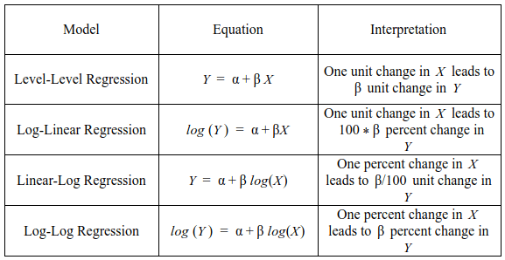
 | Coefficient | Std. Error | z | p-value |  | Interpretation
const | 4.92397 | 1.2222 | 4.029 | <0.0001 | ***
LnHC | 1.64181 | 0.517528 | 3.172 | 0.0015 | *** | 164%
L | 0.0179936 | 0.0215519 | 0.8349 | 0.4038 |  | 180%
LnK | 0.240098 | 0.116982 | 2.052 | 0.0401 | ** | 24%
LnGini | 0.300077 | 0.0803737 | 3.734 | 0.0002 | *** | 30%
INF | 0.00298611 | 0.00101799 | 2.933 | 0.0034 | *** | 30%

Mean dependent var | 10.28337 |  | S.D. dependent var | 0.351958
Sum squared resid | 0.035119 |  | S.E. of regression | 0.025741
R-squared | 0.995112 |  | Adjusted R-squared | 0.994651
F(5, 53) | 2388.862 |  | P-value(F) | 4.33e-61
Log-likelihood | 135.3659 |  | Akaike criterion | −258.7317
Schwarz criterion | −246.2665 |  | Hannan-Quinn | −253.8658
rho | 0.719410 |  | Durbin-Watson | 0.558405

