MMT_TC_Trains
Automted Test Cases | Test case S/N | Test case ID | Test Case Description | Priority | Pre-condition | Test Steps / Input Data | Review Comments | Review Comments Status | Expected Results / Post Conditions | Actual Results | Status | Target Test Date | Tested by | Date Tested | Retested by | Retested Date | Closed by | Closed Date | Verified by | Date Verified | Remarks | Stage | Comments by tester
TC1 | Navigate to MakeMyTrip Portal
TC1 | 1 | MMT-TRAINS-TC-001 | Verify that, user can navigate to MakeMyTrip URL | P1 | 1. Browser Should be open | 1. Enter URL: https://www.makemytrip.com/ 2. Navigate to Homepage of MakeMyTrip |  |  | User/system should navigate to entered URL i.e. Home page of MakeMyTrip Application | Current URL: https://www.makemytrip.com/ | Pass |  | Akash Dhole
TC1 | 2 | MMT-TRAINS-TC-002 | Validate that, The Web Elements present on Homepage are correct(as expected). | P1 | 1. The user should be present on Homepage of MakeMyTrip | 1. Validate the Web Elements on Current Page/Home Page a) Get Title of the current page b) Validate "SEARCH" button is present with tagname i.e. "SEARCH" c) Get current url and print it | As per the Test Description, what are the expected Web elements? | Fixed | 1. Title of the Page should be, "MakeMyTrip - #1 Travel Website 50% OFF on Hotels, Flights & Holiday" 2. "SEARCH" button should be present 3. Current URL should be, "https://www.makemytrip.com/" | Title of the current page: "MakeMyTrip - #1 Travel Website 50% OFF on Hotels, Flights & Holiday" | Pass |  | Akash Dhole
TC2 | Navigate to Trains Webpage
TC2 | 3 | MMT-TRAINS-TC-003 | Verify that, user can navigate to Trains Section | P1 | 1. The user should be present on Homepage of MakeMyTrip | 1. Click on Trains Tab |  |  | User/System should navigated to the trains section/ "railways" page. | Title of the current page: "IRCTC Train Tickets Reservation | Indian Railways Reservation | IRCTC Train Tickets Booking, Trains Enquiry Online : MakeMyTrip" Current URL: https://www.makemytrip.com/railways/ | Pass |  | Akash Dhole
TC2 | 4 | MMT-TRAINS-TC-004 | Validate that, the Web Elements present on railways page are visible | P1 | 1. The current page should be "railway" | 1. Validate the following Web Elements on Current Page a. BOOK TRAIN TICKETS b. CHECK PNR STATUS c. LIVE TRAIN STATUS |  |  | Following parameters should be displayed on page: a. BOOK TRAIN TICKETS b. CHECK PNR STATUS c. LIVE TRAIN STATUS | All Mentioned elements are Visible | Pass |  | Akash Dhole
TC2 | Options Present on Trains Page are Selectable
TC2 | 5 | MMT-TRAINS-TC-005 | Verify that, user can choose "BOOK TRAIN TICKETS" option | P1 | 1. The current page should be "railway" | 1. Select "BOOK TRAIN TICKETS" option |  |  | 1. The "BOOK TRAIN TICKETS" option should get selected | Mentioned element is selectable | Pass |  | Akash Dhole
TC2 | 6 | MMT-TRAINS-TC-006 | Verify that, user can choose "CHECK PNR STATUS" option | P1 | 1. The current page should be "railway" | 1. Select "CHECK PNR STATUS" option |  |  | 1. The "CHECK PNR STATUS" option should get selected | Mentioned element is selectable | Pass |  | Akash Dhole
TC2 | 7 | MMT-TRAINS-TC-007 | Verify that, user can choose "LIVE TRAIN STATUS" option | P1 | 1. The current page should be "railway" | 1. Select "LIVE TRAIN STATUS" option |  |  | 1. The "LIVE TRAIN STATUS" option should get selected | Mentioned element is selectable | Pass |  | Akash Dhole
TC3,TC4 | Select respective data inside BOOK TRAIN TICKETS option
TC3 | 8 | MMT-TRAINS-TC-008 | Validate that, "FROM" Combo box is present on current page/URL | P1 | 1. The current page should be "railway" 2. "BOOK TRAIN TICKETS" option should be selected | 1. Validate the FROM Combo box is present |  |  | 1. "FROM" Combo box should be visible | Mentioned element is Visible | Pass |  | Akash Dhole
TC3 | 9 | MMT-TRAINS-TC-009 | Verify that, User can search the location from "FROM" Combo box | P1 | 1. The current page should be "railway" 2. "BOOK TRAIN TICKETS" option should be selected by default | 1. Enter city inside "FROM" Combo Box #Data: Mumbai |  |  | 1. The data should be filtered after entering the given location | Entered City: "Mumbai" | Pass |  | Akash Dhole
Mumbai
KYN, Kalyan Junction
TC3 | 10 | MMT-TRAINS-TC-010 | Verify that, User can Select the valid city/location from "FROM" Combo box | P1 | 1. The current page should be "railway" 2. "BOOK TRAIN TICKETS" option should be selected by default | 1. Select city from "FROM" Combo Box #Data: Mumbai KYN, Kalyan Junction |  |  | 1. The mentioned city should be present in database/dropdown menu 2. The city should get selected | Selected First Option: | Pass |  | Akash Dhole
TC4 | 11 | MMT-TRAINS-TC-011 | Verify that, User can not Select the invalid city/location from "FROM" Combo box | P1 | 1. The current page should be "railway" 2. "BOOK TRAIN TICKETS" option should be selected by default | 1. Select city from "FROM" Combo Box #Data: Shinde Nagar SHD, Shinde Nagar - All Stations |  |  | 1. The mentioned city should not present in database/dropdown menu 2. The city should not get selected | No Data Found | Pass |  | Akash Dhole
TC4 | 12 | MMT-TRAINS-TC-012 | Verify that, User can not keep the city/location blank from "FROM" Combo box | P1 | 1. The current page should be "railway" 2. "BOOK TRAIN TICKETS" option should be selected by default | 1. Click on FROM button 2. Check if option is there to keep FROM Combobox blank e.g. "from/keep blank" |  |  | 1. The blank option should not be there or not selectable "FROM" combo box | Not Present | Pass |  | Akash Dhole
TC3 | 13 | MMT-TRAINS-TC-013 | Validate that, "TO" Combo box is present on current page/URL | P1 | 1. The current page should be "railway" 2. "BOOK TRAIN TICKETS" option should be selected | 1. Validate the TO Combo box is present |  |  | 1. "TO" Combo box should be visible | Mentioned element is Visible | Pass |  | Akash Dhole
TC3 | 14 | MMT-TRAINS-TC-014 | Verify that, User can search the location from "TO" Combo box | P1 | 1. The current page should be "railway" 2. "BOOK TRAIN TICKETS" option should be selected by default | 1. Enter city inside "TO" Combo Box #Data: Pune |  |  | 1. The data should be filtered after entering the location | Entered City: "Pune" | Pass |  | Akash Dhole
Pune
PUNE, Pune Junction
TC3 | 15 | MMT-TRAINS-TC-015 | Verify that, User can Select the valid city/location from "TO" Combo box | P1 | 1. The current page should be "railway" 2. "BOOK TRAIN TICKETS" option should be selected by default | 1. Select city from "TO" Combo Box #Data: Pune PUNE, Pune Junction |  |  | 1. The city should be present in database/dropdown menu 2. The city should get selected | Selected First Option: | Pass |  | Akash Dhole
TC5 | 16 | MMT-TRAINS-TC-016 | Verify that, User can not Select the invalid city/location from "TO" Combo box | P1 | 1. The current page should be "railway" 2. "BOOK TRAIN TICKETS" option should be selected by default | 1. Select city from "TO" Combo Box #Data: Shinde Nagar SHD, Shinde Nagar - Shd Junction |  |  | 1. The city should not present in database/dropdown menu 2. The city should not get selected | No Data Found | Pass |  | Akash Dhole
TC6 | 17 | MMT-TRAINS-TC-017 | Verify that, User can not Select the same city/location from "FROM" & "TO" Combo box | P1 | 1. The current page should be "railway" 2. "BOOK TRAIN TICKETS" option should be selected by default | 1. Select city from "FROM" Combo Box #Data: Pune PUNE, Pune Junction 2. Select city from "TO" Combo Box #Data: Pune PUNE, Pune Junction |  |  | 1. The city should present in database/dropdown menu 2. But the "TO" Combo box should display the error like, "From & To station cannot be the same" | Error Message: "From & To station cannot be the same" | Pass |  | Akash Dhole
TC3 | 18 | MMT-TRAINS-TC-018 | Validate that, "TRAVEL DATE" Date Picker control option is present on current page/URL | P1 | 1. The current page should be "railway" 2. "BOOK TRAIN TICKETS" option should be selected | 1. Validate the "TRAVEL DATE" Date Picker control is present | Intead of Calender, Date Picker control name seems more appreopriate | Fixed | 1. TRAVEL DATE Date Picker control should be visible | Mentioned element is Visible | Pass |  | Akash Dhole
TC3 | 19 | MMT-TRAINS-TC-019 | Verify that, User can Select the future date from "TRAVEL DATE" Date Picker control | P1 | 1. The current page should be "railway" 2. "BOOK TRAIN TICKETS" option should be selected by default | 1. Select date from "TRAVEL DATE" Date Picker control #Data: 20 AUG 22 SATURDAY |  |  | 1. The date should be available in Date Picker control 2. The date should get selected | The Date got Selected | Pass |  | Akash Dhole
TC3 | 20 | MMT-TRAINS-TC-020 | Verify that, User can not Select the past date date from "TRAVEL DATE" Date Picker control | P1 | 1. The current page should be "railway" 2. "BOOK TRAIN TICKETS" option should be selected by default | 1. Select date from "TRAVEL DATE" Date Picker control #Data: 20 JUNE 22 MONDAY |  |  | 1. The date should not available in Date Picker control 2. The date should not get selected | The Date is not available as it is past date | Pass |  | Akash Dhole
TC3 | 21 | MMT-TRAINS-TC-021 | Verify that, User can Select the present day date from "TRAVEL DATE" Date Picker control |  | 1. The current page should be "railway" 2. "BOOK TRAIN TICKETS" option should be selected by default | 1. Select date from "TRAVEL DATE" Date Picker control #Data: 19 JUL 22 TUESDAY |  |  | 1. The date should be available in Date Picker control 2. The date should get selected | The Date is be available as it is future date | Pass |  | Akash Dhole
TC3 | 22 | MMT-TRAINS-TC-022 | Validate that, "CLASS" option is present on current page/URL | P1 | 1. The current page should be "railway" 2. "BOOK TRAIN TICKETS" option should be selected by default | 1. Validate CLASS dropdown box is present |  |  | 1. CLASS dropdown box should be visible | Mentioned element is Visible | Pass |  | Akash Dhole
TC3 | 23 | MMT-TRAINS-TC-023 | Verify that, User can Select the valid class from "CLASS" dropdown box | P1 | 1. The current page should be "railway" 2. "BOOK TRAIN TICKETS" option should be selected by default | 1. Select class from "CLASS" dropdown box #Data: SL SLEEPER CLASS |  |  | 1. The class should be available in dropdown box 2. The class should get selected | Mentioned element is Visible and Class is Selected | Pass |  | Akash Dhole
TC3 | 24 | MMT-TRAINS-TC-024 | Verify that, User can not Select the invalid class type from "CLASS" dropdown box | P1 | 1. The current page should be "railway" 2. "BOOK TRAIN TICKETS" option should be selected by default | 1. Select class from "CLASS" Combo Box #Data: RN RUNNER CLASS |  |  | 1. The class should not be available in dropdown box 2. The class should not get selected | Not Present | Pass |  | Akash Dhole
TC3 | 25 | MMT-TRAINS-TC-025 | Verify that, User can keep the class type as it is(All Classes) from "CLASS" dropdown box | P1 | 1. The current page should be "railway" 2. "BOOK TRAIN TICKETS" option should be selected by default | 1. Keep default class as it is i.e. ALL CLASSES |  |  | 1. "ALL CLASSES" Class should be present there | Default Class is, "ALL CLASSES" | Pass |  | Akash Dhole
TC7 | Select respective data inside CHECK PNR STATUS option
TC7 | 26 | MMT-TRAINS-TC-026 | Validate that, "PNR NUMBER" field is present on current page/URL | P1 | 1. The current page should be "railway" 2. "CHECK PNR STATUS" option should be selected | 1. Validate the PNR NUMBER text field is present | The Pre-condition can he rehprased as The current page should be xxxx | Fixed | 1. "PNR NUMBER" field should be visible | Mentioned element is Visible | Pass |  | Akash Dhole
TC7 | 27 | MMT-TRAINS-TC-027 | Verify that, user can enter the number inside "Enter 10 digit PNR" placeholder | P1 | 1. The current page should be "railway" 2. "CHECK PNR STATUS" option should be selected | 1. Validate the Enter 10 digit PNR placeholder is present 2. Enter some digits #data: 1342343245 |  |  | 1. "Enter 10 digit PNR" placeholder should be visible 2. user should able to enter the digits | Mentioned element is Visible and entered PNR Number | Pass |  | Akash Dhole
TC7 | 28 | MMT-TRAINS-TC-028 | Verify that, user can enter 10 digits PNR Number inside "Enter 10 digit PNR" placeholder | P1 | 1. The current page should be "railway" 2. "CHECK PNR STATUS" option should be selected | 1. Enter 10 digit PNR Number #data: 1234567890 |  |  | 1. The entered number should be visible inside that field 2. The "CHECK STATUS" button should be enabled | Entered PNR Number and "CHECK STATUS" button get enabled | Pass |  | Akash Dhole
TC7 | 29 | MMT-TRAINS-TC-029 | Verify that, user can enter less than 10 digit PNR Number inside "Enter 10 digit PNR" placeholder | P1 | 1. The current page should be "railway" 2. "CHECK PNR STATUS" option should be selected | 1. Enter less than 10 digit PNR Number #data: 12345678 |  |  | 1. The entered number should be visible inside that field 2. The "CHECK STATUS" button should not enabled | Entered PNR Number and "CHECK STATUS" button did not enable | Pass |  | Akash Dhole
TC7 | 30 | MMT-TRAINS-TC-030 | Verify that, user can not enter more than 10 digit PNR Number inside "Enter 10 digit PNR" placeholder | P1 | 1. The current page should be "railway" 2. "CHECK PNR STATUS" option should be selected | 1. Enter more than 10 digit PNR Number #data: 12345678901 |  |  | 1. The entered number should be visible up to 10 digits only 2. The 11th digit for PNR Number should not allow to enter 3. The "CHECK STATUS" button should be enabled after 10th digit | Entered PNR Number and "CHECK STATUS" button get enabled | Pass |  | Akash Dhole
TC7 | 31 | MMT-TRAINS-TC-031 | Verify that, user can click on "CHECK STATUS" button | P1 | 1. The current page should be "railway" 2. "CHECK PNR STATUS" option should be selected 3. The 10 digit PNR Number should be filled/entered | 1. Enter 10 digit PNR Number #data: 1234567890 |  |  | 1. The entered 10 digits number should be visible 2. The "CHECK STATUS" button should navigate user to next page | Entered PNR Number and "CHECK STATUS" button get enabled Clicked button and navigated to next page Current URL: https://www.makemytrip.com/railways/pnrsearch/?pnr=1234567890 | Pass |  | Akash Dhole
TC8 | Select respective data inside LIVE TRAIN STATUS option
TC8 | 32 | MMT-TRAINS-TC-032 | Validate that, "TRAIN NUMBER / NAME" field is present on current page/URL | P1 | 1. The current page should be "railway" 2. "LIVE TRAIN STATUS" option should be selected | 1. Validate the "TRAIN NUMBER / NAME" Combo Box combo box is present |  |  | 1. "LIVE TRAIN STATUS" combo box should be visible | Mentioned element is Visible | Pass |  | Akash Dhole
TC8 | 33 | MMT-TRAINS-TC-033 | Verify that, User can search the Train number and name from "TRAIN NUMBER / NAME" Combo box | P1 | 1. The current page should be "railway" 2. "LIVE TRAIN STATUS" option should be selected | 1. Enter Train number and name inside "TRAIN NUMBER / NAME" Combo Box #Data: 22435 VANDE BHARAT EXP |  |  | 1. The data should be filtered after entering the data | Entered Data: 22435 | Pass |  | Akash Dhole
22435
VANDE BHARAT EXPRESS T
TC8 | 34 | MMT-TRAINS-TC-034 | Verify that, User can Select the valid Train number and name from "TRAIN NUMBER / NAME" Combo box | P1 | 1. The current page should be "railway" 2. "LIVE TRAIN STATUS" option should be selected | 1. Select Train number and name from "TRAIN NUMBER / NAME" Combo Box #Data: 11090 PUNE BGKT EXP |  |  | 1. The Train number and name should be present in database/dropdown menu 2. The Train number and name should get selected | Selected First Option: | Pass |  | Akash Dhole
TC8 | 35 | MMT-TRAINS-TC-035 | Verify that, User can not Select the invalid Train number and name from "TRAIN NUMBER / NAME" Combo box | P1 | 1. The current page should be "railway" 2. "LIVE TRAIN STATUS" option should be selected | 1. Select Train number and name from "TRAIN NUMBER / NAME" Combo Box #Data: 355544 SHD EXP |  |  | 1. The Train number and name should not present in database/dropdown menu 2. The Train number and name should not get selected | Data Not Found | Pass |  | Akash Dhole
TC8 | 36 | MMT-TRAINS-TC-036 | Verify that, User can not keep the Train number and name blank from "TRAIN NUMBER / NAME" Combo box | P1 | 1. The current page should be "railway" 2. "LIVE TRAIN STATUS" option should be selected |  |  |  | 1. The blank option should not be there or not selectable from combo box | Not Present | Pass |  | Akash Dhole
TC8 | 37 | MMT-TRAINS-TC-037 | Validate that, "YOUR STOP" dropdown box is present on current page/URL | P1 | 1. The current page should be "railway" 2. "LIVE TRAIN STATUS" option should be selected | 1. Validate the "YOUR STOP" dropdown box is present |  |  | 1. "YOUR STOP" dropdown box should be visible | Mentioned element is Visible | Pass |  | Akash Dhole
11090
PUNE BGKT EXP
TC8 | 38 | MMT-TRAINS-TC-038 | Verify that, User can Select the valid location from "YOUR STOP" dropdown box | P1 | 1. The current page should be "railway" 2. "LIVE TRAIN STATUS" option should be selected | 1. Select location from "YOUR STOP" dropdown box #Data: 11090 PUNE BGKT EXP |  |  | 1. The location should be present in database/dropdown menu 2. The location should get selected | Selected First Option: | Pass |  | Akash Dhole
TC8 | 39 | MMT-TRAINS-TC-039 | Verify that, User can not Select the invalid location from "YOUR STOP" dropdown box | P1 | 1. The current page should be "railway" 2. "LIVE TRAIN STATUS" option should be selected | 1. Select location from "YOUR STOP" dropdown box #Data: 355544 SHD EXP |  |  | 1. The location should not present in database/dropdown menu 2. The location should not get selected | Data Not Found | Pass |  | Akash Dhole
TC8 | 40 | MMT-TRAINS-TC-040 | Verify that, User can not keep the location blank inside "YOUR STOP" dropdown box | P1 | 1. The current page should be "railway" 2. "LIVE TRAIN STATUS" option should be selected |  |  |  | 1. The blank option should not be there or not selectable | Not Present | Pass |  | Akash Dhole
TC8 | 41 | MMT-TRAINS-TC-041 | Validate that, "TRAIN START DATE" dropdown box is present on current page/URL | P1 | 1. The current page should be "railway" 2. "LIVE TRAIN STATUS" option should be selected | 1. Validate the "TRAIN START DATE" dropdown box is present |  |  | 1. "YOUR STOP" dropdown box should be visible | Mentioned element is Visible | Pass |  | Akash Dhole
Yesterday
Tue, 19 Jul 22
TC8 | 42 | MMT-TRAINS-TC-042 | Verify that, User can Select the valid date from "TRAIN START DATE" dropdown box | P1 | 1. The current page should be "railway" 2. "LIVE TRAIN STATUS" option should be selected | 1. Select date from "TRAIN START DATE" dropdown box #Data: Yesterday Tue, 19 Jul 22 |  |  | 1. The date should be present in database/dropdown menu 2. The date should get selected | Selected Option: | Pass |  | Akash Dhole
TC8 | 43 | MMT-TRAINS-TC-043 | Verify that, User can not Select the invalid date from "TRAIN START DATE" dropdown box | P1 | 1. The current page should be "railway" 2. "LIVE TRAIN STATUS" option should be selected | 1. Select date from "TRAIN START DATE" dropdown box #Data: Day after tomorrow Tue, 19 Sep 23 |  |  | 1. The date should not present in database/dropdown menu 2. The date should not get selected | Data Not Found | Pass |  | Akash Dhole
TC8 | 44 | MMT-TRAINS-TC-044 | Verify that, User can not keep the date blank inside "TRAIN START DATE" dropdown box | P1 | 1. The current page should be "railway" 2. "LIVE TRAIN STATUS" option should be selected |  |  |  | 1. The blank option should not be there or not selectable | Not Present | Pass |  | Akash Dhole
TC8 | 45 | MMT-TRAINS-TC-045 | Verify that, user can click on "CHECK STATUS" button | P1 | 1. The current page should be "railway" 2. "LIVE TRAIN STATUS" option should be selected | 1. Enter Train number and name inside "TRAIN NUMBER / NAME" Combo Box #Data: 22435 VANDE BHARAT EXP 2. Select location from "YOUR STOP" dropdown box #Data: 11090 PUNE BGKT EXP 3. Select date from "TRAIN START DATE" dropdown box #Data: Yesterday Tue, 19 Jul 22 4. Click on "CHECK STATUS" button |  |  | 1. The entered data should be visible 2. The "CHECK STATUS" button should navigate user to next page | The Entered data is present/visible on respective fields #Data: 22435 VANDE BHARAT EXP 2. Station from "YOUR STOP" dropdown box #Data: 11090 PUNE BGKT EXP 3. Date from "TRAIN START DATE" dropdown box #Data: Yesterday Tue, 19 Jul 22 | Pass |  | Akash Dhole
TC3 | Click on SEARCH button present on "BOOK TRAIN TICKETS" Tab
TC3 | 46 | MMT-TRAINS-TC-046 | Verify that, the user can click on Search button present on "BOOK TRAIN TICKETS" tab | P1 | 1. The current page should be "railway" 2. "BOOK TRAIN TICKETS" option should be selected | 1. Select city from "FROM" Combo Box #Data: Pune PUNE, Pune Junction 2. Select city from "TO" Combo Box #Data: Mumbai KYN, Mumbai - All Stations 3. Select date from "TRAVEL DATE" Combo Box #Data: 24 SEP' 22 SATURDAY 4. Select class from "CLASS" dropdown box #Data: SL SLEEPER CLASS 5. Click on "SEARCH" button |  |  | 1. The entered data should be visible 2. User should successfully navigate to next page | #Data: Pune PUNE, Pune Junction 2. Selected city from "TO" Combo Box #Data: Mumbai KYN, Mumbai - All Stations 3. Selected date from "TRAVEL DATE" Combo Box #Data: 24 SEP' 22 SATURDAY 4. Selected class from "CLASS" dropdown box #Data: SL SLEEPER CLASS | Pass |  | Akash Dhole
TC10 | Validate the recent searches on "railway" page once searched for the train
Pune -> Mumbai
24 Sep 22
TC10 | 47 | MMT-TRAINS-TC-047 | Validate that, Recent Searches option is present on Trains page | P1 | 1. The current page should be "railway" | 1. Validate the recent searches option is showing latest searches. | If we have not made any searches, then Recent Searches will not be displayed? How is this handled in the test case? | Fixed | 1. The recent searches should display latest searches like, |Pune -> Mumbai | | 24 Sep 22 | | Latest Searches: | Pass |  | Akash Dhole
TC10 | 48 | MMT-TRAINS-TC-048 | Verify that, user can click on Recently Searched options | P1 | 1. The current page should be "railway" | 1. Click on recently searched option i.e. |New Delhi -> Kanpur | | 31 Aug 22 | | If we have not made any searches, then Recent Searches will not be displayed? How is this handled in the test case? | Fixed | 1. The user should navigate to next/listing page | The Current URL is: https://www.makemytrip.com/railways/listing/?classCode=&className=All%20Classes&date=20220831&destCity=Kanpur&destStn=CNB&srcCity=New%20Delhi&srcStn=NDLS | Pass |  | Akash Dhole
TC9,TC12 | User can apply some filters and able to click on elements present inside selected train
SIDDHESHWAR EXP
#12116 | Departs on : S M T W T F S
TC9 | 49 | MMT-TRAINS-TC-049 | Verify that, user can apply some filters | P1 | 1. User should present on current URL | 1. Apply some filters as follows(ex. Fields : Values); Quick Filters : Available Ticket Types : Free Cancellation Journey Class Filters : Sleeper - SL Arrival in Mumbai : Morning - 6 AM to 12 PM Stations in Pune : Pune Jn - PUNE |  |  | 1. The filtered results should be display. | The First result is: | Pass |  | Akash Dhole
TC13 | 50 | MMT-TRAINS-TC-050 | Verify that, user can click on View route option(it is present there in blue color) | P1 | 1. User should present on current URL 2. User should selected at least one train | 1. Go on train option i.e. MUMBAI EXP 2. Click on "View route" link present on "MUMBAI EXP" option |  |  | 1. The new pop up window should get opened where all the routes of train will be mentioned | New Popup window got open | Pass |  | Akash Dhole
7:45 AM, Wed -> 12:05 PM, Wed
Kalyan Jn (KYN) -> Pune Jn (PUNE)
TC11 | 51 | MMT-TRAINS-TC-051 | Validate that, the new pop up window is contained of "FROM" and "TO" Location in bold font | P1 | 1. User should present on current URL 2. User should selected at least one train | 1. Validate the FROM and TO Stations are present in bold font |  |  | 1. The "FROM" and "TO" Stations are present in bold font inside pop up | The respective is present as, | Pass |  | Akash Dhole
TC14 | 52 | MMT-TRAINS-TC-052 | Verify that, user can click on "Nearby dates" dropdown link | P1 | 1. User should present on current URL 2. User should selected at least one train | 1. Click on "Nearby dates" dropdown link |  |  | 1. The new options window/links should get opened | New window get opened | Pass |  | Akash Dhole
TC14 | 53 | MMT-TRAINS-TC-053 | Verify that, user can click on "Sleeper" button | P1 | 1. User should present on current URL 2. User should selected at least one train 3. User should clicked on "Nearby dates" link | 1. Click on "Sleeper" button |  |  | 1. It should display new trains info available with free cancellation | Option Will display as below, | Pass |  | Akash Dhole
TC14 | 54 | MMT-TRAINS-TC-054 | Verify that, user can click on "LADIES" button | P1 | 1. User should present on current URL 2. User should selected at least one train 3. User should clicked on "Nearby dates" link 4. User should selected "Sleeper" option | 1. Click on "Ladies" button |  |  | 1. The train data/info should get changed according to availability of ladies seats | 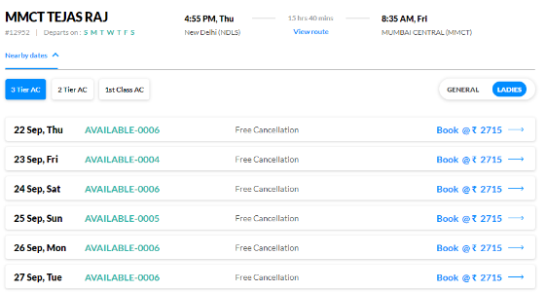 Option Will display as below, | Pass |  | Akash Dhole
TC14 | 55 | MMT-TRAINS-TC-055 | Verify that, user can click on one of the train available on Selected Date by user | P1 | 1. User should present on current URL 2. User should selected at least one train 3. User should clicked on "Nearby dates" link 4. User should selected "Sleeper" option | 1. Click on the train which is available on "24 Sep, Sat" |  |  | 1. The user should navigate to next (i.e. review) page | User navigated to next URL, The Current URL is: https://www.makemytrip.com/railways/review | Pass |  | Akash Dhole
TC14 | User can select one train option and navigate to next page
TC14 | 56 | MMT-TRAINS-TC-056 | Verify that, user can click on train accordingly | P1 | 1. User should present on current URL 2. User should selected at least one train 3. User should selected "Sleeper" option | 1. Go on train option i.e. MUMBAI EXP 2. Click on "MUMBAI EXP" option |  |  | 1. The user should navigate to next (i.e. review) page | User navigated to next URL, The Current URL is: https://www.makemytrip.com/railways/review | Pass |  | Akash Dhole
TC15,TC16 | Provide & Review Booking Details on "review" page
TC15 | 57 | MMT-TRAINS-TC-057 | Validate that, Boarding Station should be reflected on Current URL under "Your Boarding Station" | P1 | 1. The current page should be "review" | 1. Validate that, Boarding station and Departure time is displaying. | Pre-condition is not explanatory, which is the current page? | Fixed | 1. The Boarding station and Departure time should be visible. | Mentioned element and data is Visible | Pass |  | Akash Dhole
TC16 | 58 | MMT-TRAINS-TC-058 | Verify that, user can change the boarding station | P1 | 1. The current page should be "review" | 1. Click on "Change" dropdown available under "Your Boarding Station" label |  |  | 1. New dropdown list should get opened | 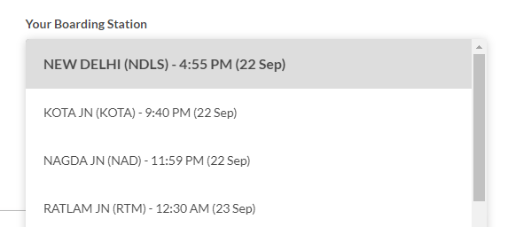 List got open: | Pass |  | Akash Dhole
TC17 | 59 | MMT-TRAINS-TC-059 | Verify that, user can select cancellation option under "Get Free Cancellation" label | P1 | 1. The current page should be "review" | 1. Click on radio button labelled with, "Yes, I want full refund upon cancellation" |  |  | 1. The selected radio button should change the color/get selected | Radio Button Selected: | Pass |  | Akash Dhole
TC18 | 60 | MMT-TRAINS-TC-060 | Verify that, the user can click on "+ ADD TRAVELLER" button under "Add Travelers & Preferences" (to add the new traveler) | P1 | 1. The current page should be "review" | 1. Click on "+ ADD TRAVELLER" button |  |  | 1. New editable pop up window should get opened | 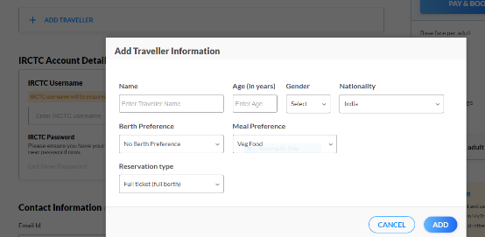 POP UP : | Pass |  | Akash Dhole
TC18 | 61 | MMT-TRAINS-TC-061 | Verify that, User can enter the Name inside "Name" text field | P1 | 1. The current page should be "review" | 1. Enter the name inside "Name" text field #data: Jack Sparrow |  |  | 1. "Jack Sparrow" should be visible inside "Name" text field | The Entered Name is visible as, "Jack Sparrow" | Pass |  | Akash Dhole
TC18 | 62 | MMT-TRAINS-TC-062 | Verify that, User can enter the age inside "Age (in years)" text field | P1 | 1. The current page should be "review" | 1. Enter the age inside "Age (in years)" text field #data: 22 |  |  | 1. "22" should be visible inside "Age (in years)" text field | The Entered Age is visible as, "22" | Pass |  | Akash Dhole
Male
TC18 | 63 | MMT-TRAINS-TC-063 | Verify that, User can select gender from "Gender" dropdown list | P1 | 1. The current page should be "review" | 1. Select the "Male" from "Gender" dropdown |  |  | 1. The gender "Male" should get selected | Gender | Pass |  | Akash Dhole
India
TC18 | 64 | MMT-TRAINS-TC-064 | Verify that, User can select Nationality from "Nationality" dropdown list | P1 | 1. The current page should be "review" | 1. Select the "India" from "Nationality" dropdown |  |  | 1. The Nationality "India" should get selected | Nationality | Pass |  | Akash Dhole
Middle
TC18 | 65 | MMT-TRAINS-TC-065 | Verify that, User can select Berth Preference from "Berth Preference" dropdown list | P1 | 1. The current page should be "review" | 1. Select the "Middle" from "Berth Preference" dropdown |  |  | 1. The Berth Preference "Middle" should get selected | Berth Preference | Pass |  | Akash Dhole
TC19 | 66 | MMT-TRAINS-TC-066 | Verify that, User gets error message when entered invalid name inside "Name" text field and click on ADD button | P1 | 1. The current page should be "review" | 1. Enter the Respective data #data: a) Name: #Jack@Sparrow (invalid name format) a) Age: 22 b) Gender: Male c) Nationality: India; d) Berth Preference: Middle 2. Click on "ADD" button |  |  | 1. The error message should be displayed as, "Name is not valid" below Name text field | The error message displayed as, "Name is not valid" | Pass |  | Akash Dhole
TC20 | 67 | MMT-TRAINS-TC-067 | Verify that, User gets error message when entered invalid age inside "Age (in years)" text field and click on ADD button | P1 | 1. The current page should be "review" | 1. Enter the Respective data #data: a) Name: Jack Sparrow a) Age: 22555 (invalid age) b) Gender: Male c) Nationality: India; d) Berth Preference: Middle 2. Click on "ADD" button |  |  | 1. The error message should be displayed as, "Age should be between 5 and 125" below Age (in years) text field | The error message displayed as, "Age should be between 5 and 12" | Pass |  | Akash Dhole
TC21 | 68 | MMT-TRAINS-TC-068 | Verify that, User gets error message when keep "Name" text field blank and click on ADD button | P1 | 1. The current page should be "review" | 1. Enter the Respective data #data: a) Name: {null} a) Age: 22 b) Gender: Male c) Nationality: India; d) Berth Preference: Middle 2. Click on "ADD" button |  |  | 1. The error message should be displayed as, "Name is not valid" below Name text field | The error message displayed as, "Name is not valid" | Pass |  | Akash Dhole
TC22 | 69 | MMT-TRAINS-TC-069 | Verify that, User gets error message when keep "Age" text field blank and click on ADD button | P1 | 1. The current page should be "review" | 1. Enter the Respective data #data: a) Name: Jack Sparrow a) Age: {null} b) Gender: Male c) Nationality: India; d) Berth Preference: Middle 2. Click on "ADD" button |  |  | 1. The error message should be displayed as, "Age should be between 5 and 125" below Age (in years) text field | The error message displayed as, "Age should be between 5 and 125" | Pass |  | Akash Dhole
TC23 | 70 | MMT-TRAINS-TC-070 | Verify that, User gets error message if Gender is not selected and click on ADD button | P1 | 1. The current page should be "review" | 1. Enter the Respective data #data: a) Name: Jack Sparrow a) Age: 22 b) Gender: {not selected} c) Nationality: India; d) Berth Preference: Middle 2. Click on "ADD" button |  |  | 1. The error message should be displayed as, "Gender is not specified" below Gender dropdown | The error message displayed as, "Gender is not specified" | Pass |  | Akash Dhole
TC18 | 71 | MMT-TRAINS-TC-071 | Verify that, User can add new travelers under, "Add Travelers & Preferences" | P1 | 1. The current page should be "review" | 1. Enter the Respective data #data: a) Name: Rimi Sen a) Age: 40 b) Gender: Female c) Nationality: India d) Berth Preference: Middle 2. Click on "ADD" button |  |  | 1. The new traveler should get added and reflected under "Add Travelers & Preferences" label | The Traveler will get added | Pass |  | Akash Dhole
TC24 | 72 | MMT-TRAINS-TC-072 | Verify that, User can click on "EDIT" button under "Add Travelers & Preferences" label | P1 | 1. The current page should be "review" | 1. Click On "EDIT" button |  |  | 1. The pop-up window should get opened where all the information about the traveler will be displayed | 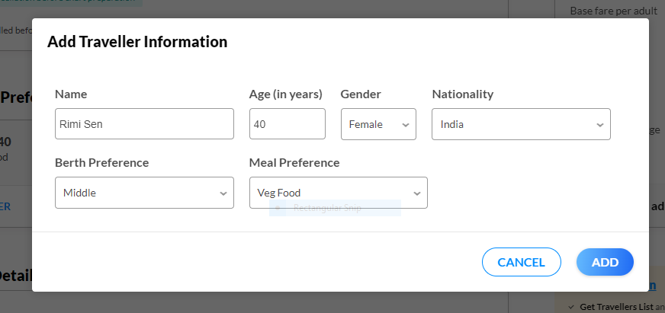 | Pass |  | Akash Dhole
TC24 | 73 | MMT-TRAINS-TC-073 | Verify that, User can edit the travelers information displayed inside the pop-up | P1 | 1. The current page should be "review" 2. User should be present on the "Add Traveler Information" pop-up | 1. Edit the Respective data with below information #data: a) Name: Rahul Sharma a) Age: 52 b) Gender: Male c) Nationality: India d) Berth Preference: Middle 2. Click on "ADD" button |  |  | 1. The information about the user should get changed and reflected accordingly. |  | Pass |  | Akash Dhole
TC25 | 74 | MMT-TRAINS-TC-074 | Verify that, user can click inside "IRCTC Username" text box which is present under "IRCTC Account Details" label | P1 | 1. The current page should be "review" | 1. Click inside text box |  |  | 1. The "Enter IRCTC Username" editable/text box pop-up window should get opened | 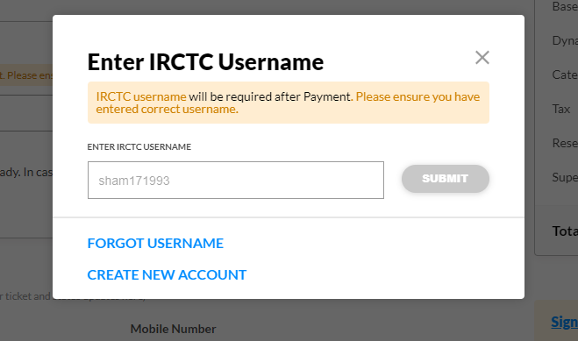 | Pass |  | Akash Dhole
TC26 | 75 | MMT-TRAINS-TC-075 | Validate the message present on pop-up window is correct | P1 | 1. User should present current URL/review page 2. The user should be present on "Enter IRCTC Username" editable/text box pop-up window | 1. Validate the message in pink area just present above text box |  |  | 1. The message should display as, "IRCTC username will be required after Payment. Please ensure you have entered correct username." on top of the pop-up just below "Enter IRCTC Username" label | The Message is display like, IRCTC username will be required after Payment. Please ensure you have entered correct username. | Pass |  | Akash Dhole
TC25 | 76 | MMT-TRAINS-TC-076 | Verify that, User can enter IRCTC username in "IRCTC Username" text box which is present under "IRCTC Account Details" label | P1 | 1. User should present current URL/review page 2. The user should be present on "Enter IRCTC Username" editable/text box pop-up window | 1. Enter some text #data: ravidra12334 |  |  | 1. The entered data should be visible inside the textbox 2. The color of "SUBMIT" button should get changed from gray to blue | The Data Is visible inside box: #Data: ravidra12334 | Pass |  | Akash Dhole
TC25 | 77 | MMT-TRAINS-TC-077 | Verify that, user can click on "Submit" button which is present on "Enter IRCTC Username" editable/text box pop-up window | P1 | 1. User should present current URL/review page 2. The user should be present on "Enter IRCTC Username" editable/text box pop-up window 3. The IRCTC username should be filled i.e. "ravidra12335" | 1. Click on "SUBMIT" button |  |  | 1. The "SUBMIT" button should be clickable | "SUBMIT" Button is enabled | Pass |  | Akash Dhole
TC27 | 78 | MMT-TRAINS-TC-078 | Verify that, User can enter invalid IRCTC username in "IRCTC Username" text box which is present under "IRCTC Account Details" label | P1 | 1. User should present current URL/review page 2. The user should be present on "Enter IRCTC Username" editable/text box pop-up window | 1. Enter invalid IRCTC username #data: jiteshkumar420 2. Click on "Submit" Button |  |  | 1. The entered data should be visible inside the textbox 2. The color of "SUBMIT" button should get changed from gray to blue 3. The error message should be displayed as, "Invalid User ID" just below the text box 4. The message should be displayed as, "ENTER IRCTC USERNAME" just above the text box | 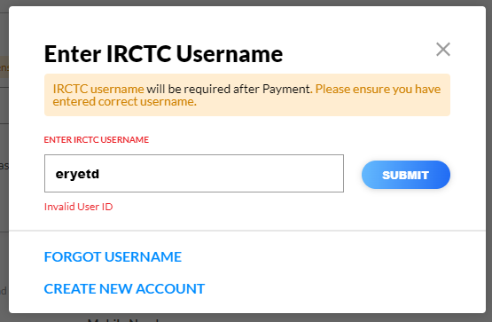 | Pass |  | Akash Dhole
TC28 | 79 | MMT-TRAINS-TC-079 | Verify that, User can keep "IRCTC Username" text box blank which is present under "IRCTC Account Details" label | P1 | 1. User should present current URL/review page 2. The user should be present on "Enter IRCTC Username" editable/text box pop-up window | 1. Keep text box blank |  |  | 1. The text box should show one demo username in light gray color as, "sham171993" inside the text box 2. The color of "SUBMIT" button should not changed because text box is empty/blank | 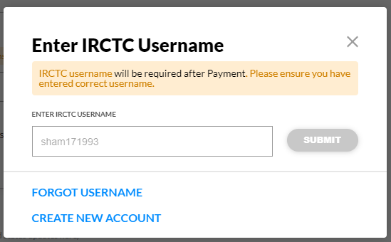 | Pass |  | Akash Dhole
TC29 | 80 | MMT-TRAINS-TC-080 | Validate that, "FORGOT USERNAME" and "CREATE NEW ACCOUNT" links present on pop-up | P1 | 1. User should present current URL/review page 2. The user should be present on "Enter IRCTC Username" editable/text box pop-up window | 1. Validate the "FORGOT USERNAME" and "CREATE NEW ACCOUNT" links in blue color font |  |  | 1. The "FORGOT USERNAME" link should be visible below text box 2. The "CREATE NEW ACCOUNT" link should be visible at the bottom of pop-up |  | Pass |  | Akash Dhole
TC30 | 81 | MMT-TRAINS-TC-081 | Verify that, user can click on "FORGOT USERNAME" link | P1 | 1. User should present current URL/review page 2. The user should be present on "Enter IRCTC Username" editable/text box pop-up window | 1. Click on "FORGOT USERNAME" link |  |  | 1. The "FORGOT USERNAME" link should open new pop-up window | 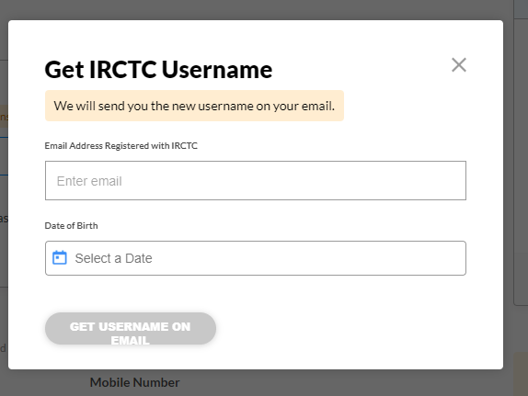 | Pass |  | Akash Dhole
TC31 | 82 | MMT-TRAINS-TC-082 | Verify that, user can click on "CREATE NEW ACCOUNT" link | P1 | 1. User should present current URL/review page 2. The user should be present on "Enter IRCTC Username" editable/text box pop-up window | 1. Click on "CREATE NEW ACCOUNT" link |  |  | 1. The "CREATE NEW ACCOUNT" link should open new window | It will navigate to new window Current URL is: https://www.makemytrip.com/railways/createNewAccount | Pass |  | Akash Dhole
TC32 | 83 | MMT-TRAINS-TC-083 | Verify that, user can enter the Email Id inside the "Email Id" text box | P1 | 1. The current page should be "review" | 1. Enter Email Id #data: jackmmt789@gmail.com |  |  | 1. The entered Email Id should display into text box labelled with "Enter Email Id" in faint gray color | Email ID is: "jackmmt789@gmail.com" | Pass |  | Akash Dhole
TC33 | 84 | MMT-TRAINS-TC-084 | Verify that, user can enter the Mobile number inside the "Mobile Number" text box | P1 | 1. The current page should be "review" | 1. Enter Mobile Number #data: 9746352345 |  |  | 1. The entered Email Id should display into text box labelled with "Enter Mobile Number" in faint gray color | Mobile number is: "9746352345" | Pass |  | Akash Dhole
TC34 | 85 | MMT-TRAINS-TC-085 | Verify that, user can enter the coupon code inside text box | P1 | 1. The current page should be "review" | 1. Enter some text #data: cpcode12911 |  |  | 1. The entered text should be display inside the text box labelled with, "HAVE A COUPON CODE?" in faint gray color | Coupon code is: "cpcode12911" | Pass |  | Akash Dhole
TC35 | 86 | MMT-TRAINS-TC-086 | Verify that, user can click on "APPLY" button | P1 | 1. The current page should be "review" | 1. Click on "APPLY" button |  |  | 1. The "APPLY" should apply the coupon code |  | Pass |  | Akash Dhole
TC35 | 87 | MMT-TRAINS-TC-087 | Verify that, user can apply for Offers discounts with invalid coupon code | P1 | 1. The current page should be "review" | 1. Enter invalid coupon code #data: cpcode12911 2. Click on "APPLY" button |  |  | 1. The error message should be display as, "Sorry! Promocode used is not applicable at the moment." just below the "coupon code" text box | The error message is displaying is: "Sorry! Promocode used is not applicable at the moment." | Pass |  | Akash Dhole
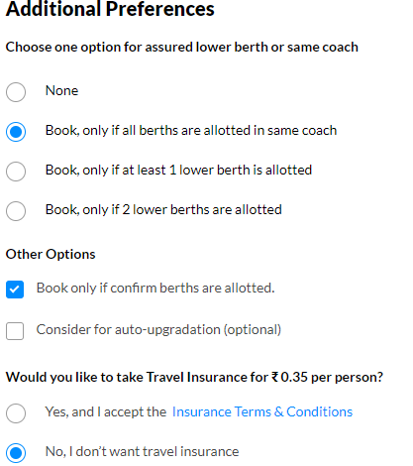
TC36 | 88 | MMT-TRAINS-TC-088 | Verify that, user can choose an Additional Preference for same berths in same coach | P1 | 1. The current page should be "review" | 1. Select second radio box i.e. "Book, only if all berths are allotted in same coach" |  |  | 1. The color of "Book, only if all berths are allotted in same coach" radio box should get filled with blue color(means radio button is selected) |  | Pass |  | Akash Dhole
TC37 | 89 | MMT-TRAINS-TC-089 | Verify that, user can click on check box under "Other Options" | P1 | 1. The current page should be "review" | 1. Select first check box i.e. "Book only if confirm berths are allotted." |  |  | 1. The color of "Book only if confirm berths are allotted." check box should get filled with blue color(means check box is selected/checked) |  | Pass |  | Akash Dhole
TC38 | 90 | MMT-TRAINS-TC-090 | Verify that, user can click on radio button "Would you like to take Travel Insurance for ₹ 0.35 per person?" | P1 | 1. The current page should be "review" | 1. Select second radio box i.e. "No, I don’t want travel insurance" |  |  | 1. The color of "No, I don’t want travel insurance" radio box should get filled with blue color(means radio button is selected) |  | Pass |  | Akash Dhole

