Sheet1
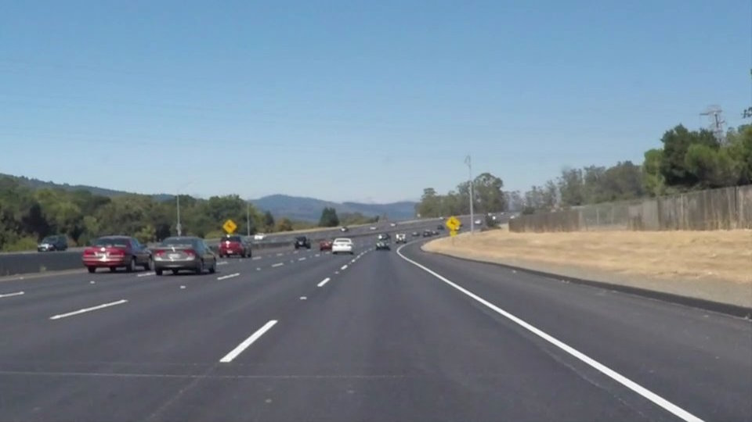
Image | photo | polygon_pts | blur_ksize | blur_sigmaX | blur_sigmaY | canny_threshold_low | canny_threshold_hi | rho | threshold | min_line_length | max_line_gap | lines_stats
solidWhiteCurve.jpg |  | (426, 334), (532, 326), (905, 529), (172, 530) | 5 | 1 | 0 | 50 | 167 | 2 | 54 | 80 | 95 | 7, 129, 402, 418, 117

solidWhiteRight.jpg |  | (421, 333), (529, 324), (864, 535), (134, 528) | 5 | 1 | 0 | 50 | 166 | 2 | 54 | 80 | 95 | 6, 160, 370, 396, 127.0

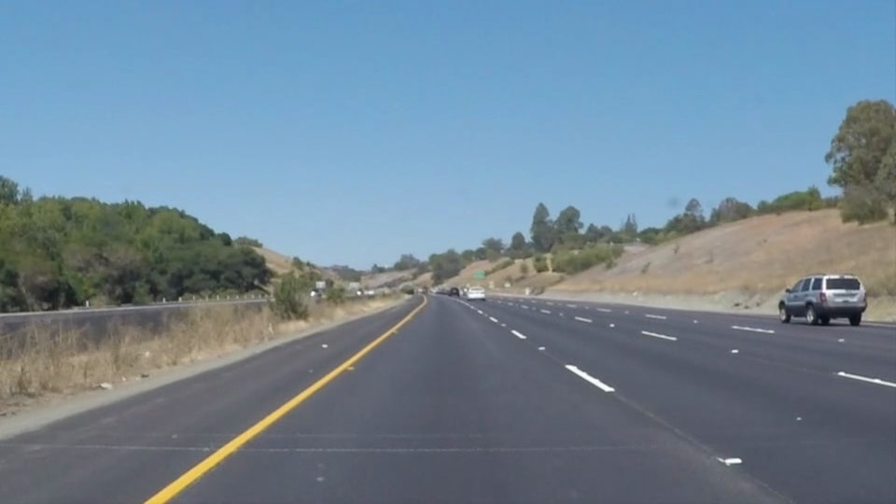
solidYellowCurve.jpg |  | (427, 339), (524, 328), (860, 534), (144, 531) | 5 | 1 | 0 | 50 | 166 | 2 | 51 | 80 | 95 | 7, 149, 321, 339, 94

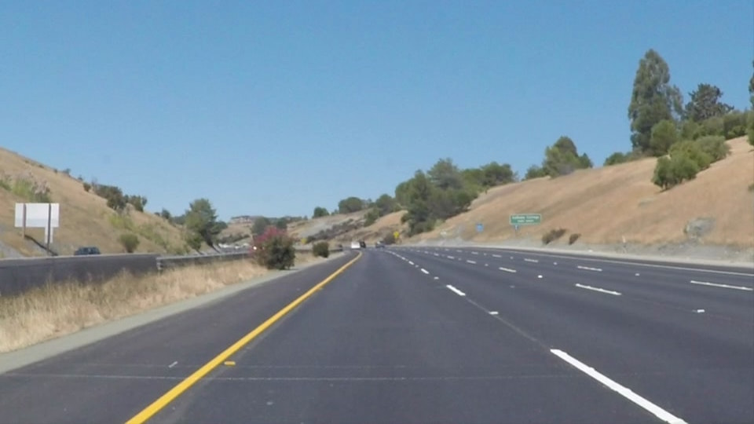
solidYellowCurve2.jpg |  | (425, 336), (528, 322), (889, 534), (154, 533) | 5 | 1 | 0 | 50 | 166 | 2 | 50 | 78 | 95 | 9, 93.0, 414.0, 415.0, 92.0

solidYellowLeft.jpg |  | (432, 322), (534, 322), (873, 535), (133, 533) | 5 | 2 | 0 | 50 | 151 | 2 | 50 | 80 | 94 | 8, 228.0, 339.0, 359.0, 87.0
whiteCarLaneSwitch.jpg |  | (441, 334), (529, 325), (899, 537), (169, 534) | 5 | 1 | 0 | 50 | 160 | 2 | 51 | 80 | 95 | 10, 127.0, 407.0, 408.0, 81.0

