Content
C |  | CONTENT REVIEW: |  |  |  |  |  |  | OPEN
 |  | en_geo_7_wg178 |  |  |  |  |  |  | 0
Sr. | Frame No. Or Time | Type | Description | Raised By | Date | Priority | Query against comment | Fixing Status | Closing Status
1 | slide 1 |  | 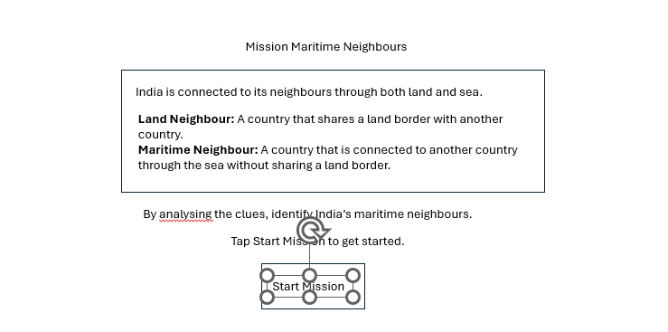 let the first screen appear similar to the screenshot given below. | Navin | 2026-08-05 |  |  | Closed | Closed
2 | Screen 2 (Slide 2) |  | 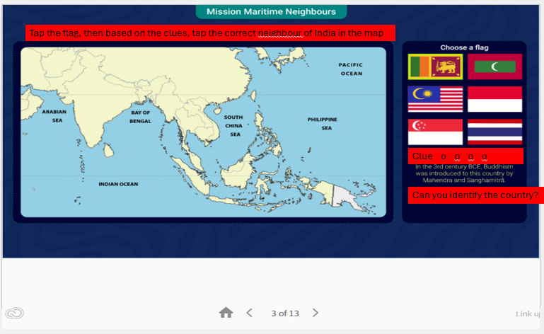 Minor changes marked in red strips in the screenshot. Change in title itext, Clues portion. | Navin | 2026-08-05 |  |  | Closed | Closed
2 | Screen 3 (slide 5) |  | 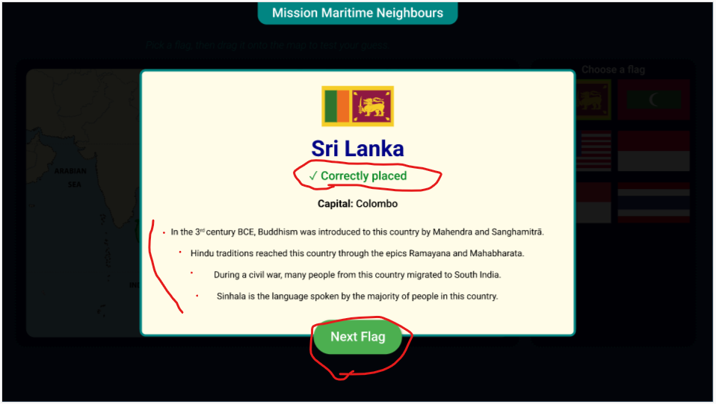 1. Put all the clues in bullet points. 2. It should be <You guessed it right! Congratulations!> and not just "Correctly placed". 3. Clickable button should read as <Next Country> and not Next Flag. | Navin | 2026-08-05 |  |  | Closed | Closed
3 | Slide 11 |  | 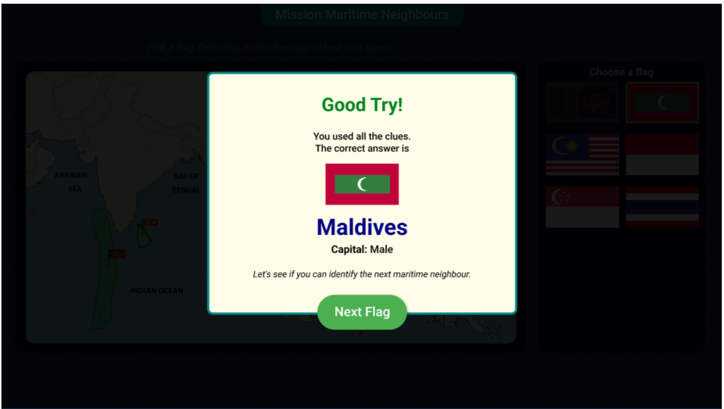 All the clues should appear in this screen. | Navin | 2026-08-05 |  |  | Closed | Closed
4 | Slide 12 |  | 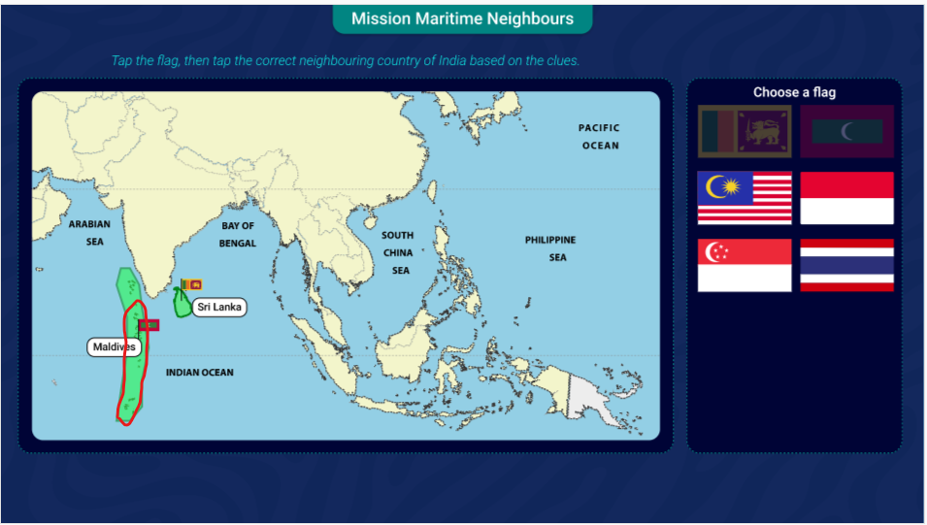 Highlight only the islands marked in Red circle. Those on top of the red circle is lakshadweep islands and they belong to India. | Navin | 2026-08-05 |  |  | Closed | Closed
5 | Slide 13 |  | 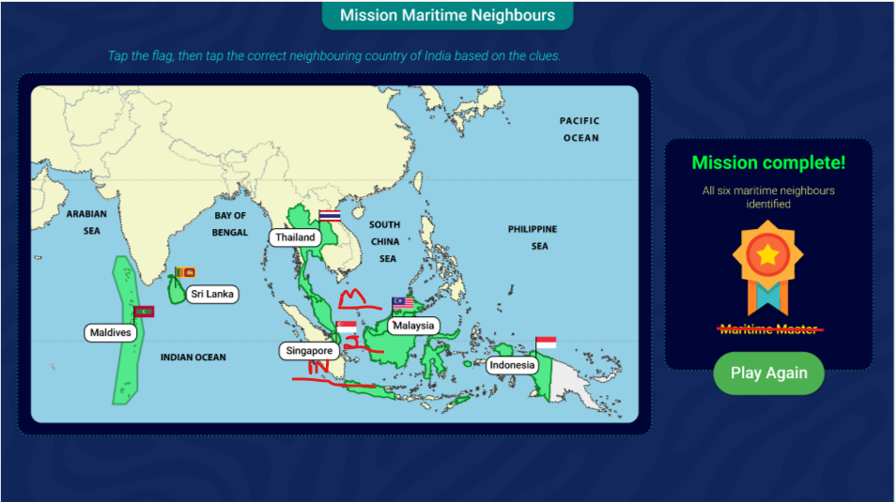 Please move th enames of the countries to the places marked in the screenshot. Can we have different colour highlights for different countries instead of green for all the countries? | Navin | 2026-08-05 |  |  | Closed | Closed
6 | Slide 13 |  | Remove <Maritime Master> | Navin | 2026-08-05 |  |  | Closed | Closed
7
9
10
11
12
13
14
15
16
17
Priority 1 Comments should be done immediately | Priority 2 comments can be done later on decided time.

 |  |  |  | Content/SB
 |  |  |  | Design
 |  |  |  | Illustration
 |  |  |  | Image
 |  |  |  | Sound
 |  |  |  | Synch
 |  |  |  | Texts
 |  |  |  | Timing
 |  |  |  | Transitions
 |  |  |  | Video
 |  |  |  | Voice Over

