Wing Design
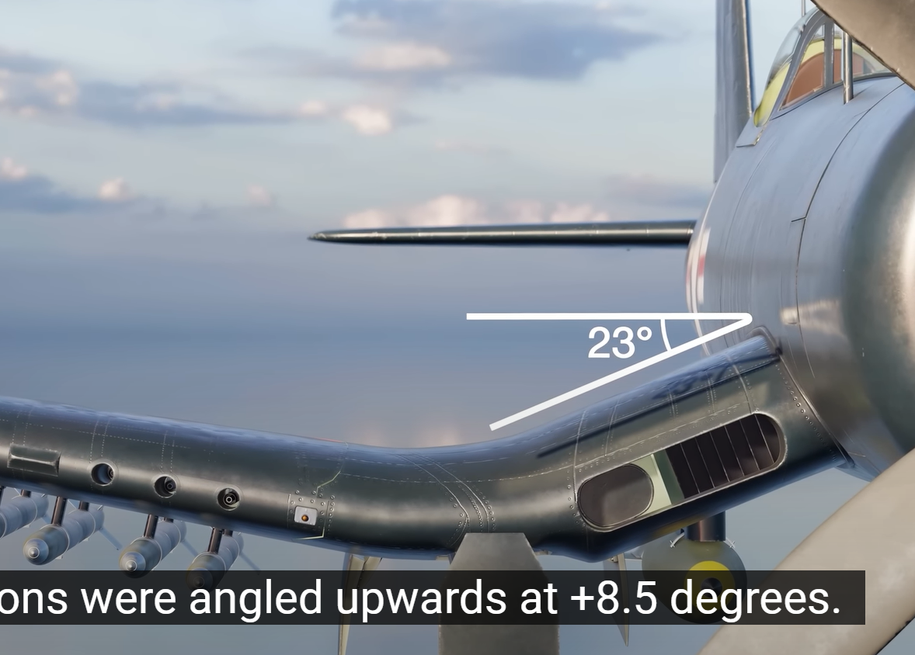
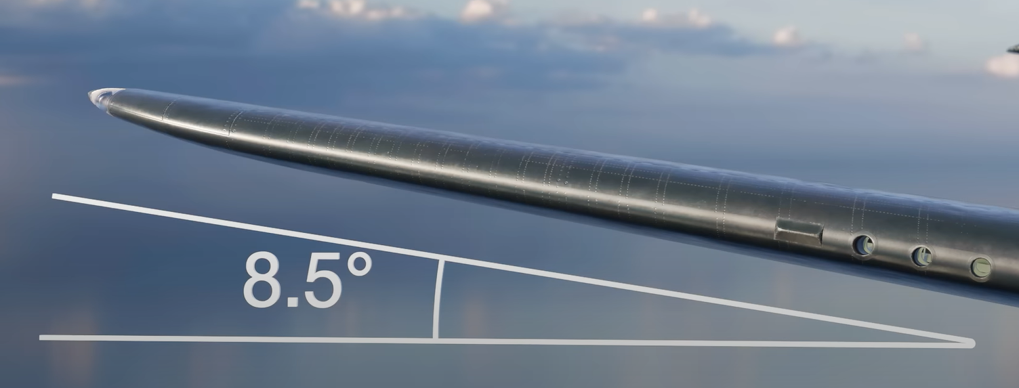
Wing Ideas |  |  | Wing Angles
Right angle
start at midwing and go down then back up
Air Brakes for dive bombing

Landing Gear Ideas
Dive whistle | Jericho-Trompete
NOT tail dragger

Research
F4U | Other wing features included a leading-edge air intake at the fuselage intersection that provided cooling air for the oil system and the engine supercharger inter-stage. Under certain flight conditions, particularly high-speed dives, the intakes created a distinct screaming or high-pitched whistling sound. Japanese ground troops under attack by Corsairs soon linked the sound with the fearsome ordnance capabilities of the bent-wing bird. Because of this, and the Corsair's superior air combat capabilities, the Japanese referred to the F4U as "Whistling Death | Whistling Death | https://www.usni.org/magazines/naval-history-magazine/1995/february/designing-bent-wing-bird

