Program
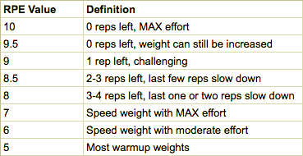
SQUAT (MAIN) + BENCH (SUP) DAY 1

Movements | HOW DID LAST WARM UP SET FEEL? | TOP SET | TOP SET RPE | SET + REPS

Squat | --Please Select-- |  | --Please Select--
---Select Back Off Movement---

Bench | --Please Select-- |  | --Please Select--
---Select Back Off Movement---
Face Pull

BENCH (MAIN) DAY 2

Movements | HOW DID LAST WARM UP SET FEEL? | TOP SET | TOP SET RPE | SET + REPS | REFER TO THIS CHART IF YOU'RE NOT FAMILIAR WITH RPE

Bench | --Please Select-- |  | --Please Select--
---Select Back Off Movement---
 |  |  |  |  | CURRENT MAX
Lat Pulldown |  |  |  |  | SQUAT
Dumbbell Shoulder Press |  |  |  |  | BENCH
Face Pull |  |  |  |  | DEADLIFT

DEADLIFTS (MAIN) DAY 3

Movements | HOW DID LAST WARM UP SET FEEL? | TOP SET | TOP SET RPE | SET + REPS

Deadlift | --Please Select-- |  | --Please Select--
---Select Back Off Movement---

Pendlay Row / Barbell Row
Seated Horizontal Row / Seal Row
Lat Pulldown / Pull ups

BENCH + OHP + SQUAT DAY 4 (LIGHT DAY)

Movements | HOW DID LAST WARM UP SET FEEL? | TOP SET |  | SET + REPS

Bench
---Select Back Off Movement---

Squat
OHP

