Prerequisite Checklist
CX DCN Deployment
Copyright © 2024 Aruba networks. All rights reserved. This product is protected by copyright and intellectual property laws in the United States and other countries as well as by international treaties. Aruba networks is a registered trademark or trademark of HPE, Inc. in the United States and other jurisdictions. All other marks and names mentioned herein may be trademarks of their respective companies. |  |  | V1.0
Architecture IV - Two-Tier Dedicated Data Center
This workflow provisions a VSX pair of switches acting as a centralized collapsed Data Center core and campus attached access AOS-CX switches in VSX pairs based on the validated reference design. Making The Inventory Your Own This excel workbook is designed to be used in conjunction with the Ansible inventory plugin aoscx_dcn_plugin . Each sheet in this workbook has protected cells that CANNOT BE CHANGED, these are using to generate Ansible variables. Each inventory provided is made to be an example. You are encouraged to change IP addressing, interface values, and device names to match your environment. When adding additional devices or VLAN information, simply copy and paste additional cells to the tables for the corresponding information. Note that these inventories use a logical grouping method of "VSX Pairs" which assumes that each access switches are in VSX pairs. These name of these pairs can be any alphanumeric value; this is just one approach to coupling VSX pairs. You can change the grouping nomenclature to your liking as long as you keep the names consistent throughout the inventory. |  | 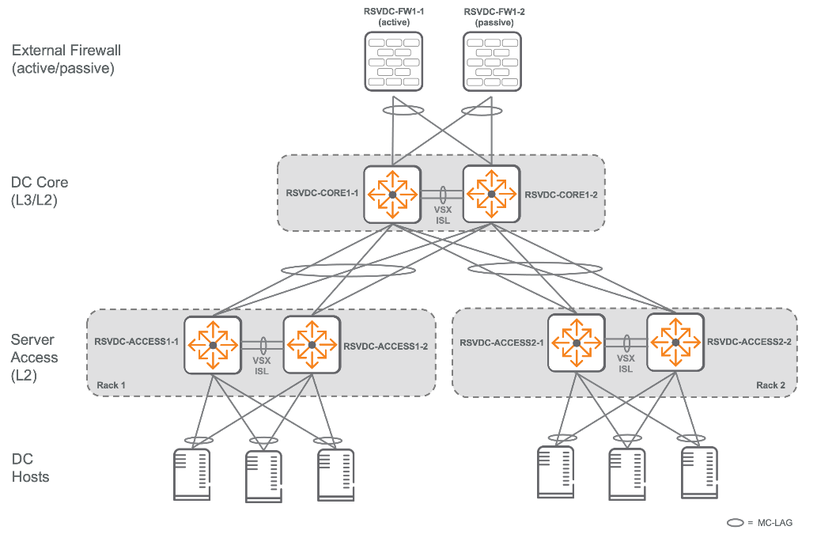 Click for Validated Solution Guide

Component | Status | Comments
Physical Hardware
L3 Campus Core
DC Core switches = 2 AOS-CX switches (8xxx series, use latest firmware available) • DC Core switches should be in a VSX pair
Access switches = 4 or more AOS-CX switches (8xxx series, use latest firmware available) • Access switches should be in VSX pairs
Out-of-Band management (OOBM) connection to management port on AOS-CX switches • Ansible control machine should be reachable via from each device's OOBM
Software Prerequisites
Ansible version 2.13.1+
Python3.5+

