Sheet1
 | Global Compound ID | Purification ID | Compound comments | Result_ID | Evotec Compound ID | Evotec Batch ID | Validation | ACTMin | ACTMax | Operator | EC50 | CI-Lower | CI-Upper | Operator negative | pEC50 | Bottom | Top | Hill Slope | Span | R2 | Comment | ZPrime | ZPrimeRobust | BufferToControl | DMSOToControl | DateOfReport
0 | Sample 1 | ALBBTA-p001 | 22.4 |  |  |  | A | 2.31 | 97.51 |  | 1.8532795756 | 1.0039616333 | 2.7025975178 |  | 5.7320590605 | 5.0097462641 | 108.74327332 | 0.95229950975 | 103.73352706 | 0.9888 | ACTMax >= 80% | 5.935 | 6.087 | 2023-04-26 | PAGE23-00271 | 2023-04-26 | 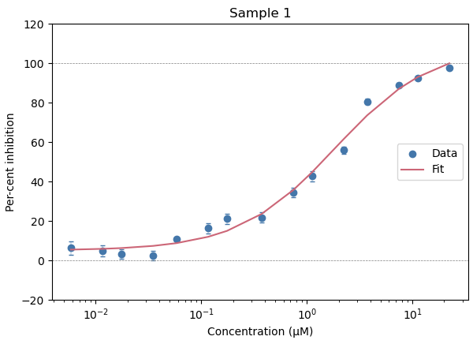
1 | Sample 10 | ALBBTA-p001 | 22.4 |  |  |  | A | -0.74 | 94.84 |  | 1.2240604134 | 0.98740771242 | 1.4607131145 |  | 5.9121971471 | -0.1198164516 | 101.29384251 | 0.84917139955 | 101.41365896 | 0.9981 | ACTMax >= 80% | 5.935 | 6.087 | 2023-04-26 | PAGE23-00271 | 2023-04-26 | 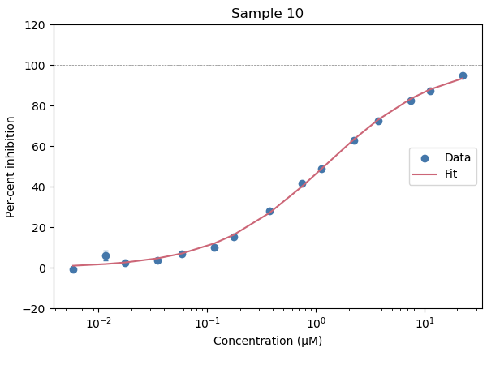
2 | Sample 11 | ALBBTA-p001 | 22.4 |  |  |  | A | 1.95 | 99.85 |  | 0.52963127342 | 0.42679634069 | 0.63246620616 |  | 6.2760263788 | 0.36058446185 | 102.36592357 | 0.84697800577 | 102.00533911 | 0.9972 | ACTMax >= 80% | 5.935 | 6.087 | 2023-04-26 | PAGE23-00271 | 2023-04-26 | 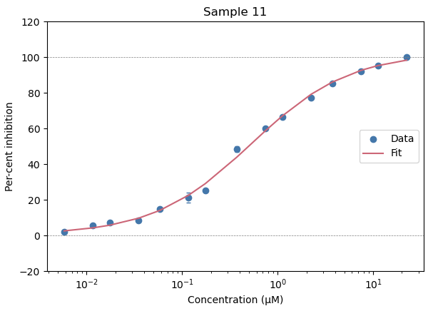
3 | Sample 2 | ALBBTA-p001 | 22.4 |  |  |  | A | -8.9 | 91.66 |  | 2.6594859627 | 1.9002553341 | 3.4187165913 |  | 5.5752022976 | -8.4385922327 | 106.53047376 | 0.90299677232 | 114.969066 | 0.9972 | ACTMax >= 80% | 5.935 | 6.087 | 2023-04-26 | PAGE23-00271 | 2023-04-26 | 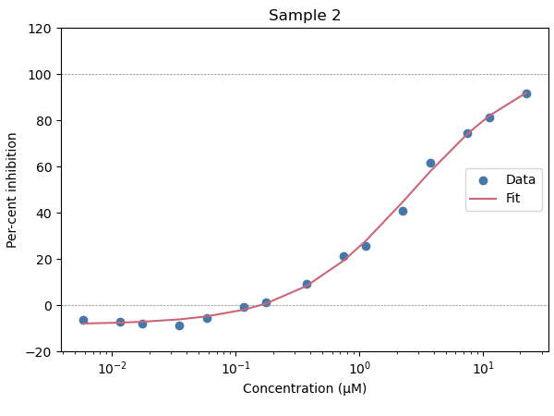
4 | Sample 3 | ALBBTA-p001 | 22.4 |  |  |  | A | -8.82 | 83.64 |  | 3.4801775068 | 2.3008829124 | 4.6594721012 |  | 5.4583986043 | -5.9771153086 | 94.220165483 | 1.1624762031 | 100.19728079 | 0.993 | ACTMax >= 80% | 5.935 | 6.087 | 2023-04-26 | PAGE23-00271 | 2023-04-26 | 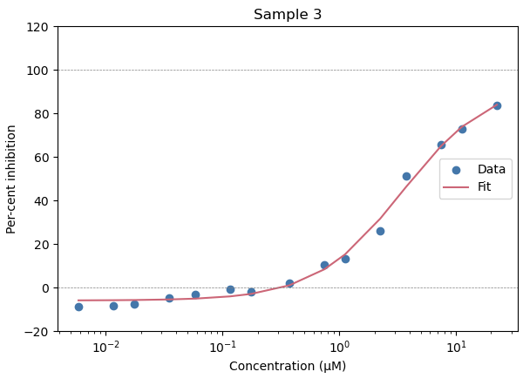
5 | Sample 4 | ALBBTA-p001 | 22.4 |  |  |  | A | -9.85 | 95.14 |  | 1.6885160778 | 0.81950972193 | 2.5575224336 |  | 5.7724947997 | -9.122628215 | 114.56335918 | 0.71993975914 | 123.6859874 | 0.9936 | ACTMax >= 80% | 5.935 | 6.087 | 2023-04-26 | PAGE23-00271 | 2023-04-26 | 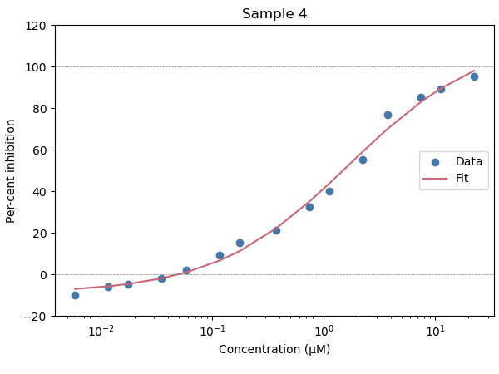
6 | Sample 5 | ALBBTA-p001 | 22.4 |  |  |  | A | 0.75 | 91.79 |  | 2.6984635914 | 2.1270330178 | 3.2698941649 |  | 5.5688834372 | 0.29295366131 | 106.57959288 | 0.8225671508 | 106.28663921 | 0.9989 | ACTMax >= 80% | 5.935 | 6.087 | 2023-04-26 | PAGE23-00271 | 2023-04-26 | 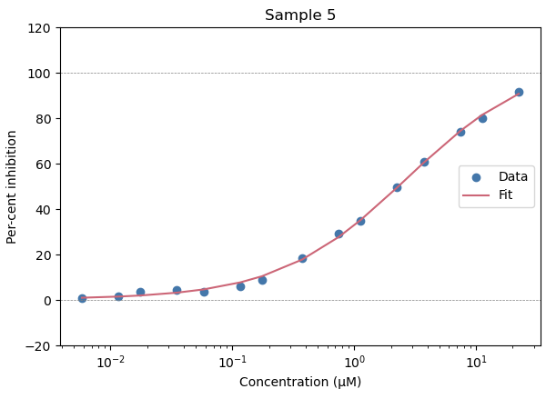
7 | Sample 6 | ALBBTA-p001 | 22.4 |  |  |  | A | 2.53 | 96.24 |  | 0.98510463482 | 0.70321632646 | 1.2669929432 |  | 6.0065176376 | 1.1722338949 | 98.149727207 | 0.92820925269 | 96.977493313 | 0.9939 | ACTMax >= 80% | 5.935 | 6.087 | 2023-04-26 | PAGE23-00271 | 2023-04-26 | 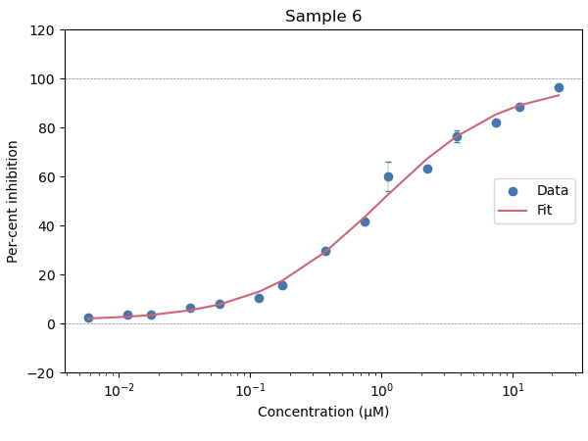
8 | Sample 7 | ALBBTA-p001 | 22.4 |  |  |  | A | 2.14 | 97.86 |  | 1.0645888772 | 0.88876190487 | 1.2404158495 |  | 5.9728180756 | 0.48336549917 | 101.49519965 | 0.91428891949 | 101.01183415 | 0.9981 | ACTMax >= 80% | 5.935 | 6.087 | 2023-04-26 | PAGE23-00271 | 2023-04-26 | 
9 | Sample 8 | ALBBTA-p001 | 22.4 |  |  |  | A | 2.76 | 99.64 |  | 0.45103308944 | 0.409201106 | 0.49286507289 |  | 6.3457915955 | -0.35467655298 | 103.61319426 | 0.78736186073 | 103.96787081 | 0.9994 | ACTMax >= 80% | 5.935 | 6.087 | 2023-04-26 | PAGE23-00271 | 2023-04-26 | 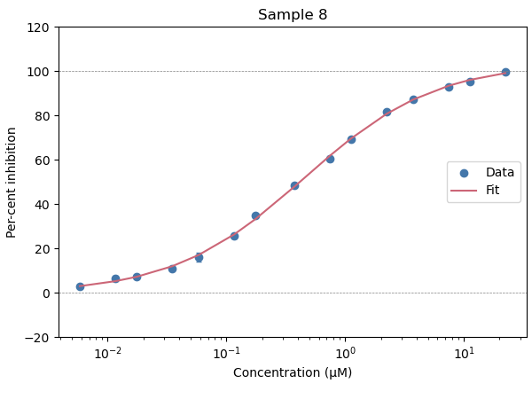
10 | Sample 9 | ALBBTA-p001 | 22.4 |  |  |  | A | 3.89 | 95.71 |  | 0.53274790801 | 0.38849891117 | 0.67699690485 |  | 6.273478247 | 6.5950143923 | 95.683804419 | 1.0434685942 | 89.088790027 | 0.992 | ACTMax >= 80% | 5.935 | 6.087 | 2023-04-26 | PAGE23-00271 | 2023-04-26 | 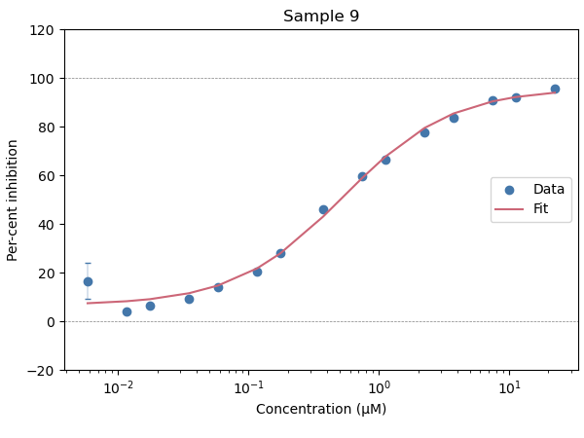
11 | Sample 12 | ALBBTA-p001 | 22.4 |  |  |  | A | 10.98 | 95.04 |  | 1.5694916118 | 0.33744458995 | 2.8015386336 |  | 5.8042410011 | 26.385094917 | 90.954124854 | 2.1634137766 | 64.569029938 | 0.8454 | ACTMax >= 80% | 6.879 | 7.102 | 2023-04-26 | PAGE23-00271 | 2023-04-26 | 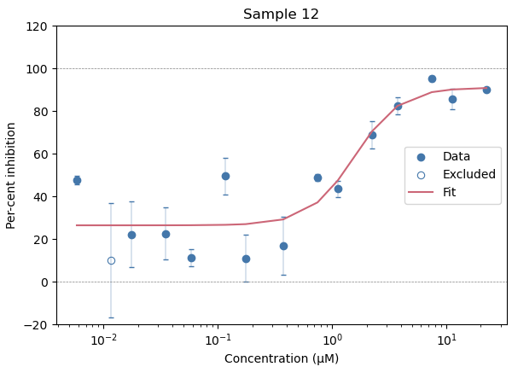
12 | Sample 13 | ALBBTA-p001 | 22.4 |  |  |  | A | -43.11 | 89.85 |  |  |  |  |  |  |  |  |  |  |  | ACTMax >= 80% | 6.879 | 7.102 | 2023-04-26 | PAGE23-00271 | 2023-04-26 | 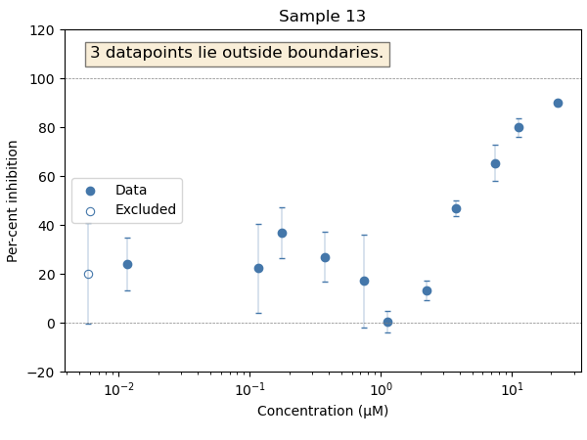
13 | Sample 14 | ALBBTA-p001 | 22.4 |  |  |  | A | -38.1 | 87.95 |  | 1.9555695214 | -1.5076443395 | 5.4187833824 |  | 5.7087267401 | 1.6627439669 | 77.309946176 | 1.7523065566 | 75.647202209 | 0.5791 | ACTMax >= 80% | 6.879 | 7.102 | 2023-04-26 | PAGE23-00271 | 2023-04-26 | 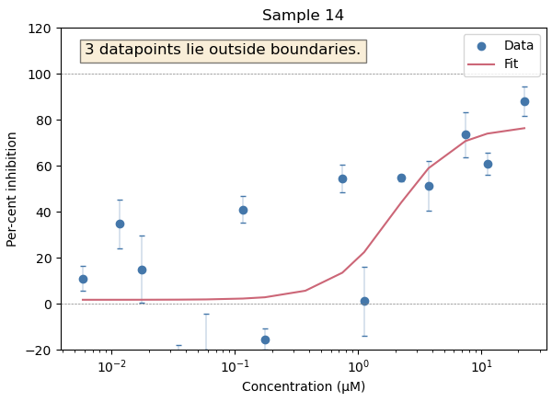
14 | Sample 15 | ALBBTA-p001 | 22.4 |  |  |  | A | -40.4 | 96.18 |  | 46.666771264 | -4260.8748606 | 4354.2084031 |  | 4.3309922456 | -52.439176492 | 280.89287381 | 0.22607277134 | 333.3320503 | 0.7719 | ACTMax >= 80% | 6.879 | 7.102 | 2023-04-26 | PAGE23-00271 | 2023-04-26 | 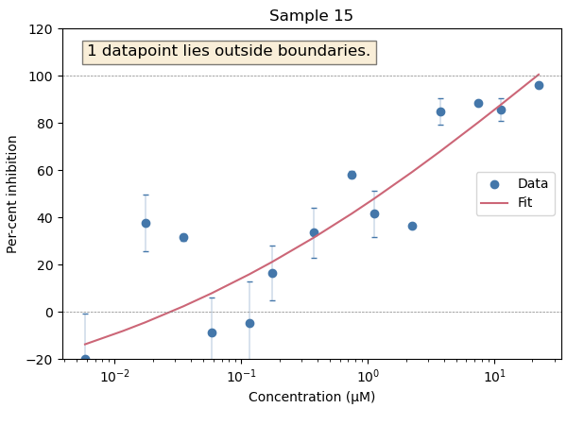
15 | Sample 16 | ALBBTA-p001 | 22.4 |  |  |  | A | -43.96 | 89.48 |  |  |  |  |  |  |  |  |  |  |  | ACTMax >= 80% | 6.879 | 7.102 | 2023-04-26 | PAGE23-00271 | 2023-04-26 | 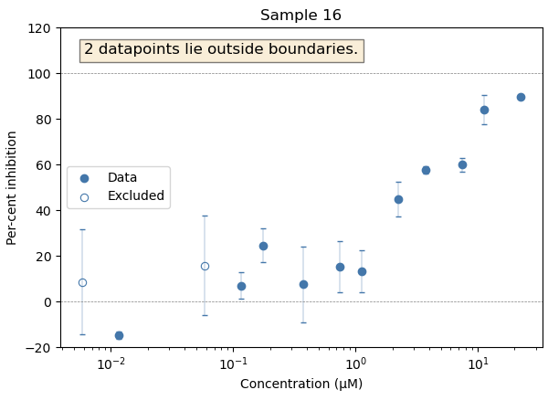
16 | Sample 17 | ALBBTA-p001 | 22.4 |  |  |  | A | -12.85 | 90.7 |  | 0.74561815098 | -2.7627491932 | 4.2539854952 |  | 6.1274835283 | -26.273819451 | 116.66953628 | 0.40129801679 | 142.94335574 | 0.8741 | ACTMax >= 80% | 6.879 | 7.102 | 2023-04-26 | PAGE23-00271 | 2023-04-26 | 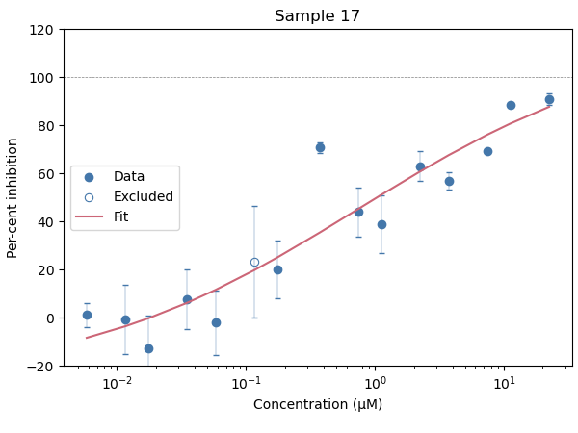
17 | Sample 18 | ALBBTA-p001 | 22.4 |  |  |  | A | -23.13 | 97.76 |  | 0.5958950746 | 0.011266753397 | 1.1805233958 |  | 6.2248302042 | -3.3184805971 | 95.027683816 | 1.0126909042 | 98.346164413 | 0.9093 | ACTMax >= 80% | 6.879 | 7.102 | 2023-04-26 | PAGE23-00271 | 2023-04-26 | 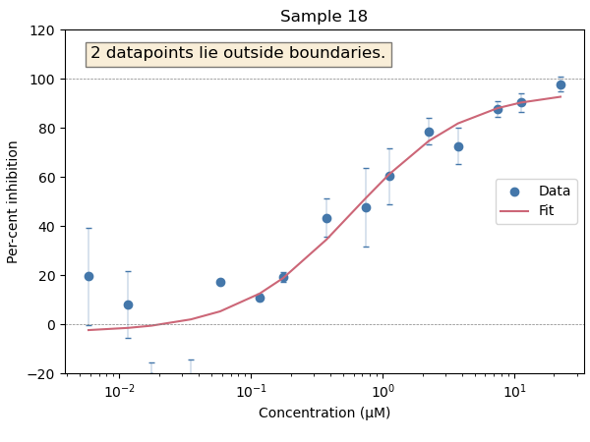
18 | Sample 19 | ALBBTA-p001 | 22.4 |  |  |  | A | -14.19 | 96.14 |  | 0.017039852707 | -0.1482354288 | 0.18231513421 |  | 7.7685341636 | -108.25660253 | 110.95636864 | 0.35685573935 | 219.21297117 | 0.9524 | ACTMax >= 80% | 6.879 | 7.102 | 2023-04-26 | PAGE23-00271 | 2023-04-26 | 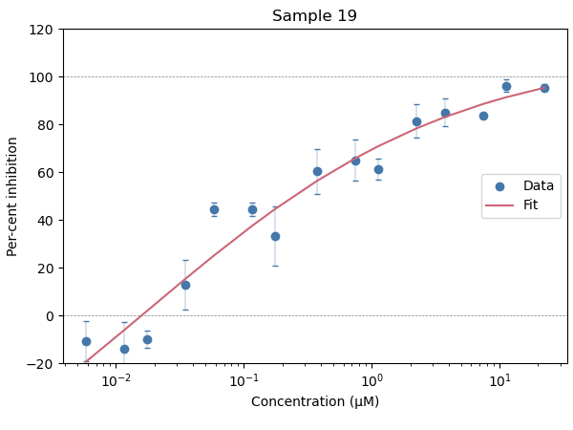
19 | Sample 20 | ALBBTA-p001 | 22.4 |  |  |  | A | -13.42 | 94.74 |  | 0.6281832571 | 0.12463601727 | 1.1317304969 |  | 6.201913643 | 9.7965764537 | 88.44481282 | 2.0075185274 | 78.648236366 | 0.8512 | ACTMax >= 80% | 6.879 | 7.102 | 2023-04-26 | PAGE23-00271 | 2023-04-26 | 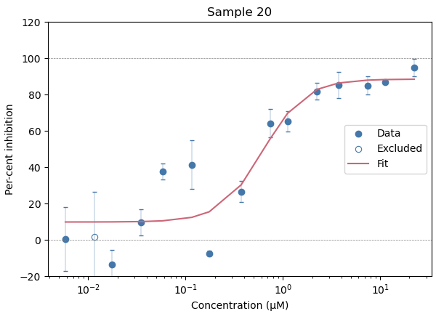
20 | Sample 21 | ALBBTA-p001 | 22.4 |  |  |  | A | -15.1 | 91.21 |  | 0.22543199087 | 0.010713295403 | 0.44015068634 |  | 6.6469844535 | -5.6611962333 | 79.378459593 | 1.3851824124 | 85.039655826 | 0.8656 | ACTMax >= 80% | 6.879 | 7.102 | 2023-04-26 | PAGE23-00271 | 2023-04-26 | 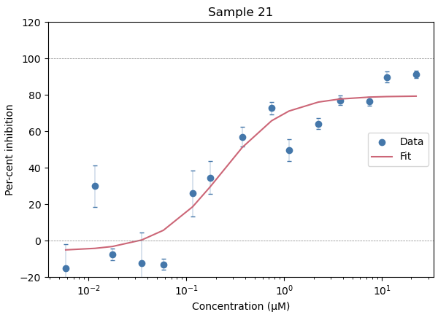
21 | Sample 22 | ALBBTA-p001 | 22.4 |  |  |  | A | -17.81 | 102.69 |  | 0.27674493755 | -0.27149553546 | 0.82498541056 |  | 6.5579203149 | -16.802398333 | 102.93765432 | 0.60655721579 | 119.74005265 | 0.8841 | ACTMax >= 80% | 6.879 | 7.102 | 2023-04-26 | PAGE23-00271 | 2023-04-26 | 