map19
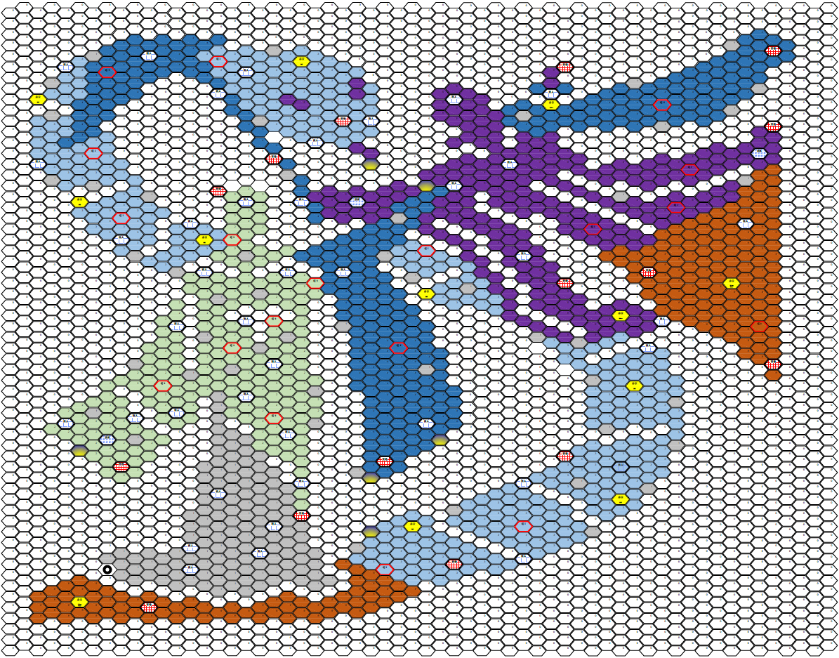
1 | 2 | 3 | 4 | 5 | 6 | 7 | 8 | 9 | 10 | 11 | 12 | 13 | 14 | 15 | 16 | 17 | 18 | 19 | 20 | 21 | 22 | 23 | 24 | 25 | 26 | 27 | 28 | 29 | 30 | 31 | 32 | 33 | 34 | 35 | 36 | 37 | 38 | 39 | 40 | 41 | 42 | 43 | 44 | 45 | 46 | 47 | 48 | 49 | 50 | 51 | 52 | 53 | 54 | 55 | 56 | 57 | 58 | 59 | 60

map_S19
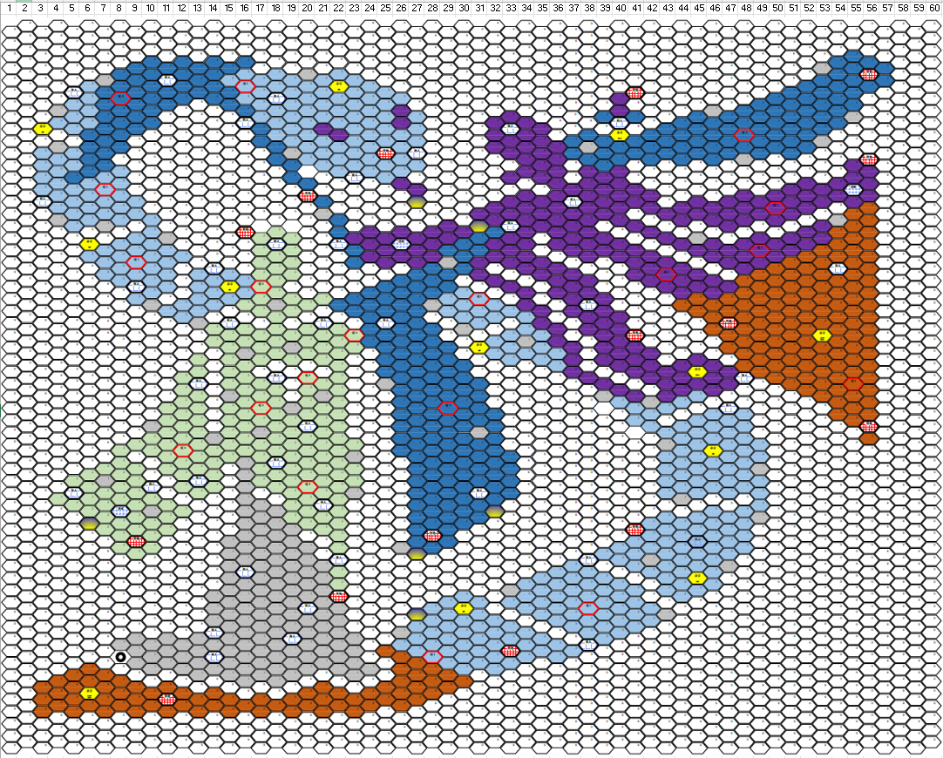
1 | 2 | 3 | 4 | 5 | 6 | 7 | 8 | 9 | 10 | 11 | 12 | 13 | 14 | 15 | 16 | 17 | 18 | 19 | 20 | 21 | 22 | 23 | 24 | 25 | 26 | 27 | 28 | 29 | 30 | 31 | 32 | 33 | 34 | 35 | 36 | 37 | 38 | 39 | 40 | 41 | 42 | 43 | 44 | 45 | 46 | 47 | 48 | 49 | 50 | 51 | 52 | 53 | 54 | 55 | 56 | 57 | 58 | 59 | 60
0 | 0 | 0 | 0 | 0 | 0 | 0 | 0 | 0 | 0 | 0 | 0 | 0 | 0 | 0 | 0 | 0 | 0 | 0 | 0 | 0 | 0 | 0 | 0 | 0 | 0 | 0 | 0 | 0 | 0 | 0 | 0 | 0 | 0 | 0 | 0 | 0 | 0 | 0 | 0 | 0 | 0 | 0 | 0 | 0 | 0 | 0 | 0 | 0 | 0 | 0 | 0 | 0 | 0 | 0 | 0 | 0 | 0 | 0 | 0
0 | 0 | 0 | 0 | 0 | 0 | 0 | 0 | 0 | 0 | 0 | 0 | 0 | 0 | 0 | 0 | 0 | 0 | 0 | 0 | 0 | 0 | 0 | 0 | 0 | 0 | 0 | 0 | 0 | 0 | 0 | 0 | 0 | 0 | 0 | 0 | 0 | 0 | 0 | 0 | 0 | 0 | 0 | 0 | 0 | 0 | 0 | 0 | 0 | 0 | 0 | 0 | 0 | 0 | 0 | 0 | 0 | 0 | 0 | 0
0 | 0 | 0 | 0 | 0 | 0 | 0 | 0 | 0 | 0 | 0 | 0 | 0 | 0 | 0 | 0 | 0 | 0 | 0 | 0 | 0 | 0 | 0 | 0 | 0 | 0 | 0 | 0 | 0 | 0 | 0 | 0 | 0 | 0 | 0 | 0 | 0 | 0 | 0 | 0 | 0 | 0 | 0 | 0 | 0 | 0 | 0 | 0 | 0 | 0 | 0 | 0 | 0 | 0 | 4 | 0 | 0 | 0 | 0 | 0
0 | 0 | 0 | 0 | 0 | 0 | 0 | 0 | 4 | 4 | 4 | 4 | 4 | 4 | 4 | 4 | 0 | 0 | 0 | 0 | 0 | 0 | 0 | 0 | 0 | 0 | 0 | 0 | 0 | 0 | 0 | 0 | 0 | 0 | 0 | 0 | 0 | 0 | 0 | 0 | 0 | 0 | 0 | 0 | 0 | 0 | 0 | 0 | 0 | 0 | 0 | 0 | 1 | 4 | 4 | 4 | 4 | 0 | 0 | 0
0 | 0 | 0 | 0 | 0 | 0 | 1 | 4 | 4 | 4 | M | 4 | 4 | 4 | 3 | 3 | 3 | 3 | 3 | 1 | 3 | 3 | 3 | 0 | 0 | 0 | 0 | 0 | 0 | 0 | 0 | 0 | 0 | 0 | 0 | 0 | 0 | 0 | 0 | 0 | 0 | 0 | 0 | 0 | 0 | 0 | 0 | 0 | 0 | 0 | 0 | 0 | 4 | 4 | 4 | T | 4 | 0 | 0 | 0
0 | 0 | 0 | 0 | M | 3 | 4 | 4 | 4 | 4 | 4 | 4 | 4 | 4 | 4 | T3 | 3 | 3 | 3 | 3 | 3 | g | 3 | 3 | 3 | 0 | 0 | 0 | 0 | 0 | 0 | 0 | 0 | 0 | 0 | 0 | 0 | 0 | 0 | 0 | T | 0 | 0 | 0 | 0 | 0 | 0 | 0 | 0 | 0 | 4 | 4 | 4 | 4 | 4 | 4 | 0 | 0 | 0 | 0
0 | 0 | 0 | 0 | 3 | 3 | 4 | T4 | 4 | 4 | 4 | 4 | 0 | 4 | 4 | 3 | 3 | M | 3 | 3 | 3 | 3 | 3 | 3 | 3 | 3 | 0 | 0 | 0 | 0 | 0 | 0 | 0 | 0 | 0 | 0 | 0 | 0 | 0 | 5 | 0 | 0 | 0 | 0 | 0 | 0 | 0 | 0 | 4 | 4 | 4 | 4 | 4 | 4 | 4 | 0 | 0 | 0 | 0 | 0
0 | 0 | 0 | 1 | 3 | 3 | 4 | 4 | 4 | 4 | 0 | 0 | 0 | 0 | 0 | 4 | 3 | 3 | 3 | 3 | 3 | 3 | 3 | 3 | 3 | 5 | 3 | 0 | 0 | 0 | 0 | 0 | 5 | 0 | 0 | 0 | 0 | 0 | 4 | 5 | 4 | 0 | 0 | 0 | 4 | 1 | 4 | 4 | 4 | 4 | 4 | 4 | 4 | 4 | 1 | 0 | 0 | 0 | 0 | 0
0 | 0 | b | 3 | 3 | 3 | 4 | 4 | 4 | 4 | 0 | 0 | 0 | 0 | 0 | M | 4 | 3 | 3 | 3 | 5 | 3 | 3 | 3 | 3 | 5 | 3 | 0 | 0 | 0 | 0 | 5 | M | 5 | 5 | 0 | 0 | 0 | 0 | M | 0 | 0 | 4 | 4 | 4 | 4 | 4 | 4 | 4 | 4 | 4 | 4 | 4 | 4 | 0 | 0 | 0 | 0 | 0 | 0
0 | 0 | 0 | 0 | 0 | 4 | 4 | 4 | 0 | 0 | 0 | 0 | 0 | 0 | 0 | 0 | 4 | 3 | 3 | 3 | 3 | 5 | 3 | 3 | 3 | 3 | 3 | 0 | 0 | 0 | 0 | 5 | 5 | 5 | 5 | 0 | 4 | 4 | 4 | b | 4 | 4 | 4 | 4 | 4 | 4 | 4 | T4 | 4 | 4 | 4 | 4 | 1 | 0 | 0 | 0 | 0 | 0 | 0 | 0
0 | 0 | 3 | 1 | 3 | 4 | 4 | 4 | 0 | 0 | 0 | 0 | 0 | 0 | 0 | 0 | 0 | 4 | 1 | 3 | 3 | 3 | 3 | 3 | T | 3 | M | 0 | 0 | 0 | 0 | 5 | 5 | 5 | 5 | 5 | 4 | 1 | 4 | 4 | 4 | 4 | 4 | 4 | 4 | 4 | 4 | 4 | 4 | 4 | 4 | 4 | 0 | 0 | 0 | 0 | 0 | 0 | 0 | 0
0 | 0 | 3 | 3 | 3 | 4 | 4 | 0 | 0 | 0 | 0 | 0 | 0 | 0 | 0 | 0 | 0 | 4 | 4 | 3 | 3 | 3 | 3 | 3 | 3 | 3 | 3 | 0 | 0 | 0 | 0 | 0 | 0 | 5 | 5 | 5 | 0 | 4 | 4 | 4 | 0 | 4 | 0 | 4 | 0 | 4 | 0 | 1 | 0 | 0 | 0 | 0 | 0 | 0 | 5 | T | 0 | 0 | 0 | 0
0 | 0 | 3 | 3 | 4 | 4 | 3 | 3 | 0 | 0 | 0 | 0 | 0 | 0 | 0 | 0 | 0 | 0 | 4 | 0 | 0 | 3 | M | 3 | 3 | 3 | 0 | 0 | 0 | 0 | 0 | 0 | 5 | 5 | 5 | 5 | 0 | 5 | 5 | 5 | 0 | 0 | 0 | 0 | 0 | 0 | 0 | 0 | 0 | 0 | 0 | 0 | 0 | 0 | 5 | 5 | 0 | 0 | 0 | 0
0 | 0 | 3 | 3 | 3 | 3 | T3 | 3 | 0 | 0 | 0 | 0 | 0 | 0 | 0 | 0 | 0 | 0 | 0 | 4 | 0 | 0 | 0 | 0 | 0 | 5 | 5 | 0 | 0 | 0 | 0 | 0 | 0 | 0 | 0 | 5 | 5 | 5 | 5 | 5 | 5 | 0 | 0 | 0 | 0 | 0 | 0 | 0 | 0 | 0 | 5 | 5 | 5 | 5 | L | 5 | 0 | 0 | 0 | 0
0 | 0 | M | 3 | 3 | 3 | 3 | 3 | 3 | 0 | 0 | 0 | 0 | 0 | 0 | 0 | 0 | 0 | 0 | T2 | 4 | 0 | 0 | 0 | 0 | 0 | P3 | 0 | 0 | 0 | 0 | 0 | 5 | 5 | 5 | 5 | M | 5 | 5 | 5 | 5 | 5 | 0 | 0 | 5 | 0 | 5 | 5 | 5 | 5 | 5 | 5 | 5 | 5 | 5 | 5 | 0 | 0 | 0 | 0
0 | 0 | 0 | 3 | 3 | 3 | 3 | 3 | 3 | 0 | 0 | 0 | 0 | 0 | 0 | 0 | 0 | 0 | 0 | 0 | 1 | 0 | 0 | 0 | 0 | 0 | 0 | 0 | 0 | 0 | 5 | 5 | 5 | 5 | 5 | 5 | 5 | 5 | 5 | 5 | 0 | 5 | 5 | 5 | 5 | 5 | 5 | 5 | 5 | T5 | 5 | 5 | 0 | 0 | 6 | 6 | 0 | 0 | 0 | 0
0 | 0 | 0 | 1 | 3 | 3 | 1 | 3 | 0 | 3 | 0 | 0 | 0 | 0 | 0 | 0 | 0 | 0 | 0 | 0 | 0 | 4 | 0 | 0 | 0 | 0 | 0 | 0 | 5 | 0 | P3 | 5 | M | 5 | 5 | 5 | 5 | 5 | 0 | 5 | 5 | 0 | 0 | 5 | 0 | 5 | 5 | 5 | 0 | 5 | 0 | 0 | 5 | 1 | 6 | 6 | 0 | 0 | 0 | 0
0 | 0 | 0 | 0 | 0 | 0 | 0 | 0 | 3 | 3 | 1 | 0 | 0 | 0 | 0 | T3 | 2 | 2 | 2 | 0 | 0 | 4 | 5 | 5 | 5 | 5 | 5 | 5 | 5 | 5 | 4 | 4 | 5 | 5 | 0 | 5 | 5 | 5 | 5 | 0 | 0 | 5 | 5 | 0 | 1 | 0 | 0 | 0 | 5 | 0 | 5 | 5 | 5 | 6 | 6 | 6 | 0 | 0 | 0 | 0
0 | 0 | 0 | 0 | 0 | b | 3 | 3 | 3 | 3 | 3 | 0 | 0 | 0 | 0 | 0 | 2 | M | 2 | 0 | 0 | M | 4 | 5 | 5 | L | 5 | 5 | 4 | 4 | 4 | 5 | 5 | 5 | 0 | 5 | 5 | 5 | 5 | 5 | 5 | 0 | 0 | 5 | 5 | 5 | 5 | 5 | T5 | 5 | 5 | 5 | 6 | 6 | 6 | 6 | 0 | 0 | 0 | 0
0 | 0 | 0 | 0 | 0 | 3 | 3 | 3 | T3 | 3 | 3 | 3 | 0 | 0 | 0 | 0 | 2 | 2 | 2 | 0 | 0 | 0 | 4 | 5 | 5 | 5 | 5 | 5 | 1 | 4 | 5 | 5 | 5 | 5 | 5 | 0 | 0 | 5 | 0 | 5 | 5 | 5 | 5 | 0 | 0 | 5 | 5 | 5 | 5 | 5 | 6 | 6 | 6 | 6 | 6 | 6 | 0 | 0 | 0 | 0
0 | 0 | 0 | 0 | 0 | 0 | 3 | 3 | 3 | 3 | 3 | 0 | 3 | M | 3 | 0 | 2 | 2 | 2 | 0 | 0 | 0 | 0 | 0 | 0 | 0 | 4 | 4 | 4 | 4 | 5 | 0 | 0 | 5 | 5 | 5 | 5 | 0 | 0 | 0 | 5 | 5 | T5 | 5 | 5 | 0 | 0 | 5 | 6 | 6 | 6 | 6 | 6 | M | 6 | 6 | 0 | 0 | 0 | 0
0 | 0 | 0 | 0 | 0 | 0 | 0 | 3 | M | 3 | 3 | 0 | 3 | 3 | b | 3 | T2 | 2 | 0 | 0 | 0 | 0 | 0 | 0 | 4 | 4 | 4 | 4 | 4 | 0 | 0 | 5 | 5 | 0 | 0 | 5 | 5 | 5 | 0 | 0 | 0 | 5 | 5 | 5 | 5 | 5 | 5 | 6 | 6 | 6 | 6 | 6 | 6 | 6 | 6 | 6 | 0 | 0 | 0 | 0
0 | 0 | 0 | 0 | 0 | 0 | 0 | 0 | 3 | 3 | 0 | 0 | 3 | 3 | 3 | 3 | 2 | 2 | 2 | 0 | 2 | 0 | 4 | 4 | 4 | 4 | 4 | 4 | 3 | 3 | T3 | 0 | 0 | 5 | 0 | 5 | 5 | 5 | 5 | 0 | 0 | 0 | 0 | 5 | 6 | 5 | 6 | 6 | 6 | 6 | 6 | 6 | 6 | 6 | 6 | 6 | 0 | 0 | 0 | 0
0 | 0 | 0 | 0 | 0 | 0 | 0 | 0 | 0 | 1 | 3 | 3 | 3 | 3 | 0 | 2 | 2 | 1 | 2 | 2 | 0 | 4 | 4 | 4 | 4 | 4 | 4 | 1 | 3 | 3 | 3 | 3 | 3 | 5 | 5 | 0 | 5 | M | 5 | 0 | 0 | 0 | 0 | 6 | 6 | 6 | 6 | 6 | 6 | 6 | 6 | 6 | 6 | 6 | 6 | 6 | 0 | 0 | 0 | 0
0 | 0 | 0 | 0 | 0 | 0 | 0 | 0 | 0 | 0 | 0 | 3 | 1 | 0 | M | 0 | 0 | 2 | 0 | 0 | M | 0 | 0 | 4 | M | 4 | 4 | 0 | 0 | 3 | 3 | 3 | 0 | 3 | 5 | 0 | 0 | 5 | 5 | 5 | 0 | 0 | 0 | 0 | 0 | 6 | T | 6 | 6 | 6 | 6 | 6 | 6 | 6 | 6 | 6 | 0 | 0 | 0 | 0
0 | 0 | 0 | 0 | 0 | 0 | 0 | 0 | 0 | 0 | 0 | 0 | 0 | 2 | 2 | 2 | 2 | 2 | 2 | 2 | 2 | 2 | T2 | 4 | 4 | 4 | 4 | 4 | 0 | 1 | 0 | 0 | 3 | 3 | 3 | 5 | 0 | 5 | 5 | 5 | T | 0 | 0 | 0 | 0 | 6 | 6 | 6 | 6 | 6 | 6 | 6 | B | 6 | 6 | 6 | 0 | 0 | 0 | 0
0 | 0 | 0 | 0 | 0 | 0 | 0 | 0 | 0 | 0 | 0 | 0 | 0 | 2 | 2 | 2 | 2 | 2 | 1 | 2 | 2 | 2 | 2 | 4 | 4 | 4 | 4 | 4 | 4 | 0 | g | 3 | 3 | 1 | 3 | 5 | 5 | 0 | 5 | 5 | 5 | 0 | 0 | 0 | 0 | 0 | 6 | 6 | 6 | 6 | 6 | 6 | 6 | 6 | 6 | 6 | 0 | 0 | 0 | 0
0 | 0 | 0 | 0 | 0 | 0 | 0 | 0 | 0 | 0 | 0 | 0 | 2 | 0 | 2 | 1 | 2 | 2 | 2 | 2 | 2 | 2 | 0 | 0 | 4 | 4 | 4 | 4 | 4 | 0 | 0 | 3 | 3 | 3 | 3 | 3 | 5 | 0 | 5 | 5 | 5 | 5 | 0 | 0 | 5 | 0 | 0 | 6 | 6 | 6 | 6 | 6 | 6 | 6 | 6 | 6 | 0 | 0 | 0 | 0
0 | 0 | 0 | 0 | 0 | 0 | 0 | 0 | 0 | 0 | 0 | 0 | 2 | 0 | 2 | 2 | 0 | 0 | 0 | 0 | 0 | 2 | 0 | 0 | 4 | 4 | 4 | 4 | 4 | 4 | 0 | 0 | 0 | 0 | 0 | 3 | 5 | 0 | 0 | 5 | 5 | 5 | 5 | 5 | b | 5 | 5 | 6 | 6 | 6 | 6 | 6 | 6 | 6 | 6 | 6 | 0 | 0 | 0 | 0
0 | 0 | 0 | 0 | 0 | 0 | 0 | 0 | 0 | 0 | 0 | 2 | M | 0 | 2 | 2 | 2 | M | 0 | T2 | 2 | 2 | 0 | 0 | 1 | 4 | 4 | 4 | 4 | 4 | 4 | 0 | 0 | 0 | 0 | 0 | 0 | 5 | 5 | 0 | 0 | 5 | 5 | 5 | 5 | 5 | 5 | M | 0 | 6 | 6 | 6 | 6 | 6 | 6 | 6 | 0 | 0 | 0 | 0
0 | 0 | 0 | 0 | 0 | 0 | 0 | 0 | 0 | 0 | 0 | 2 | 2 | 0 | 1 | 2 | 2 | 2 | 0 | 2 | 1 | 2 | 0 | 0 | 0 | 4 | 4 | 4 | 4 | 4 | 4 | 0 | 0 | 0 | 0 | 0 | 0 | 0 | 1 | 5 | 5 | 0 | 5 | 5 | 3 | 5 | 0 | 0 | 0 | 0 | 0 | 6 | 6 | 6 | 6 | 6 | 0 | 0 | 0 | 0
0 | 0 | 0 | 0 | 0 | 0 | 0 | 0 | 0 | 0 | 2 | 2 | 2 | 0 | 2 | 2 | T2 | 2 | 1 | 2 | 2 | 2 | 0 | 0 | 0 | 4 | 4 | 4 | T4 | 4 | 4 | 0 | 0 | 0 | 0 | 0 | 0 | 0 | 0 | 3 | 3 | 1 | 3 | 3 | 0 | 0 | M | 0 | 0 | 0 | 0 | 0 | 0 | 6 | 6 | 6 | 0 | 0 | 0 | 0
0 | 0 | 0 | 0 | 0 | 0 | 0 | 0 | 0 | 0 | 2 | 2 | 2 | 0 | 2 | 2 | 2 | 2 | 2 | 2 | 2 | 2 | 0 | 0 | 0 | 4 | 4 | 4 | 4 | 4 | 4 | 4 | 0 | 0 | 0 | 0 | 0 | 0 | 0 | 0 | 3 | 3 | 0 | 0 | 3 | 3 | 3 | 3 | 0 | 0 | 0 | 0 | 0 | 6 | 6 | 6 | 0 | 0 | 0 | 0
0 | 0 | 0 | 0 | 0 | 0 | 0 | 0 | 0 | 1 | 2 | 2 | 2 | 0 | 2 | 2 | 1 | 2 | 2 | M | 2 | 2 | 0 | 0 | 0 | 4 | 4 | 4 | 4 | 4 | 1 | 4 | 0 | 0 | 0 | 0 | 0 | 0 | 0 | 0 | 0 | 3 | 3 | 3 | 3 | 3 | 3 | 3 | 0 | 0 | 0 | 0 | 0 | 0 | 0 | T | 0 | 0 | 0 | 0
0 | 0 | 0 | 0 | 0 | 0 | 0 | 0 | 2 | 2 | 2 | 2 | 2 | 1 | 2 | 2 | 2 | 2 | 2 | 2 | 2 | 2 | 2 | 0 | 0 | 4 | 4 | 4 | 4 | 4 | 4 | 4 | 0 | 0 | 0 | 0 | 0 | 0 | 0 | 0 | 0 | 0 | 1 | 3 | 3 | 3 | 3 | 3 | 3 | 0 | 0 | 0 | 0 | 0 | 0 | 6 | 0 | 0 | 0 | 0
0 | 0 | 0 | 0 | 0 | 0 | 0 | 2 | 0 | 2 | 2 | T2 | 2 | 2 | 2 | 2 | 2 | 2 | 2 | 2 | 2 | 2 | 1 | 0 | 0 | 4 | 4 | 4 | 4 | 4 | 4 | 4 | 4 | 0 | 0 | 0 | 0 | 0 | 0 | 0 | 0 | 0 | 3 | 3 | 3 | g | 3 | 3 | 3 | 0 | 0 | 0 | 0 | 0 | 0 | 0 | 0 | 0 | 0 | 0
0 | 0 | 0 | 0 | 0 | 0 | 2 | 2 | 2 | 0 | 2 | 2 | 2 | 2 | 0 | 1 | 2 | M | 2 | 2 | 2 | 2 | 2 | 0 | 0 | 0 | 4 | 4 | 4 | 4 | 4 | 4 | 4 | 0 | 0 | 0 | 0 | 0 | 0 | 0 | 0 | 0 | 3 | 3 | 3 | 3 | 3 | 3 | 1 | 0 | 0 | 0 | 0 | 0 | 0 | 0 | 0 | 0 | 0 | 0
0 | 0 | 0 | 0 | 2 | 2 | 1 | 2 | 2 | 0 | 0 | 2 | M | 2 | 0 | 1 | 2 | 2 | 2 | 2 | 2 | 2 | 2 | 0 | 0 | 0 | 4 | 4 | 4 | 4 | 4 | 4 | 4 | 0 | 0 | 0 | 0 | 0 | 0 | 0 | 0 | 0 | 3 | 3 | 3 | 3 | 3 | 3 | 3 | 0 | 0 | 0 | 0 | 0 | 0 | 0 | 0 | 0 | 0 | 0
0 | 0 | 0 | 0 | M | 2 | 2 | 2 | 2 | 2 | 0 | 2 | 2 | 2 | 0 | 1 | 0 | 2 | 2 | T2 | 2 | 2 | 1 | 0 | 0 | 0 | 4 | 4 | 4 | 4 | M | 4 | 4 | 0 | 0 | 0 | 0 | 0 | 0 | 0 | 0 | 0 | 3 | 3 | 3 | 3 | 3 | 3 | 3 | 0 | 0 | 0 | 0 | 0 | 0 | 0 | 0 | 0 | 0 | 0
0 | 0 | 0 | 2 | 2 | 2 | 2 | 2 | 2 | 2 | 2 | 0 | 0 | 0 | 0 | 1 | 1 | 0 | 2 | 2 | M | 2 | 0 | 0 | 0 | 0 | 4 | 4 | 4 | 4 | 4 | 4 | 0 | 0 | 0 | 0 | 0 | 0 | 0 | 0 | 0 | 0 | 0 | 1 | 0 | 0 | 0 | 0 | 3 | 0 | 0 | 0 | 0 | 0 | 0 | 0 | 0 | 0 | 0 | 0
0 | 0 | 0 | 0 | 0 | 2 | 2 | M | 2 | 1 | 2 | 2 | 0 | 0 | 0 | 1 | 1 | 1 | 2 | 2 | 2 | 2 | 0 | 0 | 0 | 0 | 4 | 4 | 4 | 4 | 4 | P1 | 0 | 0 | 0 | 0 | 0 | 0 | 0 | 0 | 0 | 0 | 3 | 0 | 3 | 3 | 3 | 3 | 1 | 0 | 0 | 0 | 0 | 0 | 0 | 0 | 0 | 0 | 0 | 0
0 | 0 | 0 | 0 | 0 | P1 | 2 | 2 | 2 | 2 | 2 | 0 | 0 | 0 | 0 | 1 | 1 | 1 | 1 | 2 | 2 | 2 | 0 | 0 | 0 | 0 | 4 | 4 | 4 | 4 | 0 | 0 | 0 | 0 | 0 | 0 | 0 | 0 | 0 | 0 | T | 3 | 3 | 3 | 3 | 3 | 3 | 3 | 0 | 0 | 0 | 0 | 0 | 0 | 0 | 0 | 0 | 0 | 0 | 0
0 | 0 | 0 | 0 | 0 | 0 | 0 | 2 | T | 2 | 0 | 0 | 0 | 0 | 1 | 1 | 1 | 1 | 1 | 0 | 0 | 2 | 0 | 0 | 0 | 0 | 4 | T | 4 | 0 | 0 | 0 | 0 | 0 | 0 | 0 | 0 | 0 | 0 | 0 | 3 | 3 | 3 | 3 | M | 3 | 3 | 3 | 0 | 0 | 0 | 0 | 0 | 0 | 0 | 0 | 0 | 0 | 0 | 0
0 | 0 | 0 | 0 | 0 | 0 | 0 | 2 | 2 | 2 | 0 | 0 | 0 | 0 | 1 | 1 | 1 | 1 | 1 | 1 | 0 | 2 | 0 | 0 | 0 | 1 | P2 | 4 | 0 | 0 | 0 | 0 | 0 | 0 | 0 | 0 | 0 | 0 | 3 | 3 | 3 | 3 | 3 | 3 | 3 | 3 | 3 | 3 | 0 | 0 | 0 | 0 | 0 | 0 | 0 | 0 | 0 | 0 | 0 | 0
0 | 0 | 0 | 0 | 0 | 0 | 0 | 0 | 0 | 0 | 0 | 0 | 0 | 0 | 1 | 1 | 1 | 1 | 1 | 1 | 1 | M | 0 | 0 | 0 | 0 | 0 | 0 | 0 | 0 | 0 | 0 | 0 | 0 | 0 | 0 | 3 | M | 0 | 3 | 3 | 1 | 3 | 3 | 3 | 3 | 1 | 0 | 0 | 0 | 0 | 0 | 0 | 0 | 0 | 0 | 0 | 0 | 0 | 0
0 | 0 | 0 | 0 | 0 | 0 | 0 | 0 | 0 | 0 | 0 | 0 | 0 | 0 | 1 | M | 1 | 1 | 1 | 1 | 1 | 2 | 0 | 0 | 0 | 0 | 0 | 0 | 0 | 0 | 0 | 0 | 0 | 0 | 3 | 3 | 3 | 3 | 3 | 0 | 0 | 3 | 3 | 3 | g | 3 | 0 | 0 | 0 | 0 | 0 | 0 | 0 | 0 | 0 | 0 | 0 | 0 | 0 | 0
0 | 0 | 0 | 0 | 0 | 0 | 0 | 0 | 0 | 0 | 0 | 0 | 0 | 0 | 1 | 1 | 1 | 1 | 1 | 1 | 1 | 2 | 0 | 0 | 0 | 0 | 0 | 0 | 0 | 0 | 0 | 0 | 1 | 3 | 3 | 3 | 3 | 3 | 3 | 3 | 3 | 0 | 3 | 3 | 3 | 3 | 0 | 0 | 0 | 0 | 0 | 0 | 0 | 0 | 0 | 0 | 0 | 0 | 0 | 0
0 | 0 | 0 | 0 | 0 | 0 | 0 | 0 | 0 | 0 | 0 | 0 | 0 | 1 | 1 | 1 | 1 | 1 | 1 | 1 | 1 | T | 0 | 0 | 0 | 0 | 0 | 0 | 3 | 3 | 3 | 0 | 3 | 3 | 3 | 3 | 3 | 3 | 3 | 3 | 3 | 0 | 0 | 3 | 0 | 0 | 0 | 0 | 0 | 0 | 0 | 0 | 0 | 0 | 0 | 0 | 0 | 0 | 0 | 0
0 | 0 | 0 | 0 | 0 | 0 | 0 | 0 | 0 | 0 | 0 | 0 | 0 | 1 | 1 | 1 | 1 | 1 | 1 | M | 1 | 1 | 0 | 0 | 0 | 0 | P2 | 3 | 3 | g | 3 | 0 | 0 | 3 | 3 | 3 | 3 | T3 | 3 | 3 | 3 | 3 | 1 | 0 | 0 | 0 | 0 | 0 | 0 | 0 | 0 | 0 | 0 | 0 | 0 | 0 | 0 | 0 | 0 | 0
0 | 0 | 0 | 0 | 0 | 0 | 0 | 0 | 0 | 0 | 0 | 0 | 0 | 1 | 1 | 1 | 1 | 1 | 1 | 1 | 1 | 1 | 0 | 0 | 0 | 0 | 3 | 3 | 3 | 3 | 3 | 3 | 3 | 0 | 0 | 3 | 3 | 3 | 3 | 3 | 3 | 3 | 0 | 0 | 0 | 0 | 0 | 0 | 0 | 0 | 0 | 0 | 0 | 0 | 0 | 0 | 0 | 0 | 0 | 0
0 | 0 | 0 | 0 | 0 | 0 | 0 | 0 | 1 | 0 | 1 | 0 | 1 | M | 1 | 1 | 1 | 1 | M | 1 | 1 | 1 | 1 | 0 | 0 | 1 | 3 | 3 | 3 | 3 | 3 | 3 | 3 | 3 | 3 | 0 | 0 | 3 | 3 | 3 | 0 | 0 | 0 | 0 | 0 | 0 | 0 | 0 | 0 | 0 | 0 | 0 | 0 | 0 | 0 | 0 | 0 | 0 | 0 | 0
0 | 0 | 0 | 0 | 0 | 0 | 0 | 1 | 1 | 1 | 1 | 1 | 1 | 1 | 1 | 1 | 1 | 1 | 1 | 1 | 1 | 1 | 1 | 0 | 6 | 3 | 3 | 3 | 3 | 3 | 3 | 3 | T | 3 | 3 | 3 | 3 | M | 0 | 0 | 0 | 0 | 0 | 0 | 0 | 0 | 0 | 0 | 0 | 0 | 0 | 0 | 0 | 0 | 0 | 0 | 0 | 0 | 0 | 0
0 | 0 | 0 | 0 | 0 | 0 | 0 | 0 | 1 | 1 | 1 | 1 | 1 | M | 1 | 1 | 1 | 1 | 1 | 1 | 1 | 1 | 1 | 0 | 0 | 6 | 6 | T3 | 3 | 3 | 3 | 3 | 3 | 3 | 0 | 3 | 0 | 0 | 0 | 0 | 0 | 0 | 0 | 0 | 0 | 0 | 0 | 0 | 0 | 0 | 0 | 0 | 0 | 0 | 0 | 0 | 0 | 0 | 0 | 0
0 | 0 | 0 | 0 | 6 | 6 | 6 | 0 | 0 | 1 | 0 | 1 | 1 | 1 | 1 | 1 | 1 | 1 | 1 | 1 | 0 | 1 | 1 | 1 | 0 | 6 | 6 | 6 | 6 | 3 | 0 | 3 | 0 | 0 | 0 | 0 | 0 | 0 | 0 | 0 | 0 | 0 | 0 | 0 | 0 | 0 | 0 | 0 | 0 | 0 | 0 | 0 | 0 | 0 | 0 | 0 | 0 | 0 | 0 | 0
0 | 0 | 6 | 6 | 6 | 6 | 6 | 6 | 6 | 0 | 6 | 0 | 0 | 0 | 0 | 1 | 0 | 1 | 0 | 0 | 6 | 0 | 0 | 0 | 6 | 6 | 6 | 6 | 6 | 6 | 0 | 0 | 0 | 0 | 0 | 0 | 0 | 0 | 0 | 0 | 0 | 0 | 0 | 0 | 0 | 0 | 0 | 0 | 0 | 0 | 0 | 0 | 0 | 0 | 0 | 0 | 0 | 0 | 0 | 0
0 | 0 | 6 | 6 | 6 | B | 6 | 6 | 6 | 6 | T | 6 | 6 | 6 | 6 | 0 | 6 | 0 | 6 | 6 | 6 | 6 | 6 | 6 | 6 | 6 | 6 | 6 | 0 | 0 | 0 | 0 | 0 | 0 | 0 | 0 | 0 | 0 | 0 | 0 | 0 | 0 | 0 | 0 | 0 | 0 | 0 | 0 | 0 | 0 | 0 | 0 | 0 | 0 | 0 | 0 | 0 | 0 | 0 | 0
0 | 0 | 6 | 6 | 6 | 6 | 6 | 6 | 6 | 6 | 6 | 6 | 6 | 6 | 6 | 6 | 6 | 6 | 6 | 6 | 6 | 6 | 6 | 6 | 0 | 6 | 0 | 0 | 0 | 0 | 0 | 0 | 0 | 0 | 0 | 0 | 0 | 0 | 0 | 0 | 0 | 0 | 0 | 0 | 0 | 0 | 0 | 0 | 0 | 0 | 0 | 0 | 0 | 0 | 0 | 0 | 0 | 0 | 0 | 0
0 | 0 | 0 | 0 | 0 | 0 | 0 | 0 | 0 | 0 | 0 | 0 | 0 | 0 | 0 | 0 | 0 | 0 | 0 | 0 | 0 | 0 | 0 | 0 | 0 | 0 | 0 | 0 | 0 | 0 | 0 | 0 | 0 | 0 | 0 | 0 | 0 | 0 | 0 | 0 | 0 | 0 | 0 | 0 | 0 | 0 | 0 | 0 | 0 | 0 | 0 | 0 | 0 | 0 | 0 | 0 | 0 | 0 | 0 | 0
0 | 0 | 0 | 0 | 0 | 0 | 0 | 0 | 0 | 0 | 0 | 0 | 0 | 0 | 0 | 0 | 0 | 0 | 0 | 0 | 0 | 0 | 0 | 0 | 0 | 0 | 0 | 0 | 0 | 0 | 0 | 0 | 0 | 0 | 0 | 0 | 0 | 0 | 0 | 0 | 0 | 0 | 0 | 0 | 0 | 0 | 0 | 0 | 0 | 0 | 0 | 0 | 0 | 0 | 0 | 0 | 0 | 0 | 0 | 0
0 | 0 | 0 | 0 | 0 | 0 | 0 | 0 | 0 | 0 | 0 | 0 | 0 | 0 | 0 | 0 | 0 | 0 | 0 | 0 | 0 | 0 | 0 | 0 | 0 | 0 | 0 | 0 | 0 | 0 | 0 | 0 | 0 | 0 | 0 | 0 | 0 | 0 | 0 | 0 | 0 | 0 | 0 | 0 | 0 | 0 | 0 | 0 | 0 | 0 | 0 | 0 | 0 | 0 | 0 | 0 | 0 | 0 | 0 | 0

