Indices

 | Iraq Stock Exchange
 | Bulletin No (191)
 | ISX Trading Indices of Wednesday 28/10/2026

 | Traded Volume and OTC |  | 468,404,563 |  | Traded Value and OTC |  | 936,664,019 |  | Traders | 1119
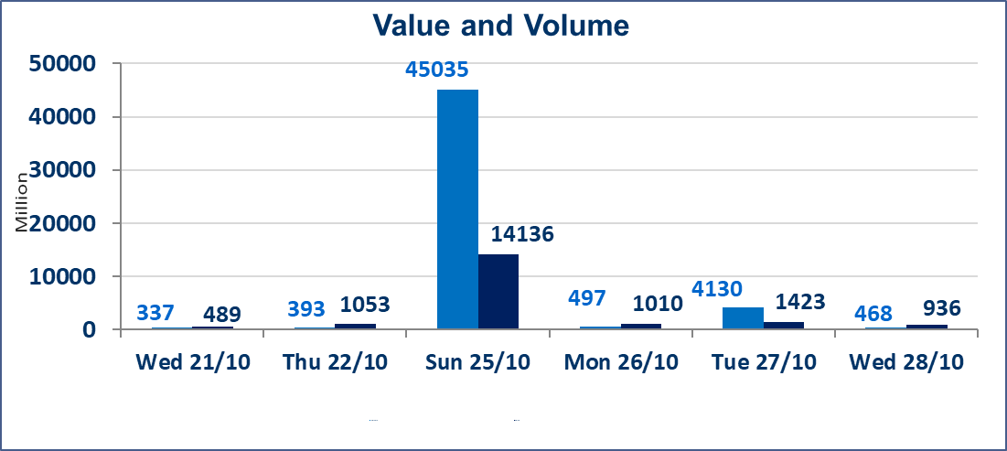
 | ISX Index 60 |  |  | 923.03 | ISX Index 15 |  |  | 1178.98
 | Previous ISX Index60 |  |  | 929.75 | Previous ISX Index15 |  |  | 1198.34
 | Change % |  |  | -0.72 | Change % |  |  | -1.62
 | Change |  |  | -6.72 | Change |  |  | -19.36

 | Listed Companies | 105 | OTC | 28 | Non Traded listed | 41 | OTC | 25
 | Traded Listed Companies | 49 | OTC | 3 | Higher Companies |  |  | 6
 | GAM Companies |  |  | 5 | Lower Companies |  |  | 23
 | Suspended Companies |  |  | 10
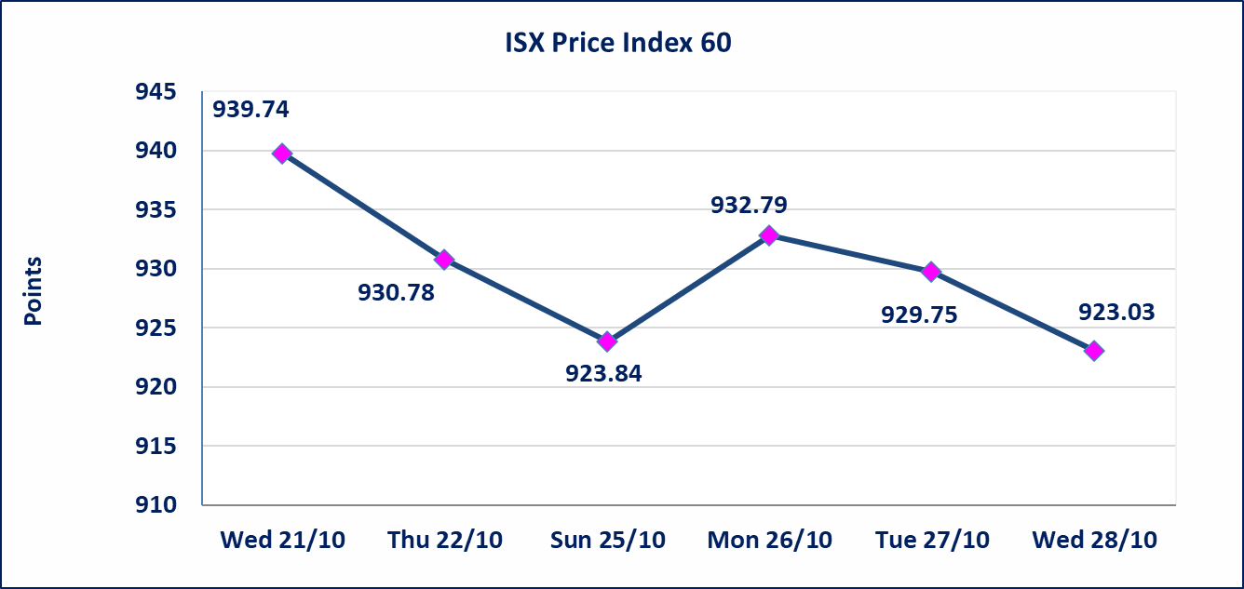
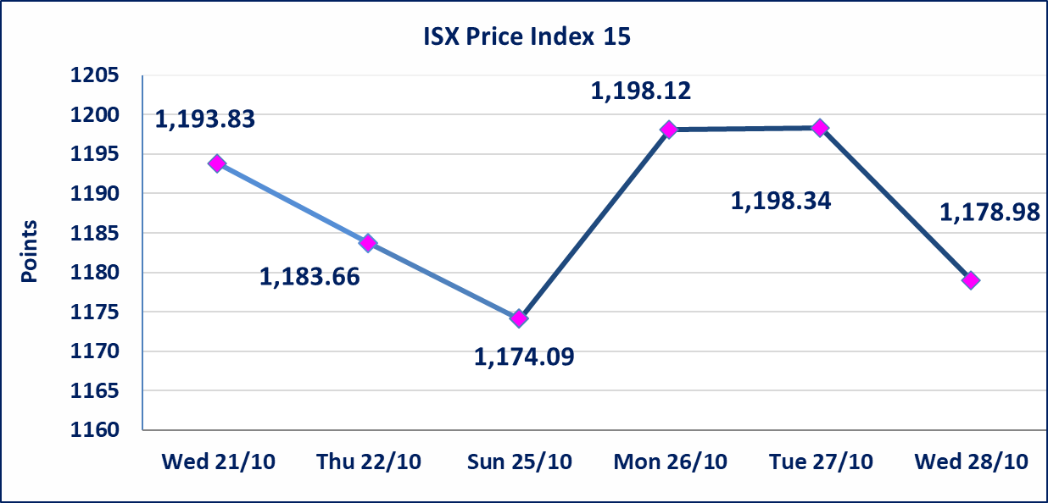

Al-Alwiya P.O . 3607 Mobile: 07711211522 - 07270094594 - 07834000034 E-mail: info-isx@isx-iq.net Web site:www.isx-iq.net

TOP 5
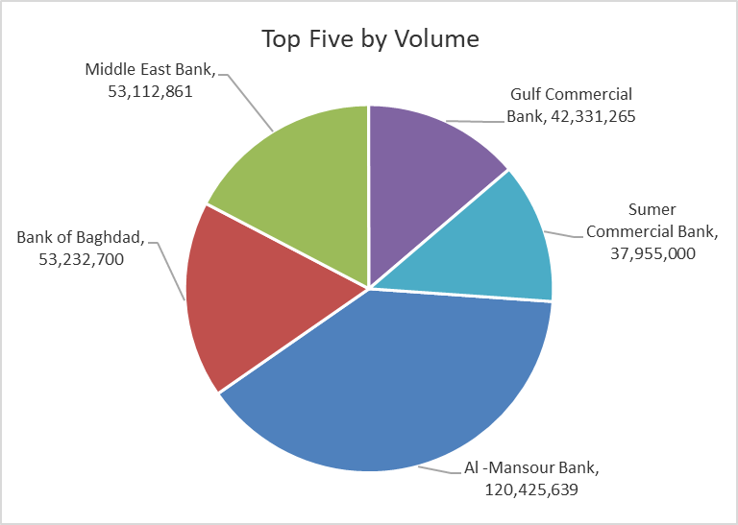
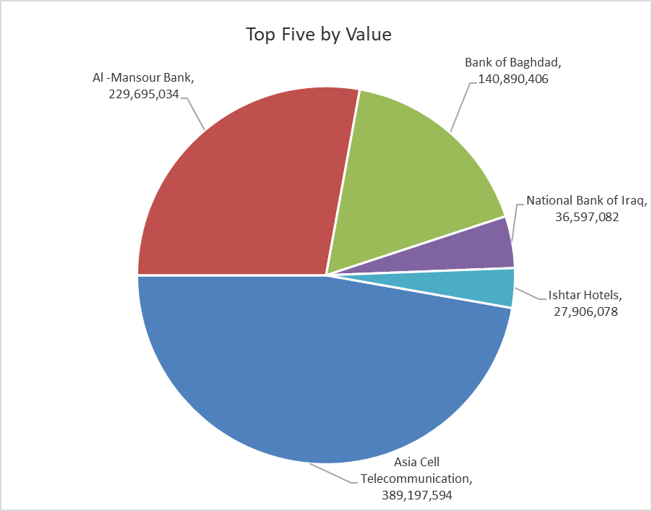
ISX top ganing and losing companies
Wednesday 28/10/2026
 | Gainers |  |  |  | Losers
 | Company Name | Closing Price | Change (%) | Traded Volume | Company Name | Closing Price | Change (%) | Traded Volume
 | Al-Ameen Estate Investment | 1.470 | 8.09 | 1,100 | Tourist Village of Mosul dam | 10.000 | -9.09 | 30,230
 | Sumer Commercial Bank | 0.210 | 5.00 | 37,955,000 | Iraq Noor Islamic Bank for Investment | 0.230 | -8.00 | 2,661,670
 | Palestine Hotel | 19.750 | 3.40 | 124,680 | Ashour Hotel | 21.500 | -7.92 | 1,000
 | Investment Bank of Iraq | 0.370 | 2.78 | 21,345,231 | National Bank of Iraq | 3.380 | -5.06 | 10,735,650
 | Iraqi Islamic Bank | 0.890 | 1.14 | 4,806,991 | Iraqi For Tufted Carpets | 19.000 | -5.00 | 10,000
 | The most active companies in term of traded volume and value

 | Traded Volume |  |  |  | Traded Value
 | Company Name | Closing Price | Change (%) | Traded Volume | Company Name | Closing Price | Change (%) | Traded Value
 | Al -Mansour Bank | 1.890 | -3.08 | 120,425,639 | Asia Cell Telecommunication | 14.990 | -2.03 | 389,197,594
 | Bank of Baghdad | 2.640 | 0.00 | 53,232,700 | Al -Mansour Bank | 1.890 | -3.08 | 229,695,034
 | Middle East Bank | 0.070 | 0.00 | 53,112,861 | Bank of Baghdad | 2.640 | 0.00 | 140,890,406
 | Gulf Commercial Bank | 0.290 | -3.33 | 42,331,265 | National Bank of Iraq | 3.380 | -5.06 | 36,597,082
 | Sumer Commercial Bank | 0.210 | 5.00 | 37,955,000 | Ishtar Hotels | 9.160 | 0.55 | 27,906,078

Non Iraqi

Iraq Stock Exchange
Non Iraqis' Bulletin Wednesday Oct 28 2026
Regular Market

Non Iraqi Trading of Regular Market (Buy)
Company Names | Code | No.of trades | Traded Shares | Trading Volume
Banks Sector
Iraqi Middle East Investment Bank | BIME | 12 | 39,111,861 | 2,737,830
Gulf Commercial Bank | BGUC | 2 | 10,000,000 | 2,900,000
Total Bank sector |  | 14 | 49,111,861 | 5,637,830
Holding companies Sector
international Holding Company | OMWJ | 1 | 100 | 10,700
Total Holding Companies sector |  | 1 | 100 | 10,700
Grand Total |  | 15 | 49,111,961 | 5,648,530

Non Iraqi Trading of Regular Market (Sell)
Company Names | Code | No.of trades | Traded Shares | Trading Volume
Banks Sector
Gulf Commercial Bank | BGUC | 5 | 17,149,581 | 4,973,378
Total Bank sector |  | 5 | 17,149,581 | 4,973,378
Telecommunication Sector
Asia cell | TASC | 82 | 13,074,104 | 196,379,972
Total Telecommunication sector |  | 82 | 13,074,104 | 196,379,972
Grand Total |  | 87 | 30,223,685 | 201,353,351

Non Iraqi Trading of Second Market (BUY)
Company Names | Code | No. of trades | Traded Volume | Traded Value
Banks Sector
Credit Bank Of Iraq | BROI | 2 | 1,567,014 | 733,524
Total Bank sector |  | 2 | 1,567,014 | 733,524
Grand Total |  | 2 | 1,567,014 | 733,524

Non Iraqi Trading of Undisclosed Platform (Sell)
Company Names | Code | No.of trades | Traded Shares | Trading Volume
Banks Sector
Sumer Commerical Bank | BSUC | 80 | 20,000,000 | 4,000,000
Total Bank sector |  | 80 | 20,000,000 | 4,000,000
Grand Total |  | 80 | 20,000,000 | 4,000,000

