Indices

 | Iraq Stock Exchange
 | Bulletin No (156)
 | ISX Trading Indices of Monday 7/9/2026

 | Traded Volume and OTC |  | 24,985,871,905 |  | Traded Value and OTC |  | 2,040,965,009 |  | Traders | 921

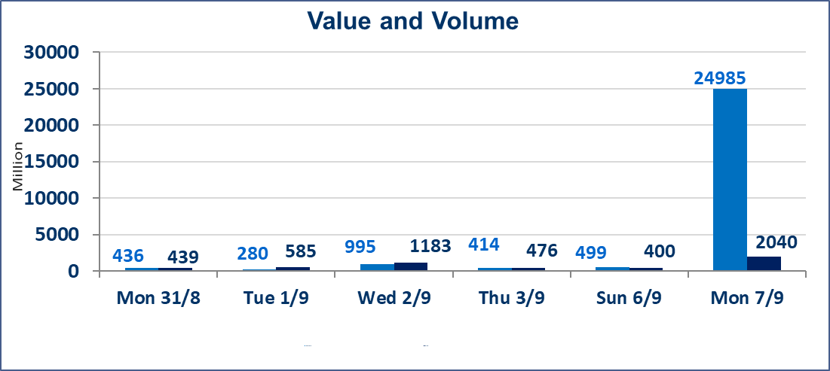
 | ISX Index 60 |  |  | 989.02 | ISX Index 15 |  |  | 1241.03
 | Previous ISX Index60 |  |  | 998.12 | Previous ISX Index15 |  |  | 1244.12
 | Change % |  |  | -0.91 | Change % |  |  | -0.25
 | Change |  |  | -9.10 | Change |  |  | -3.09

 | Listed Companies | 103 | OTC | 22 | Non Traded listed | 48 | OTC | 20
 | Traded Listed Companies | 45 | OTC | 1 | Higher Companies |  |  | 8
 | GAM Companies |  |  | 1 | Lower Companies |  |  | 19
 | Suspended Companies |  |  | 9 | GAM Companies OTC |  |  | 1
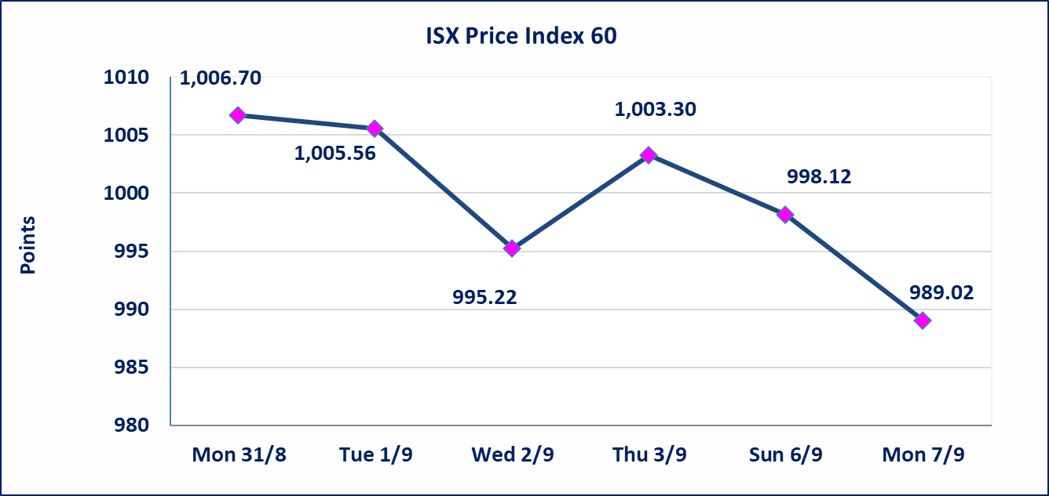
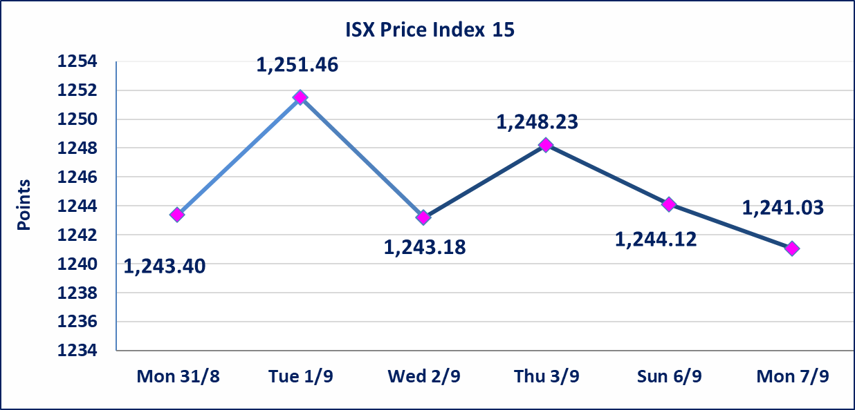

special orders |  | Baraem Al-Khair Brokerage Company executed an intentional cross order on the shares of Al-Ansari Bank, involving 24,600,000,000 shares with a total value of IQD 1,230,000,000, during the additional trading session (after 1:00 p.m.), in accordance with the procedures for executing block trades.
Al-Alwiya P.O . 3607 Mobile: 07711211522 - 07270094594 - 07834000034 E-mail: info-isx@isx-iq.net Web site:www.isx-iq.net

Top 5
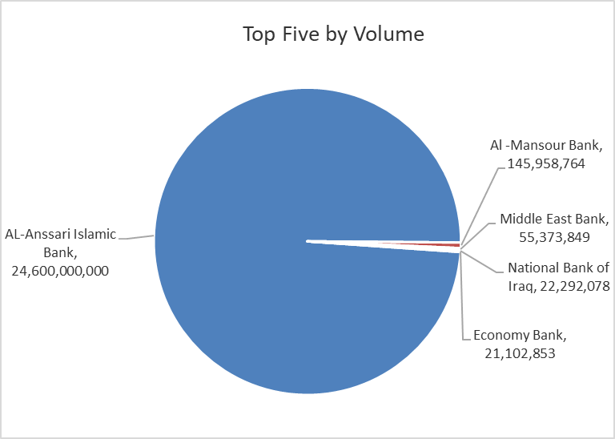
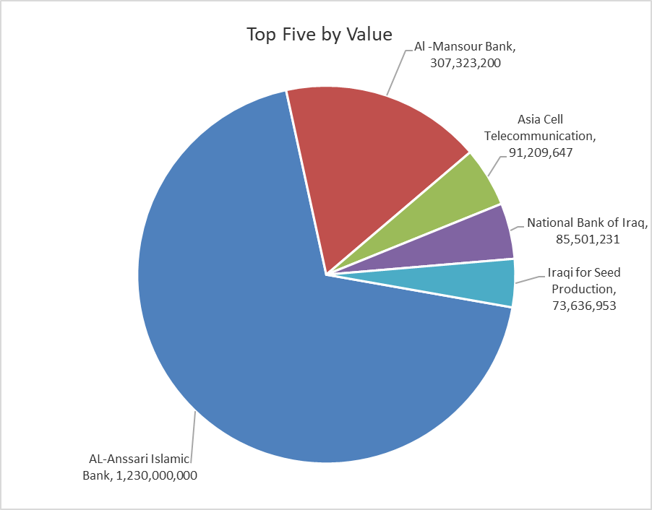
ISX top ganing and losing companies
Monday 7/9/2026
 | Gainers |  |  |  | Losers
 | Company Name | Closing Price | Change (%) | Traded Volume | Company Name | Closing Price | Change (%) | Traded Volume
 | Middle East Bank | 0.080 | 14.29 | 55,373,849 | International Islamic Bank | 0.130 | -7.14 | 210,000
 | Babil Animal & Vegetable Production | 8.450 | 8.33 | 8,529 | Mosul Bank For Investment | 0.130 | -7.14 | 6,002,541
 | Al-Kindi of Veterinary Vaccines | 2.700 | 5.88 | 10,000 | National for Tourist Investment | 9.000 | -6.74 | 10,000
 | Ashur International Bank | 0.320 | 3.23 | 500,000 | Mansour Hotel | 61.200 | -6.56 | 21,000
 | Al-Hilal Industries | 1.400 | 2.94 | 50,000 | Mamoura Realestate | 2.500 | -5.66 | 5,000,198
 | The most active companies in term of traded volume and value

 | Traded Volume |  |  |  | Traded Value
 | Company Name | Closing Price | Change (%) | Traded Volume | Company Name | Closing Price | Change (%) | Traded Value
 | AL-Anssari Islamic Bank | 0.050 | 0.00 | 24,600,000,000 | AL-Anssari Islamic Bank | 0.050 | 0.00 | 1,230,000,000
 | Al -Mansour Bank | 2.100 | -0.94 | 145,958,764 | Al -Mansour Bank | 2.100 | -0.94 | 307,323,200
 | Middle East Bank | 0.080 | 14.29 | 55,373,849 | Asia Cell Telecommunication | 15.750 | 0.00 | 91,209,647
 | National Bank of Iraq | 3.820 | 0.00 | 22,292,078 | National Bank of Iraq | 3.820 | 0.00 | 85,501,231
 | Economy Bank | 0.230 | -4.17 | 21,102,853 | Iraqi for Seed Production | 5.450 | -1.80 | 73,636,953

Non Iraqis
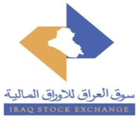
Iraq Stock Exchange
Non Iraqis' Bulletin Monday sept 7 2026
Regular Market

Non Iraqi Trading of Regular Market (Buy)
Company Names | Code | No.of trades | Traded Shares | Trading Volume
Banks Sector
Gulf Commercial Bank | BGUC | 1 | 55,000 | 18,150
Al-Mansour Bank | BMNS | 6 | 2,000,000 | 4,200,000
Total Bank sector |  | 7 | 2,055,000 | 4,218,150
Grand Total |  | 7 | 2,055,000 | 4,218,150

Non Iraqi Trading of Regular Market (Sell)
Company Names | Code | No.of trades | Traded Shares | Trading Volume
Telecommunication Sector
Asia cell | TASC | 32 | 1,443,685 | 22,738,247
Total Telecommunication sector |  | 32 | 1,443,685 | 22,738,247
Grand Total |  | 32 | 1,443,685 | 22,738,247

Non Iraqi Trading of Second Market (BUY)
Company Names | Code | No. of trades | Traded Volume | Traded Value
Insurance Sector
Al-Hamraa for Insurance | NHAM | 2 | 95,078 | 475,390
Total Insurance sector |  | 2 | 95,078 | 475,390
Grand Total |  | 2 | 95,078 | 475,390

