Indices

 | Iraq Stock Exchange
 | Bulletin No (180)
 | ISX Trading Indices of Tuesday 13/10/2026

 | Traded Volume and OTC |  | 698,400,965 |  | Traded Value and OTC |  | 465,250,492 |  | Traders | 733

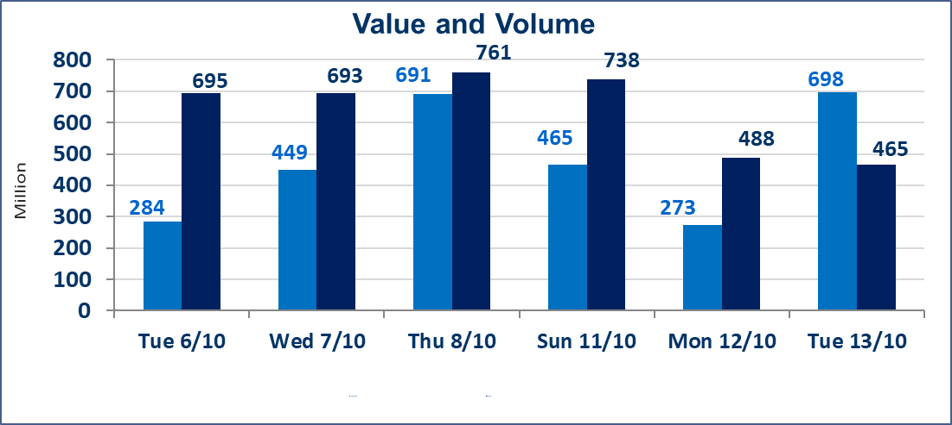
 | ISX Index 60 |  |  | 952.14 | ISX Index 15 |  |  | 1183.49
 | Previous ISX Index60 |  |  | 952.80 | Previous ISX Index15 |  |  | 1189.80
 | Change % |  |  | -0.07 | Change % |  |  | -0.53
 | Change |  |  | -0.66 | Change |  |  | -6.31

 | Listed Companies | 103 | OTC | 27 | Non Traded listed | 39 | OTC | 24
 | Traded Listed Companies | 43 | OTC | 2 | Higher Companies |  |  | 7
 | GAM Companies |  |  | 10 | Lower Companies |  |  | 11
 | Suspended Companies |  |  | 11 | GAM Companies |  |  | 1
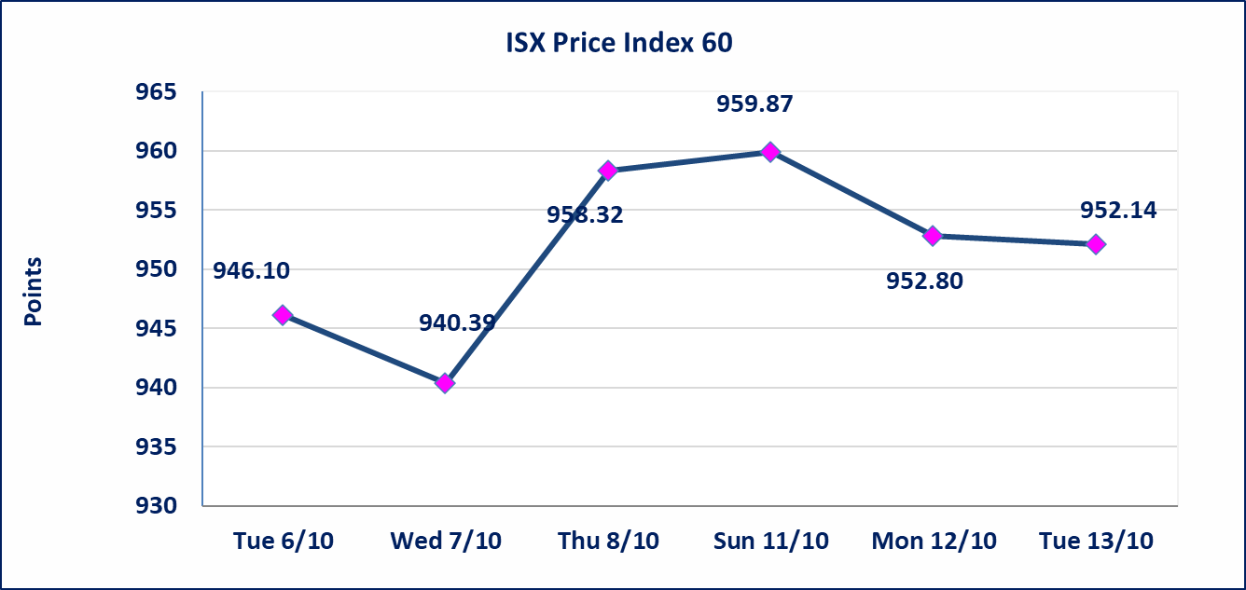
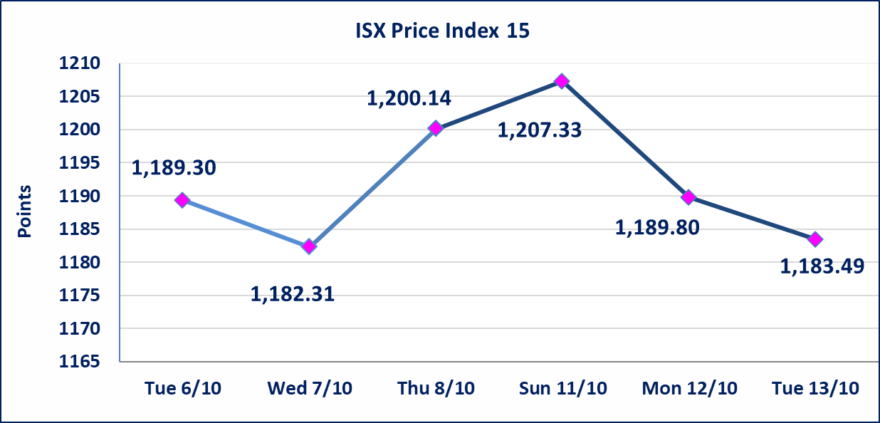

Al-Alwiya P.O . 3607 Mobile: 07711211522 - 07270094594 - 07834000034 E-mail: info-isx@isx-iq.net Web site:www.isx-iq.net

Top 5
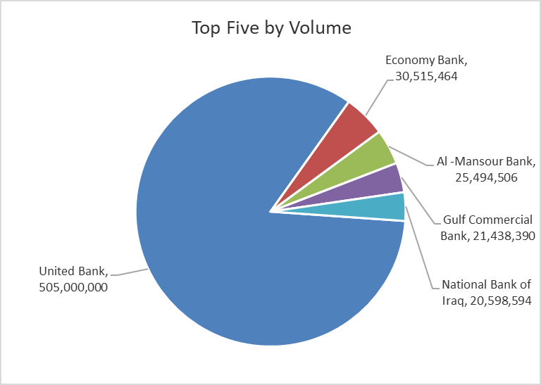
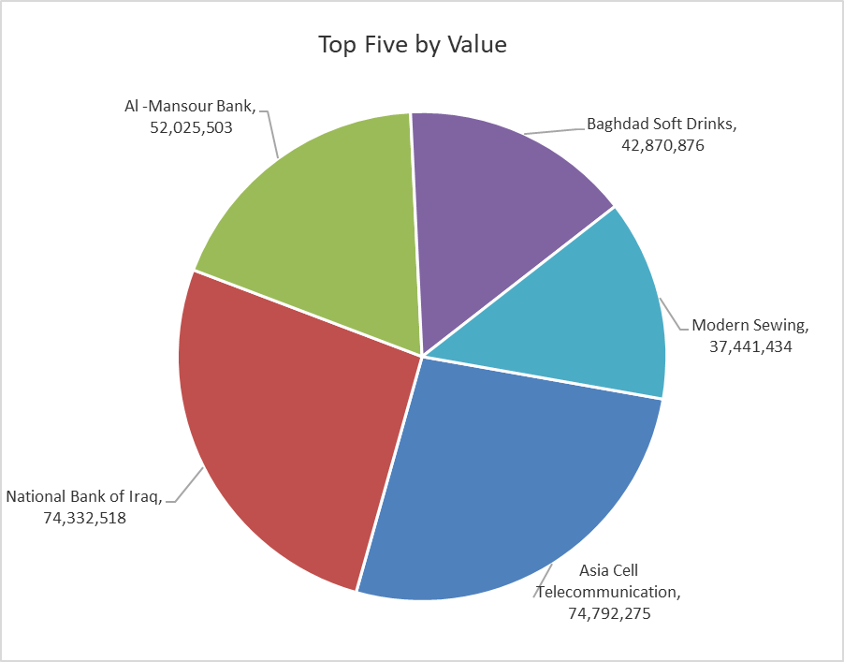
ISX top ganing and losing companies
Tuesday 13/10/2026
 | Gainers |  |  |  | Losers
 | Company Name | Closing Price | Change (%) | Traded Volume | Company Name | Closing Price | Change (%) | Traded Volume
 | Investment Bank of Iraq | 0.390 | 5.41 | 5,001,132 | Union Bank of Iraq | 0.140 | -6.67 | 360,565
 | Iraqi Carton Manufactories | 1.650 | 4.43 | 3,352,977 | National for Tourist Investment | 8.800 | -4.86 | 356,329
 | Modern for Animal Production | 0.340 | 3.03 | 200 | Mamoura Realestate | 2.300 | -4.17 | 2,786,028
 | AL-Badia for General Trans | 1.300 | 2.36 | 939,762 | Elaf Islamic Bank | 0.290 | -3.33 | 4,875,968
 | Fallujah for construction Materials | 2.800 | 1.82 | 50,300 | Al-Khatam Telecom | 3.610 | -1.63 | 162,161
 | The most active companies in term of traded volume and value

 | Traded Volume |  |  |  | Traded Value
 | Company Name | Closing Price | Change (%) | Traded Volume | Company Name | Closing Price | Change (%) | Traded Value
 | United Bank | 0.050 | 0.00 | 505,000,000 | Asia Cell Telecommunication | 15.200 | -0.98 | 74,792,275
 | Economy Bank | 0.220 | 0.00 | 30,515,464 | National Bank of Iraq | 3.610 | -1.10 | 74,332,518
 | Al -Mansour Bank | 2.040 | -0.49 | 25,494,506 | Al -Mansour Bank | 2.040 | -0.49 | 52,025,503
 | Gulf Commercial Bank | 0.310 | 0.00 | 21,438,390 | Baghdad Soft Drinks | 6.040 | -0.33 | 42,870,876
 | National Bank of Iraq | 3.610 | -1.10 | 20,598,594 | Modern Sewing | 6.000 | 0.00 | 37,441,434

Non Iraqi

Iraq Stock Exchange
Non Iraqis' Bulletin Tuesday Oct 13 2026
Regular Market

Non Iraqi Trading of Regular Market (Buy)
Company Names | Code | No.of trades | Traded Shares | Trading Volume
Banks Sector
Gulf Commercial Bank | BGUC | 3 | 1,000,000 | 310,000
Total Bank sector |  | 3 | 1,000,000 | 310,000
Telecommunication Sector
Asia cell | TASC | 3 | 519,396 | 7,920,789
Total Telecommunication sector |  | 3 | 519,396 | 7,920,789
Grand Total |  | 6 | 1,519,396 | 8,230,789

Non Iraqi Trading of Undisclosed Platform (Sell)
Company Names | Code | No.of trades | Traded Shares | Trading Volume
Industry Sector
Iraqi Carton Manufacturies | IICM | 3 | 239,977 | 383,963
Total Industry sector |  | 3 | 239,977 | 383,963
Hotel Sector
National for Tourist Investment | HNTI | 3 | 356,329 | 3,138,695
Total Hotel Sector |  | 3 | 356,329 | 3,138,695
Grand Total |  | 6 | 596,306 | 3,522,658

