Indices

 | Iraq Stock Exchange
 | Bulletin No (185)
 | ISX Trading Indices of Tuesday 20/10/2026

 | Traded Volume and OTC |  | 179,899,699 |  | Traded Value and OTC |  | 510,743,868 |  | Traders | 810
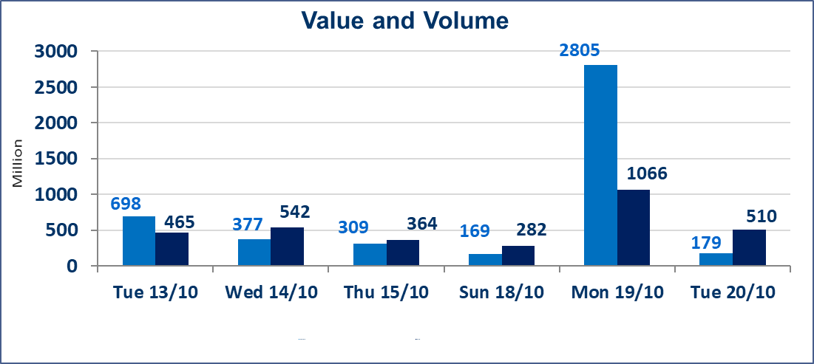
 | ISX Index 60 |  |  | 946.62 | ISX Index 15 |  |  | 1204.53
 | Previous ISX Index60 |  |  | 946.11 | Previous ISX Index15 |  |  | 1190.04
 | Change % |  |  | 0.05 | Change % |  |  | 1.22
 | Change |  |  | 0.51 | Change |  |  | 14.49

 | Listed Companies | 104 | OTC | 28 | Non Traded listed | 38 | OTC | 25
 | Traded Listed Companies | 49 | OTC | 3 | Higher Companies |  |  | 14
 | GAM Companies |  |  | 7 | Lower Companies |  |  | 12
 | Suspended Companies |  |  | 10
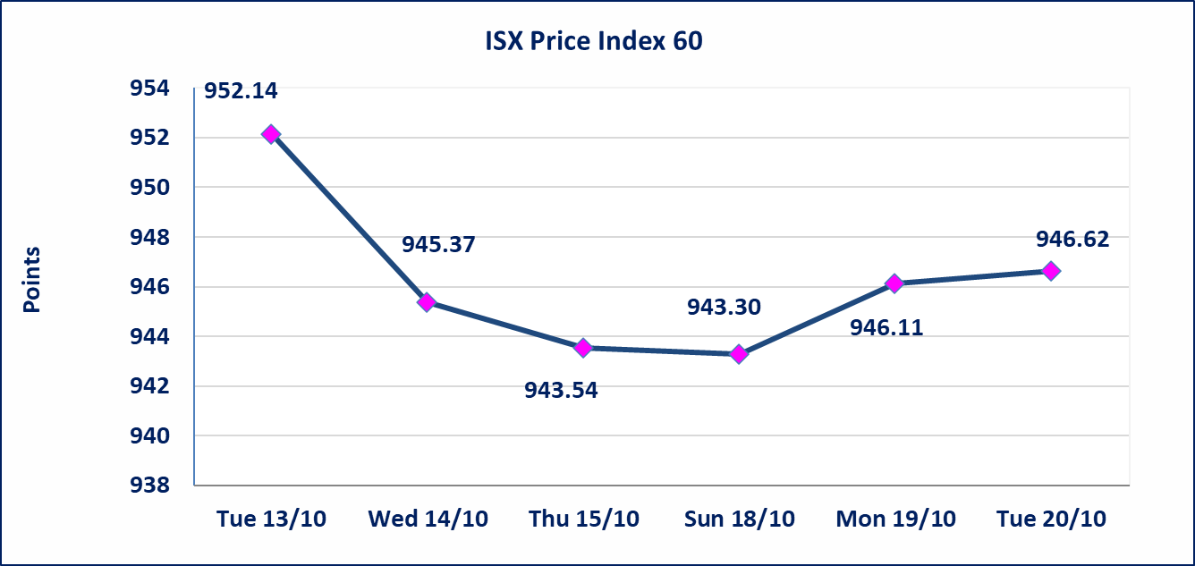
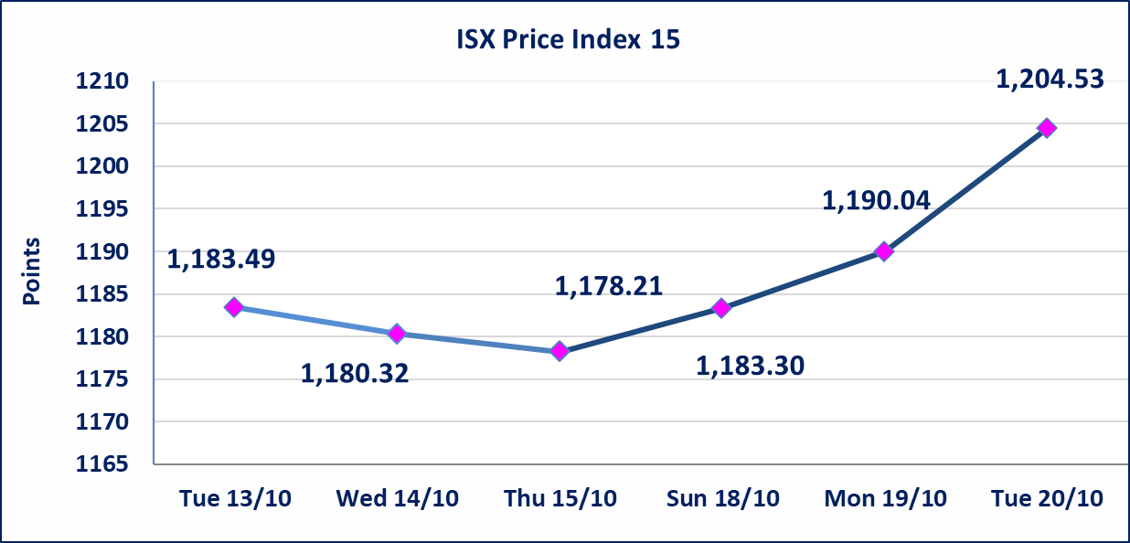

Al-Alwiya P.O . 3607 Mobile: 07711211522 - 07270094594 - 07834000034 E-mail: info-isx@isx-iq.net Web site:www.isx-iq.net

Top 5
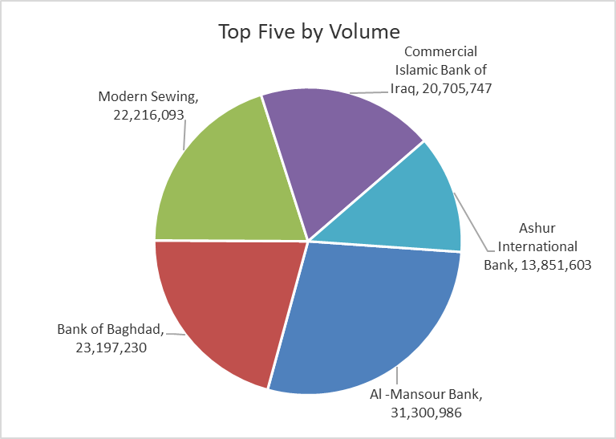
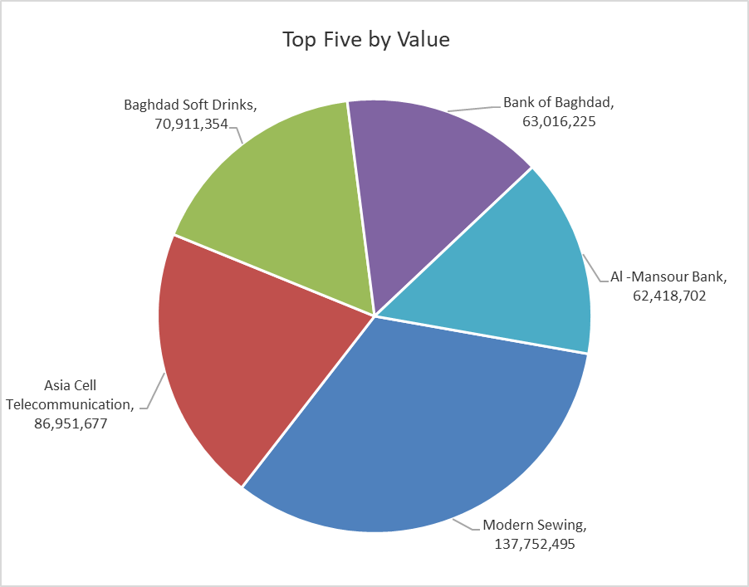
ISX top ganing and losing companies
Tuesday 20/10/2026
 | Gainers |  |  |  | Losers
 | Company Name | Closing Price | Change (%) | Traded Volume | Company Name | Closing Price | Change (%) | Traded Volume
 | International Islamic Bank | 0.130 | 18.18 | 5,108,839 | Rehab Karbalaa | 0.360 | -10.00 | 345,283
 | Babylon Hotel | 110.000 | 10.00 | 1,401 | Al-Hamraa for Insurance | 3.000 | -4.76 | 1,412,772
 | National Furniture Industries | 1.070 | 7.00 | 4,000 | Al-Ahlyia agricultural production | 2.000 | -3.85 | 7,011,364
 | Babil Animal & Vegetable Production | 8.000 | 3.90 | 23,000 | National for Tourist Investment | 9.000 | -2.70 | 209,958
 | AL-Nukhba for Construction | 0.590 | 3.51 | 10,000 | Bank of Baghdad | 2.710 | -1.81 | 23,197,230
 | The most active companies in term of traded volume and value

 | Traded Volume |  |  |  | Traded Value
 | Company Name | Closing Price | Change (%) | Traded Volume | Company Name | Closing Price | Change (%) | Traded Value
 | Al -Mansour Bank | 2.000 | 0.00 | 31,300,986 | Modern Sewing | 6.200 | 2.31 | 137,752,495
 | Bank of Baghdad | 2.710 | -1.81 | 23,197,230 | Asia Cell Telecommunication | 15.400 | -0.90 | 86,951,677
 | Modern Sewing | 6.200 | 2.31 | 22,216,093 | Baghdad Soft Drinks | 6.130 | -0.33 | 70,911,354
 | Commercial Islamic Bank of Iraq | 0.530 | 0.00 | 20,705,747 | Bank of Baghdad | 2.710 | -1.81 | 63,016,225
 | Ashur International Bank | 0.300 | 3.45 | 13,851,603 | Al -Mansour Bank | 2.000 | 0.00 | 62,418,702

Non Iraqi

Iraq Stock Exchange
Non Iraqis' Bulletin Tuesday Oct 20 2026
Regular Market

Non Iraqi Trading of Regular Market (Buy)
Company Names | Code | No.of trades | Traded Shares | Trading Volume
Banks Sector
Commercial Bank of Iraq | BCOI | 1 | 4,000,000 | 2,120,000
Bank Of Baghdad | BBOB | 1 | 1,500,000 | 4,125,000
Iraqi Islamic Bank | BIIB | 1 | 500,000 | 460,000
Investment Bank of Iraq | BIBI | 1 | 2,100,000 | 819,000
Gulf Commercial Bank | BGUC | 1 | 3,000,000 | 900,000
Al-Mansour Bank | BMNS | 2 | 1,999,999 | 3,999,998
Total Bank sector |  | 7 | 13,099,999 | 12,423,998
Services Sector
AL-Nukhba for Construction | SNUC | 1 | 10,000 | 5,900
Total Services sector |  | 1 | 10,000 | 5,900
Grand Total |  | 8 | 13,109,999 | 12,429,898

Non Iraqi Trading of Regular Market (Sell)
Company Names | Code | No.of trades | Traded Shares | Trading Volume
Banks Sector
Bank Of Baghdad | BBOB | 19 | 3,750,000 | 10,241,045
National Bank Of Iraq | BNOI | 8 | 675,000 | 2,372,348
Total Bank sector |  | 27 | 4,425,000 | 12,613,393
Telecommunication Sector
Asia cell | TASC | 16 | 3,201,656 | 49,317,515
Total Telecommunication sector |  | 16 | 3,201,656 | 49,317,515
Grand Total |  | 43 | 7,626,656 | 61,930,908

Non Iraqi Trading of Second Market (BUY)
Company Names | Code | No. of trades | Traded Volume | Traded Value
Banks Sector
International Islamic Bank | BINT | 2 | 2,000,000 | 240,000
Total Bank sector |  | 2 | 2,000,000 | 240,000
Grand Total |  | 2 | 2,000,000 | 240,000

