Indices

 | Iraq Stock Exchange
 | Bulletin No (183)
 | ISX Trading Indices of Sunday 18/10/2026

 | Traded Volume and OTC |  | 169,345,083 |  | Traded Value and OTC |  | 282,557,682 |  | Traders | 545

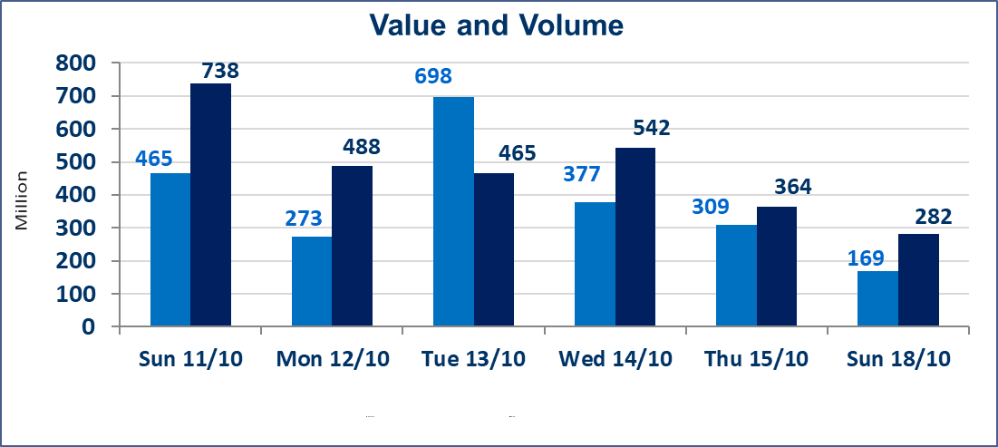
 | ISX Index 60 |  |  | 943.30 | ISX Index 15 |  |  | 1183.30
 | Previous ISX Index60 |  |  | 943.54 | Previous ISX Index15 |  |  | 1178.21
 | Change % |  |  | -0.03 | Change % |  |  | 0.43
 | Change |  |  | -0.24 | Change |  |  | 5.09

 | Listed Companies | 104 | OTC | 27 | Non Traded listed | 46 | OTC | 24
 | Traded Listed Companies | 39 | OTC | 3 | Higher Companies |  |  | 9
 | GAM Companies |  |  | 9 | Lower Companies |  |  | 11
 | Suspended Companies |  |  | 10

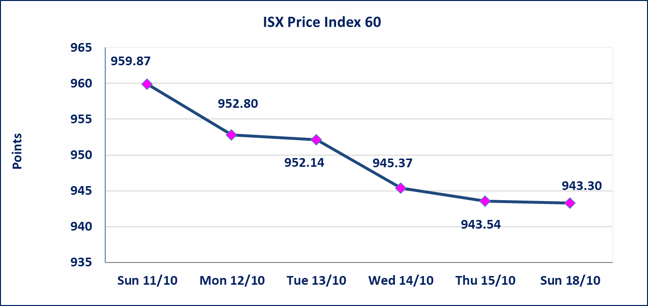
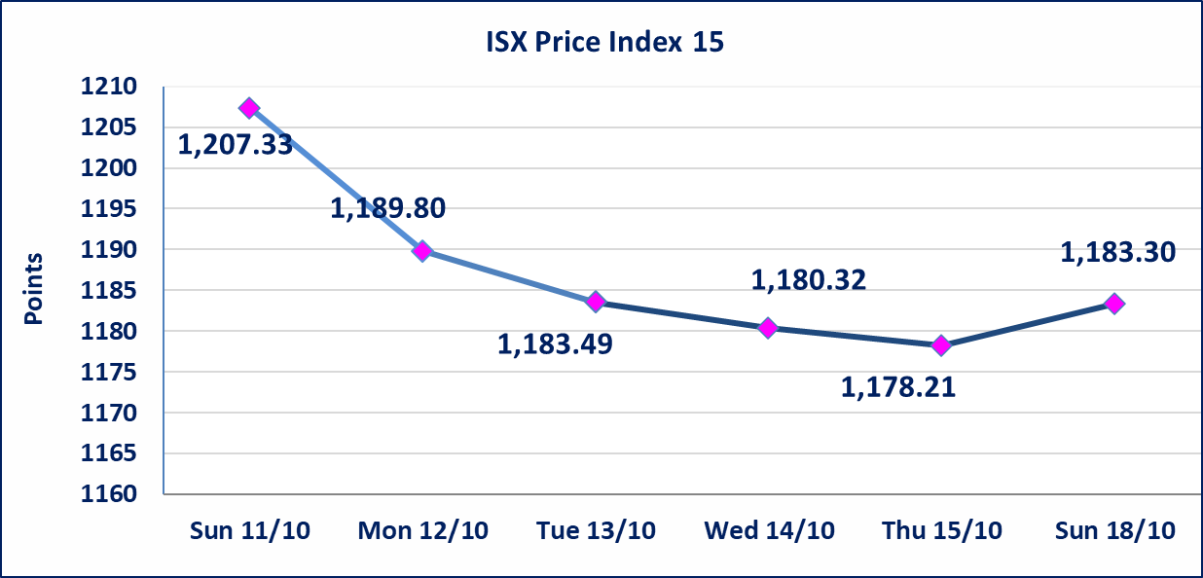

Al-Alwiya P.O . 3607 Mobile: 07711211522 - 07270094594 - 07834000034 E-mail: info-isx@isx-iq.net Web site:www.isx-iq.net

Top 5
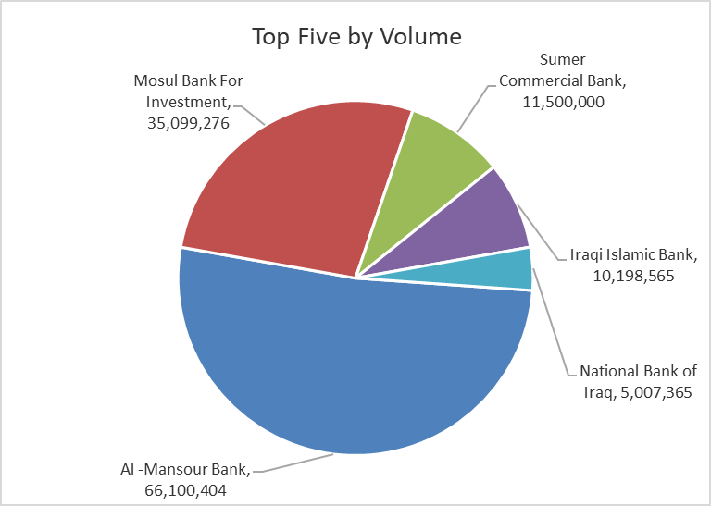
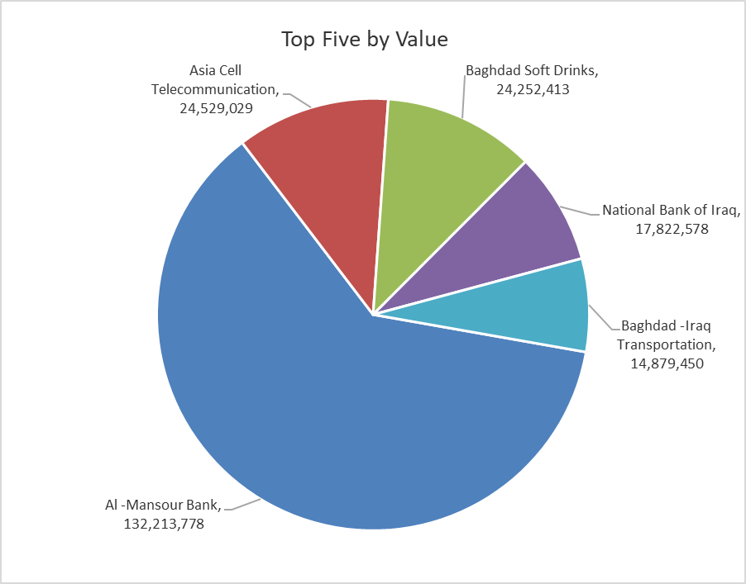
ISX top ganing and losing companies
Sunday 18/10/2026
 | Gainers |  |  |  | Losers
 | Company Name | Closing Price | Change (%) | Traded Volume | Company Name | Closing Price | Change (%) | Traded Volume
 | International Islamic Bank | 0.120 | 20.00 | 1,136,375 | Al-Hamraa for Insurance | 3.500 | -7.89 | 743,878
 | Al-Ataa Islamic Bank | 0.070 | 16.67 | 130,000 | Economy Bank | 0.250 | -7.41 | 211,111
 | Fallujah for construction Materials | 2.750 | 1.85 | 250,000 | Al-Ameen Estate Investment | 1.420 | -4.05 | 8,000
 | Ready Made Clothes | 2.250 | 1.81 | 10,000 | Electronic Industry | 1.250 | -3.85 | 237,372
 | Asia Cell Telecommunication | 15.400 | 1.52 | 1,598,886 | Gulf Commercial Bank | 0.290 | -3.33 | 3,426,866
 | The most active companies in term of traded volume and value

 | Traded Volume |  |  |  | Traded Value
 | Company Name | Closing Price | Change (%) | Traded Volume | Company Name | Closing Price | Change (%) | Traded Value
 | Al -Mansour Bank | 2.000 | -0.99 | 66,100,404 | Al -Mansour Bank | 2.000 | -0.99 | 132,213,778
 | Mosul Bank For Investment | 0.120 | 0.00 | 35,099,276 | Asia Cell Telecommunication | 15.400 | 1.52 | 24,529,029
 | Sumer Commercial Bank | 0.210 | 0.00 | 11,500,000 | Baghdad Soft Drinks | 6.030 | 0.84 | 24,252,413
 | Iraqi Islamic Bank | 0.930 | 0.00 | 10,198,565 | National Bank of Iraq | 3.560 | -0.84 | 17,822,578
 | National Bank of Iraq | 3.560 | -0.84 | 5,007,365 | Baghdad -Iraq Transportation | 18.200 | -0.27 | 14,879,450

