Indices

 | Iraq Stock Exchange
 | Bulletin No (192)
 | ISX Trading Indices of Thursday 29/10/2026

 | Traded Volume and OTC |  | 3,704,216,741 |  | Traded Value and OTC |  | 1,245,622,421 |  | Traders | 1145

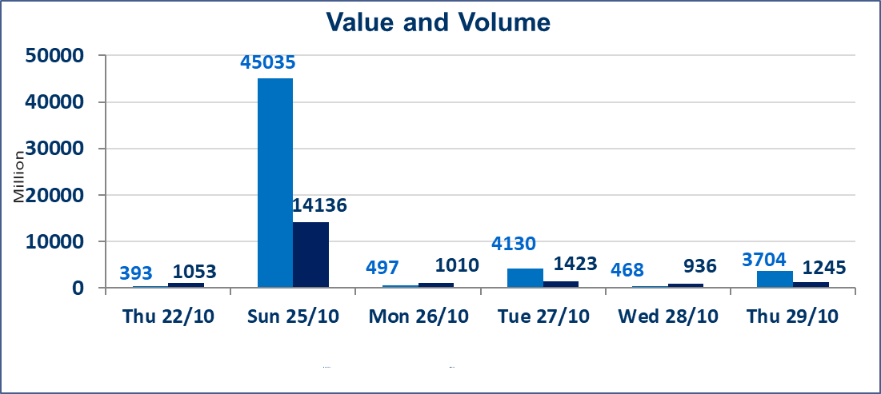
 | ISX Index 60 |  |  | 913.53 | ISX Index 15 |  |  | 1168.36
 | Previous ISX Index60 |  |  | 923.03 | Previous ISX Index15 |  |  | 1178.98
 | Change % |  |  | -1.03 | Change % |  |  | -0.90
 | Change |  |  | -9.50 | Change |  |  | -10.62

 | Listed Companies | 105 | OTC | 28 | Non Traded listed | 44 | OTC | 26
 | Traded Listed Companies | 47 | OTC | 2 | Higher Companies |  |  | 7
 | GAM Companies |  |  | 4 | Lower Companies |  |  | 21
 | Suspended Companies |  |  | 10
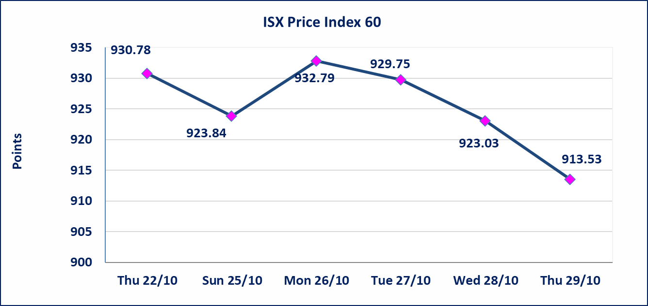
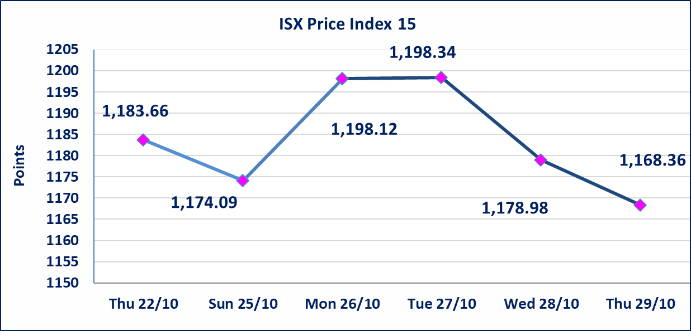

Al-Alwiya P.O . 3607 Mobile: 07711211522 - 07270094594 - 07834000034 E-mail: info-isx@isx-iq.net Web site:www.isx-iq.net

TOP 5
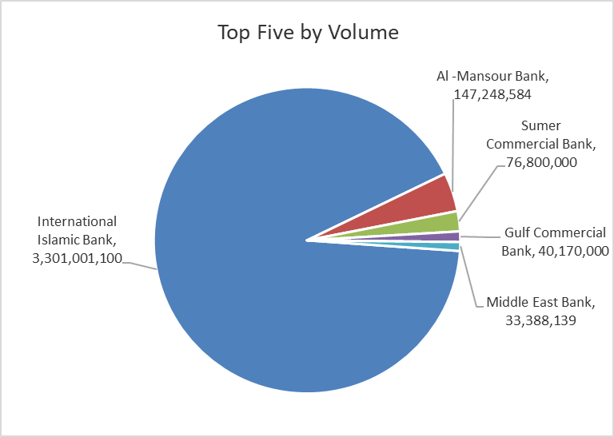
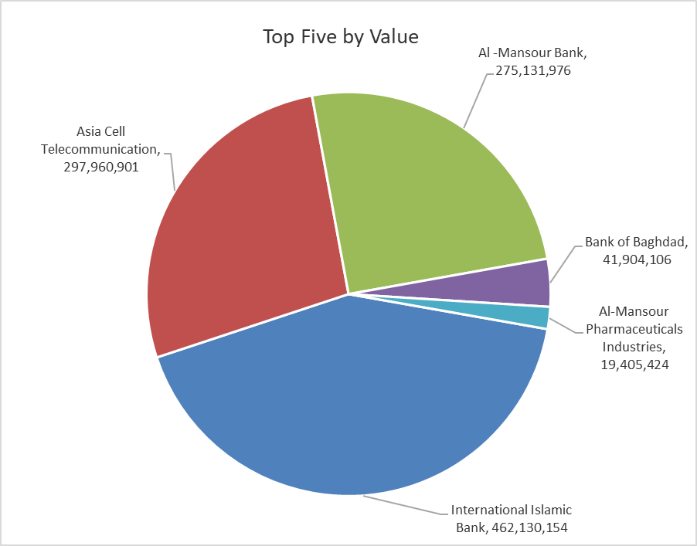
ISX top ganing and losing companies
Thursday 29/10/2026
 | Gainers |  |  |  | Losers
 | Company Name | Closing Price | Change (%) | Traded Volume | Company Name | Closing Price | Change (%) | Traded Volume
 | Al-Hamraa for Insurance | 3.300 | 10.00 | 22,000 | Iraqi For Tufted Carpets | 17.100 | -10.00 | 79,584
 | Ready Made Clothes | 2.250 | 7.14 | 19,574 | Gulf Insurance | 0.590 | -9.23 | 100,000
 | Al-Ameen for Insurance | 0.850 | 6.25 | 2,000,000 | Elaf Islamic Bank | 0.340 | -8.11 | 100,500
 | Amwaj lnternational Real Estate | 112.000 | 4.67 | 173,291 | Iraqi Carton Manufactories | 1.450 | -4.61 | 253,427
 | Ishtar Hotels | 9.250 | 0.98 | 650,436 | Mamoura Realestate | 2.110 | -3.65 | 2,978,151
 | The most active companies in term of traded volume and value

 | Traded Volume |  |  |  | Traded Value
 | Company Name | Closing Price | Change (%) | Traded Volume | Company Name | Closing Price | Change (%) | Traded Value
 | International Islamic Bank | 0.140 | 0.00 | 3,301,001,100 | International Islamic Bank | 0.140 | 0.00 | 462,130,154
 | Al -Mansour Bank | 1.860 | -1.59 | 147,248,584 | Asia Cell Telecommunication | 14.800 | -1.27 | 297,960,901
 | Sumer Commercial Bank | 0.210 | 0.00 | 76,800,000 | Al -Mansour Bank | 1.860 | -1.59 | 275,131,976
 | Gulf Commercial Bank | 0.290 | 0.00 | 40,170,000 | Bank of Baghdad | 2.600 | -1.52 | 41,904,106
 | Middle East Bank | 0.070 | 0.00 | 33,388,139 | Al-Mansour Pharmaceuticals Industries | 2.190 | 0.00 | 19,405,424

Non Iraqi

 | Iraq Stock Exchange
 | Non Iraqis' Bulletin Thursday Oct 29 2026
 | Regular Market

 | Non Iraqi Trading of Regular Market (Buy)
 | Company Names | Code | No.of trades | Traded Shares | Trading Volume
 | Banks Sector
 | Iraqi Middle East Investment Bank | BIME | 8 | 22,888,139 | 1,602,170
 | Gulf Commercial Bank | BGUC | 3 | 10,170,000 | 2,949,300
 | Total Bank sector |  | 11 | 33,058,139 | 4,551,470
 | Grand Total |  | 11 | 33,058,139 | 4,551,470

 | Non Iraqi Trading of Regular Market (Sell)
 | Company Names | Code | No.of trades | Traded Shares | Trading Volume
 | Banks Sector
 | Al-Mansour Bank | BMNS | 54 | 23,000,000 | 42,922,316
 | Total Bank sector |  | 54 | 23,000,000 | 42,922,316
 | Telecommunication Sector
 | Asia cell | TASC | 107 | 11,801,963 | 175,818,473
 | Total Telecommunication sector |  | 107 | 11,801,963 | 175,818,473
 | Grand Total |  | 161 | 34,801,963 | 218,740,789

 | Non Iraqi Trading of Second Market (BUY)
 | Company Names | Code | No. of trades | Traded Volume | Traded Value
Banks Sector
 | Credit Bank Of Iraq | BROI | 2 | 1,000,000 | 470,000
 | Total Bank sector |  | 2 | 1,000,000 | 470,000
 | Grand Total |  | 2 | 1,000,000 | 470,000

 | Non Iraqi Trading of Undisclosed Platform (Sell)
 | Company Names | Code | No.of trades | Traded Shares | Trading Volume
 | Banks Sector
 | Sumer Commerical Bank | BSUC | 93 | 75,807,755 | 15,161,551
 | Total Bank sector |  | 93 | 75,807,755 | 15,161,551
 | Grand Total |  | 93 | 75,807,755 | 15,161,551

