Indices

 | Iraq Stock Exchange
 | Bulletin No (172)
 | ISX Trading Indices of Tuesday 29/9/2026

 | Traded Volume and OTC |  | 49,816,088,074 |  | Traded Value and OTC |  | 4,557,295,013 |  | Traders | 710
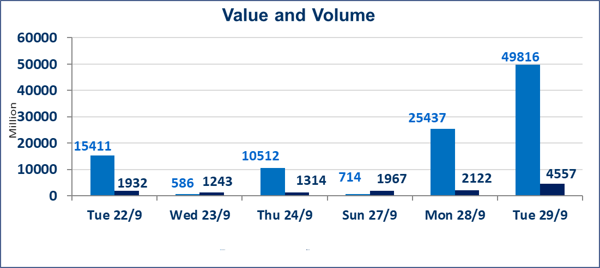
 | ISX Index 60 |  |  | 960.68 | ISX Index 15 |  |  | 1207.09
 | Previous ISX Index60 |  |  | 961.75 | Previous ISX Index15 |  |  | 1204.03
 | Change % |  |  | -0.11 | Change % |  |  | 0.25
 | Change |  |  | -1.07 | Change |  |  | 3.06

 | Listed Companies | 103 | OTC | 24 | Non Traded listed | 42 | OTC | 22
 | Traded Listed Companies | 43 | OTC | 2 | Higher Companies |  |  | 8
 | GAM Companies |  |  | 9 | Lower Companies |  |  | 12
 | Suspended Companies |  |  | 9
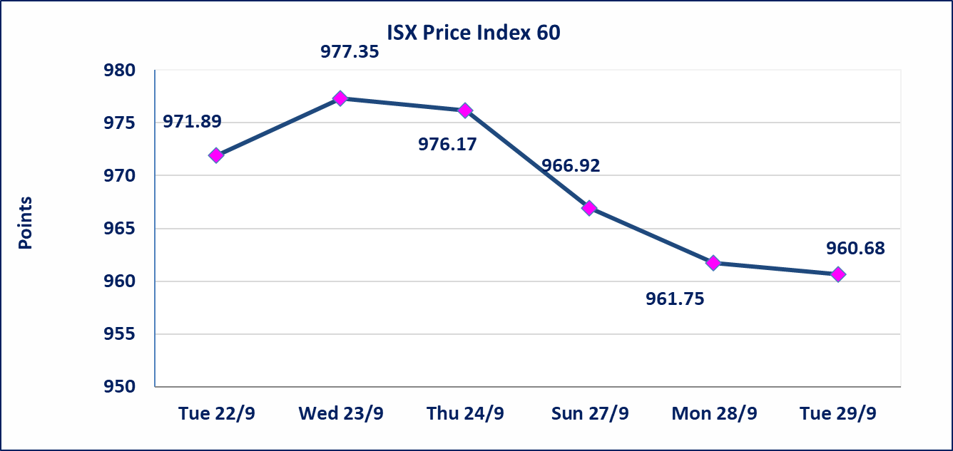
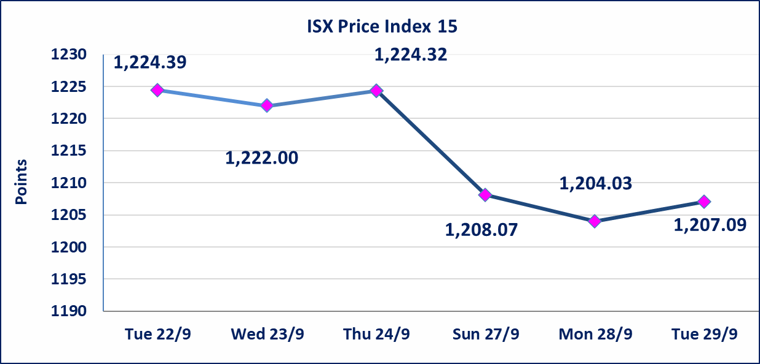

special orders |  | Pursuant to the Securities Commission’s Decision No. (1818/5) dated September 21, 2026, a court order was executed on the shares of the International Islamic Bank.
special orders |  | Baraem Al-Khair Brokerage Company executed an intentional cross order on the shares of Al-Qabidh Islamic Bank, involving 24,900,000,000 shares with a total value of IQD 1,743,000,000, during the additional trading session (after 1:00 p.m.), in accordance with the procedures for executing block trades.
Al-Alwiya P.O . 3607 Mobile: 07711211522 - 07270094594 - 07834000034 E-mail: info-isx@isx-iq.net Web site:www.isx-iq.net

Top 5
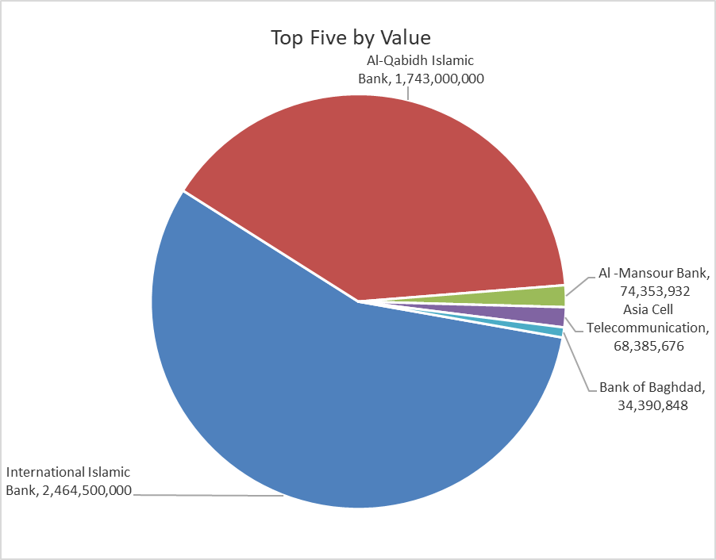
ISX top ganing and losing companies
Tuesday 29/9/2026
 | Gainers |  |  |  | Losers
 | Company Name | Closing Price | Change (%) | Traded Volume | Company Name | Closing Price | Change (%) | Traded Volume
 | Modern Sewing | 6.500 | 6.91 | 114,720 | AL-Nukhba for Construction | 0.630 | -8.70 | 530,000
 | Iraqi For Tufted Carpets | 20.000 | 5.26 | 3,354 | National Furniture Industries | 0.970 | -6.73 | 1,900
 | AL-Badia for General Trans | 1.270 | 4.96 | 9,874 | Al-Kindi of Veterinary Vaccines | 2.600 | -3.70 | 92,472
 | Al -Khazer Construction Materials | 1.150 | 4.55 | 2,239,109 | Agricultural Products Meat | 4.500 | -3.23 | 1,023,024
 | Modern for Animal Production | 0.330 | 3.13 | 45,454 | Gulf Commercial Bank | 0.310 | -3.12 | 6,099,100
 | The most active companies in term of traded volume and value

 | Traded Volume |  |  |  | Traded Value
 | Company Name | Closing Price | Change (%) | Traded Volume | Company Name | Closing Price | Change (%) | Traded Value
 | Al-Qabidh Islamic Bank | 0.070 | 0.00 | 24,900,000,000 | International Islamic Bank | 0.100 | 0.00 | 2,464,500,000
 | International Islamic Bank | 0.100 | 0.00 | 24,645,000,000 | Al-Qabidh Islamic Bank | 0.070 | 0.00 | 1,743,000,000
 | Al -Mansour Bank | 2.020 | 0.50 | 37,156,572 | Al -Mansour Bank | 2.020 | 0.50 | 74,353,932
 | Ashur International Bank | 0.310 | 0.00 | 23,719,009 | Asia Cell Telecommunication | 14.970 | 0.47 | 68,385,676
 | Credit Bank Of Iraq | 0.490 | 0.00 | 20,010,000 | Bank of Baghdad | 2.860 | 0.00 | 34,390,848

