Indices

 | Iraq Stock Exchange
 | Bulletin No (168)
 | ISX Trading Indices of Wednesday 23/9/2026

 | Traded Volume and OTC |  | 586,669,522 |  | Traded Value and OTC |  | 1,243,713,439 |  | Traders | 1040

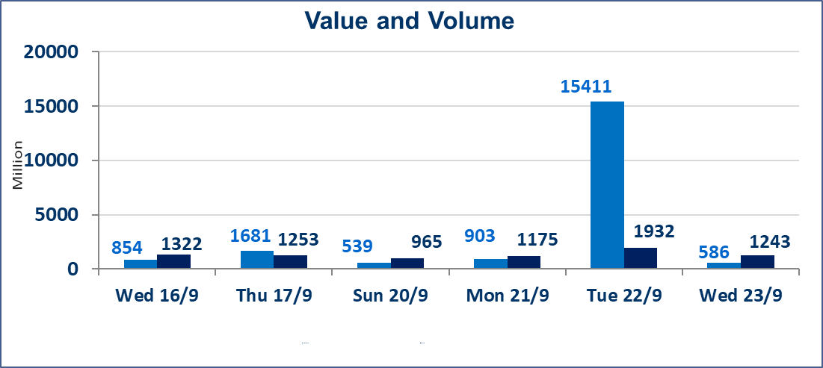
 | ISX Index 60 |  |  | 977.35 | ISX Index 15 |  |  | 1222.00
 | Previous ISX Index60 |  |  | 971.89 | Previous ISX Index15 |  |  | 1224.39
 | Change % |  |  | 0.56 | Change % |  |  | -0.20
 | Change |  |  | 5.46 | Change |  |  | -2.39

 | Listed Companies | 103 | OTC | 24 | Non Traded listed | 48 | OTC | 22
 | Traded Listed Companies | 40 | OTC | 2 | Higher Companies |  |  | 11
 | GAM Companies |  |  | 6 | Lower Companies |  |  | 16
 | Suspended Companies |  |  | 9
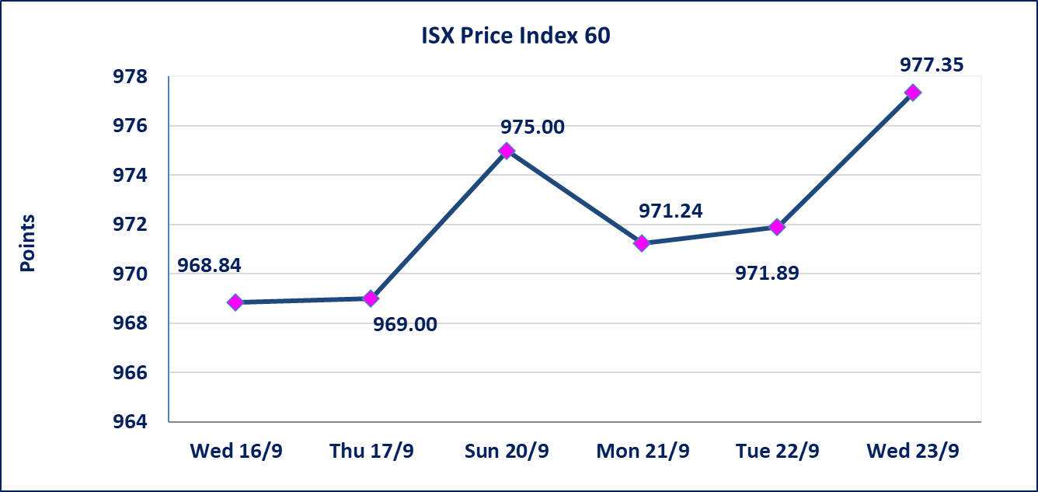
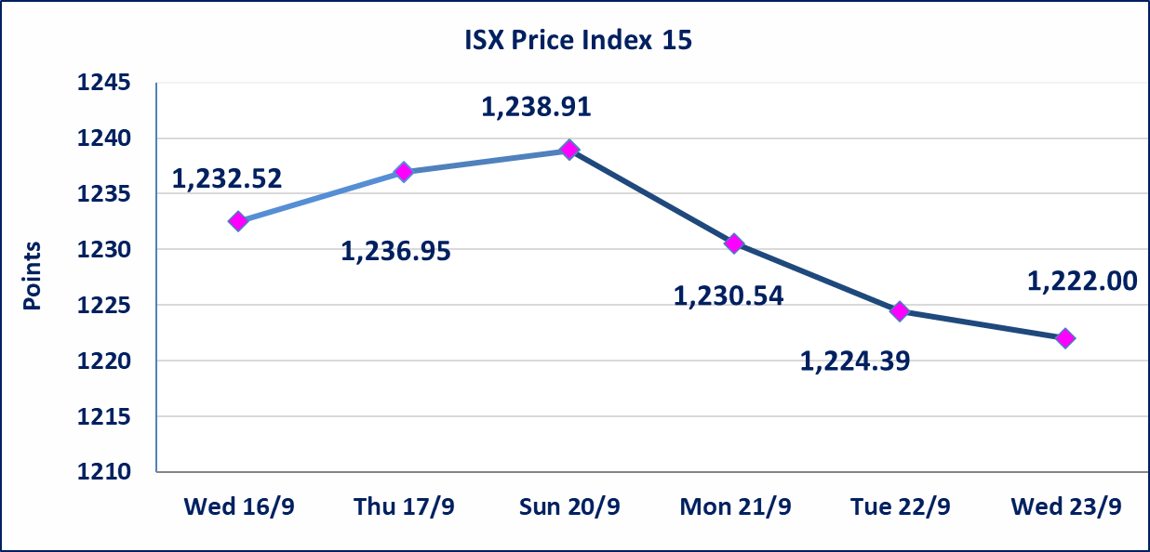

Al-Alwiya P.O . 3607 Mobile: 07711211522 - 07270094594 - 07834000034 E-mail: info-isx@isx-iq.net Web site:www.isx-iq.net

Top 5
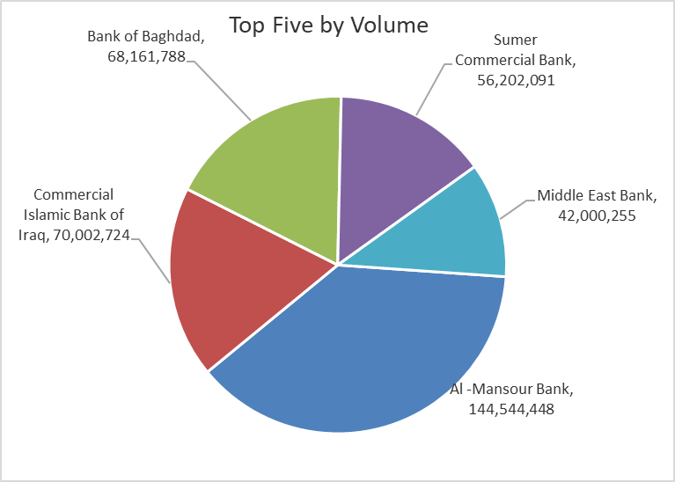
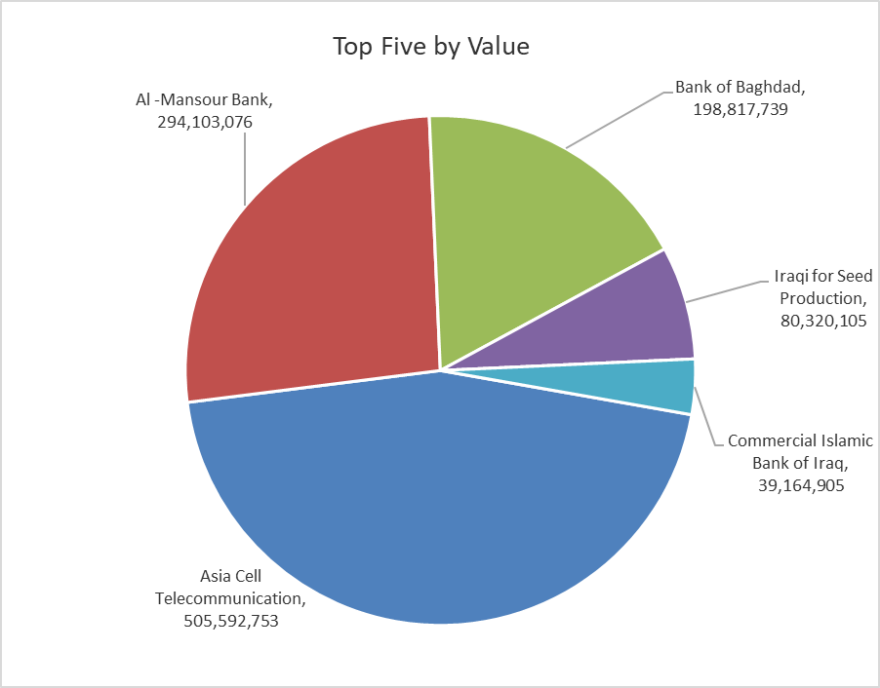
ISX top ganing and losing companies
Wednesday 23/9/2026
 | Gainers |  |  |  | Losers
 | Company Name | Closing Price | Change (%) | Traded Volume | Company Name | Closing Price | Change (%) | Traded Volume
 | Modern Construction Materials | 1.300 | 13.04 | 1,902,998 | Middle East Bank | 0.060 | -14.29 | 42,000,255
 | Mamoura Realestate | 2.440 | 6.09 | 2,435,324 | Al-Ataa Islamic Bank | 0.070 | -12.50 | 12,000
 | Bank of Baghdad | 2.970 | 3.48 | 68,161,788 | Sumer Commercial Bank | 0.210 | -4.55 | 56,202,091
 | Iraqi for Seed Production | 5.340 | 2.69 | 15,352,862 | Mansour Hotel | 57.550 | -4.08 | 94,721
 | Investment Bank of Iraq | 0.400 | 2.56 | 6,280,000 | Al -Khazer Construction Materials | 1.090 | -2.68 | 23,000
 | The most active companies in term of traded volume and value

 | Traded Volume |  |  |  | Traded Value
 | Company Name | Closing Price | Change (%) | Traded Volume | Company Name | Closing Price | Change (%) | Traded Value
 | Al -Mansour Bank | 2.050 | 0.99 | 144,544,448 | Asia Cell Telecommunication | 15.120 | -1.82 | 505,592,753
 | Commercial Islamic Bank of Iraq | 0.560 | 1.82 | 70,002,724 | Al -Mansour Bank | 2.050 | 0.99 | 294,103,076
 | Bank of Baghdad | 2.970 | 3.48 | 68,161,788 | Bank of Baghdad | 2.970 | 3.48 | 198,817,739
 | Sumer Commercial Bank | 0.210 | -4.55 | 56,202,091 | Iraqi for Seed Production | 5.340 | 2.69 | 80,320,105
 | Middle East Bank | 0.060 | -14.29 | 42,000,255 | Commercial Islamic Bank of Iraq | 0.560 | 1.82 | 39,164,905

Non Iraqis

Iraq Stock Exchange
Non Iraqis' Bulletin Wednesday sept 23 2026
Regular Market

Non Iraqi Trading of Regular Market (Buy)
Company Names | Code | No.of trades | Traded Shares | Trading Volume
Banks Sector
Al-Mansour Bank | BMNS | 16 | 50,000,000 | 102,169,580
Total Bank sector |  | 16 | 50,000,000 | 102,169,580
Grand Total |  | 16 | 50000000 | 102169580

Non Iraqi Trading of Regular Market (Sell)
Company Names | Code | No.of trades | Traded Shares | Trading Volume
Agricultural Sector
Iraqi for Seed Production | AISP | 1 | 200,000 | 1,040,000
Total Agricultural Sector |  | 1 | 200,000 | 1,040,000
Telecommunication Sector
Asia cell | TASC | 47 | 3,259,700 | 49,634,753
Total Telecommunication sector |  | 47 | 3,259,700 | 49,634,753
Grand Total |  | 48 | 3,459,700 | 50,674,753

