Indices

 | Iraq Stock Exchange
 | Bulletin No (165)
 | ISX Trading Indices of Sunday 20/9/2026

 | Traded Volume and OTC |  | 539,820,290 |  | Traded Value and OTC |  | 965,009,530 |  | Traders | 968

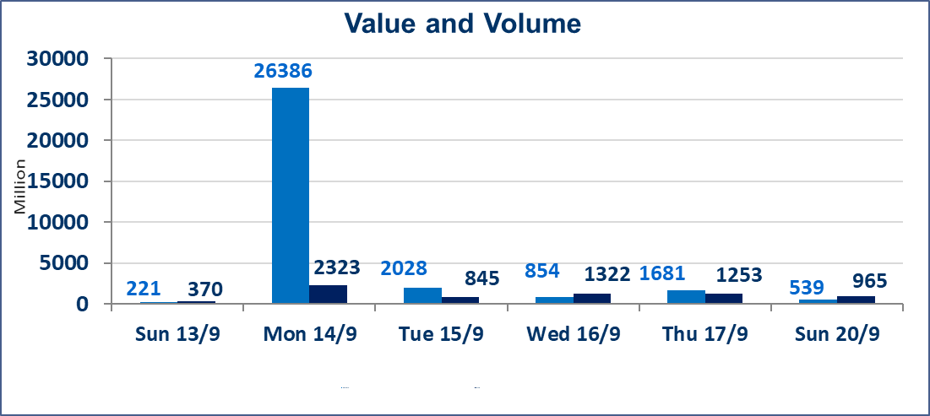
 | ISX Index 60 |  |  | 975.00 | ISX Index 15 |  |  | 1238.91
 | Previous ISX Index60 |  |  | 969.00 | Previous ISX Index15 |  |  | 1236.95
 | Change % |  |  | 0.62 | Change % |  |  | 0.16
 | Change |  |  | 6.00 | Change |  |  | 1.96

 | Listed Companies | 103 | OTC | 22 | Non Traded listed | 44 | OTC | 22
 | Traded Listed Companies | 44 | OTC | 1 | Higher Companies |  |  | 15
 | GAM Companies |  |  | 6 | Lower Companies |  |  | 14
 | Suspended Companies |  |  | 9
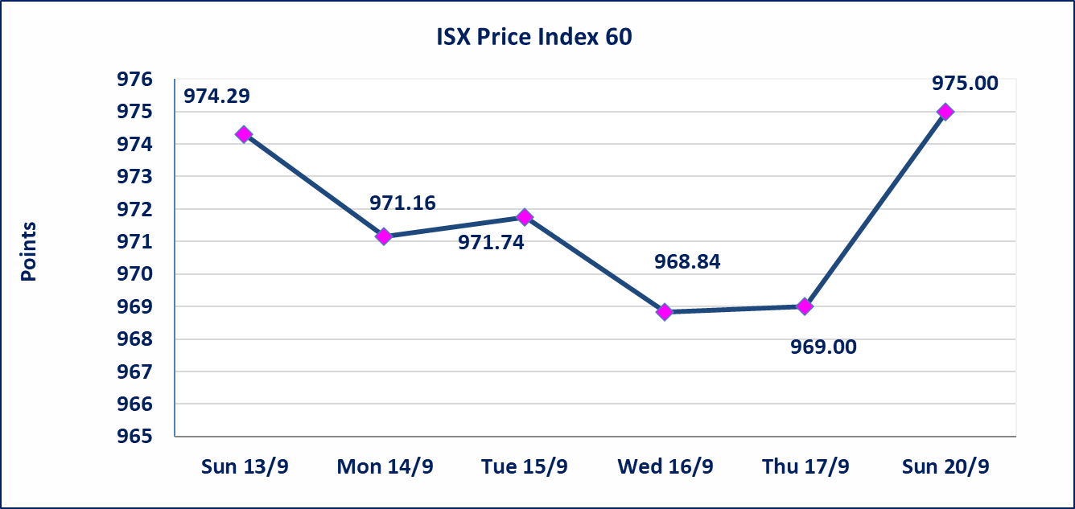
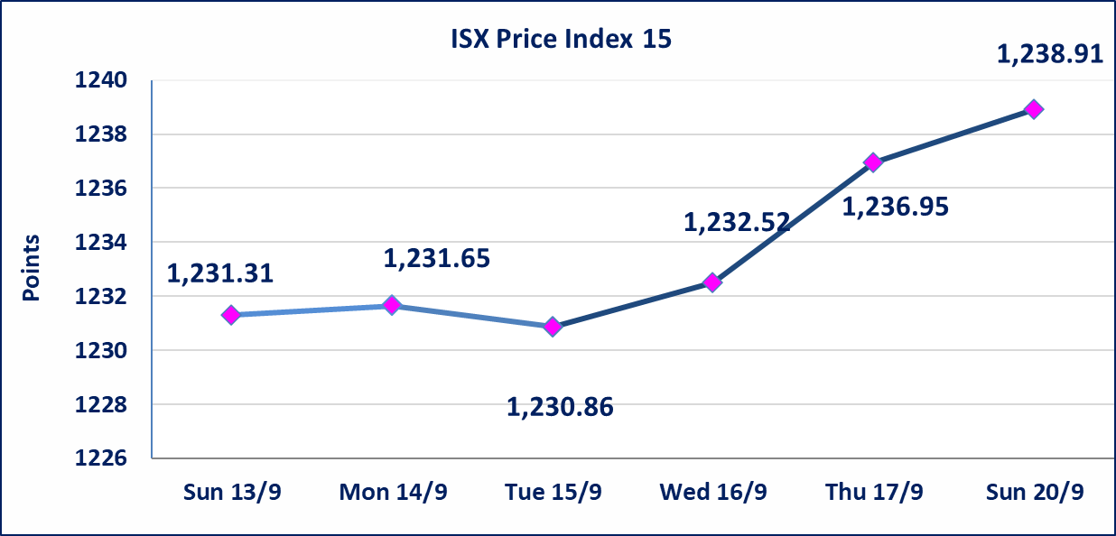

Al-Alwiya P.O . 3607 Mobile: 07711211522 - 07270094594 - 07834000034 E-mail: info-isx@isx-iq.net Web site:www.isx-iq.net

Top 5
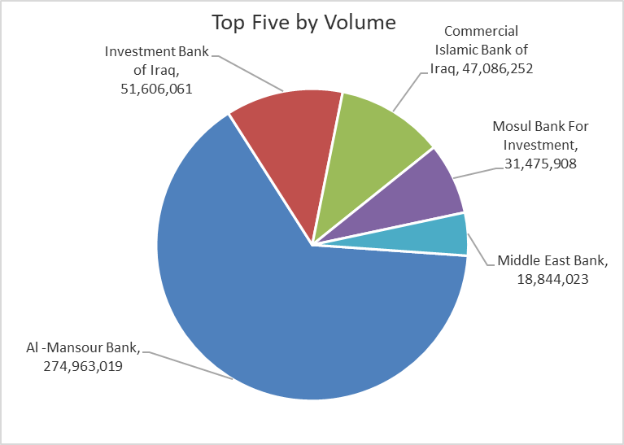
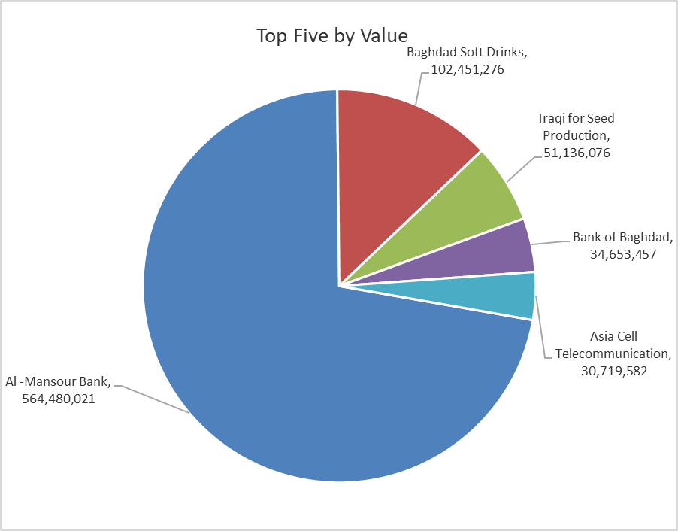
ISX top ganing and losing companies
Sunday 20/9/2026
 | Gainers |  |  |  | Losers
 | Company Name | Closing Price | Change (%) | Traded Volume | Company Name | Closing Price | Change (%) | Traded Volume
 | Modern for Animal Production | 0.380 | 22.58 | 136,727 | Modern Construction Materials | 1.200 | -9.77 | 20,000
 | Mosul Bank For Investment | 0.140 | 16.67 | 31,475,908 | Iraqi Date Processing and Marketing | 2.160 | -9.62 | 42,987
 | International Islamic Bank | 0.110 | 10.00 | 9,175,400 | Sumer Commercial Bank | 0.210 | -4.55 | 10,118,337
 | Kurdistan International Bank | 1.100 | 3.77 | 1,000,000 | Al-Sadeer Hotel | 23.250 | -3.12 | 30,000
 | Al-Ameen Estate Investment | 1.470 | 3.52 | 203,582 | Al-Hamraa for Insurance | 4.000 | -2.44 | 262,267
 | The most active companies in term of traded volume and value

 | Traded Volume |  |  |  | Traded Value
 | Company Name | Closing Price | Change (%) | Traded Volume | Company Name | Closing Price | Change (%) | Traded Value
 | Al -Mansour Bank | 2.050 | -0.97 | 274,963,019 | Al -Mansour Bank | 2.050 | -0.97 | 564,480,021
 | Investment Bank of Iraq | 0.390 | 0.00 | 51,606,061 | Baghdad Soft Drinks | 6.230 | 1.63 | 102,451,276
 | Commercial Islamic Bank of Iraq | 0.560 | 1.82 | 47,086,252 | Iraqi for Seed Production | 5.230 | -0.57 | 51,136,076
 | Mosul Bank For Investment | 0.140 | 16.67 | 31,475,908 | Bank of Baghdad | 2.880 | 0.35 | 34,653,457
 | Middle East Bank | 0.070 | 0.00 | 18,844,023 | Asia Cell Telecommunication | 15.790 | -0.06 | 30,719,582

Non Iraqis

Iraq Stock Exchange
Non Iraqis' Bulletin Sunday sept 20 2026
Regular Market

Non Iraqi Trading of Regular Market( Sell)
Company Names | Code | No.of trades | Traded Shares | Trading Volume
Agricultural Sector
Middle East Producing & Marketing - Fish | AMEF | 1 | 8,875 | 49,700
Total Agricultural Sector |  | 1 | 8,875 | 49,700
Grand Total |  | 1 | 8,875 | 49,700

