Indices
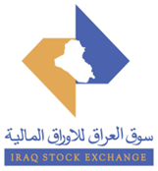
 | Iraq Stock Exchange
 | Bulletin No (181)
 | ISX Trading Indices of Wednesday 14/10/2026

 | Traded Volume and OTC |  | 377,376,120 |  | Traded Value and OTC |  | 542,400,057 |  | Traders | 667

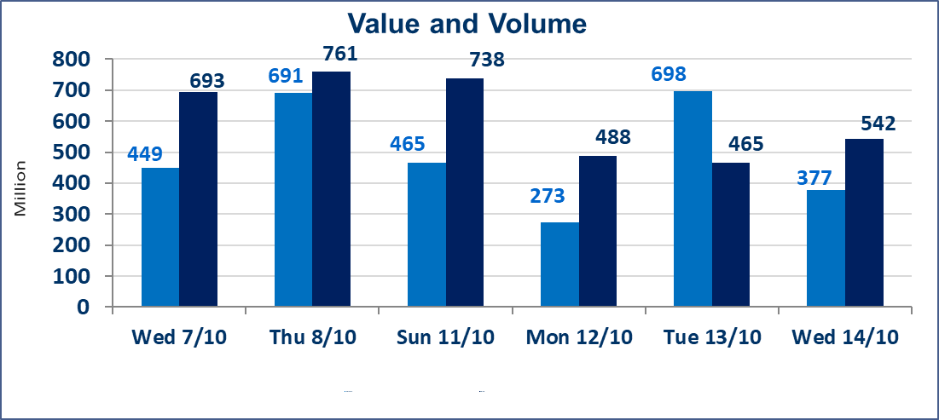
 | ISX Index 60 |  |  | 945.37 | ISX Index 15 |  |  | 1180.32
 | Previous ISX Index60 |  |  | 952.14 | Previous ISX Index15 |  |  | 1183.49
 | Change % |  |  | -0.71 | Change % |  |  | -0.27
 | Change |  |  | -6.77 | Change |  |  | -3.17

 | Listed Companies | 103 | OTC | 27 | Non Traded listed | 41 | OTC | 25
 | Traded Listed Companies | 40 | OTC | 2 | Higher Companies |  |  | 5
 | GAM Companies |  |  | 10 | Lower Companies |  |  | 18
 | Suspended Companies |  |  | 12
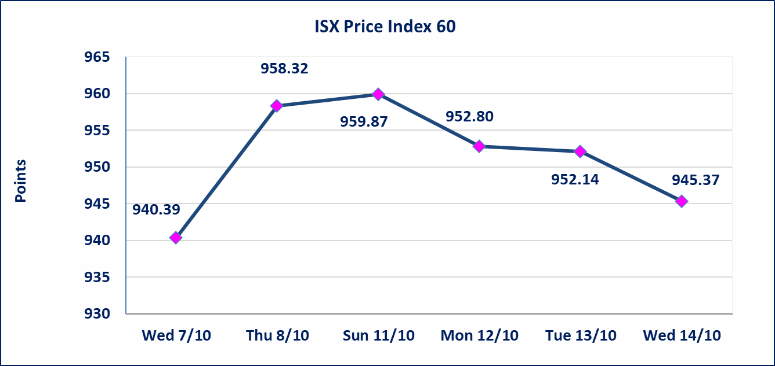
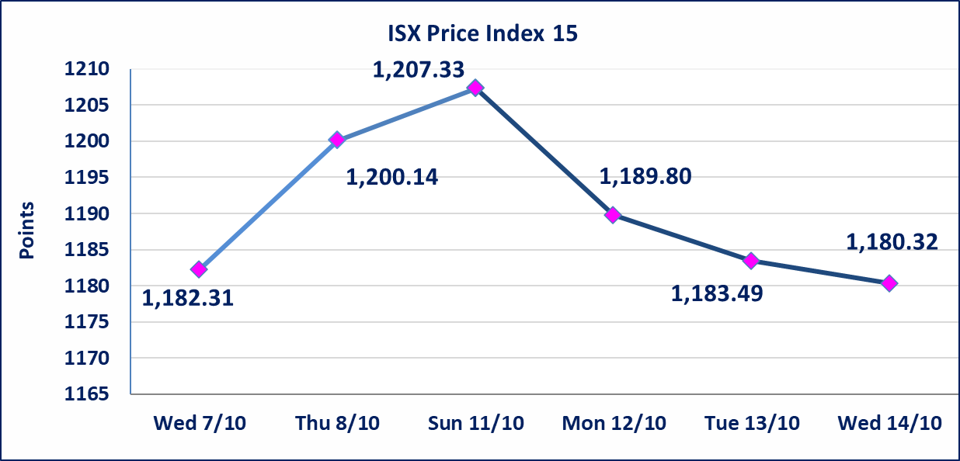

Al-Alwiya P.O . 3607 Mobile: 07711211522 - 07270094594 - 07834000034 E-mail: info-isx@isx-iq.net Web site:www.isx-iq.net

Top 5
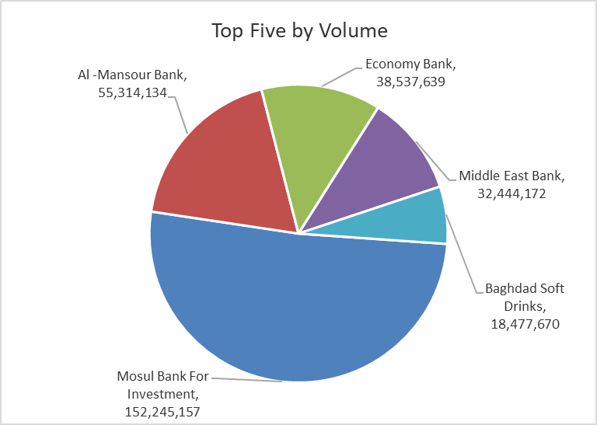
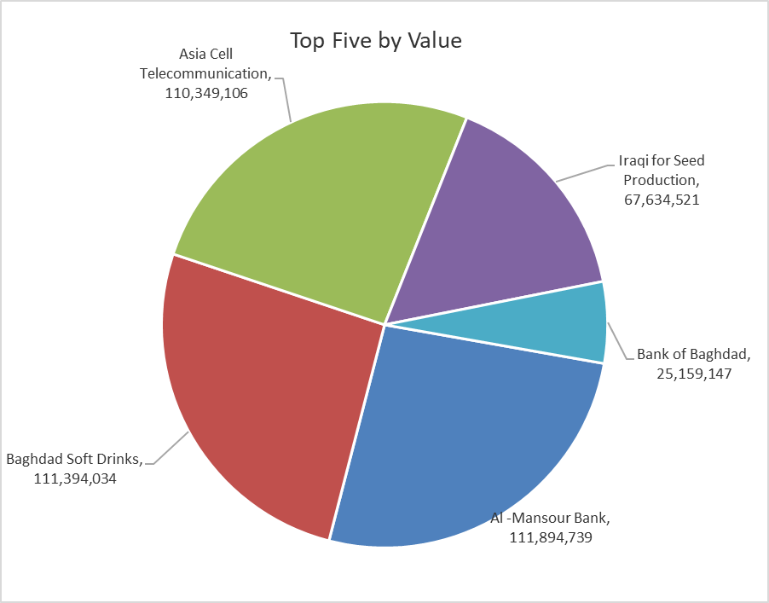
ISX top ganing and losing companies
Wednesday 14/10/2026
 | Gainers |  |  |  | Losers
 | Company Name | Closing Price | Change (%) | Traded Volume | Company Name | Closing Price | Change (%) | Traded Volume
 | Modern Sewing | 6.600 | 10.00 | 1,904,000 | Middle East Bank | 0.060 | -14.29 | 32,444,172
 | Dar Al-Salam for Insurance | 0.700 | 7.69 | 200,000 | Mosul Bank For Investment | 0.120 | -7.69 | 152,245,157
 | National for Tourist Investment | 9.100 | 3.41 | 351,329 | Elaf Islamic Bank | 0.270 | -6.90 | 253,000
 | AL-Badia for General Trans | 1.330 | 2.31 | 159,102 | Credit Bank Of Iraq | 0.470 | -4.08 | 3,514,907
 | National Chemical &Plastic | 1.860 | 0.54 | 31,881 | Fallujah for construction Materials | 2.700 | -3.57 | 1,000,101
 | The most active companies in term of traded volume and value

 | Traded Volume |  |  |  | Traded Value
 | Company Name | Closing Price | Change (%) | Traded Volume | Company Name | Closing Price | Change (%) | Traded Value
 | Mosul Bank For Investment | 0.120 | -7.69 | 152,245,157 | Al -Mansour Bank | 2.010 | -1.47 | 111,894,739
 | Al -Mansour Bank | 2.010 | -1.47 | 55,314,134 | Baghdad Soft Drinks | 6.040 | 0.00 | 111,394,034
 | Economy Bank | 0.220 | 0.00 | 38,537,639 | Asia Cell Telecommunication | 15.160 | -0.26 | 110,349,106
 | Middle East Bank | 0.060 | -14.29 | 32,444,172 | Iraqi for Seed Production | 5.250 | -1.32 | 67,634,521
 | Baghdad Soft Drinks | 6.040 | 0.00 | 18,477,670 | Bank of Baghdad | 2.800 | -1.06 | 25,159,147

Non Iraqi

Iraq Stock Exchange
Non Iraqis' Bulletin Wednesday Oct 14 2026
Regular Market

Non Iraqi Trading of Regular Market (Buy)
Company Names | Code | No.of trades | Traded Shares | Trading Volume
Banks Sector
Investment Bank of Iraq | BIBI | 1 | 5,042 | 1,966
Total Bank sector |  | 1 | 5,042 | 1,966
Grand Total |  | 1 | 5,042 | 1,966

