Indices

 | Iraq Stock Exchange
 | Bulletin No (160)
 | ISX Trading Indices of Sunday 13/9/2026

 | Traded Volume and OTC |  | 221,417,082 |  | Traded Value and OTC |  | 370,206,863 |  | Traders | 691

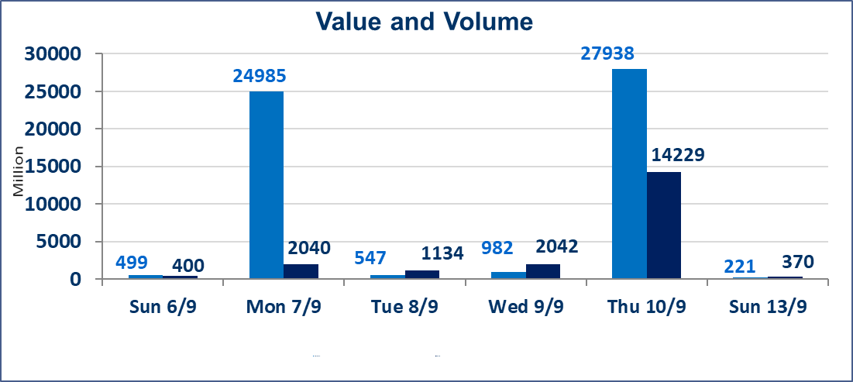
 | ISX Index 60 |  |  | 974.29 | ISX Index 15 |  |  | 1231.31
 | Previous ISX Index60 |  |  | 978.73 | Previous ISX Index15 |  |  | 1231.23
 | Change % |  |  | -0.45 | Change % |  |  | 0.01
 | Change |  |  | -4.44 | Change |  |  | 0.08

 | Listed Companies | 103 | OTC | 22 | Non Traded listed | 47 | OTC | 21
 | Traded Listed Companies | 45 | OTC | 1 | Higher Companies |  |  | 5
 | GAM Companies |  |  | 2 | Lower Companies |  |  | 23
 | Suspended Companies |  |  | 9
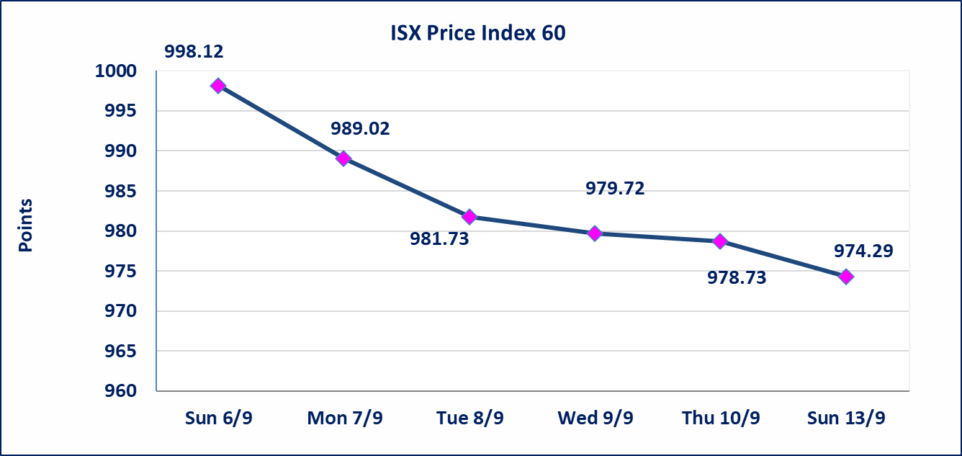
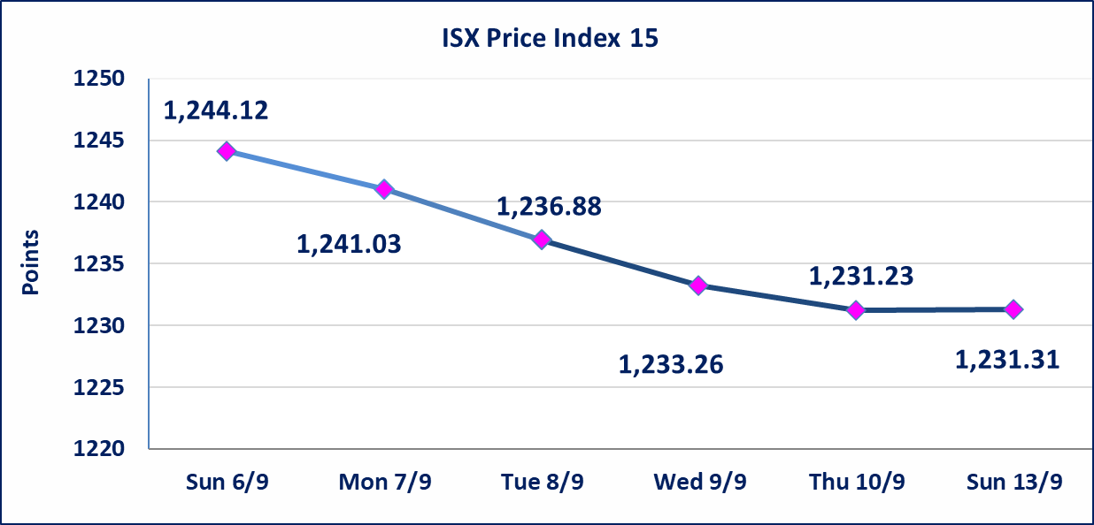

Al-Alwiya P.O . 3607 Mobile: 07711211522 - 07270094594 - 07834000034 E-mail: info-isx@isx-iq.net Web site:www.isx-iq.net

Top 5
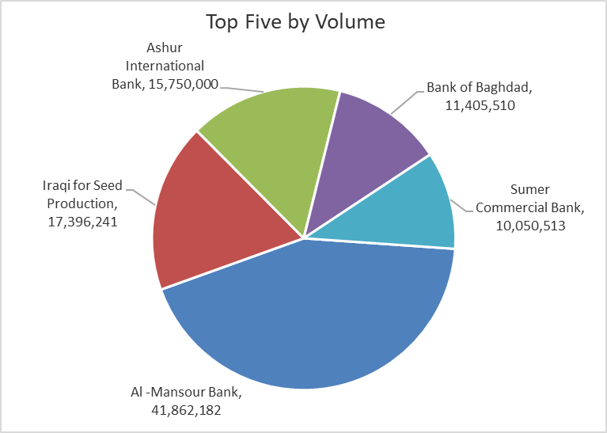
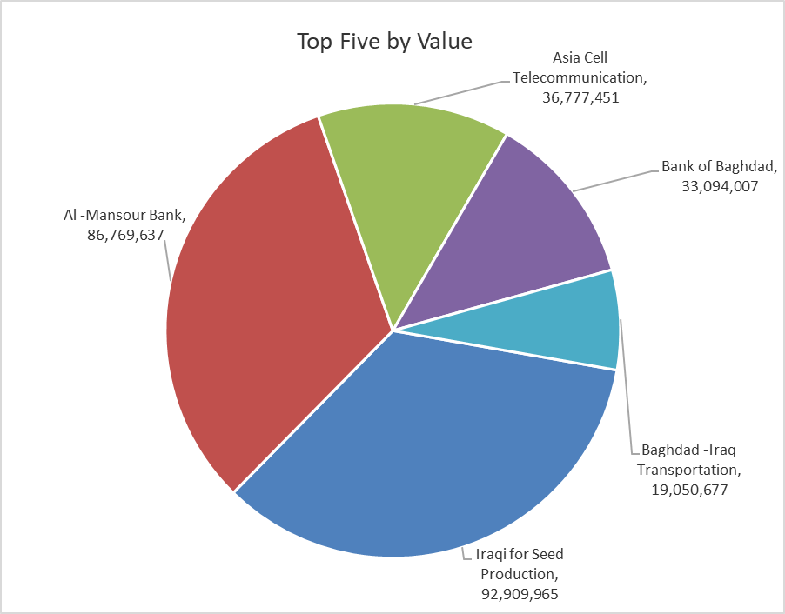
ISX top ganing and losing companies
Sunday 13/9/2026
 | Gainers |  |  |  | Losers
 | Company Name | Closing Price | Change (%) | Traded Volume | Company Name | Closing Price | Change (%) | Traded Volume
 | Al-Qurtas Islamic Bank | 1.040 | 4.00 | 500,000 | Kurdistan International Bank | 1.060 | -9.40 | 25,000
 | Iraqi Islamic Bank | 0.960 | 1.05 | 6,366,797 | Trans Iraq Bank Investment | 0.250 | -7.41 | 5,892
 | Al-Khatam Telecom | 3.840 | 0.79 | 107,837 | Tourist Village of Mosul dam | 13.000 | -7.14 | 900,000
 | Asia Cell Telecommunication | 15.570 | 0.65 | 2,354,177 | International Islamic Bank | 0.130 | -7.14 | 2,300,000
 | Baghdad Hotel | 12.240 | 0.25 | 64,000 | Mosul Bank For Investment | 0.130 | -7.14 | 10,000,000
 | The most active companies in term of traded volume and value

 | Traded Volume |  |  |  | Traded Value
 | Company Name | Closing Price | Change (%) | Traded Volume | Company Name | Closing Price | Change (%) | Traded Value
 | Al -Mansour Bank | 2.070 | -0.96 | 41,862,182 | Iraqi for Seed Production | 5.340 | -0.93 | 92,909,965
 | Iraqi for Seed Production | 5.340 | -0.93 | 17,396,241 | Al -Mansour Bank | 2.070 | -0.96 | 86,769,637
 | Ashur International Bank | 0.310 | -3.12 | 15,750,000 | Asia Cell Telecommunication | 15.570 | 0.65 | 36,777,451
 | Bank of Baghdad | 2.900 | -0.34 | 11,405,510 | Bank of Baghdad | 2.900 | -0.34 | 33,094,007
 | Sumer Commercial Bank | 0.210 | -4.55 | 10,050,513 | Baghdad -Iraq Transportation | 20.050 | -1.04 | 19,050,677

Non Iraqis

Iraq Stock Exchange
Non Iraqis' Bulletin Sunday sept 13 2026
Regular Market

Non Iraqi Trading of Regular Market (Buy)
Company Names | Code | No.of trades | Traded Shares | Trading Volume
Telecommunication Sector
Asia cell | TASC | 4 | 20,191 | 316,943
Total Telecommunication sector |  | 4 | 20,191 | 316,943
Grand Total |  | 4 | 20,191 | 316,943

Non Iraqi Trading of Second Market (BUY)
Company Names | Code | No. of trades | Traded Volume | Traded Value
Banks Sector
Al-Qurtas Isiamic Bank | BQUR | 2 | 100,000 | 104,000
Total Bank sector |  | 2 | 100,000 | 104,000
Grand Total |  | 2 | 100,000 | 104,000

Non Iraqi Trading of Undisclosed Platform (Sell)
Company Names | Code | No.of trades | Traded Shares | Trading Volume
Industry Sector
The Light Industries | ITLI | 1 | 829,652 | 1,037,065
Total Industry sector |  | 1 | 829,652 | 1,037,065
Grand Total |  | 1 | 829,652 | 1,037,065

